Folha1
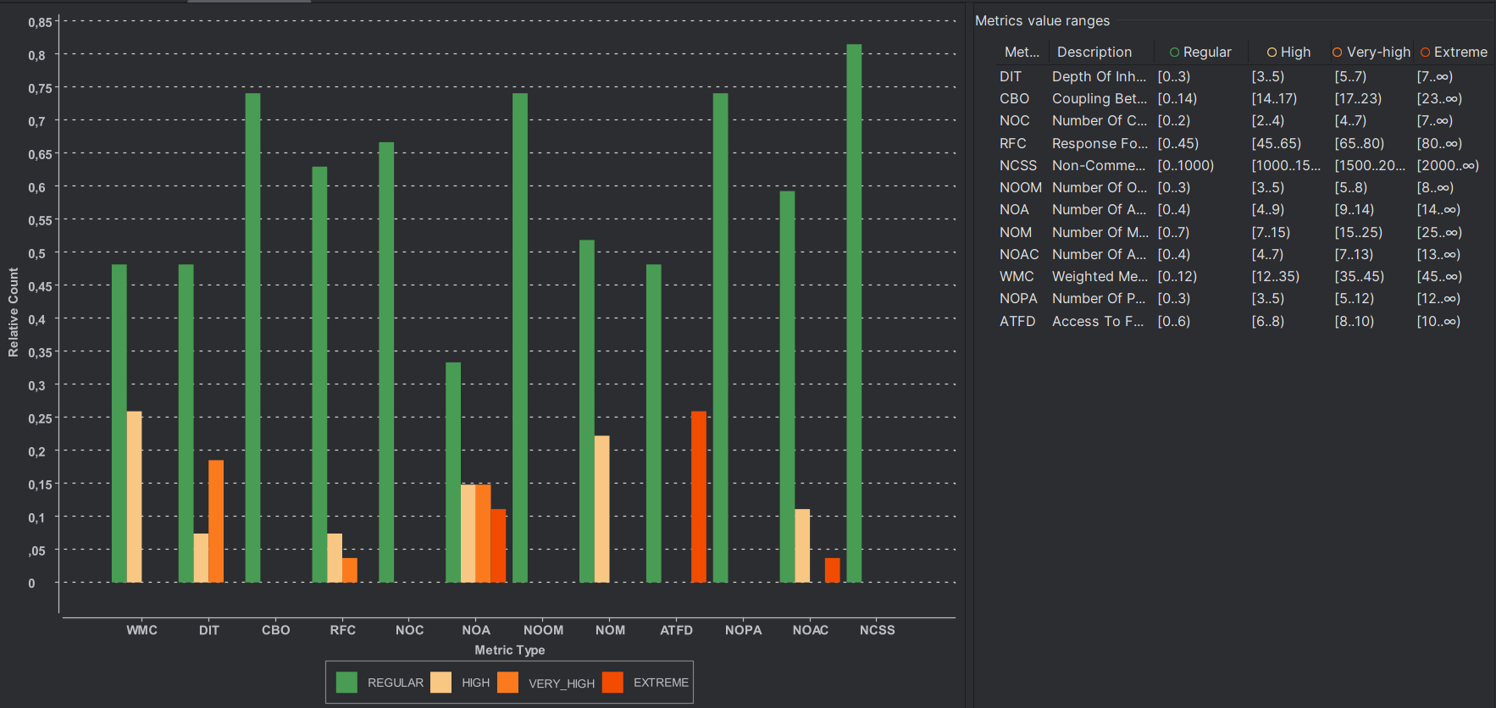
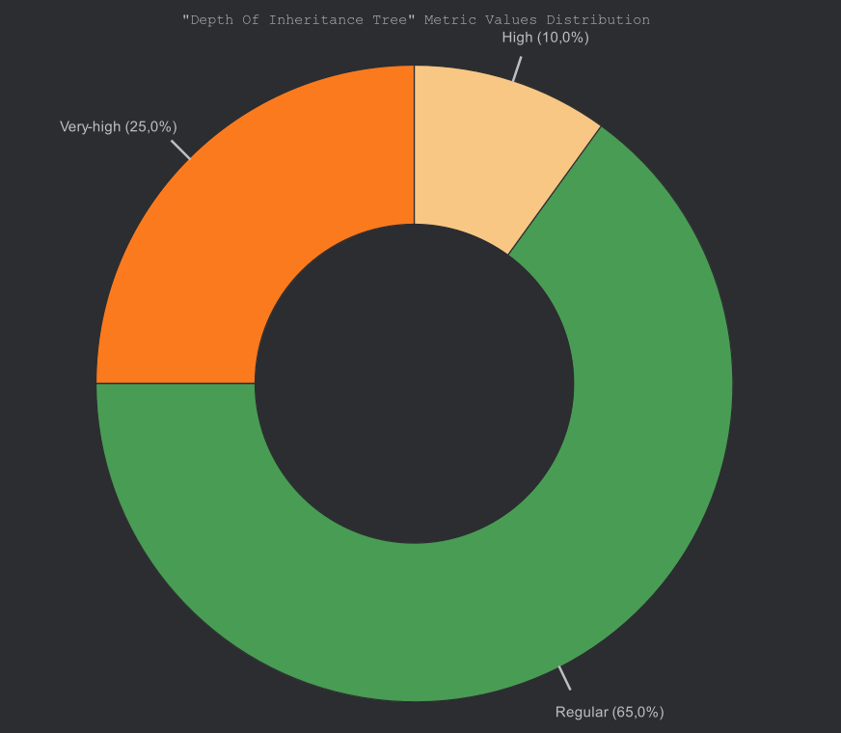
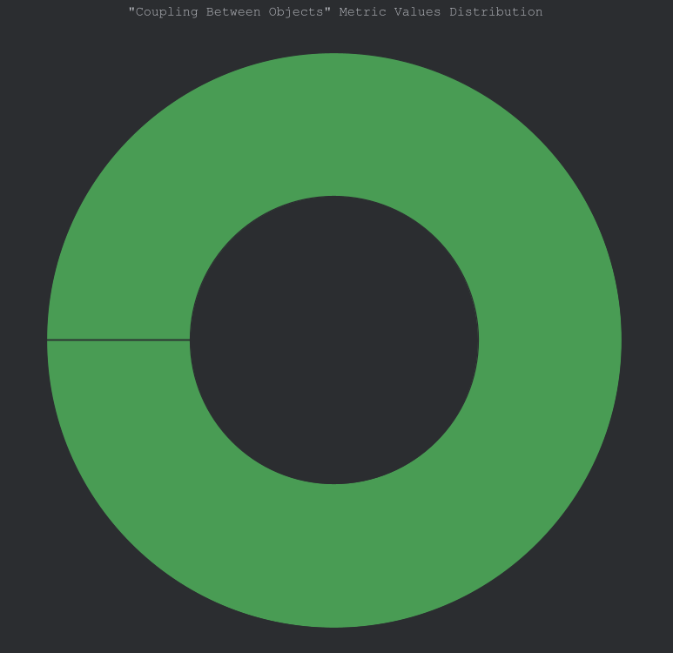
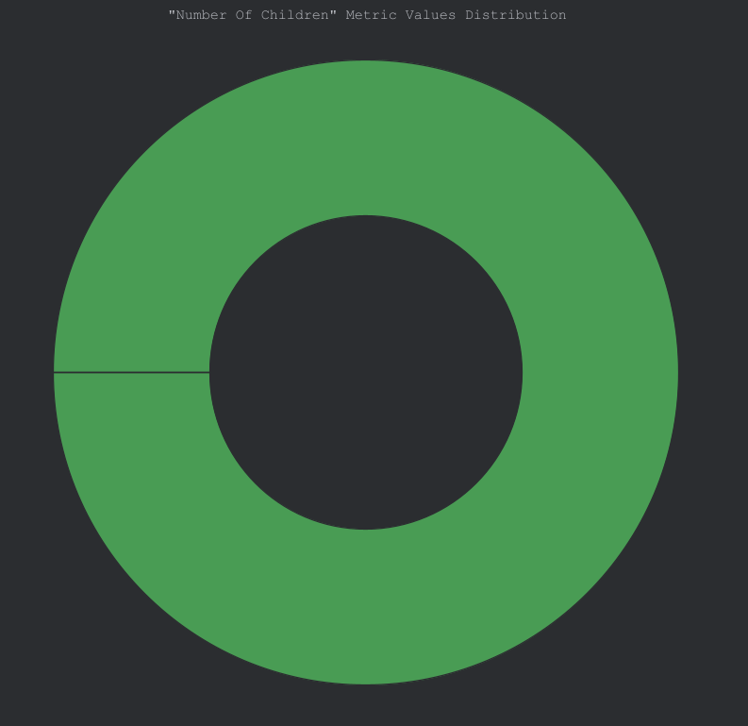
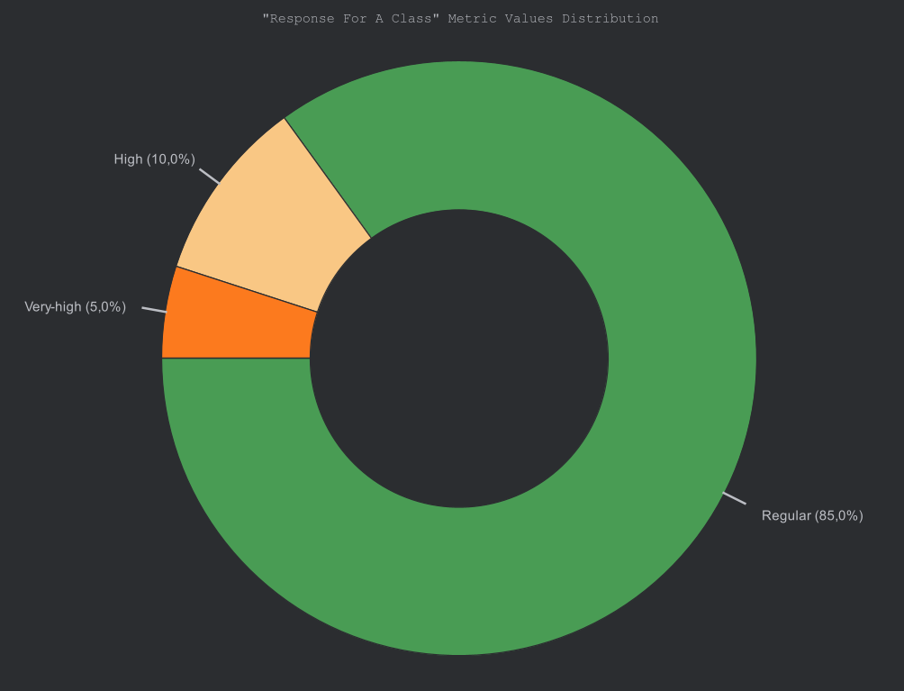
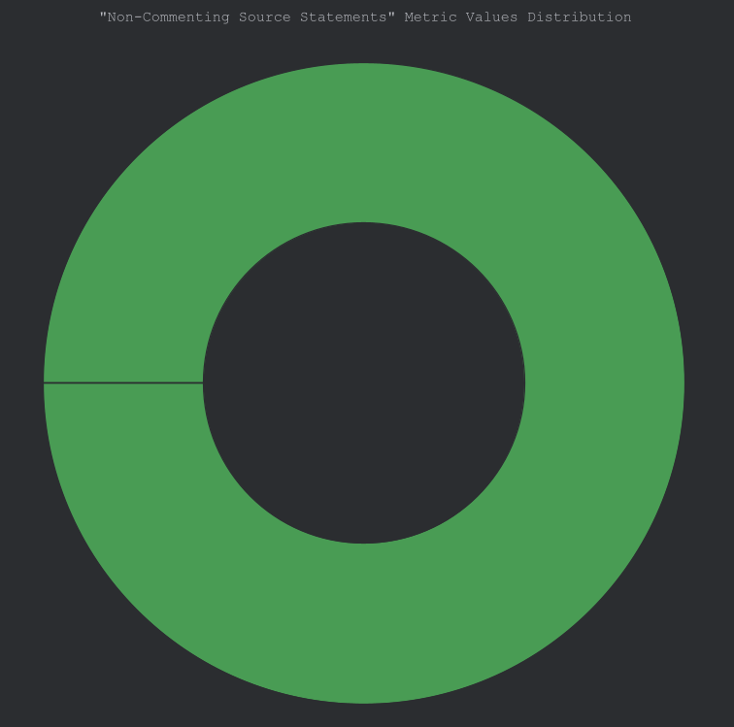

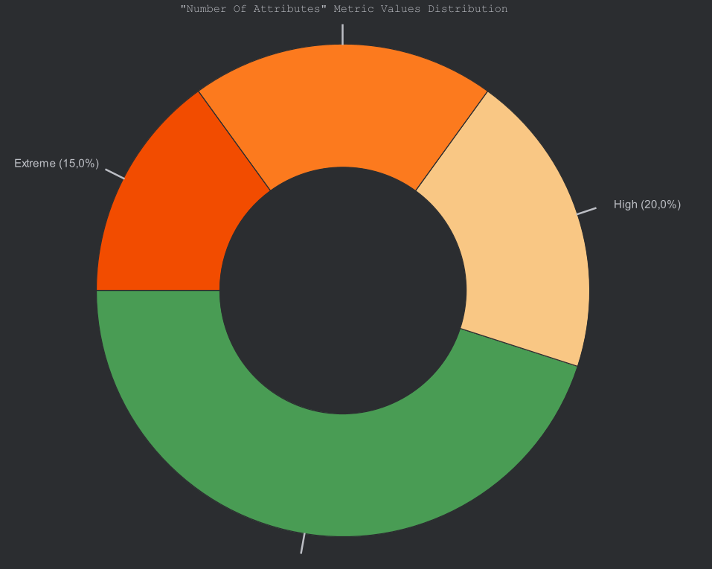
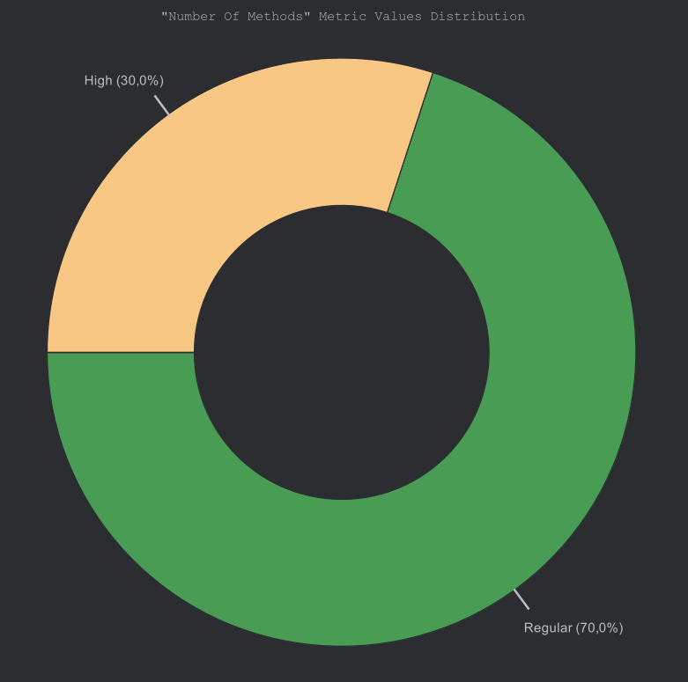
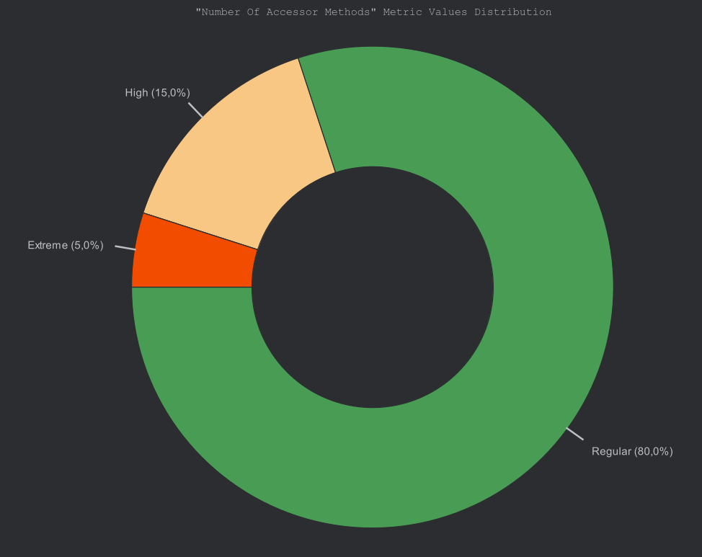
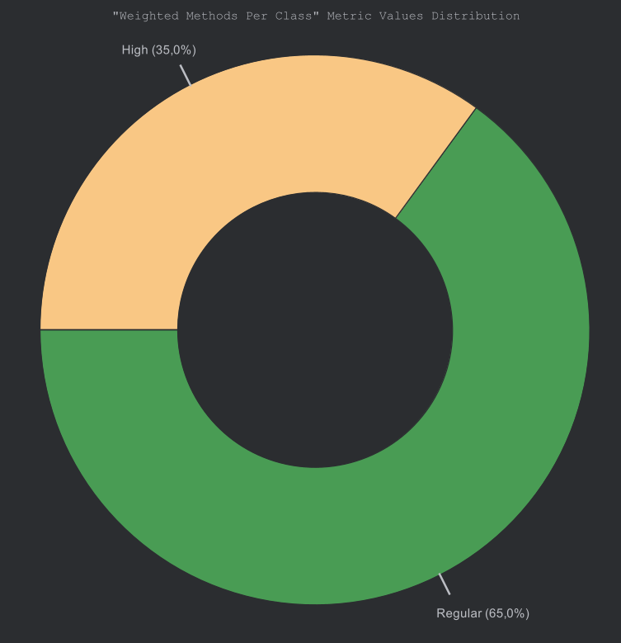

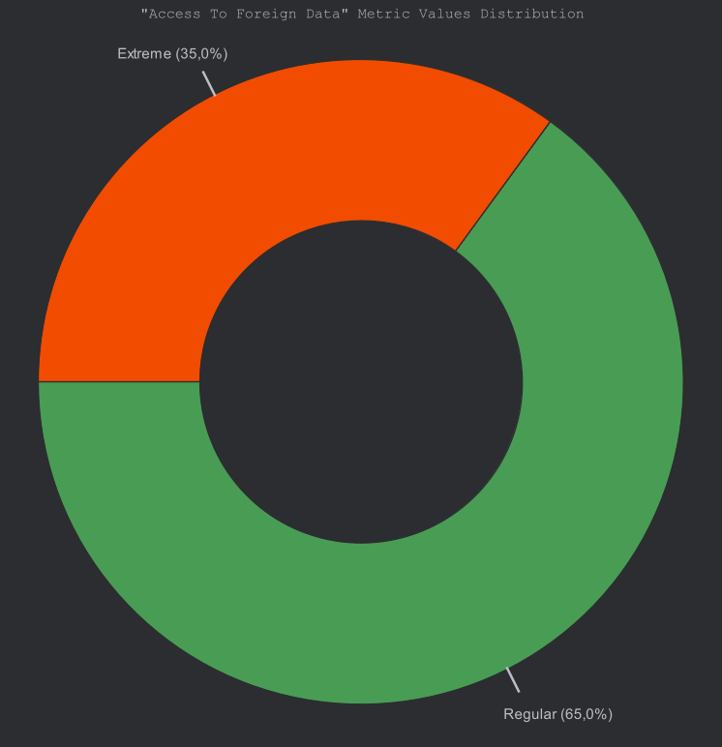

Package Name | A | Ca | Ce | PAHD | PACHEF | PACHER | PACHL | PACHVC | PAHVL | I | PLOC | PAMI | PNCSS | D | PNOAC | PNOCC | PNOI | PNOSC
iscte | 1 | 0 | 0 | 0 | 0 | 0 | 0 | 0 | 0 | 1 | 0 | 0 | 0 | 1 | 0 | 0 | 0 | 0
iscte.ista | 0 | 0 | 0 | 3 | 90 | 0.0067 | 10 | 8 | 30 | 1 | 3 | 79.2493 | 1 | 0 | 0 | 1 | 0 | 0
iscte.ista.base | 1 | 0 | 0 | 0 | 0 | 0 | 0 | 0 | 0 | 1 | 0 | 0 | 0 | 1 | 0 | 0 | 0 | 0
iscte.ista.base.ui | 0 | 1 | 0 | 33.3158 | 10130.5062 | 0.1923 | 111 | 76 | 587.8043 | 0 | 42 | 44.9593 | 26 | 1 | 0 | 2 | 0 | 0
iscte.ista.base.ui.component | 0 | 5 | 0 | 12.1136 | 4411.5331 | 0.0897 | 71 | 35 | 364.1791 | 0 | 23 | 52.2132 | 16 | 1 | 0 | 1 | 0 | 0
iscte.ista.currency | 0.3333 | 1 | 0 | 59.5571 | 67445.3084 | 0.5807 | 227 | 120 | 1412.038 | 0 | 83 | 35.6546 | 58 | 0.6667 | 0 | 2 | 1 | 0
iscte.ista.currency.ui | 0 | 0 | 2 | 68.7917 | 120276.1656 | 0.8122 | 251 | 125 | 1748.4119 | 1 | 87 | 34.6414 | 56 | 0 | 0 | 1 | 0 | 0
iscte.ista.emails | 0.25 | 1 | 0 | 35.8438 | 13946.0358 | 0.2236 | 148 | 72 | 727.5546 | 0 | 110 | 35.0208 | 44 | 0.75 | 0 | 3 | 1 | 0
iscte.ista.emails.ui | 0 | 0 | 3 | 40.425 | 39064.614 | 0.3838 | 152 | 82 | 966.3479 | 1 | 46 | 42.6789 | 35 | 0 | 0 | 1 | 0 | 0
iscte.ista.examplefeature | 0.3333 | 1 | 0 | 34.5505 | 13846.3481 | 0.2254 | 128 | 76 | 691.2808 | 0 | 62 | 40.6146 | 28 | 0.6667 | 0 | 2 | 1 | 0
iscte.ista.examplefeature.ui | 0 | 0 | 2 | 39.6 | 31952.6039 | 0.3356 | 128 | 79 | 806.8839 | 1 | 36 | 45.6041 | 28 | 0 | 0 | 1 | 0 | 0
iscte.ista.pdf_printer | 0.2 | 1 | 0 | 85.9571 | 78677.481 | 0.7521 | 293 | 126 | 1752.588 | 0 | 112 | 32.1079 | 60 | 0.8 | 0 | 2 | 1 | 0
iscte.ista.pdf_printer.ui | 0 | 0 | 2 | 97.0571 | 349335.7063 | 1.6534 | 475 | 191 | 3599.2787 | 1 | 165 | 26.393 | 131 | 0 | 0 | 1 | 0 | 0
iscte.ista.qrcode | 0.3333 | 0 | 0 | 13.125 | 736.3545 | 0.0342 | 34 | 21 | 113.9075 | 1 | 18 | 57.9765 | 5 | 0.3333 | 0 | 2 | 1 | 0
iscte.ista.qrcode.ui | 0 | 0 | 1 | 33.1905 | 25814.0525 | 0.2911 | 122 | 83 | 777.7548 | 1 | 42 | 44.1323 | 34 | 0 | 0 | 1 | 0 | 0

Class Name | ATFD | CCC | CBO | DAC | DIT | CHD | CHEF | CHER | CHL | CHVC | CHVL | LCOM | CLOC | CMI | MPC | NCSS | NOAC | NOAM | NOA | SIZE2 | NOC | NOM | NOO | NOOM | NOPA | RFC | TCC | WOC | WMC
iscte.ista.Application | 0 | 0 | 0 | 0 | 1 | 3,0 | 90,0 | 0,0067 | 10 | 8 | 30,0 | 1 | 3 | 79.2493 | 1 | 1 | 0 | 1 | 0 | 15 | 0 | 1 | 15 | 0 | 0 | 2 | 0,0 | 1,0 | 1
iscte.ista.base.ui.MainErrorHandler | 4 | 0 | 0 | 1 | 1 | 15,0 | 2875,3046 | 0,0674 | 38 | 33 | 191,687 | 1 | 15 | 58.373 | 14 | 8 | 0 | 1 | 1 | 15 | 0 | 1 | 14 | 0 | 0 | 16 | 0,0 | 1,0 | 1
iscte.ista.base.ui.MainLayout | 12 | 2 | 1 | 0 | 3 | 18,3158 | 7255,2016 | 0,1249 | 73 | 43 | 396,1173 | 2 | 27 | 50.3707 | 19 | 18 | 0 | 3 | 11 | 100 | N/A | 4 | 97 | 0 | 0 | 21 | 0,0 | 1,0 | 5
iscte.ista.base.ui.component.ViewToolbar | 12 | 1 | 6 | 0 | 3 | 12,1136 | 4411,5331 | 0,0897 | 71 | 35 | 364,1791 | 1 | 23 | 52.2147 | 10 | 16 | 0 | 1 | 9 | 79 | N/A | 2 | 78 | 0 | 0 | 8 | 0,0 | 1,0 | 3
iscte.ista.currency.Currency | 0 | 0 | 3 | 3 | 1 | 6,0455 | 1033,5728 | 0,0341 | 41 | 18 | 170,9669 | 3 | 11 | 61.4037 | 0 | 8 | 5 | 5 | 3 | 23 | 0 | 7 | 20 | 0 | 0 | 7 | 0,2 | 0,0 | 7
iscte.ista.currency.CurrencyRepository | N/A | 0 | N/A | N/A | N/A | N/A | N/A | N/A | N/A | N/A | N/A | N/A | 0 | 0 | N/A | N/A | N/A | N/A | N/A | N/A | N/A | N/A | N/A | N/A | N/A | N/A | N/A | N/A | N/A
iscte.ista.currency.CurrencyService | 5 | 10 | 3 | 4 | 1 | 53,5116 | 66411,7356 | 0,5466 | 186 | 102 | 1241,0711 | 1 | 72 | 37.4405 | 51 | 50 | 0 | 6 | 4 | 24 | 0 | 7 | 20 | 0 | 0 | 51 | 0,2 | 1,0 | 17
iscte.ista.currency.ui.CurrencyListView | 11 | 8 | 3 | 5 | 5 | 68,7917 | 120276,1656 | 0,8122 | 251 | 125 | 1748,4119 | 1 | 87 | 34.6421 | 83 | 56 | 0 | 4 | 15 | 142 | 0 | 5 | 135 | 0 | 0 | 56 | 0,1667 | 1,0 | 13
iscte.ista.emails.Email | 1 | 0 | 3 | 3 | 1 | 5,0312 | 1593,142 | 0,0455 | 70 | 23 | 316,6493 | 7 | 42 | 46.7327 | 0 | 14 | 14 | 14 | 7 | 34 | 0 | 14 | 27 | 0 | 0 | 14 | 0,0769 | 0,0 | 14
iscte.ista.emails.EmailConfig | 1 | 2 | 0 | 0 | 1 | 0,0 | 0,0 | 0,0 | 5 | 4 | 10,0 | 1 | 39 | 58.1973 | 0 | 11 | 0 | 1 | 0 | 14 | 0 | 1 | 14 | 0 | 0 | 1 | 0,0 | 1,0 | 2
iscte.ista.emails.EmailRepository | N/A | 0 | N/A | N/A | N/A | N/A | N/A | N/A | N/A | N/A | N/A | N/A | 0 | 0 | N/A | N/A | N/A | N/A | N/A | N/A | N/A | N/A | N/A | N/A | N/A | N/A | N/A | N/A | N/A
iscte.ista.emails.EmailService | 3 | 1 | 3 | 3 | 1 | 30,8125 | 12352,8938 | 0,1781 | 73 | 45 | 400,9053 | 1 | 29 | 49.6932 | 16 | 19 | 0 | 2 | 3 | 19 | 0 | 3 | 16 | 0 | 0 | 21 | 1,0 | 1,0 | 4
iscte.ista.emails.ui.EmailView | 12 | 1 | 4 | 5 | 5 | 40,425 | 39064,614 | 0,3838 | 152 | 82 | 966,3479 | 1 | 46 | 42.68 | 50 | 35 | 0 | 1 | 14 | 138 | 0 | 2 | 132 | 0 | 0 | 36 | 0,0 | 1,0 | 3
iscte.ista.examplefeature.Task | 1 | 5 | 3 | 4 | 1 | 22,2727 | 11941,8866 | 0,1742 | 95 | 50 | 536,1663 | 4 | 46 | 44.2548 | 11 | 20 | 5 | 6 | 5 | 28 | 0 | 10 | 23 | 2 | 0 | 16 | 0,1333 | 0,1667 | 15
iscte.ista.examplefeature.TaskRepository | N/A | 0 | N/A | N/A | N/A | N/A | N/A | N/A | N/A | N/A | N/A | N/A | 0 | 0 | N/A | N/A | N/A | N/A | N/A | N/A | N/A | N/A | N/A | N/A | N/A | N/A | N/A | N/A | N/A
iscte.ista.examplefeature.TaskService | 1 | 1 | 3 | 1 | 1 | 12,2778 | 1904,4615 | 0,0512 | 33 | 26 | 155,1145 | 1 | 16 | 58.2102 | 6 | 8 | 0 | 2 | 1 | 17 | 0 | 3 | 16 | 0 | 0 | 11 | 1,0 | 1,0 | 4
iscte.ista.examplefeature.ui.TaskListView | 10 | 0 | 3 | 5 | 5 | 39,6 | 31952,6039 | 0,3356 | 128 | 79 | 806,8839 | 1 | 36 | 45.6074 | 47 | 28 | 0 | 1 | 13 | 137 | 0 | 2 | 132 | 0 | 0 | 42 | 0,0 | 1,0 | 2
iscte.ista.pdf_printer.PdfPrinter | 3 | 9 | 4 | 5 | 1 | 27,8571 | 21321,8582 | 0,2563 | 133 | 54 | 765,4 | 4 | 56 | 41.2579 | 12 | 28 | 6 | 9 | 5 | 31 | 0 | 13 | 26 | 2 | 0 | 20 | 0,1667 | 0,3333 | 22
iscte.ista.pdf_printer.PdfPrinter.Status | N/A | 0 | N/A | N/A | N/A | N/A | N/A | N/A | N/A | N/A | N/A | N/A | 0 | 0 | N/A | 0 | N/A | N/A | N/A | N/A | N/A | N/A | N/A | N/A | N/A | N/A | N/A | N/A | N/A
iscte.ista.pdf_printer.PdfPrinterRepository | N/A | 0 | N/A | N/A | N/A | N/A | N/A | N/A | N/A | N/A | N/A | N/A | 0 | 0 | N/A | N/A | N/A | N/A | N/A | N/A | N/A | N/A | N/A | N/A | N/A | N/A | N/A | N/A | N/A
iscte.ista.pdf_printer.PdfPrinterService | 2 | 6 | 5 | 1 | 1 | 58,1 | 57355,6228 | 0,4958 | 160 | 72 | 987,188 | 1 | 56 | 40.5646 | 37 | 32 | 0 | 6 | 1 | 21 | 0 | 7 | 20 | 0 | 0 | 32 | 0,5333 | 1,0 | 12
iscte.ista.pdf_printer.PdfPrinterService.DueFilter | N/A | 0 | N/A | N/A | N/A | N/A | N/A | N/A | N/A | N/A | N/A | N/A | 0 | 0 | N/A | 0 | N/A | N/A | N/A | N/A | N/A | N/A | N/A | N/A | N/A | N/A | N/A | N/A | N/A
iscte.ista.pdf_printer.ui.PdfPrinterListView | 16 | 8 | 5 | 7 | 5 | 97,0571 | 349335,7063 | 1,6534 | 475 | 191 | 3599,2787 | 2 | 165 | 26.3932 | 149 | 131 | 0 | 4 | 18 | 145 | 0 | 5 | 135 | 0 | 0 | 79 | 0,3333 | 1,0 | 12
iscte.ista.qrcode.QrCode | 0 | 0 | 2 | 2 | 1 | 7,5 | 382,5 | 0,0176 | 17 | 8 | 51,0 | 1 | 10 | 66.1034 | 0 | 3 | 2 | 2 | 2 | 19 | 0 | 4 | 17 | 0 | 0 | 4 | 1,0 | 0,0 | 4
iscte.ista.qrcode.QrCodeRepository | N/A | 0 | N/A | N/A | N/A | N/A | N/A | N/A | N/A | N/A | N/A | N/A | 0 | 0 | N/A | N/A | N/A | N/A | N/A | N/A | N/A | N/A | N/A | N/A | N/A | N/A | N/A | N/A | N/A
iscte.ista.qrcode.QrCodeService | 0 | 0 | 2 | 1 | 1 | 5,625 | 353,8545 | 0,0167 | 17 | 13 | 62,9075 | 1 | 8 | 67.6564 | 4 | 2 | 0 | 2 | 1 | 16 | 0 | 2 | 15 | 0 | 0 | 7 | 1,0 | 1,0 | 2
iscte.ista.qrcode.ui.QrView | 10 | 3 | 1 | 3 | 5 | 33,1905 | 25814,0525 | 0,2911 | 122 | 83 | 777,7548 | 1 | 42 | 44.1353 | 31 | 34 | 0 | 1 | 11 | 135 | 0 | 2 | 132 | 0 | 0 | 33 | 0,0 | 1,0 | 5

Method Name | CCM | CND | CDISP | CINT | FDP | HD | HEF | HER | HL | HVC | HVL | LOC | LAA | LND | MMI | MND | CC | NOAV | NOL | NOPM
iscte.ista.Application.main(String[]) | 0 | 0 | 1 | 1 | 0 | 2.5 | 38.7744 | 0.0038 | 6 | 6 | 15.5098 | 3 | 0 | 0 | 81.3571 | 0 | 1 | 1 | 0 | 1
iscte.ista.base.ui.MainErrorHandler.errorHandlerInitializer() | 0 | 0 | 0.7692 | 13 | 4 | 11.5909 | 1783.0916 | 0.049 | 32 | 28 | 153.8354 | 15 | 0.2 | 0 | 59.0475 | 2 | 1 | 8 | 0 | 0
iscte.ista.base.ui.MainLayout.MainLayout() | 0 | 0 | 0.25 | 2 | 1 | 2.5 | 38.7744 | 0.0038 | 6 | 6 | 15.5098 | 4 | 0 | 0 | 78.6317 | 0 | 1 | 1 | 0 | 0
iscte.ista.base.ui.MainLayout.createHeader() | 0 | 0 | 1 | 2 | 9 | 3.6923 | 423.4857 | 0.0188 | 27 | 19 | 114.694 | 10 | 0 | 0 | 63.7836 | 0 | 1 | 12 | 0 | 0
iscte.ista.base.ui.MainLayout.createSideNav() | 0 | 0 | 0.8 | 4 | 1 | 7.5 | 376.4211 | 0.0174 | 14 | 12 | 50.1895 | 6 | 0 | 0 | 71.1292 | 0 | 1 | 3 | 0 | 0
iscte.ista.base.ui.MainLayout.createSideNavItem(MenuEntry) | 2 | 1 | 0.3333 | 3 | 1 | 15.75 | 1198.6931 | 0.0376 | 22 | 11 | 76.1075 | 7 | 0 | 0 | 68.3023 | 1 | 2 | 1 | 0 | 1
iscte.ista.base.ui.component.ViewToolbar.ViewToolbar(String, Component[]) | 1 | 1 | 1 | 3 | 12 | 6.0952 | 1539.7486 | 0.0444 | 52 | 29 | 252.615 | 17 | 0 | 0 | 56.2512 | 1 | 2 | 20 | 0 | 2
iscte.ista.base.ui.component.ViewToolbar.group(Component[]) | 0 | 0 | 1 | 1 | 6 | 3.375 | 192.7473 | 0.0111 | 15 | 14 | 57.1103 | 6 | 0 | 0 | 70.7308 | 0 | 1 | 8 | 0 | 1
iscte.ista.currency.Currency.Currency() | 0 | 0 | 0 | 0 | 0 | 0 | 0 | 0 | 1 | 1 | 0 | 1 | 0 | 0 | #NUM! | 0 | 1 | 0 | 0 | 0
iscte.ista.currency.Currency.Currency(String, BigDecimal, Instant) | 0 | 0 | 0 | 0 | 0 | 1 | 30 | 0.0032 | 10 | 8 | 30 | 5 | 1 | 0 | 74.4099 | 0 | 1 | 6 | 0 | 3
iscte.ista.currency.Currency.getCode() | 0 | 0 | 0 | 0 | 0 | 1 | 4.7549 | 0.0009 | 3 | 3 | 4.7549 | 1 | 1 | 0 | 95.7844 | 0 | 1 | 1 | 0 | 0
iscte.ista.currency.Currency.getRateToEur() | 0 | 0 | 0 | 0 | 0 | 1 | 4.7549 | 0.0009 | 3 | 3 | 4.7549 | 1 | 1 | 0 | 95.7844 | 0 | 1 | 1 | 0 | 0
iscte.ista.currency.Currency.getUpdatedAt() | 0 | 0 | 0 | 0 | 0 | 1 | 4.7549 | 0.0009 | 3 | 3 | 4.7549 | 1 | 1 | 0 | 95.7844 | 0 | 1 | 1 | 0 | 0
iscte.ista.currency.Currency.setRateToEur(BigDecimal) | 0 | 0 | 0 | 0 | 0 | 1.5 | 17.4145 | 0.0022 | 5 | 5 | 11.6096 | 1 | 1 | 0 | 92.7082 | 0 | 1 | 2 | 0 | 1
iscte.ista.currency.Currency.setUpdatedAt(Instant) | 0 | 0 | 0 | 0 | 0 | 1.5 | 17.4145 | 0.0022 | 5 | 5 | 11.6096 | 1 | 1 | 0 | 92.7082 | 0 | 1 | 2 | 0 | 1
iscte.ista.currency.CurrencyService.CurrencyService(CurrencyRepository) | 0 | 0 | 0 | 0 | 0 | 1 | 8 | 0.0013 | 4 | 4 | 8 | 3 | 1 | 0 | 83.2686 | 0 | 1 | 2 | 0 | 1
iscte.ista.currency.CurrencyService.convert(BigDecimal, String, String) | 2 | 1 | 0.5 | 3 | 0 | 9.35 | 1232.045 | 0.0383 | 30 | 21 | 131.7695 | 11 | 1 | 0 | 62.3102 | 1 | 3 | 7 | 0 | 3
iscte.ista.currency.CurrencyService.fetchEcbRates() | 5 | 2 | 0.7368 | 19 | 3 | 24.75 | 10445.4717 | 0.1593 | 73 | 55 | 422.0393 | 26 | 0.4 | 1 | 50.5104 | 4 | 6 | 17 | 1 | 0
iscte.ista.currency.CurrencyService.getRatesMap() | 1 | 1 | 0.5714 | 6 | 1 | 18.3333 | 1814.8392 | 0.0496 | 26 | 14 | 98.9912 | 9 | 0.3333 | 0 | 65.1484 | 1 | 2 | 4 | 0 | 0
iscte.ista.currency.CurrencyService.listAll() | 0 | 0 | 1 | 4 | 0 | 7 | 244.0842 | 0.013 | 11 | 9 | 34.8692 | 7 | 1 | 0 | 70.8416 | 0 | 1 | 2 | 0 | 0
iscte.ista.currency.CurrencyService.refreshNow() | 1 | 0 | 0.5714 | 6 | 1 | 7.0714 | 589.7465 | 0.0234 | 20 | 18 | 83.3985 | 11 | 0.5 | 1 | 63.7525 | 1 | 2 | 6 | 1 | 0
iscte.ista.currency.CurrencyService.scheduledRefresh() | 1 | 0 | 0 | 0 | 0 | 2.5 | 38.7744 | 0.0038 | 6 | 6 | 15.5098 | 5 | 0 | 0 | 76.4245 | 1 | 2 | 0 | 0 | 0
iscte.ista.currency.ui.CurrencyListView.CurrencyListView(CurrencyService) | 1 | 0 | 0.6552 | 26 | 11 | 29.0132 | 21011.6038 | 0.2538 | 117 | 73 | 724.2095 | 45 | 0.35 | 0 | 43.8197 | 2 | 2 | 22 | 0 | 1
iscte.ista.currency.ui.CurrencyListView.convert() | 2 | 1 | 0.7778 | 8 | 3 | 11.7647 | 2848.599 | 0.067 | 48 | 33 | 242.1309 | 14 | 0.5 | 0 | 58.1591 | 1 | 3 | 11 | 0 | 0
iscte.ista.currency.ui.CurrencyListView.formatNumber(BigDecimal) | 0 | 0 | 0.5 | 3 | 0 | 4 | 126.797 | 0.0084 | 10 | 9 | 31.6993 | 5 | 0 | 0 | 74.3102 | 0 | 1 | 2 | 0 | 1
iscte.ista.currency.ui.CurrencyListView.getLocaleOrPt() | 1 | 0 | 1 | 1 | 0 | 3.125 | 99.0602 | 0.0071 | 10 | 9 | 31.6993 | 4 | 0 | 0 | 76.3309 | 0 | 2 | 1 | 0 | 0
iscte.ista.currency.ui.CurrencyListView.loadRates() | 4 | 1 | 0.6154 | 13 | 0 | 25 | 6062.4816 | 0.1108 | 51 | 27 | 242.4993 | 19 | 1 | 0 | 55.1973 | 1 | 5 | 6 | 0 | 0
iscte.ista.emails.Email.getBody() | 0 | 0 | 0 | 0 | 0 | 1 | 4.7549 | 0.0009 | 3 | 3 | 4.7549 | 3 | 1 | 0 | 85.3765 | 0 | 1 | 1 | 0 | 0
iscte.ista.emails.Email.getId() | 0 | 0 | 0 | 0 | 0 | 1 | 4.7549 | 0.0009 | 3 | 3 | 4.7549 | 3 | 1 | 0 | 85.3765 | 0 | 1 | 1 | 0 | 0
iscte.ista.emails.Email.getRecipient() | 0 | 0 | 0 | 0 | 0 | 1 | 4.7549 | 0.0009 | 3 | 3 | 4.7549 | 3 | 1 | 0 | 85.3765 | 0 | 1 | 1 | 0 | 0
iscte.ista.emails.Email.getSender() | 0 | 0 | 0 | 0 | 0 | 1 | 4.7549 | 0.0009 | 3 | 3 | 4.7549 | 3 | 1 | 0 | 85.3765 | 0 | 1 | 1 | 0 | 0
iscte.ista.emails.Email.getSentAt() | 0 | 0 | 0 | 0 | 0 | 1 | 4.7549 | 0.0009 | 3 | 3 | 4.7549 | 3 | 1 | 0 | 85.3765 | 0 | 1 | 1 | 0 | 0
iscte.ista.emails.Email.getSubject() | 0 | 0 | 0 | 0 | 0 | 1 | 4.7549 | 0.0009 | 3 | 3 | 4.7549 | 3 | 1 | 0 | 85.3765 | 0 | 1 | 1 | 0 | 0
iscte.ista.emails.Email.isReceived() | 0 | 0 | 0 | 0 | 0 | 1.5 | 12 | 0.0017 | 4 | 4 | 8 | 3 | 1 | 0 | 83.2686 | 0 | 1 | 1 | 0 | 0
iscte.ista.emails.Email.setBody(String) | 0 | 0 | 0 | 0 | 0 | 1.5 | 17.4145 | 0.0022 | 5 | 5 | 11.6096 | 3 | 1 | 0 | 82.3002 | 0 | 1 | 2 | 0 | 1
iscte.ista.emails.Email.setId(Long) | 0 | 0 | 0 | 0 | 0 | 1.5 | 17.4145 | 0.0022 | 5 | 5 | 11.6096 | 3 | 1 | 0 | 82.3002 | 0 | 1 | 2 | 0 | 1
iscte.ista.emails.Email.setReceived(boolean) | 0 | 0 | 0 | 0 | 0 | 2 | 31.0196 | 0.0033 | 6 | 6 | 15.5098 | 3 | 1 | 0 | 81.3571 | 0 | 1 | 2 | 0 | 1
iscte.ista.emails.Email.setRecipient(String) | 0 | 0 | 0 | 0 | 0 | 1.5 | 17.4145 | 0.0022 | 5 | 5 | 11.6096 | 3 | 1 | 0 | 82.3002 | 0 | 1 | 2 | 0 | 1
iscte.ista.emails.Email.setSender(String) | 0 | 0 | 0 | 0 | 0 | 1.5 | 17.4145 | 0.0022 | 5 | 5 | 11.6096 | 3 | 1 | 0 | 82.3002 | 0 | 1 | 2 | 0 | 1
iscte.ista.emails.Email.setSentAt(LocalDateTime) | 0 | 0 | 0 | 0 | 0 | 1.5 | 17.4145 | 0.0022 | 5 | 5 | 11.6096 | 3 | 1 | 0 | 82.3002 | 0 | 1 | 2 | 0 | 1
iscte.ista.emails.Email.setSubject(String) | 0 | 0 | 0 | 0 | 0 | 1.5 | 17.4145 | 0.0022 | 5 | 5 | 11.6096 | 3 | 1 | 0 | 82.3002 | 0 | 1 | 2 | 0 | 1
iscte.ista.emails.EmailConfig.javaMailSender() | 2 | 0 | 0 | 0 | 0 | 8.25 | 1418.2013 | 0.0421 | 44 | 15 | 171.9032 | 39 | 0 | 1 | 49.5639 | 3 | 2 | 0 | 1 | N/A
iscte.ista.emails.EmailRepository.findAllBy(Pageable) | 0 | 0 | 0 | 0 | 0 | 0 | #NUM! | #NUM! | 0 | 0 | #NUM! | 0 | 0 | 1 | 0 | N/A | 1 | N/A | 1 | 1
iscte.ista.emails.EmailService.EmailService(JavaMailSender, EmailRepository) | 0 | 0 | 0 | 0 | 0 | 1 | 18.0947 | 0.0023 | 7 | 6 | 18.0947 | 4 | 1 | 0 | 78.0773 | 0 | 1 | 4 | 0 | 2
iscte.ista.emails.EmailService.list(Pageable) | 0 | 0 | 1 | 2 | 0 | 2 | 39.303 | 0.0039 | 7 | 7 | 19.6515 | 4 | 1 | 0 | 77.9128 | 0 | 1 | 2 | 0 | 1
iscte.ista.emails.EmailService.sendEmail(String, String, String) | 1 | 0 | 0.4286 | 14 | 3 | 24.8182 | 6080.4545 | 0.111 | 49 | 32 | 245 | 21 | 0.2308 | 0 | 54.335 | 1 | 2 | 9 | 0 | 3
iscte.ista.emails.ui.EmailView.EmailView(EmailService) | 0 | 0 | 0.7727 | 21 | 9 | 24.6552 | 14254.0421 | 0.196 | 100 | 55 | 578.136 | 32 | 0.4 | 0 | 47.8277 | 0 | 1 | 17 | 0 | 1
iscte.ista.emails.ui.EmailView.sendEmail() | 1 | 0 | 1 | 9 | 3 | 9.1538 | 1566.9183 | 0.045 | 36 | 27 | 171.176 | 14 | 0.5556 | 0 | 59.2697 | 1 | 2 | 9 | 0 | 0
iscte.ista.examplefeature.Task.Task() | 0 | 0 | 0 | 0 | 0 | 0 | 0 | 0 | 1 | 1 | 0 | 2 | 0 | 0 | #NUM! | 0 | 1 | 0 | 0 | 0
iscte.ista.examplefeature.Task.Task(String, Instant) | 0 | 0 | 0 | 0 | 0 | 1.5 | 23.2647 | 0.0027 | 6 | 6 | 15.5098 | 4 | 1 | 0 | 78.6317 | 0 | 1 | 3 | 0 | 2
iscte.ista.examplefeature.Task.equals(Object) | 4 | 1 | 0.75 | 3 | 0 | 12.6 | 1605.7166 | 0.0457 | 30 | 19 | 127.4378 | 11 | 1 | 0 | 62.3358 | 1 | 5 | 2 | 0 | 1
iscte.ista.examplefeature.Task.getCreationDate() | 0 | 0 | 0 | 0 | 0 | 1 | 4.7549 | 0.0009 | 3 | 3 | 4.7549 | 3 | 1 | 0 | 85.3765 | 0 | 1 | 1 | 0 | 0
iscte.ista.examplefeature.Task.getDescription() | 0 | 0 | 0 | 0 | 0 | 1 | 4.7549 | 0.0009 | 3 | 3 | 4.7549 | 3 | 1 | 0 | 85.3765 | 0 | 1 | 1 | 0 | 0
iscte.ista.examplefeature.Task.getDueDate() | 0 | 0 | 0 | 0 | 0 | 1 | 4.7549 | 0.0009 | 3 | 3 | 4.7549 | 3 | 1 | 0 | 85.3765 | 0 | 1 | 1 | 0 | 0
iscte.ista.examplefeature.Task.getId() | 0 | 0 | 0 | 0 | 0 | 1 | 4.7549 | 0.0009 | 3 | 3 | 4.7549 | 3 | 1 | 0 | 85.3765 | 0 | 1 | 1 | 0 | 0
iscte.ista.examplefeature.Task.hashCode() | 0 | 0 | 0.5 | 2 | 0 | 0 | 0 | 0 | 5 | 5 | 11.6096 | 8 | 0 | 0 | 73.0082 | 0 | 1 | 0 | 0 | 0
iscte.ista.examplefeature.Task.setDescription(String) | 1 | 1 | 1 | 1 | 0 | 6.75 | 374.6695 | 0.0173 | 15 | 13 | 55.5066 | 6 | 1 | 0 | 70.7462 | 1 | 2 | 3 | 0 | 1
iscte.ista.examplefeature.Task.setDueDate(LocalDate) | 0 | 0 | 0 | 0 | 0 | 1.5 | 17.4145 | 0.0022 | 5 | 5 | 11.6096 | 3 | 1 | 0 | 82.3002 | 0 | 1 | 2 | 0 | 1
iscte.ista.examplefeature.TaskRepository.findAllBy(Pageable) | 0 | 0 | 0 | 0 | 0 | 0 | #NUM! | #NUM! | 0 | 0 | #NUM! | 0 | 0 | 0 | 0 | N/A | 1 | N/A | 0 | 1
iscte.ista.examplefeature.TaskService.TaskService(TaskRepository) | 0 | 0 | 0 | 0 | 0 | 0.5 | 2.3774 | 0.0006 | 3 | 3 | 4.7549 | 3 | 1 | 0 | 85.3765 | 0 | 1 | 2 | 0 | 1
iscte.ista.examplefeature.TaskService.createTask(String, LocalDate) | 1 | 1 | 1 | 4 | 1 | 6.6667 | 506.6667 | 0.0212 | 19 | 16 | 76 | 9 | 0.5 | 0 | 65.9215 | 1 | 2 | 4 | 0 | 2
iscte.ista.examplefeature.TaskService.list(Pageable) | 0 | 0 | 1 | 2 | 0 | 2 | 39.303 | 0.0039 | 7 | 7 | 19.6515 | 4 | 1 | 0 | 77.9128 | 0 | 1 | 2 | 0 | 1
iscte.ista.examplefeature.ui.TaskListView.TaskListView(TaskService) | 0 | 0 | 0.6897 | 28 | 8 | 27.4286 | 15229.6516 | 0.2048 | 94 | 60 | 555.2477 | 28 | 0.3333 | 0 | 49.2162 | 0 | 1 | 19 | 0 | 1
iscte.ista.examplefeature.ui.TaskListView.createTask() | 0 | 0 | 1 | 8 | 2 | 6.25 | 547.3027 | 0.0223 | 21 | 18 | 87.5684 | 8 | 0.6667 | 0 | 66.7195 | 0 | 1 | 6 | 0 | 0
iscte.ista.pdf_printer.PdfPrinter.PdfPrinter() | 0 | 0 | 0 | 0 | 0 | 0 | 0 | 0 | 1 | 1 | 0 | 2 | 0 | 0 | #NUM! | 0 | 1 | 0 | 0 | 0
iscte.ista.pdf_printer.PdfPrinter.PdfPrinter(String, Instant, LocalDate) | 0 | 0 | 0 | 0 | 1 | 1.5 | 59.7947 | 0.0051 | 12 | 10 | 39.8631 | 12 | 0.75 | 0 | 65.3181 | 0 | 1 | 7 | 0 | 3
iscte.ista.pdf_printer.PdfPrinter.equals(Object) | 4 | 1 | 0.75 | 3 | 0 | 12.6 | 1605.7166 | 0.0457 | 30 | 19 | 127.4378 | 8 | 1 | 0 | 65.3527 | 0 | 5 | 2 | 0 | 1
iscte.ista.pdf_printer.PdfPrinter.getCreatedAt() | 0 | 0 | 0 | 0 | 0 | 1 | 4.7549 | 0.0009 | 3 | 3 | 4.7549 | 2 | 1 | 0 | 89.2177 | 0 | 1 | 1 | 0 | 0
iscte.ista.pdf_printer.PdfPrinter.getDueDate() | 0 | 0 | 0 | 0 | 0 | 1 | 4.7549 | 0.0009 | 3 | 3 | 4.7549 | 2 | 1 | 0 | 89.2177 | 0 | 1 | 1 | 0 | 0
iscte.ista.pdf_printer.PdfPrinter.getId() | 0 | 0 | 0 | 0 | 0 | 1 | 4.7549 | 0.0009 | 3 | 3 | 4.7549 | 2 | 1 | 0 | 89.2177 | 0 | 1 | 1 | 0 | 0
iscte.ista.pdf_printer.PdfPrinter.getName() | 0 | 0 | 0 | 0 | 0 | 1 | 4.7549 | 0.0009 | 3 | 3 | 4.7549 | 2 | 1 | 0 | 89.2177 | 0 | 1 | 1 | 0 | 0
iscte.ista.pdf_printer.PdfPrinter.getStatus() | 0 | 0 | 0 | 0 | 0 | 1 | 4.7549 | 0.0009 | 3 | 3 | 4.7549 | 2 | 1 | 0 | 89.2177 | 0 | 1 | 1 | 0 | 0
iscte.ista.pdf_printer.PdfPrinter.hashCode() | 0 | 0 | 0.5 | 2 | 0 | 0 | 0 | 0 | 5 | 5 | 11.6096 | 3 | 0 | 0 | 82.3002 | 0 | 1 | 0 | 0 | 0
iscte.ista.pdf_printer.PdfPrinter.onCreate() | 2 | 1 | 1 | 1 | 1 | 4.375 | 194.1579 | 0.0112 | 14 | 9 | 44.379 | 6 | 0.6667 | 0 | 71.3702 | 0 | 3 | 3 | 0 | 0
iscte.ista.pdf_printer.PdfPrinter.setDueDate(LocalDate) | 0 | 0 | 0 | 0 | 0 | 1.5 | 17.4145 | 0.0022 | 5 | 5 | 11.6096 | 2 | 1 | 0 | 86.1415 | 0 | 1 | 2 | 0 | 1
iscte.ista.pdf_printer.PdfPrinter.setName(String) | 2 | 1 | 1 | 1 | 0 | 6.75 | 501.0587 | 0.021 | 19 | 15 | 74.2309 | 11 | 1 | 0 | 64.0469 | 1 | 3 | 2 | 0 | 1
iscte.ista.pdf_printer.PdfPrinter.setStatus(Status) | 1 | 0 | 0 | 0 | 1 | 2.5 | 67.5 | 0.0055 | 9 | 8 | 27 | 2 | 0.5 | 0 | 83.4325 | 0 | 2 | 3 | 0 | 1
iscte.ista.pdf_printer.PdfPrinter.Status.valueOf(String) | 0 | 0 | 0 | 0 | 0 | 0 | #NUM! | #NUM! | 0 | 0 | #NUM! | 0 | 0 | 0 | 0 | -1 | 1 | 0 | 0 | 1
iscte.ista.pdf_printer.PdfPrinter.Status.values() | 0 | 0 | 0 | 0 | 0 | 0 | #NUM! | #NUM! | 0 | 0 | #NUM! | 0 | 0 | 0 | 0 | -1 | 1 | 0 | 0 | 0
iscte.ista.pdf_printer.PdfPrinterRepository.findAllBy(Pageable) | 0 | 0 | 0 | 0 | 0 | 0 | #NUM! | #NUM! | 0 | 0 | #NUM! | 0 | 0 | 0 | 0 | N/A | 1 | N/A | 0 | 1
iscte.ista.pdf_printer.PdfPrinterService.PdfPrinterService(PdfPrinterRepository) | 0 | 0 | 0 | 0 | 0 | 0.5 | 2.3774 | 0.0006 | 3 | 3 | 4.7549 | 3 | 1 | 0 | 85.3765 | 0 | 1 | 2 | 0 | 1
iscte.ista.pdf_printer.PdfPrinterService.buildSpec(String, DueFilter, Status) | 4 | 1 | 0.3571 | 14 | 1 | 28.4474 | 13652.3544 | 0.1904 | 89 | 42 | 479.9163 | 23 | 0 | 0 | 51.3411 | 3 | 4 | 13 | 0 | 3
iscte.ista.pdf_printer.PdfPrinterService.count(String, DueFilter, Status) | 0 | 0 | 0.5 | 1 | 0 | 2.5 | 83.0482 | 0.0063 | 10 | 10 | 33.2193 | 5 | 1 | 0 | 74.12 | 0 | 1 | 4 | 0 | 3
iscte.ista.pdf_printer.PdfPrinterService.createPdfPrinter(String, LocalDate) | 0 | 0 | 0 | 0 | 1 | 1.5 | 23.2647 | 0.0027 | 6 | 6 | 15.5098 | 5 | 0 | 0 | 76.5177 | 0 | 1 | 3 | 0 | 2
iscte.ista.pdf_printer.PdfPrinterService.createPdfPrinter(String, LocalDate, Status) | 1 | 0 | 1 | 3 | 1 | 5.1429 | 341.5739 | 0.0163 | 17 | 15 | 66.4171 | 7 | 0.5 | 0 | 68.7314 | 0 | 2 | 6 | 0 | 3
iscte.ista.pdf_printer.PdfPrinterService.list(String, DueFilter, Status, Pageable) | 0 | 0 | 0.5 | 1 | 0 | 2 | 66.4386 | 0.0055 | 10 | 10 | 33.2193 | 5 | 1 | 0 | 74.12 | 0 | 1 | 5 | 0 | 4
iscte.ista.pdf_printer.PdfPrinterService.updateStatus(Long, Status) | 1 | 0 | 0.75 | 4 | 1 | 7.8571 | 674.4314 | 0.0256 | 21 | 17 | 85.8367 | 8 | 0.5 | 0 | 66.697 | 0 | 2 | 5 | 0 | 2
iscte.ista.pdf_printer.PdfPrinterService.DueFilter.valueOf(String) | 0 | 0 | 0 | 0 | 0 | 0 | #NUM! | #NUM! | 0 | 0 | #NUM! | 0 | 0 | 0 | 0 | -1 | 1 | 0 | 0 | 1
iscte.ista.pdf_printer.PdfPrinterService.DueFilter.values() | 0 | 0 | 0 | 0 | 0 | 0 | #NUM! | #NUM! | 0 | 0 | #NUM! | 0 | 0 | 0 | 0 | -1 | 1 | 0 | 0 | 0
iscte.ista.pdf_printer.ui.PdfPrinterListView.PdfPrinterListView(PdfPrinterService) | 0 | 0 | 0.5918 | 48 | 12 | 62.2029 | 121720.6045 | 0.8187 | 280 | 127 | 1956.8317 | 95 | 0.3704 | 0 | 33.8118 | 1 | 1 | 42 | 0 | 1
iscte.ista.pdf_printer.ui.PdfPrinterListView.createPrinter() | 1 | 1 | 0.8333 | 12 | 3 | 13.0769 | 2630.8483 | 0.0635 | 41 | 30 | 201.1825 | 16 | 0.5556 | 0 | 57.5131 | 1 | 2 | 10 | 0 | 0
iscte.ista.pdf_printer.ui.PdfPrinterListView.renderDueBadge(PdfPrinter) | 4 | 1 | 0.7143 | 7 | 1 | 13 | 3320.3572 | 0.0742 | 55 | 25 | 255.4121 | 20 | 0 | 0 | 54.5823 | 1 | 4 | 3 | 0 | 1
iscte.ista.pdf_printer.ui.PdfPrinterListView.renderStatusEditor(PdfPrinter) | 3 | 1 | 0.8125 | 16 | 5 | 26.1562 | 9225.4979 | 0.1466 | 65 | 43 | 352.7072 | 26 | 0.2222 | 0 | 51.1164 | 2 | 4 | 10 | 0 | 1
iscte.ista.pdf_printer.ui.PdfPrinterListView.statusLabel(Status) | 0 | 0 | 0 | 0 | 1 | 2 | 118.4141 | 0.008 | 16 | 13 | 59.207 | 8 | 0 | 0 | 67.9005 | 1 | 1 | 5 | 0 | 1
iscte.ista.qrcode.QrCode.QrCode() | 0 | 0 | 0 | 0 | 0 | 0 | 0 | 0 | 1 | 1 | 0 | 1 | 0 | 0 | #NUM! | 0 | 1 | 0 | 0 | 0
iscte.ista.qrcode.QrCode.QrCode(String) | 0 | 0 | 0 | 0 | 0 | 1 | 8 | 0.0013 | 4 | 4 | 8 | 3 | 1 | 0 | 83.2686 | 0 | 1 | 2 | 0 | 1
iscte.ista.qrcode.QrCode.getContent() | 0 | 0 | 0 | 0 | 0 | 1 | 4.7549 | 0.0009 | 3 | 3 | 4.7549 | 3 | 1 | 0 | 85.3765 | 0 | 1 | 1 | 0 | 0
iscte.ista.qrcode.QrCode.setContent(String) | 0 | 0 | 0 | 0 | 0 | 1.5 | 17.4145 | 0.0022 | 5 | 5 | 11.6096 | 3 | 1 | 0 | 82.3002 | 0 | 1 | 2 | 0 | 1
iscte.ista.qrcode.QrCodeService.getQrCodeContent(Long) | 0 | 0 | 0.6667 | 3 | 0 | 2.5 | 60 | 0.0051 | 8 | 8 | 24 | 5 | 1 | 0 | 75.0884 | 0 | 1 | 2 | 0 | 1
iscte.ista.qrcode.QrCodeService.saveQrCode(String) | 0 | 0 | 1 | 1 | 0 | 2 | 31.0196 | 0.0033 | 6 | 6 | 15.5098 | 3 | 1 | 0 | 81.3571 | 0 | 1 | 2 | 0 | 1
iscte.ista.qrcode.ui.QrView.QrView() | 0 | 0 | 0.6667 | 14 | 6 | 14.2222 | 3762.4614 | 0.0806 | 52 | 34 | 264.5481 | 19 | 0.3333 | 0 | 55.1492 | 0 | 1 | 9 | 0 | 0
iscte.ista.qrcode.ui.QrView.generateQr() | 3 | 1 | 1 | 13 | 4 | 16.6667 | 5708.2883 | 0.1065 | 61 | 49 | 342.4973 | 23 | 0.3333 | 0 | 52.3656 | 1 | 4 | 13 | 0 | 0

