Comentários
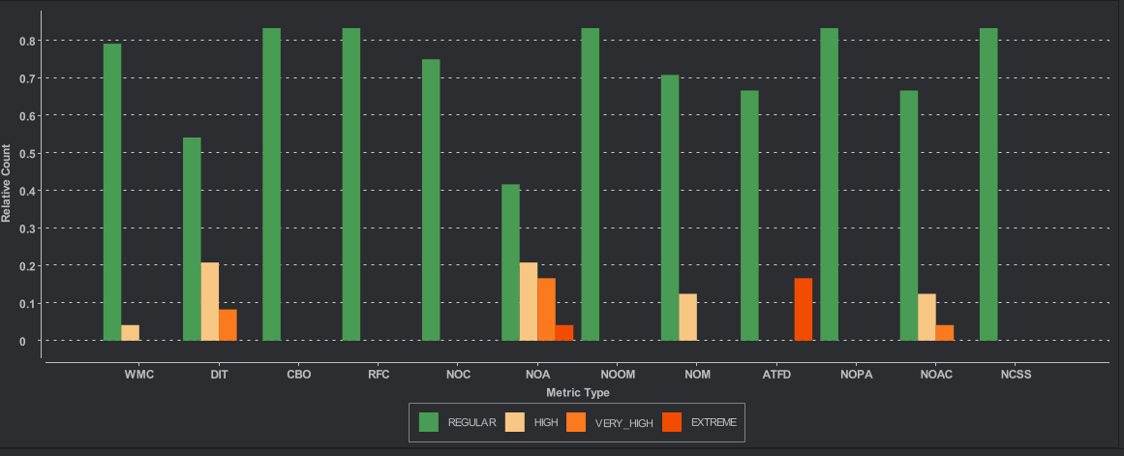
 | Comentários Figura 1:

 | A maioria das classes apresenta métricas em níveis Regulares, indicando boa qualidade estrutural.
 | No entanto, há alguns casos de:

 | DIT alto → herança mais profunda, reduzindo a facilidade de manutenção
 | NOA e ATFD elevados → possível quebra de encapsulamento (Feature Envy)

 | Conclusão: O projeto está estável, mas existem sinais iniciais de aumento de complexidade que devem ser monitorizados.

 | Comentários Figura 2:

 | O principal problema identificado é a presença de métodos longos (8 classes afetadas).

 | Foram ainda detectados casos de:
 | Acoplamento excessivo
 | Feature Envy
 | Classe com muitos métodos/atributos
 | Método com lista grande de parâmetros

 | Conclusão: Há risco crescente de baixa manutenibilidade se métodos e classes não forem melhor modularizados.

Figura 1

Figura 2

