Sheet1
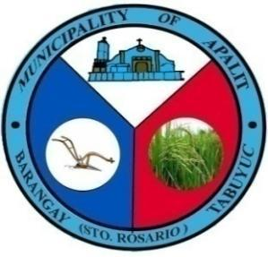

 | Republic of the Philippines
 | Province of Pampanga
 | MUNICIPALITY OF APALIT
 | BARANGAY TABUYUC (Sto. Rosario)
 | OFFICE OF THE PUNONG BARANGAY

CERTIFICATE OF INDIGENCY

TO WHOM IT MAY CONCERN:

This is to Certify that John Da Doe , 29 yrs. old, born on April 21, 1995, Married and is a bona fide resident of Divorced, Barangay Tabuyuc, Apalit, Pampanga. He/She is personally known to me and known to be of good moral character.

It is further certified that the above-named person belongs to the indigents and belongs to the low-income families in our barangay.

This Certificate of Indigency is being issued upon the request of the above-named individual for School

Issued this 22nd day of NOVEMBER, 2024 at the Office of Punong Barangay Tabuyuc, Apalit, Pampanga.

*Not valid without dry seal

