Sheet1
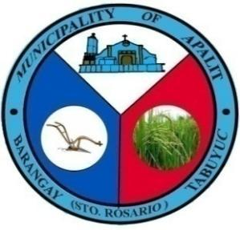
 | Republic of the Philippines
 | Province of Pampanga
 | MUNICIPALITY OF APALIT
 | BARANGAY TABUYUC (Sto. Rosario)
 | OFFICE OF THE PUNONG BARANGAY

OFFICE OF THE PUNONG BARANGAY

BARANGAY CLEARANCE
SANGGUNIANG BARANGAY HON. FEDERICO G. NABONG PUNONG BARANGAY BARANGAY KAGAWAD HON. VICTORIANO G. CUNANAN. Committee on Appropria tions Budget and Finance HON. LORENA N. BANAG Committee on Sports and Education HON. ORLANDO D. AGUSTIN JR. Committee on Public Works HON. ARNOLD P. GAMBOA Committee on Peace and Order HON. DENNIS O. VERGARA Committee on Health and Environment HON. MANUEL G. NABONG Committee on Agriculture HON. BERNARDO N. MUTUC JR. Committee on Ways and Means MR. JULIUS N. MANLAPAZ Barangay Treasurer MRS. MARY ROSE M. TOLENTINO Barangay Secretary

 |  | TO WHOM IT MAY CONCERN:

 |  | This is to certify that ELLAMAE CARIÑO BOMBITA, 23 years old, born on MAY 01, 2001, MARRIED whose signature and right thumb mark appears is here under is a bonafide resident of this Barangay with postal address at SITIO ALAULI, Tabuyuc, Apalit, Pampanga.

 |  | This is to certify further that the subject person has NO DEROGATORY RECORD nor any pending case filed against him/her in the Lupon Tagapamayapa of this Barangay to date.

 |  | THIS CERTIFICATION is being issued upon the request of the above-named individual for any legal purposes

 |  | This Barangay Clearance is being issued upon the request of the above-named individual for MOTORCYCLE LOAN.

 |  | Given and signed this 3rd day of September, 2024 at the office of Punong Barangay Tabuyuc, Apalit, Pampanga.

 |  | *Not valid without dry seal

 |  |  |  | Right thumb mark

 |  | ____________________________

 |  |  | Signature over printed Name
CTC NO.: 15356751
O.R NO.: 6283886
Control #: 24-TBYAP-08719

