Sheet1
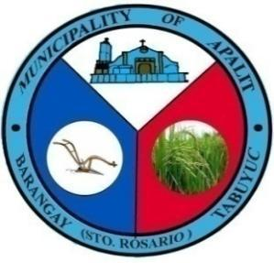

 | Republic of the Philippines
 | Province of Pampanga
 | MUNICIPALITY OF APALIT
 | BARANGAY TABUYUC (Sto. Rosario)
 | OFFICE OF THE PUNONG BARANGAY

CERTIFICATE OF INDIGENCY

TO WHOM IT MAY CONCERN:

This is to Certify that CHRISTINE ANN CABRERA ALCAZAR , 20 yrs. old, born on JUNE 11, 2004, SINGLE and is a bona fide resident of PUROK 4, Barangay Tabuyuc, Apalit, Pampanga. He/She is personally known to me and known to be of good moral character.

IT IS FURTHER CERTIFIED that the above-named person belongs to the indigents and belongs to the low-income families in our barangay.

This Certificate of Indigency is being issued upon the request of the above-named individual for EDUCATIONAL ASSISTANCE.

Issued 3rd day of SEPTEMBER, 2024 at Office of the Punong Barangay Tabuyuc, Apalit, Pampanga.

*Not valid without dry seal

