Sheet1
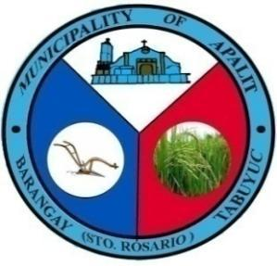

 | Republic of the Philippines
 | Province of Pampanga
 | MUNICIPALITY OF APALIT
 | BARANGAY TABUYUC (Sto. Rosario)
 | OFFICE OF THE PUNONG BARANGAY

BARANGAY CLEARANCE

SANGGUNIANG BARANGAY |  |  |  | name
 |  | To whom it may concern: |  | age | m status
HON. FEDERICO G. NABONG |  |  |  | bday
PUNONG BARANGAY |  |  |  | purok
 |  |  |  | record
BARANGAY KAGAWAD |  | This is to certify that TRISTAN JOHN G. NABONG, |  | purpose
 |  | years old, born on JULY 31, 2003,MARRIED |  | date today
HON. VICTORIANO G. CUNANAN |  | whose signature and right thumb mark appears
Committee on Appropriations Budget and Finance |  | here under is a bonafide resident of this Barangay, with postal
 |  | address at PUROK 5, Tabuyuc (Sto.Rosario), Apalit, Pampanga.
HON. LORENA N. BANAG
Committee on Sports & Education
 |  | This is to certify further that the subject person
HON. ORLANDO D. AGUSTIN JR. |  | has NO DEROGATORY RECORD nor any pending case filed against
Committee on Public Works |  | him/her in the Lupon Tagapamayapa of this Barangay to date.

HON. ARNOLD P. GAMBOA |  | This Barangay Clearance is being issued upon
Committee on Peace and Order |  | the request of the above-named individual for
 |  | MOTORCYCLE LOAN.
HON. DENNIS O. VERGARA
Committee on Health and Environment |  | Given and signed this 3rd day of September, 2024 at
 |  | the office of Punong Barangay Tabuyuc, Apalit, Pampanga.
HON. MANUEL G. NABONG
Committee on Agriculture

HON. BERNARDO N. MUTUC JR.
Committee on Ways & Means

MR. JULIUS N. MANLAPAZ
Barangay Treasure
 |  | CTC NO.: 15356751
MRS. MARY ROSE M. TOLENTINO |  | O.R NO.: 6283886
Barangay Secretary |  | Control #: 24-TBYAP-08719

____________________________

 |  |  | Signature over printed Name

