Sheet1
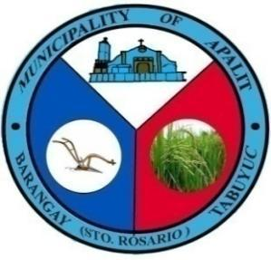
 | Republic of the Philippines
 | Province of Pampanga
 | MUNICIPALITY OF APALIT
 | BARANGAY TABUYUC (Sto. Rosario)
 | OFFICE OF THE PUNONG BARANGAY

OFFICE OF THE PUNONG BARANGAY

CERTIFICATE OF RESIDENCY
SANGGUNIANG BARANGAY HON. FEDERICO G. NABONG PUNONG BARANGAY BARANGAY KAGAWAD HON. VICTORIANO G. CUNANAN. Committee on Appropria tions Budget and Finance HON. LORENA N. BANAG Committee on Sports and Education HON. ORLANDO D. AGUSTIN JR. Committee on Public Works HON. ARNOLD P. GAMBOA Committee on Peace and Order HON. DENNIS O. VERGARA Committee on Health and Environment HON. MANUEL G. NABONG Committee on Agriculture HON. BERNARDO N. MUTUC JR. Committee on Ways and Means MR. JULIUS N. MANLAPAZ Barangay Treasurer MRS. MARY ROSE M. TOLENTINO Barangay Secretary

 |  | TO WHOM IT MAY CONCERN:

 |  | This is to certify that ELLAMAE CARIÑO BOMBITA, 23 years old, born on MAY 01, 2001, MARRIED is a bonafide resident of this Barangay with postal address at SITIO ALAULI, Tabuyuc, Apalit, Pampanga.

 |  | IT IS FURTHER CERTIFIED that the subject person has been a resident of this Barangay since birth up to the present.

 |  | THIS CERTIFICATION is being issued upon the request of the above-named individual for any legal purposes

 |  | ISSUED THIS 09th day of OCTOBER, 2024 at the Office of the Punong Barangay Tabuyuc, Apalit, Pampanga.

 |  | *Not valid without dry seal

