DATA GUIDANCE
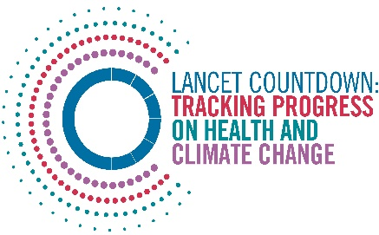
Lancet Countdown Report Data
Report | The 2024 report of the Lancet Countdown on health and climate change: facing record-breaking threats from delayed action
Indicator | Indicator 2.3.1 Vulnerability to Severe Mosquito-Borne Disease
Indicator Authors | Prof Jan C. Semenza, Dr Yasna Palmeiro Silva

1. Report Key Findings
The Very High HDI country group was the only group in which vulnerability to severe Aedes-borne disease increased between 1990-1999 and 2014-2023, with a 5.4% rise.

2.1 Indicator Description
This indicator captures relative vulnerability to severe dengue by combining increased susceptibility from urbanisation, and coping capacity from improved health-care access and quality. Caveats: HCAQ values have been updated from 2020 to 2023 by linearly extrapolating yearly estimates from 2019 data from the Global Burden of Disease Study 2019. The indicator is extrapolated to country level, no estimations at subnational level to differentiate vulnerability between rural and urban settings have been done. This extrapolation does not consider COVID-19 effect on communicable diseases.

2.2 Data Licence
 |  | This data, and associated data visualisations, are provided at no-cost under a Creative Commons Attribution-Non Commercial-Share Alike License (CC BY-NC-SA 4.0). Before you use the data contained within this spreadsheet, you must ensure that you fully understand the terms and conditions of this license by reviewing the description at https://creativecommons.org/licenses/by-nc-sa/4.0/ Lancet Countdown, and associated indicator authors, expect attribution for any of its databases in accordance with good scientific practice. In particular, under CC BY-NC-SA: Attribution — You must give appropriate credit, provide a link to the license, and indicate if changes were made. You may do so in any reasonable manner, but not in any way that suggests the licensor endorses you or your use. Non Commercial — You may not use the material for commercial purposes. Share Alike — If you remix, transform, or build upon the material, you must distribute your contributions under the same license as the original. No additional restrictions — You may not apply legal terms or technological measures that legally restrict others from doing anything the license permits. For further information, please contact Marina Romanello: m.romanello@ucl.ac.uk

2.3 Contributing Datasources
The data produced by third parties and made available by Lancet Countdown is subject to the license terms from the original third-party authors. We will always indicate the original source of the data in our documentation, so you should always check the license of any such third-party data before use and redistribution: 1. Global Burden of Disease Study 2019 Reference Life Table, 2022. Institute for Health Metrics and Evaluation. 2. Urban Population. World Development Indicators, World Bank Group.

2.4 Description of the Columns in the '2024 Report Data' Worksheet
Column |  | Column Header | Units | Description
A |  | ISO3 Code |  | Country three-letter ISO identification code
B |  | Country Name |  | Country name
C |  | WHO Region |  | World Health Organisation region
D |  | HDI Level |  | 2021 HDI Classification
E |  | Year |  | Year (from 1990 to 2023)
F |  | Percentage Urban Population | % | Percentage of population living in urban area
G |  | Percentage Deaths from Communicable Diseases | % | Percentage of deaths due to communicable diseases
H |  | Vulnerability Index - Scaled | index | Vulnerability index scaled from 0 to 100

3. Suggested Citation
Romanello M, Walawender M, Hsu SC et al. The 2024 report of the Lancet Countdown on health and climate change: Facing record-breaking threats from delayed action. Lancet 2024; published online October 2024. https://doi.org/10.1016/S0140-6736(24)01822-1.

