Sheet1
变量标识符 | 地址

CH0 | 0x1000-0x17FF
CH1 | 0x1800-0x1FFF
CH2 | 0x2000-0x27FF
CH3 | 0x2800-0x2FFF
CH4 | 0x3000-0x37FF
CH5 | 0x3800-0x3FFF
CH0_*SP | 0x8000
CH1_*SP | 0x8100
CH2_*SP | 0x8200
CH3_*SP | 0x8300
CH4_*SP | 0x8400
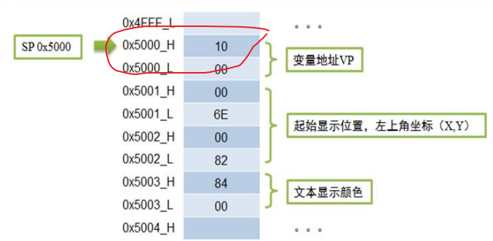
CH5_*SP | 0x8500

T0_ON | 0x4000
T0_OFF | 0x4004
T1_ON | 0x4008
T1_OFF | 0x400C
T2_ON | 0x4010
T2_OFF | 0x4014
T3_ON | 0x4018
T3_OFF | 0x401C
T4_ON | 0x4020
T4_OFF | 0x4024
T5_ON | 0x4028
T5_OFF | 0x402C | 变量描述指针不能使用：0x9000-0x9FFF段

历史数据记录 |  | 历史数据记录描述指针
T0_A1 | 0x4030 | T0_A1 | 0x9000
T0_B1 | 0x4034 | T0_B1 | 0x9010
T0_A2 | 0x4038 | T0_A2 | 0x9020
T0_B2 | 0x403C | T0_B2 | 0x9030
T0_A3 | 0x4040 | T0_A3 | 0x9040
T0_B3 | 0x4044 | T0_B3 | 0x9050
T0_A4 | 0x4048 | T0_A4 | 0x9060
T0_B4 | 0x404C | T0_B4 | 0x9070
T0_A5 | 0x4050 | T0_A5 | 0x9080
T0_B5 | 0x4054 | T0_B5 | 0x9090

T1_A1 | 0x4058 | T1_A1 | 0x90A0
T1_B1 | 0x405C | T1_B1 | 0x90B0
T1_A2 | 0x4060 | T1_A2 | 0x90C0
T1_B2 | 0x4064 | T1_B2 | 0x90D0
T1_A3 | 0x4068 | T1_A3 | 0x90E0
T1_B3 | 0x406C | T1_B3 | 0x90F0
T1_A4 | 0x4070 | T1_A4 | 0x9100
T1_B4 | 0x4074 | T1_B4 | 0x9110
T1_A5 | 0x4078 | T1_A5 | 0x9120
T1_B5 | 0x407C | T1_B5 | 0x9130

T2_A1 | 0x4080 | T2_A1 | 0x9140
T2_B1 | 0x4084 | T2_B1 | 0x9150
T2_A2 | 0x4088 | T2_A2 | 0x9160
T2_B2 | 0x408C | T2_B2 | 0x9170
T2_A3 | 0x4090 | T2_A3 | 0x9180
T2_B3 | 0x4094 | T2_B3 | 0x9190
T2_A4 | 0x4098 | T2_A4 | 0x91A0
T2_B4 | 0x409C | T2_B4 | 0x91B0
T2_A5 | 0x40A0 | T2_A5 | 0x91C0
T2_B5 | 0x40A4 | T2_B5 | 0x91D0

T3_A1 | 0x40A8 | T3_A1 | 0x91E0
T3_B1 | 0x40AC | T3_B1 | 0x91F0
T3_A2 | 0x40B0 | T3_A2 | 0x9200
T3_B2 | 0x40B4 | T3_B2 | 0x9210
T3_A3 | 0x40B8 | T3_A3 | 0x9220
T3_B3 | 0x40BC | T3_B3 | 0x9230
T3_A4 | 0x40C0 | T3_A4 | 0x9240
T3_B4 | 0x40C4 | T3_B4 | 0x9250
T3_A5 | 0x40C8 | T3_A5 | 0x9260
T3_B5 | 0x40CC | T3_B5 | 0x9270

T4_A1 | 0x40D0 | T4_A1 | 0x9280
T4_B1 | 0x40D4 | T4_B1 | 0x9290
T4_A2 | 0x40D8 | T4_A2 | 0x92A0
T4_B2 | 0x40DC | T4_B2 | 0x92B0
T4_A3 | 0x40E0 | T4_A3 | 0x92C0
T4_B3 | 0x40E4 | T4_B3 | 0x92D0
T4_A4 | 0x40E8 | T4_A4 | 0x92E0
T4_B4 | 0x40CC | T4_B4 | 0x92F0
T4_A5 | 0x40F0 | T4_A5 | 0x9300
T4_B5 | 0x40F4 | T4_B5 | 0x9310

T5_A1 | 0x40F8 | T5_A1 | 0x9320
T5_B1 | 0x41FC | T5_B1 | 0x9330
T5_A2 | 0x4100 | T5_A2 | 0x9340
T5_B2 | 0x4104 | T5_B2 | 0x9350
T5_A3 | 0x4108 | T5_A3 | 0x9360
T5_B3 | 0x410C | T5_B3 | 0x9370
T5_A4 | 0x4110 | T5_A4 | 0x9380
T5_B4 | 0x4114 | T5_B4 | 0x9390
T5_A5 | 0x4118 | T5_A5 | 0x93A0
T5_B5 | 0x411C | T5_B5 | 0x93B0

shut down | 0x4120
reset | 0x4122
sure | 0x4124
电池电量显示 | 0x4126

_+110v | 0x4128
_-110v | 0x412C
电池电压 | 0x4130
CPU温度 | 0x4134

