Ki nach Upgrade
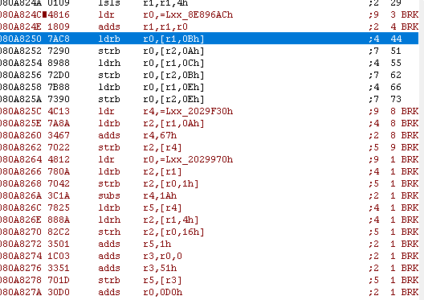
Load fight Level | Ki Meter
 | 020299c1 | Wert im Hexode | Was ich am liebsten Möchte | wert nach Items

Rampositionen
0202991A | 0202991a | 0202991b | 0202911E | 02029f97 | 02029971 | 02029974 | 02029987 | 020299c1
 | Stage | ??? (8) | ??? | AI | Own Character | Own Costume | Current own HP (Half Bars) | Own Ki Bars

HP_Bars Beat em Up | 02029f7C
Ki_Beat_Em_UP | 02029f7D

mov r0, #0x1 | 01 20
bl | 00 f0 95 f9 | Function Check Item mit 01
21 78
09 18 |  |  |  | Own Character |  | Own Costume |  | HP_Änderung bei |  | Ki Änderung
21 70 |  |  |  | 080A8268 |  | 080A826C |  | 080A8270 |  | 080A8278
 |  | 50
 | 02029F30 | F80 |  |  |  |  | 0 | 1 | 2 | 3 | 4 | 5 | 6 | 7 | 8 | 9 | A
 | 02029F7C
 |  | 02029f97 | 02029F7C |  |  |  | A | B | C | D | E | F | 0 | 1 | 2 | 3 | 4
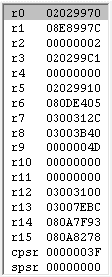
080A8278
080A8272 |  |  |  |  |  |  |  | Abhauen zu:
3A18C0 Wäre platz

Item Dinge
 |  |  | Funktion für KI
 |  | R2 wird als KI genommen | R2 wird gesetzt

270 original

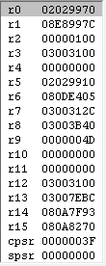
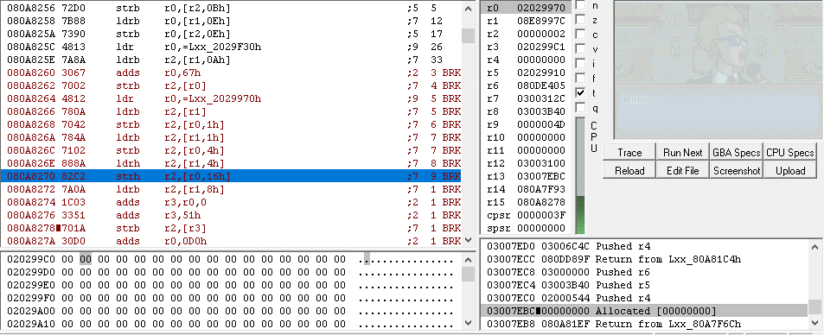
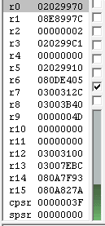
 |  |  |  |  |  |  |  |  |  |  |  |  | Platz von | bis | 27A
 |  |  |  |  |  |  |  |  |  |  |  |  | 080A826A | 080A827A

 |  |  |  |  |  |  |  |  |  |  |  |  | was muss passieren?
 |  |  |  |  |  |  |  |  |  |  |  |  | ldr HP
 |  |  |  |  |  |  |  |  |  |  |  |  | HP +1
 |  |  |  |  |  |  |  |  |  |  |  |  | Schreib HP
 |  |  |  |  |  |  |  |  |  |  |  |  | Ldr Ki
 |  |  |  |  |  |  |  |  |  |  |  |  | Ki + 1
 |  |  |  |  |  |  |  |  |  |  |  |  | Schreib KI
 |  |  |  |  |  |  |  |  |  |  |  |  | Aufräumen

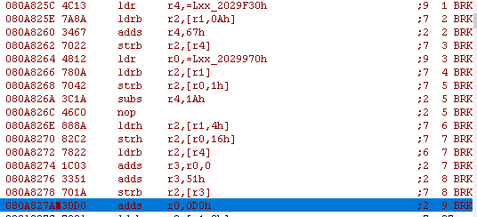
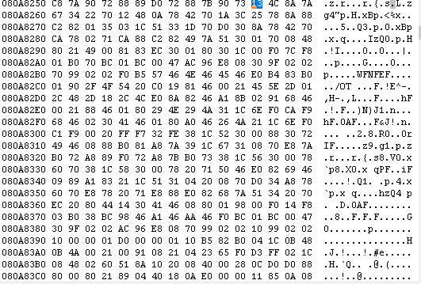

13 4C
8A 7A
67 34
22 70
12 48

08A825C
13 4C 8A 7A 67 34 22 70 12 48 0A 78 42 70 1A 3C C0 46

08A8272
22 78

