工作表2
数据集信息：train.json | 统计query长度平均值：9.258471074380166, 最大值：42 统计answer长度平均值：5.4951101928374655, 最大值：110 统计doc长度平均值：282.2969696969697, 最大值：1881

https://github.com/brightmart/roberta_zh |  | 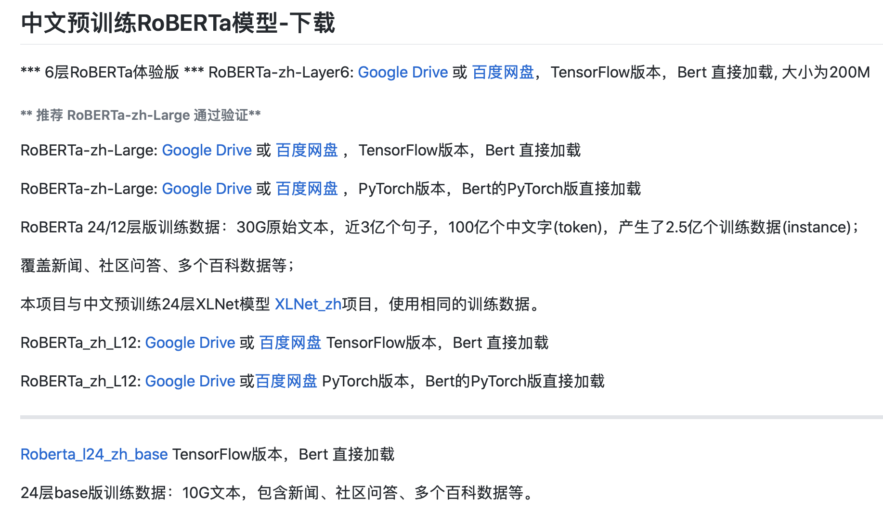
https://github.com/ymcui/Chinese-BERT-wwm |  |  | 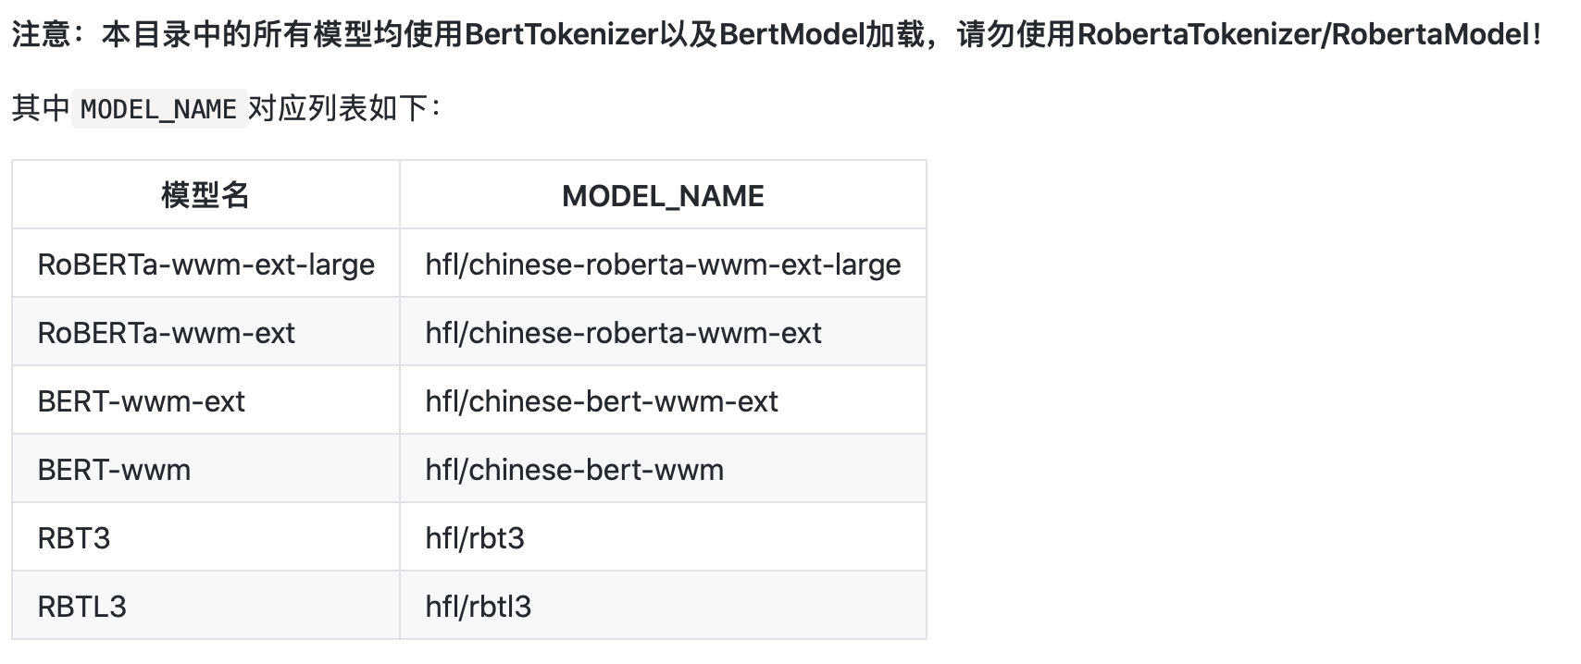
https://github.com/brightmart/albert_zh | 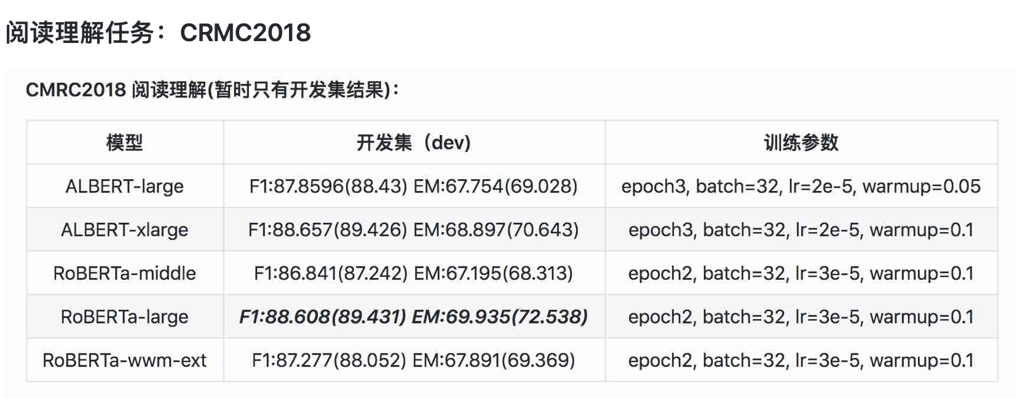 | 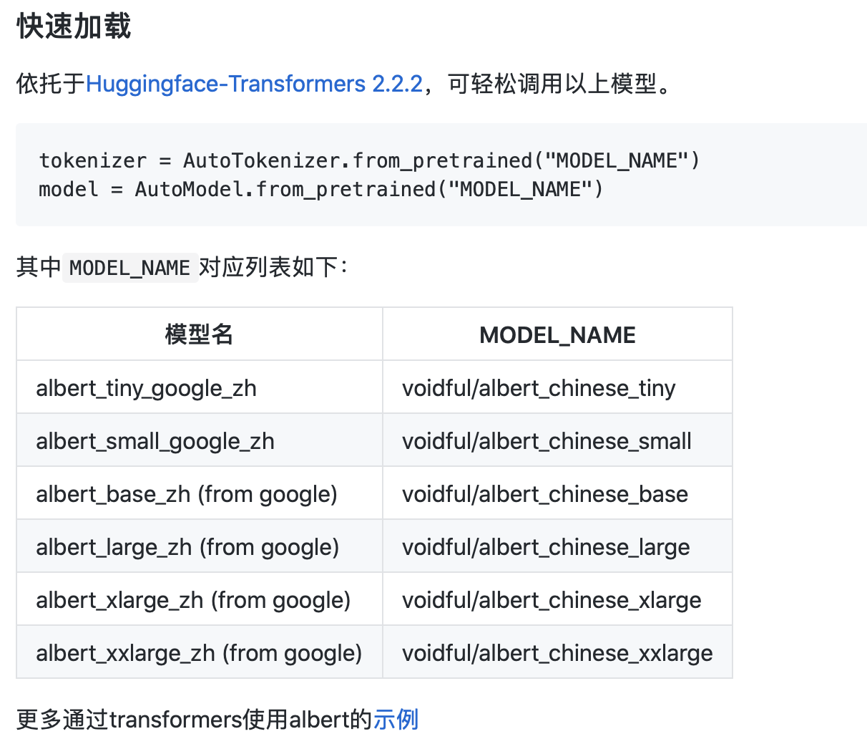
https://github.com/chineseGLUE/chineseGLUE | 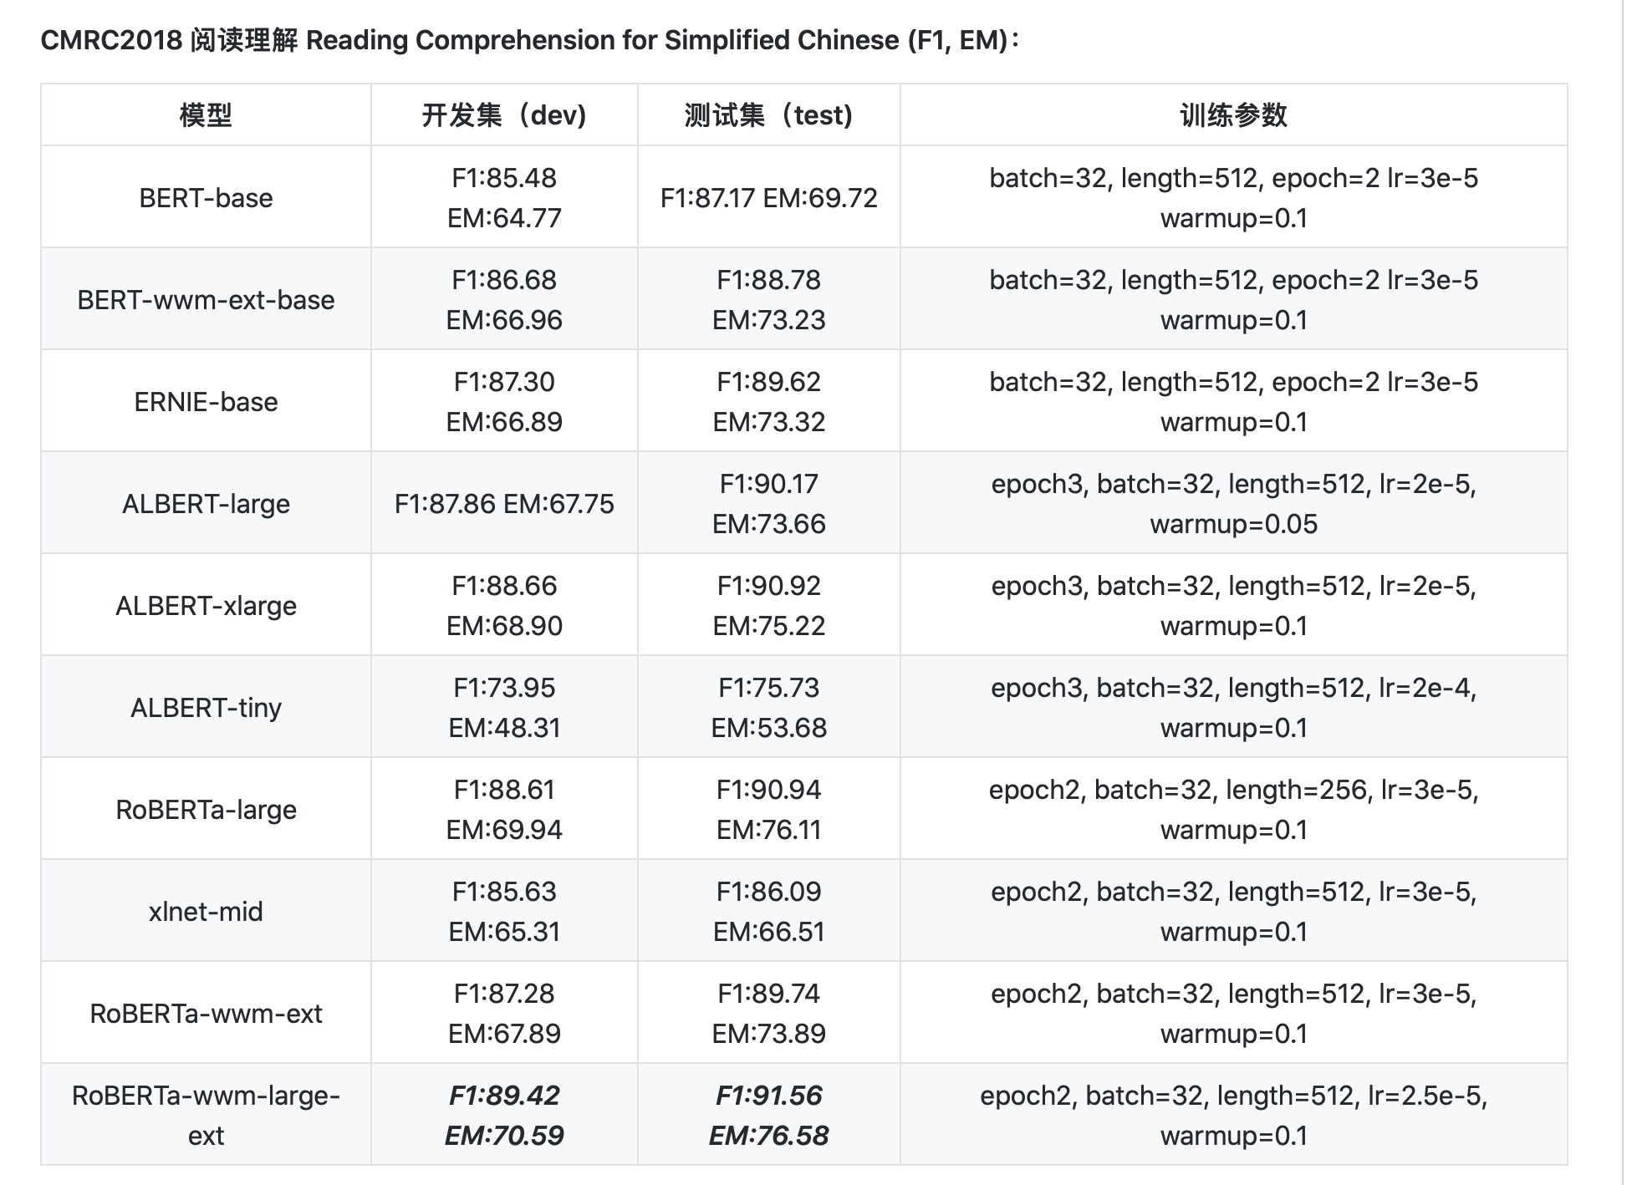

https://hfl-rc.github.io/cmrc2018/open_challenge/ | CMRC2018榜单

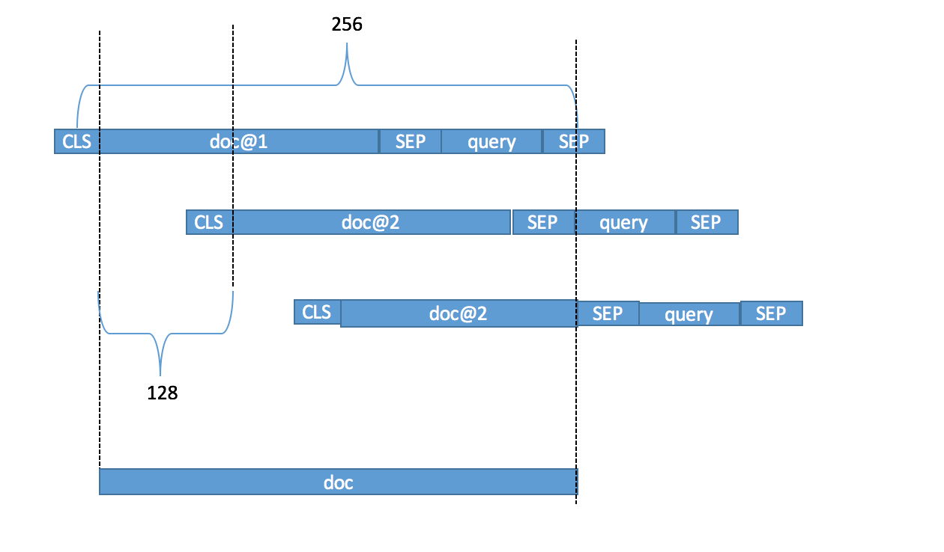 doc_stride原理图

