Outcomes Based on Launch Date
Category | theater
Years | (All)

Count of outcomes | Column Labels
Row Labels | canceled | failed | successful | Grand Total
Jan | 7 | 33 | 56 | 96
Feb | 3 | 39 | 71 | 113
Mar | 3 | 33 | 56 | 92
Apr | 2 | 40 | 71 | 113
May | 3 | 52 | 111 | 166
Jun | 4 | 49 | 100 | 153
Jul | 1 | 50 | 87 | 138
Aug | 4 | 47 | 72 | 123
Sep | 4 | 34 | 59 | 97
Oct |  | 50 | 65 | 115
Nov | 3 | 31 | 54 | 88
Dec | 3 | 35 | 37 | 75
Grand Total | 37 | 493 | 839 | 1369

PNG
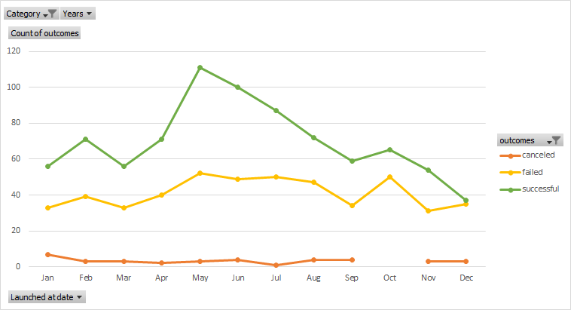

 | canceled | failed | successful
Jan | 7 | 33 | 56
Feb | 3 | 39 | 71
Mar | 3 | 33 | 56
Apr | 2 | 40 | 71
May | 3 | 52 | 111
Jun | 4 | 49 | 100
Jul | 1 | 50 | 87
Aug | 4 | 47 | 72
Sep | 4 | 34 | 59
Oct |  | 50 | 65
Nov | 3 | 31 | 54
Dec | 3 | 35 | 37
Ediable
Pivot

Outcomes Based on Goals.
Goal | Number Successful | Number Failed | Number Canceled | Total Projects | Percentage Successful | Percentage Failed | Percentage Canceled
Less than 1000 | 141 | 45 | 0 | 186 | 75.806451613 | 24.193548387 | 0
1000 to 4999 | 388 | 146 | 0 | 534 | 72.65917603 | 27.34082397 | 0
5000 to 9999 | 93 | 76 | 0 | 169 | 55.029585799 | 44.970414201 | 0
10000 to 14999 | 39 | 33 | 0 | 72 | 54.166666667 | 45.833333333 | 0
15000 to 19999 | 12 | 12 | 0 | 24 | 50 | 50 | 0
20000 to 24999 | 9 | 11 | 0 | 20 | 45 | 55 | 0
25000 to 29999 | 1 | 4 | 0 | 5 | 20 | 80 | 0
30000 to 34999 | 3 | 8 | 0 | 11 | 27.272727273 | 72.727272727 | 0
35000 to 39999 | 4 | 2 | 0 | 6 | 66.666666667 | 33.333333333 | 0
40000 to 44999 | 2 | 1 | 0 | 3 | 66.666666667 | 33.333333333 | 0
45000 to 49999 | 0 | 1 | 0 | 1 | 0 | 100 | 0
Greater than 50000 | 2 | 14 | 0 | 16 | 12.5 | 87.5 | 0

PNG

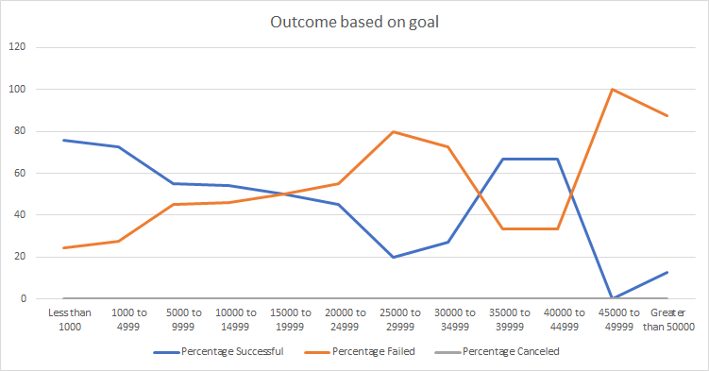

Editable
Outcome based on goal

Analysis
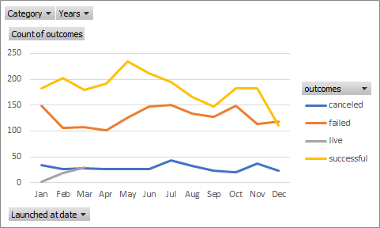
1 | For Kickstarter, the later years show more campaigns than the earlier years. When compared data prior to 2014 with data from 2014 till 2017, it looks like there. where 4 times more campaigns that started between 2014 and 2020. Though the success rate for prior campaigns is 75% where as between 2014 to 2017 is less than 50%
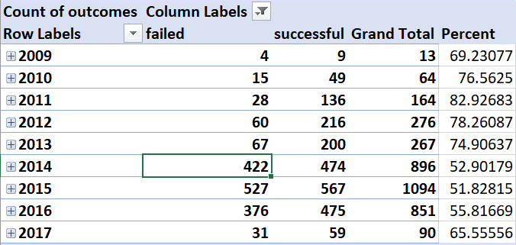
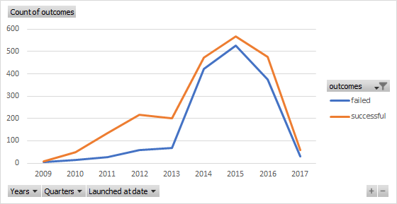

2 | Though Theater has most amount of campaigns in all the parent categories, Music is the most successful parent category. There is 37% failure on theater where as there is only 18% failure rate in music category

3 | Theater is the most prevalent (Strong) category, which leads the outcome in Kickstarters from May to July. However, if the Theater category is removed, Febuary has the highest number of Kickstarters.

 | Without Theater
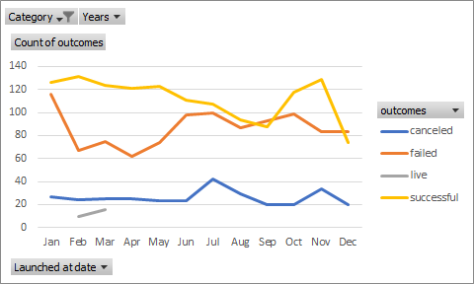

 | With Theater

