Etacha
List of b-n |  | N~ in bottleneck | initial line | start/found | solution | kind | verified Arjun | verified by Oleg | optimization results
1 | file | #1 |  | 2024-12-14 | 2024-12-31 | loop optimization | 2025-01-05 |  | consumption decreaased
 |  |  |  |  |  | new algorithm | the same results

for each case create page in power point

Oleg
I'll create github branch in LISE git
folder Test |  |  |  |  |  |  |  |  | Test1
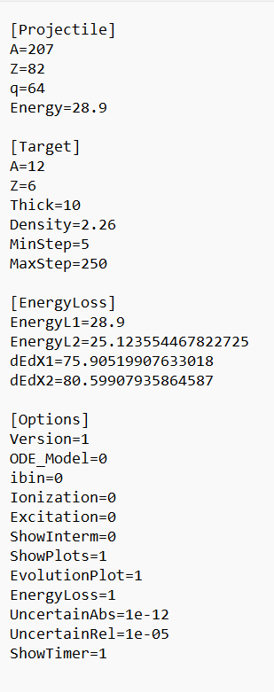
Arjun |  |  |  |  | create default file --timer on, I.output off, specail settings
timer for Global for ETACHA |  |  |  |  | 10 mg/cm2
folder Test | excel-file LISt of buttlenecks
 | ppt link or printscreen on this excel file
 | ppt- page for bottleneck details |  |  | Calculate-End of CS
 |  |  |  | Integration - Start-Finish
default
v.3 |  |  |  | two results in one window
no Itnermediate output
 |  |  |  | option use/not use parallelization

 |  |  |  |  |  | physics

 |  |  | double timer
 |  |  | CS calcultions
 |  |  | Integration

