Sheet1
TPO1-2

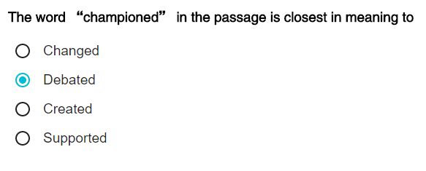

 |  |  | The meaning of speculation

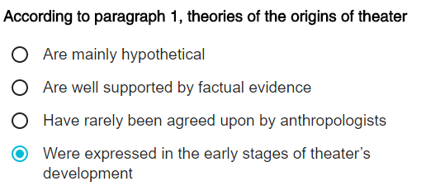

建立的是某种行为和对超自然力量的联系，某种行为就是rituals

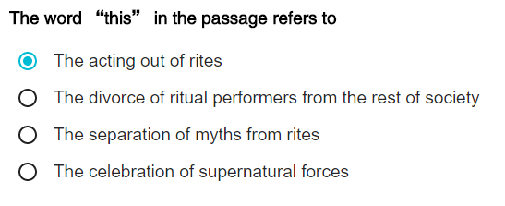
But the myths that ...... divorced from these tites |  | 不该错！！！

没有说better understand

championed | supported
penchant | inclination
envision | imagine
impersonation | 扮演 模仿
pantomimic | 哑剧
virtuosity | 精湛技巧
antecedent | 先驱
deviation | 背道而驰的行为

