task2
简述阅读主题：抓住对比因果； 阐明学生立场：男女不要说错； 学生理由1 ：尽量详尽； 学生理由2 ：尽量详尽

The university is considering building a new athletic stadium. Read the article in the student newspaper. You will have 45 seconds to read the article. Begin reading now. | The university plans to spend 2 million dollars to build a new athletic stadium, to which will help attract more top students and strengthen the university's relationship with the town. The woman in the conversation disagrees with the plan. First, she thinks that top students care more about other conditions on this campus. For example, the equipment in the science laboratories is too old and outdated; the library needs to have more books; and the student center is so small that it could get bigger. Spending the 2 million dollars on these conditions may have a better effect. Second, the woman points out that the plan won't help improve the relationship. People in the town don't really come to the games because the team always loses games. Therefore, they may not come just because the stadium is getting bigger. | The university plans to The woman/women/ in the conversation disagrees with the plan. to = which will help First, she thinks that... Second, the woman points out that | 

New Stadium A university official announced plans to spend $2 million to build a new stadium, commenting that a new stadium would help the university achieve its goal of attracting more top students. The official also said that, additionally, building a new stadium would allow the university to strengthen its relationship with the town since a new and larger stadium would have the space to seat not only students, parents, and alumni, but members of the local community as well.
Question The woman expresses her opinion about the university’s plan. State her opinion and explain the reasons she gives for holding that opinion.

task 3
先读一篇学术短文，短文简要介绍一个学科概念或现象（约45-50秒内读完）； 然后听一个讲座：教授提供例证，解释短文中的学科主题； 讲座结束，题目要求复述学科概念和讲座要点。准备时间30秒，答题时间60秒。
1. 短文记录：短文通常是：先介绍概念，再拓展说明。短文只需了解概念，不用什么细节都记，讲座细节才是重点 。 2. 讲座记录：讲座是对短文做拓展解释，教授会提供例证，帮助理解学科概念；听力优先关注“对比因果逻辑”，尽全力记下例证细节。 3. 组织答案： （1）先用15-20秒：简述学科概念。 （2）再用3-5秒：说明教授提供解释。 （3）最后不少于30秒：补充教授的例证，尽快进入细节。 | 难点在于确定Reading的解释；专有名词不用记，question会给 以及听力时注意对比
You have 45 seconds to read a passage. Begin reading now | The professor talks about perceptual constancy, which is when an object viewed from a different angle presents a different shape to our eye, but we can still recognize when the angle changes. 【简述学科概念：无需阐述细节】 In the lecture, the professor provides two examples to explain the concept. 【说明教授解释：一句话不要多】 First, if we hold a round plate directly in front of our face and look at it, it’s a perfect circle. If we tilt the plate horizontally, it’s stretched out and is no longer a perfect circle. However, we will perceive that it is still the same. 【例证细节1：尽量详尽】 Second, in a large classroom, the professor appears relatively big when a student sits in the front row. But the professor will look smaller if the student sits in the back rows tomorrow. Although the professor looks different, the student still knows that it’s the same professor with the same size. 【例证细节2 ：尽量详尽】 | The professor talks about In the lecture, the professor provides two examples to explain the concept | 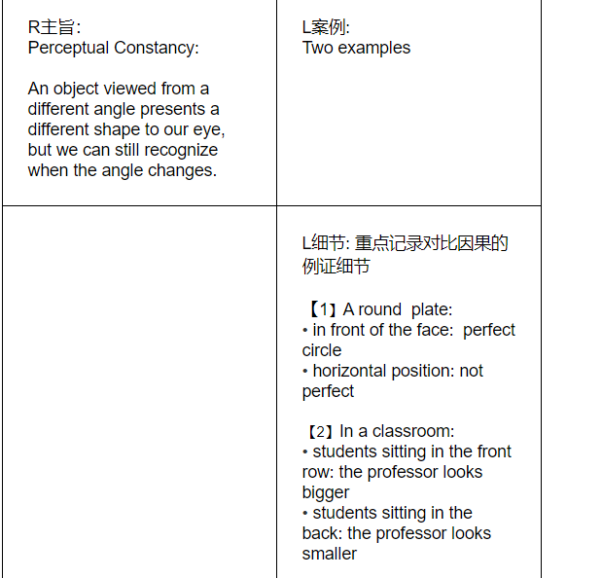
Perceptual Constancy How an object affects our senses depends in part on external conditions, and these conditions are always changing. An object viewed from one angle presents a different shape to our eye than when viewed from another angle; similarity, as the distance from which we view an object changes, the object will appear larger or smaller. In spite of this, even as conditions change and we see objects differently, we still recognize that they remain the same. This is what is known as perceptual constancy. If not for perceptual constancy, we might have difficulty recognizing familiar objects if we viewed them in a new and different context.
Question Explain what is meant by perceptual constancy using the examples provided by the professor.
Let's take an everyday example: an ordinary round plate like you'd find in a kitchen. If you hold the plate directly in front of your face and look at it, what shape do you see? A perfect circle, right? Suppose you tilt the plate to a different angle, to a horizontal position, like you're planning to put food on it; still a perfect circle? No! The circle is now stretched out, flattened into an oval. Do you conclude the plate had actually changed shape? Or that it's a different object, not the same plate? Of course not! It looks different, but we perceive it as still being the same. Here's a different example. This classroom we're in. It's fairly large, right? Now, from up close, from the front row, I appear to be relatively big, bigger than if you're in the last row, right? But let's say you're sitting in the front row today, but tomorrow you're sitting in the back row. From back there, I'm going to look smaller, but you don't think I've actually gotten smaller. You don't think you're seeing a different professor, a guy who looks like me, except he's smaller. No matter where you are, up close or far away, you understand, without even thinking about it, that I'm the same size, the same person. | 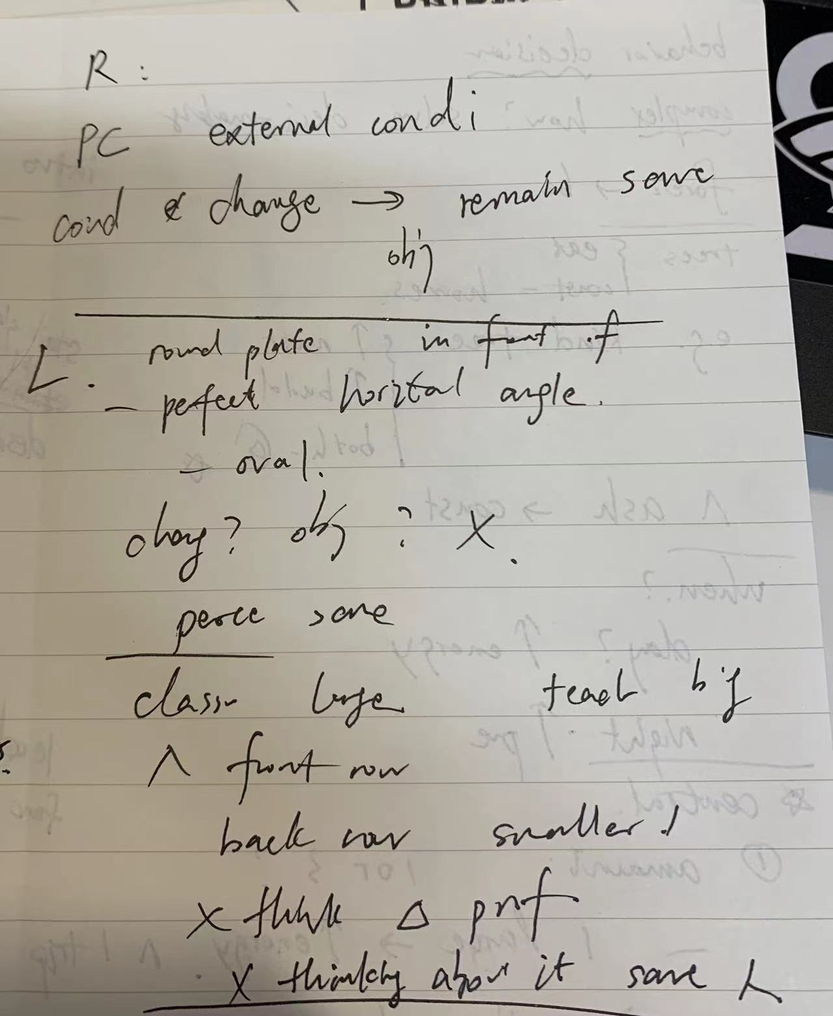

You have 45 seconds to read a passage. Begin reading now | In the lecture, the professor talks about comfort zone bias, which is when people prefer to remain in comfortable and familiar situations because of a natural preference for what we already know and risk aversion. For example, a professor's friend was a film major and had always dreamed of becoming a film reviewer. But he couldn't get that job and became a news reporter instead. After a few years, he gradually adjusted and eventually realized he could become a good reporter. Therefore, when there was an opportunity to become a film reviewer afterward, he rejected it. He was used to his present job and didn't want to try anything else. He preferred to stay in his comfort zone and didn't want to take the risk of not working out the new one, even if it was once his dream job. |  | 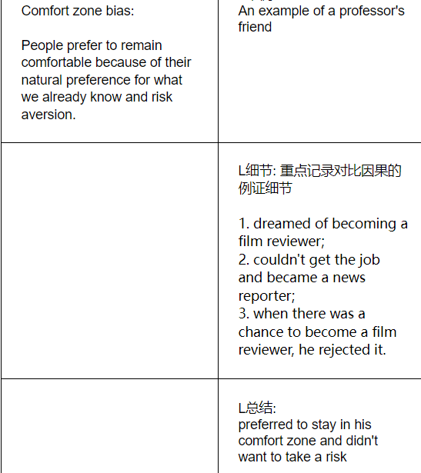
Comfort Zone Bias Psychologists have found that when people make important decisions, they often choose to stay in their “comfort zones.” That is, they prefer remaining in comfortable, familiar situations rather than entering into new, unfamiliar ones. This tendency is often referred to as the comfort zone bias. When people are reasonably content, they often decide not to pursue a new opportunity, even if it attracts them and offers more advantages. Psychologists believe that the comfort zone bias exists not only because we have a natural preference for what we already know but also because we want to avoid taking risks.
Question Using the example from the lecture, explain the comport zone bias.
OK, so this comes up a lot when people make career decisions. A friend of mine from college always wanted to be a film reviewer. He was a film major, and he loved movies. Most of all, he loved to write about movies. So, when he graduated, he looked for a job as a film reviewer for a newspaper because, as a film reviewer, he gets to see films for free and would be paid to write about them. That’s what he loved! But he couldn’t find a job as a film reviewer. So, he took a position as a news reporter instead for a newspaper, investigating stories, writing about events, and what news reporters do. Now, at first, my friend wasn’t sure if he’d be any good at this. He’d never been a news reporter before. But eventually, he adjusted and gained confidence, and he got used to the job. And he realized he was actually a pretty good reporter. Anyway, here’s the thing: after a few years, the film reviewer for the newspaper where he worked quit, and my friend was offered her job. This was his dream, right? Here’s the opportunity to be a film reviewer had finally come! And the new job would actually pay more, too. But did he take the job? Nope! He turned it down. He told me he’d gotten used to being a news reporter, and he just didn’t want to try something else. It seemed like too big a change since, well, there was a chance the new job might not work out.

task 4
先听一段小讲座，两分钟左右。教授会介绍一个概念或现象，一般通过两个例子或方面深入解释。听力结束，题目要求概述讲座。准备时间20秒，答题时间60秒。
1. 讲座记录：先记录核心概念。教授一般会直接表明，比如：Today we'll talk about different ways in which oil painting is created. 然后记录例证细节，这是评分重点。 2. 组织答案： （1）先用8-12秒：概括讲座的核心概念。 （2）再用8-12秒：过渡句表述教授提供了例证，比如：The Professor gives examples to explain... （3）最后不少于30秒：转述教授的例证，尽快进入细节。
Question Using the examples of the Leafy Sea Dragon and the Cuttlefish, describe two kinds of camouflage and the benefits they provide.
Now, many sea animals, in order to hide from predators, have, over time, developed different kinds of camouflage to help them blend in with their environment and avoid detection by predators. Picture the surface of the sea floor. It’s as varied as the land we live on. It’s got peaks and valleys, vegetation, rocky areas, and some sea animals have developed permanent colors or shapes to resemble these environmental features. This camouflage helps to disguise them from predators by enabling them to blend into, uh, a specific part of the sea. For instance, take a kind of fish like the Leafy Sea Dragon. Well, the name says it all: it resembles a small green dragon with leaf-like protrusions sticking out like arms. Now, because of its colors and shapes, it blends in extremely well with green sea plants. So when the Leafy Sea Dragon is swimming through these plants, predators have trouble seeing it. But when it enters other environments without these green plants, its camouflage doesn’t work anymore. Now, other sea animals are difficult to spot anywhere in the sea because their type of camouflage enables them to change color. Take the Cuttlefish, a fish that is closely related to the squid and octopus. Unlike Leafy Sea Dragons, Cuttlefish have not developed any particular shape to hide from predators. But, uh, they have a lot more mobility because their camouflage allows them to blend into any environment because Cuttlefish have shifting pigments that allow them to change color in a matter of seconds, and, so they can almost instantaneously match the color of their surroundings. If they’re swimming by green sea plants, they’ll turn green. And if they’re swimming over the brown sea floor, they’ll turn brown. | The professor talks about two kinds of camouflage that sea animals use to blend in with the environment and avoid detection by predators.【核心概念】 The first kind is permanent. Some sea animals have developed permanent colors or shapes to resemble environmental features.【支持案例1】 For example, the Leafy Sea Dragon has leaf-like protrusions sticking out like arms. When it swims through green sea plants, the predators have trouble seeing it. However, if it is not with green plants, the camouflage doesn't work anymore.【例证细节1】 The second kind is temporary, which means that sea animals can change color according to the environment. 【支持案例2】 For example, the Cuttlefish has color-shifting pigments in its skin, so it can immediately match the color of its surroundings. When they're near green sea plants, they'll turn green. When they're over the brown seafloor, they'll turn brown.【例证细节2】 | 