AUM
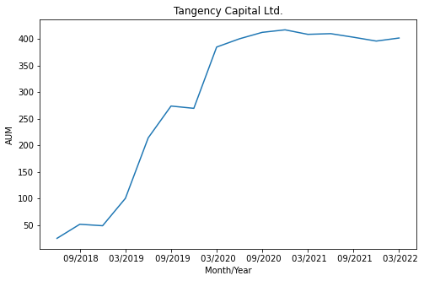
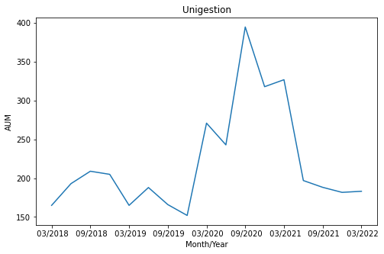
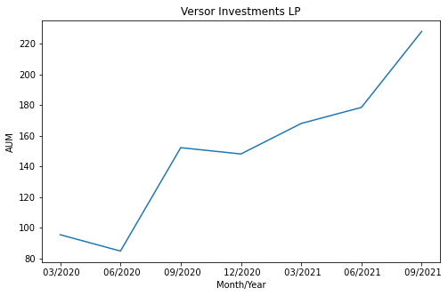
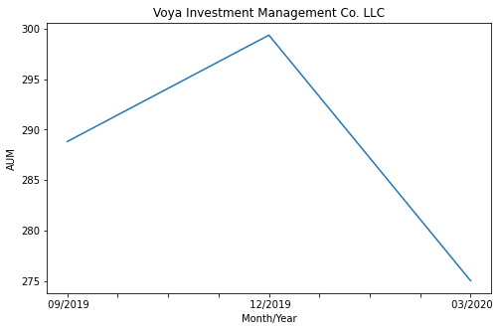
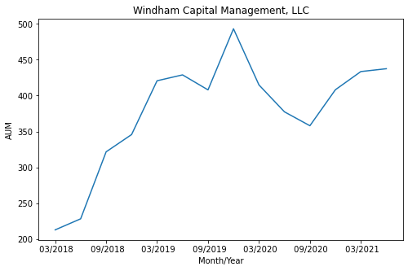
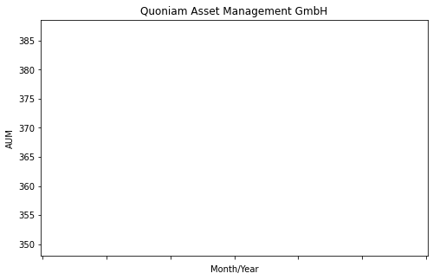
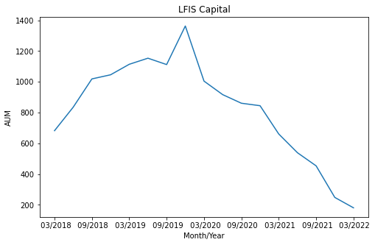
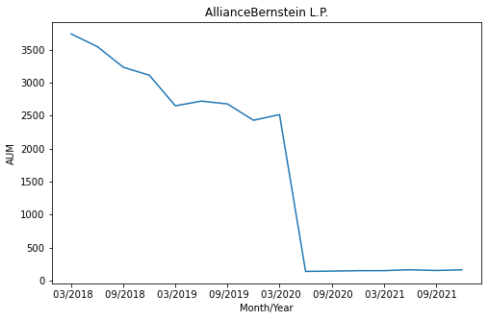
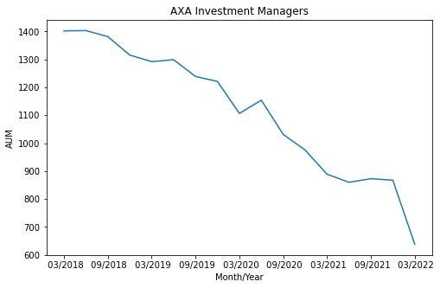
Firm Name | Product Name | Last Reported Date | AUM | 1Y | 3Y | Historical AUM
Man Group | Man Alternative Risk Premia Strategies SP | 12/2021 | 4648 | 15.4275% | 7.2572%
GAM Investments | GAM Systematic Alternative Risk Premia (4-8% Vol) | 03/2020 | 2618.47 | 2.9842% | 5.8343%
AllianceBernstein L.P. | AB Multi-Strategy Alternative | 09/2021 | 2263.22 | 1.4918% | 4.8755%
GAM Investments | GAM Systematic Alternative Risk Premia Plus (8-12% Vol) | 09/2021 | 1971 | 4.5694% | -4.9326%
HSBC Global Asset Management Limited | Multi Asset Style Factors (MASF) | 03/2022 | 1378.417579 | -5.5151% | 3.7174%
PIMCO | PIMCO Multi-Asset Alternative Risk Premia Fund | 03/2022 | 1282 | 20.7850% | 7.4317%
Systematica Investments | Systematica Alternative Risk Premia Fund Limited | 03/2022 | 1254 | 19.9404% | 7.3451%
Man Group | Man Diversified Risk Premia SP | 12/2021 | 1168 | 8.5444% | 19.0314%
J.P. Morgan Investment Management Inc. | JPM Diversified Risk | 03/2022 | 1019.48 | 11.5055% | -7.5497%
AXA Investment Managers | Chorus Multi Strategy | 03/2022 | 637.93 | 9.0421% | 15.9793%
Man Group | Man Alternative Style Risk Premia (UCITS) | 12/2021 | 484 | -5.4448% | -5.5579%
Windham Capital Management, LLC | Windham Risk Premia (Cayman) Master Fund Ltd. | 06/2021 | 437.5 | 2.8767% | -6.3817%
Tangency Capital Ltd. | Select Market Access Fund Ltd. | 03/2022 | 401.76 | -2.2087% | 4.2707%
Quoniam Asset Management GmbH | Global Risk Premia | 12/2020 | 368.28855 | -5.3998% | -9.6224%
Neuberger Berman Group LLC | NB Breton Hill Multi-Style Premia Master Fund, LP | 09/2020 | 365.6 | 8.1735% | -16.0669%
Voya Investment Management Co. LLC | Voya Enhanced Risk Premia | 03/2020 | 275.03 | 3.0564% | 6.3366%
Versor Investments LP | ARP Alternative Return Capture | 09/2021 | 227.94 | -6.5179%
LFIS Capital | LFIS Vision UCITS - Premia | 03/2022 | 211.3701205 | -10.8153% | -17.6085%
Unigestion | Unigestion Alternative Risk Premia – 8% Target Volatility | 03/2022 | 183.16 | 2.7329% | -10.0408%
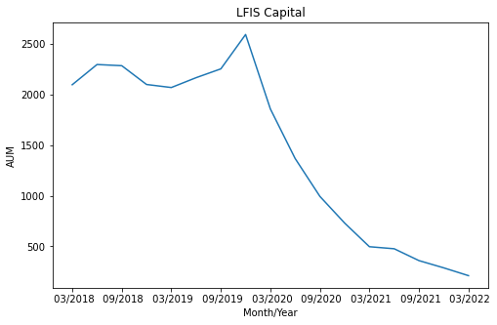
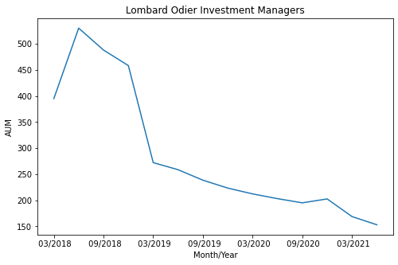
LFIS Capital | LFIS Vision - Premia Opportunities | 03/2022 | 180.605348 | -7.3952% | -31.4335%
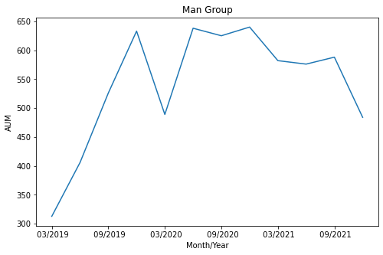
PIMCO | PIMCO Multi-Asset Alternative Risk Premia Strategy Risk Off Version LP Fund | 03/2022 | 177 | 18.4644%
Metzler Asset Management GmbH | Metzler Alternative Multi Strategy | 03/2022 | 165.1061335 | -14.0290% | -16.1876%
AllianceBernstein L.P. | AB Event Driven Alternative Risk Premia | 12/2021 | 163.29 | 1.6695% | 0.2351%
Lombard Odier Investment Managers | Commodities Risk Premia | 06/2021 | 153.04 | 38.2031% | 51.0418%
Allianz Global Investors | AllianzGI Multi Asset Risk Premia | 06/2021 | 83.43 | -0.5864% | 2.7982%
Lombard Odier Investment Managers | Commodities Risk Premia ex-Agri | 06/2021 | 73.36 | 47.3067% | 90.5279%
Fulcrum Asset Management | Fulcrum Risk Premia Fund (UCITS) | 03/2022 | 71 | 4.0406% | -5.1843%
Parametric Portfolio Associates LLC | Parametric Multi Asset Volatility Risk Premium | 03/2022 | 49.19 | -6.2375% | -11.0710%
CdR Capital | CdR Systematic Absolute Return Fund | 03/2022 | 28 | 1.0074% | 15.1641%
Bainbridge Partners LLP | LUX MULTIMANAGER SICAV - Bainbridge Equity Market Neutral | 03/2022 | 12.572945 | -5.4747% | -16.9130%
Franklin Resources, Inc. | Franklin Systematic Global Premia | 03/2020 | 10.06 | 43.4431% | -7.0979%
Unigestion | Unigestion Multi-Asset Trend Follower | 03/2022 | 4.87 | 11.1495% | 21.4374%
Enduring Investments | Enduring US Inflation Tracking Fund, LP | 03/2022 | 3.653
Franklin Resources, Inc. | Franklin Systematic Global Premia Constrained | 03/2020 | 3.14 | -1.2059% | -14.2340%
AQR Capital Management LLC | Style Premia Fund | 03/2020 | 0 | 28.5093% | 2.2106%
abrdn (Aberdeen) | Alternative Risk Premia | ---
AQR Capital Management LLC | AQR Liquid Enhanced Alternative Premia | --- |  | 43.6951% | -2.6924%
AQR Capital Management LLC | Diversified Market and Alternative Risk Premia Strategies | --- |  | 16.4087% | 25.6781%
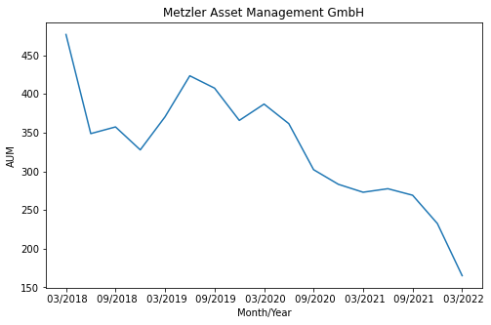
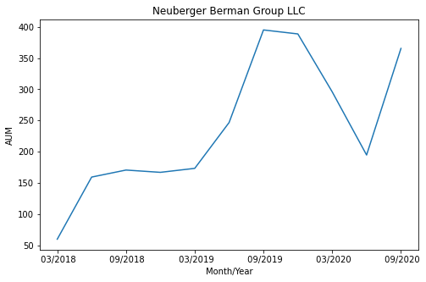
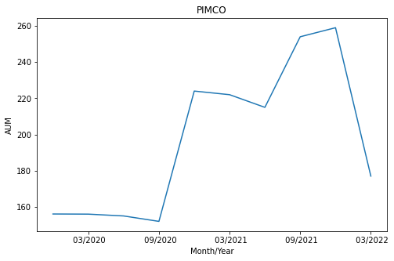
AQR Capital Management LLC | Global Risk and Style Premia | --- |  | 16.6538% | 27.4036%
Fairtree Asset Management (Pty) Ltd | Fairtree Global Equity Prescient Fund | --- |  | -4.1026% | 34.1289%
Schroder Investment Management Limited | Alternative Risk Premia | --- |  | 6.3791% | -24.0228%
Swiss Life Asset Managers | Swiss Life Funds (Lux) Multi Asset Risk Premia Moderate | --- |  | 7.9326%

Index
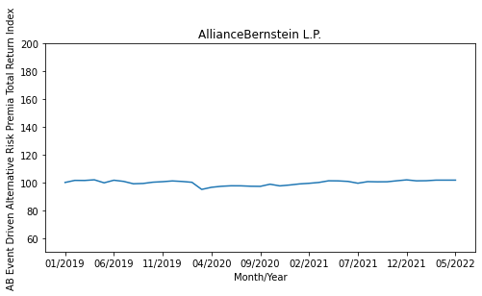
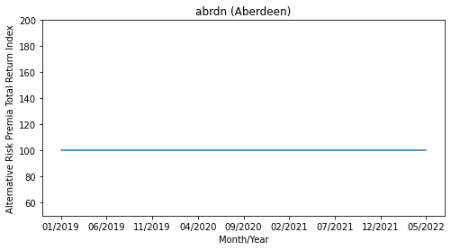
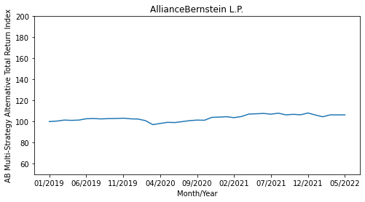
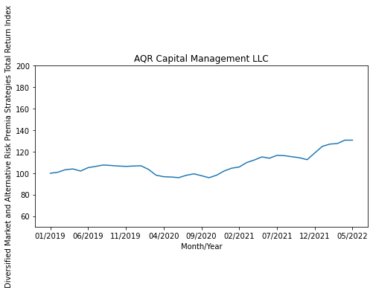
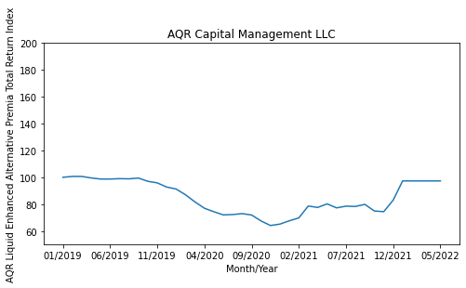
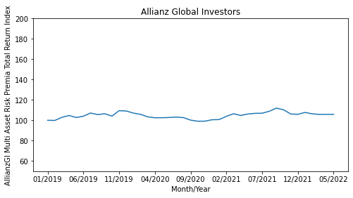
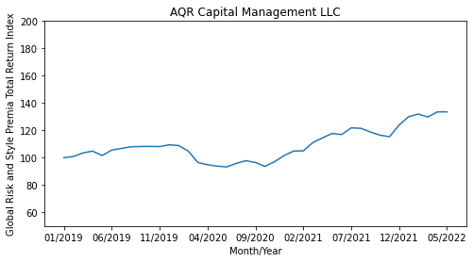
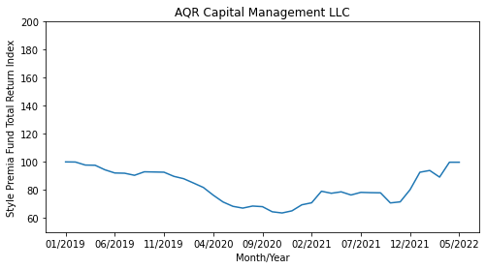
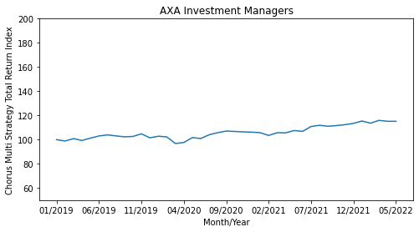
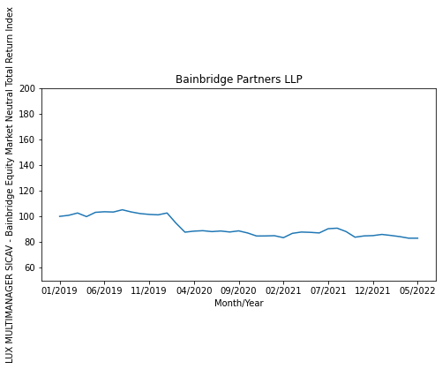
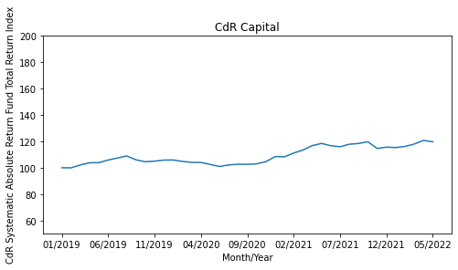
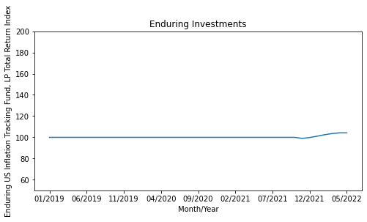
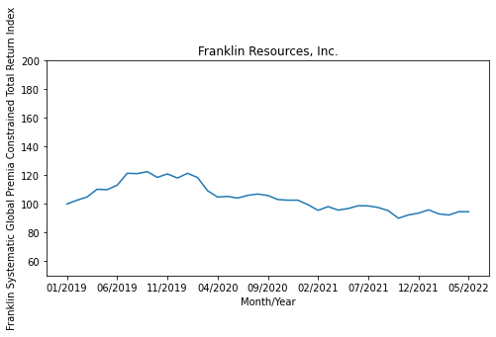
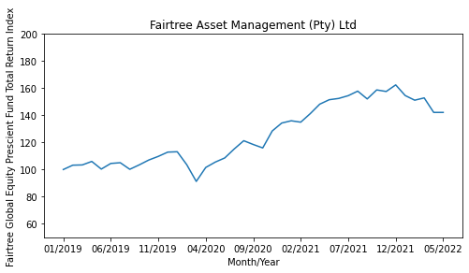
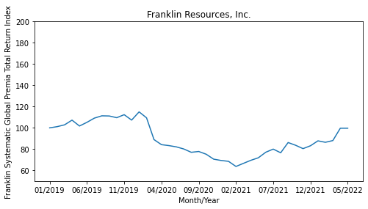
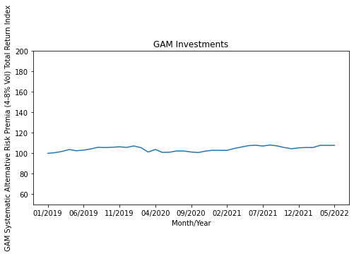
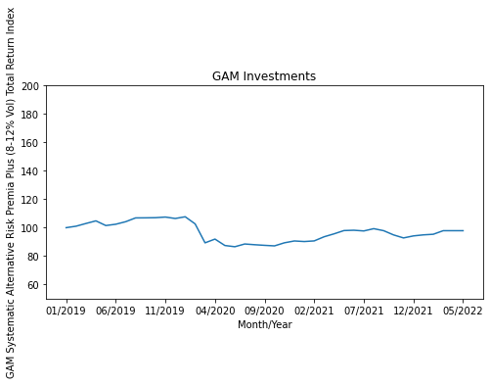
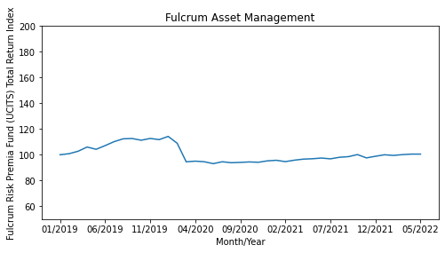
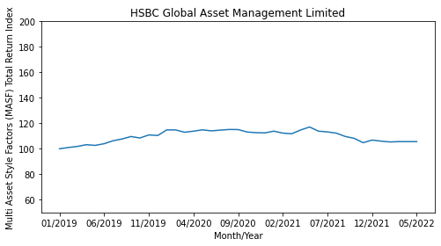
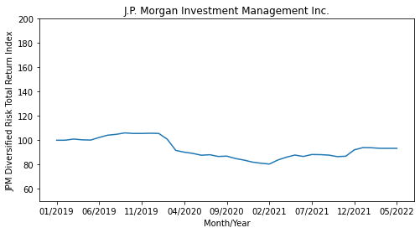
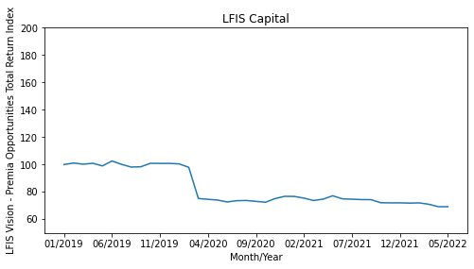
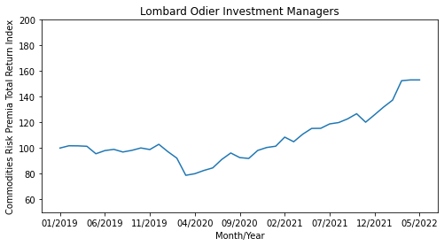
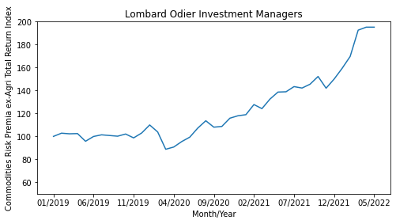
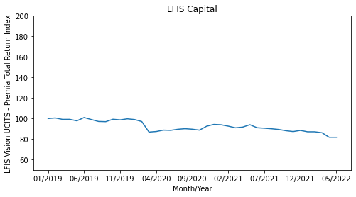
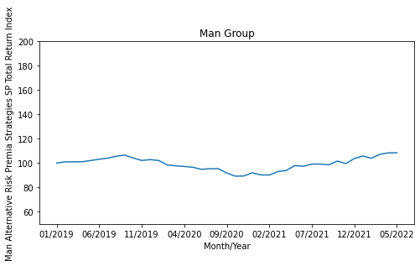
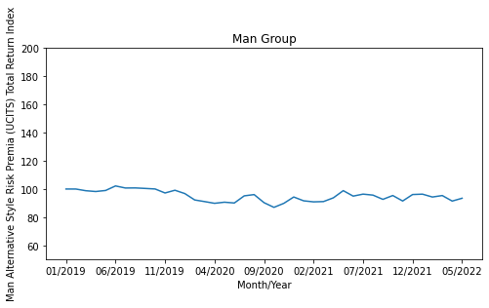
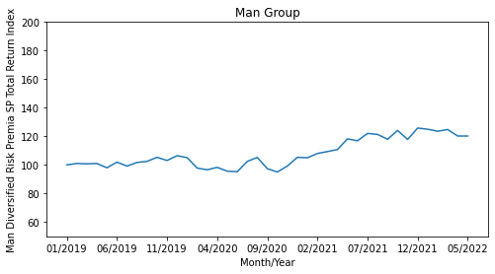
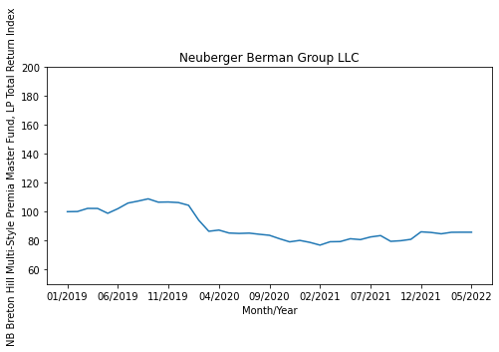
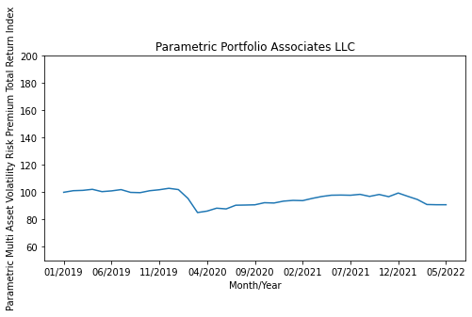
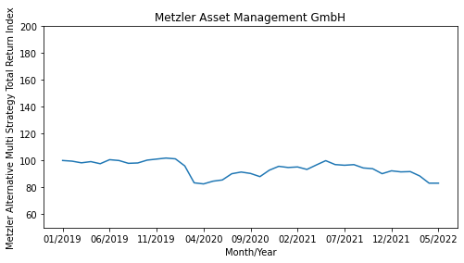
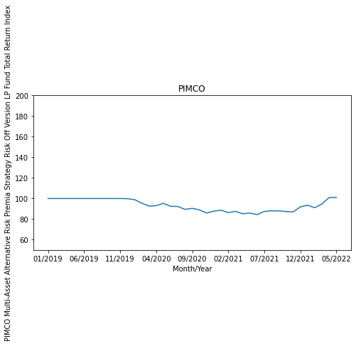
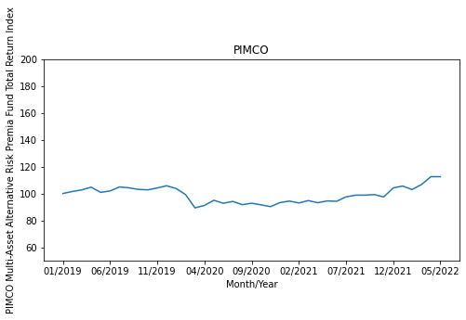
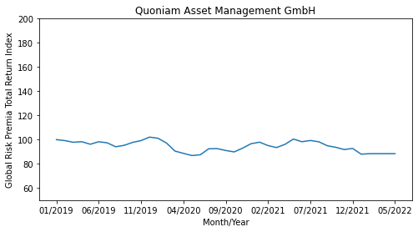
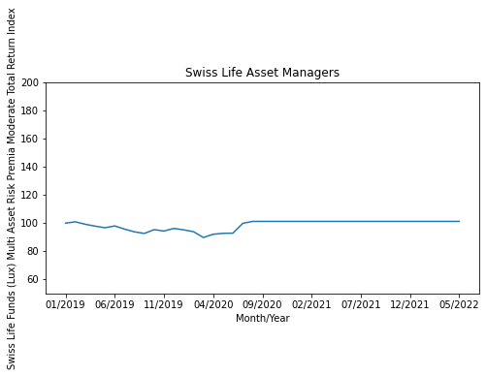
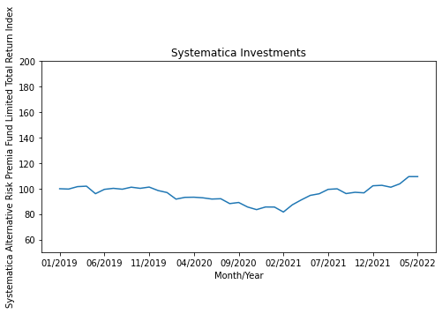







Firm Name | Product Name | 01/2019 | 02/2019 | 03/2019 | 04/2019 | 05/2019 | 06/2019 | 07/2019 | 08/2019 | 09/2019 | 10/2019 | 11/2019 | 12/2019 | 01/2020 | 02/2020 | 03/2020 | 04/2020 | 05/2020 | 06/2020 | 07/2020 | 08/2020 | 09/2020 | 10/2020 | 11/2020 | 12/2020 | 01/2021 | 02/2021 | 03/2021 | 04/2021 | 05/2021 | 06/2021 | 07/2021 | 08/2021 | 09/2021 | 10/2021 | 11/2021 | 12/2021 | 01/2022 | 02/2022 | 03/2022 | 04/2022 | 05/2022
abrdn (Aberdeen) | Alternative Risk Premia | 100 | 100 | 100 | 100 | 100 | 100 | 100 | 100 | 100 | 100 | 100 | 100 | 100 | 100 | 100 | 100 | 100 | 100 | 100 | 100 | 100 | 100 | 100 | 100 | 100 | 100 | 100 | 100 | 100 | 100 | 100 | 100 | 100 | 100 | 100 | 100 | 100 | 100 | 100 | 100 | 100
AllianceBernstein L.P. | AB Event Driven Alternative Risk Premia | 100 | 101.4838 | 101.42889726 | 101.90845309 | 99.740146934 | 101.59840561 | 100.77027701 | 99.05425996 | 99.279509347 | 100.18632839 | 100.55761892 | 101.09439549 | 100.70548535 | 100.11998366 | 95.006956212 | 96.525167372 | 97.246982574 | 97.609616572 | 97.581212173 | 97.289834674 | 97.200133446 | 98.742505164 | 97.542882469 | 98.1591584 | 98.940996097 | 99.38731893 | 99.997954618 | 101.19453014 | 101.12814653 | 100.7446686 | 99.450905565 | 100.58524259 | 100.44331682 | 100.49303626 | 101.21708858 | 101.86305604 | 101.16060841 | 101.24689841 | 101.66737678 | 101.66737678 | 101.66737678
AllianceBernstein L.P. | AB Multi-Strategy Alternative | 100 | 100.4535 | 101.41795405 | 101.16694462 | 101.41085812 | 102.67595858 | 102.87648472 | 102.53987286 | 102.80750193 | 102.87628015 | 103.21968117 | 102.62100702 | 102.40899202 | 100.9509952 | 97.117885916 | 98.177927641 | 99.303832115 | 99.093407295 | 99.968798455 | 100.90760544 | 101.40558447 | 101.26878834 | 104.00486846 | 104.25999241 | 104.623547 | 103.74198899 | 104.7992236 | 107.1487174 | 107.40619576 | 107.73711425 | 107.02421777 | 107.9599305 | 106.37561852 | 106.90292247 | 106.44837124 | 108.1502678 | 106.24217262 | 104.56875216 | 106.36262911 | 106.36262911 | 106.36262911
Allianz Global Investors | AllianzGI Multi Asset Risk Premia | 100 | 99.8533 | 102.92149235 | 104.71150294 | 102.73674871 | 104.00688313 | 107.13395408 | 105.62572228 | 106.43080153 | 104.09475187 | 109.46250184 | 109.14188618 | 107.05956813 | 105.83213018 | 103.41016188 | 102.47657494 | 102.52340674 | 102.76177366 | 103.14887726 | 102.62766598 | 100.16675718 | 99.082552199 | 99.143091638 | 100.53813408 | 100.70573115 | 103.89528307 | 106.42554879 | 104.7789327 | 106.15373708 | 106.83524407 | 106.9320368 | 108.86536802 | 111.96846647 | 110.33596623 | 106.20763572 | 105.89134938 | 107.70177378 | 106.36939514 | 105.80148894 | 105.80148894 | 105.80148894
AQR Capital Management LLC | AQR Liquid Enhanced Alternative Premia | 100 | 100.6719 | 100.66213483 | 99.529081836 | 98.702094695 | 98.728152048 | 98.990867661 | 98.863961368 | 99.458924688 | 97.023573458 | 95.858417364 | 92.761711191 | 91.304981279 | 87.008807995 | 81.695702143 | 77.020665588 | 74.430614646 | 72.09885235 | 72.360066492 | 73.029252387 | 72.008449497 | 67.586482622 | 64.20641504 | 65.258693976 | 67.718098376 | 69.865168403 | 78.666363127 | 77.636777766 | 80.27355565 | 77.308330778 | 78.58322246 | 78.355881198 | 79.90858134 | 74.997559748 | 74.486976361 | 83.051712364 | 97.307621843 | 97.307621843 | 97.307621843 | 97.307621843 | 97.307621843
AQR Capital Management LLC | Diversified Market and Alternative Risk Premia Strategies | 100 | 100.9603 | 103.3240835 | 104.00178617 | 102.05362471 | 105.2080002 | 106.35161116 | 107.66920127 | 107.22215874 | 106.70009405 | 106.37273816 | 106.71579025 | 106.95643435 | 103.5587493 | 98.206936697 | 96.807095021 | 96.504476042 | 95.928054807 | 98.109650629 | 99.470333374 | 97.755066945 | 95.85578375 | 98.178561101 | 102.0555343 | 104.70489597 | 105.79152338 | 109.95156346 | 112.28330626 | 115.17606108 | 113.94713251 | 116.59207335 | 116.32379499 | 115.29130498 | 114.37277916 | 112.59142312 | 118.81446367 | 124.92283406 | 127.02753397 | 127.58150104 | 130.70750298 | 130.70750298
AQR Capital Management LLC | Global Risk and Style Premia | 100 | 100.8196 | 103.48728662 | 104.80871578 | 101.57714865 | 105.56425488 | 106.74868582 | 107.95515947 | 108.1650243 | 108.2683219 | 108.11371474 | 109.41864727 | 108.86411357 | 104.75340464 | 96.450859295 | 94.851607597 | 93.802548817 | 93.259713467 | 95.796937231 | 97.80187133 | 96.482426284 | 93.598084151 | 97.05700135 | 101.57781942 | 104.87462912 | 104.9884181 | 111.11627709 | 114.46698843 | 117.73124354 | 116.95056766 | 121.83570983 | 121.50906829 | 118.81436168 | 116.50663033 | 115.35659339 | 123.85514433 | 130.04257578 | 131.90166444 | 129.78174089 | 133.53009713 | 133.53009713
AQR Capital Management LLC | Style Premia Fund | 100 | 99.9095 | 97.760246836 | 97.610575898 | 94.361607879 | 92.101647371 | 91.926562139 | 90.450037698 | 92.947725039 | 92.810905988 | 92.661016374 | 89.705129952 | 88.01957056 | 84.939149649 | 81.774316933 | 76.303288033 | 71.43033115 | 68.332254827 | 67.058199936 | 68.527378038 | 68.094490591 | 64.443468289 | 63.604156558 | 65.119652796 | 69.408823848 | 70.853360289 | 79.094456331 | 77.635084518 | 78.668329857 | 76.411571479 | 78.285565269 | 78.063547406 | 77.957615172 | 70.753941742 | 71.522966335 | 80.170164488 | 92.63389928 | 93.891774999 | 89.160944024 | 99.768332373 | 99.768332373
AXA Investment Managers | Chorus Multi Strategy | 100 | 98.89 | 100.82270616 | 99.300283297 | 101.27308203 | 103.04556351 | 103.91681375 | 103.09566308 | 102.3346109 | 102.64509411 | 104.78811838 | 101.50343002 | 102.82530919 | 102.23447497 | 96.796827713 | 97.628022072 | 101.69374105 | 100.96266475 | 104.06706476 | 105.78947875 | 107.10137408 | 106.76089881 | 106.40036725 | 106.19012013 | 105.75824491 | 103.46836739 | 105.69800724 | 105.61767675 | 107.52597694 | 106.83297202 | 110.87051053 | 111.86147115 | 111.03235393 | 111.62893076 | 112.37717949 | 113.48937643 | 115.4105246 | 113.5803445 | 115.92611935 | 115.16773068 | 115.16773068
Bainbridge Partners LLP | LUX MULTIMANAGER SICAV - Bainbridge Equity Market Neutral | 100 | 100.82 | 102.63476 | 99.832831052 | 103.15726433 | 103.61115629 | 103.38321175 | 105.15106467 | 103.44761742 | 102.18555649 | 101.54178748 | 101.20669958 | 102.64383472 | 94.678673142 | 87.653515594 | 88.451162586 | 88.813812353 | 88.094420473 | 88.570130343 | 87.790713196 | 88.6773994 | 87.027999771 | 84.660838177 | 84.71163468 | 84.898000276 | 83.361346471 | 86.737481003 | 87.752309531 | 87.515378295 | 87.042795253 | 90.350421472 | 90.784103495 | 88.124129263 | 83.726735213 | 84.723083362 | 84.968780303 | 85.894940009 | 85.096117067 | 84.177079002 | 82.948093649 | 82.948093649
CdR Capital | CdR Systematic Absolute Return Fund | 100 | 99.95 | 102.12891 | 103.77318545 | 103.856204 | 105.85024312 | 107.38507164 | 108.93141667 | 105.99026842 | 104.52760272 | 104.98752417 | 105.79592811 | 105.86998526 | 104.8112854 | 104.07760641 | 103.98393656 | 102.50736466 | 100.95950345 | 102.1508256 | 102.66157972 | 102.57945046 | 102.93847854 | 104.59578804 | 108.44491304 | 108.28224567 | 111.09758406 | 113.40841381 | 116.73128033 | 118.41221077 | 116.67155127 | 115.87818472 | 117.80176259 | 118.36721105 | 119.65741365 | 114.58393931 | 115.61519476 | 115.2799107 | 116.12145405 | 117.92133658 | 120.7278644 | 119.60509526
Enduring Investments | Enduring US Inflation Tracking Fund, LP | 100 | 100 | 100 | 100 | 100 | 100 | 100 | 100 | 100 | 100 | 100 | 100 | 100 | 100 | 100 | 100 | 100 | 100 | 100 | 100 | 100 | 100 | 100 | 100 | 100 | 100 | 100 | 100 | 100 | 100 | 100 | 100 | 100 | 100 | 99.0326 | 99.858828982 | 101.08269879 | 102.47359673 | 103.55694759 | 104.24787954 | 104.24787954
Fairtree Asset Management (Pty) Ltd | Fairtree Global Equity Prescient Fund | 100 | 103.20455 | 103.39142867 | 105.96992509 | 100.32100642 | 104.47830993 | 105.02491015 | 100.16625511 | 103.44623419 | 107.01039454 | 109.68923925 | 112.84900013 | 113.11442662 | 103.55324986 | 91.219387809 | 101.52712481 | 105.47726096 | 108.54837486 | 115.1901677 | 121.2582763 | 118.47133792 | 115.93252913 | 128.45003675 | 134.30150495 | 135.97261992 | 134.93884049 | 141.22157266 | 148.2171372 | 151.50134141 | 152.45714065 | 154.48869608 | 157.84213432 | 152.09436508 | 158.73778155 | 157.58254036 | 162.43972276 | 154.58145914 | 151.15317163 | 152.83745026 | 142.13633902 | 142.13633902
Franklin Resources, Inc. | Franklin Systematic Global Premia | 100 | 101.1076 | 102.82551923 | 107.24979285 | 101.71366579 | 105.17905038 | 109.14451094 | 111.30087904 | 111.14416741 | 109.54213538 | 112.3741282 | 107.28594005 | 115.01396089 | 109.43394356 | 88.961698003 | 84.181785969 | 83.288953947 | 82.088676832 | 80.102130852 | 76.992245724 | 77.758395561 | 75.186769903 | 70.553535581 | 69.311017266 | 68.4902362 | 63.667838669 | 66.586245058 | 69.461239361 | 71.820073588 | 77.053458711 | 79.998596009 | 76.539616715 | 86.176184078 | 83.610546726 | 80.437359257 | 83.144639457 | 87.768479147 | 86.39823765 | 88.027881209 | 99.637350294 | 99.637350294
Franklin Resources, Inc. | Franklin Systematic Global Premia Constrained | 100 | 102.6406 | 104.89664039 | 110.29053053 | 110.00057673 | 113.13262315 | 121.43180612 | 121.20096426 | 122.57465598 | 118.55678134 | 121.02880878 | 118.13658334 | 121.42822296 | 118.50896705 | 109.2794887 | 104.84601984 | 105.29580927 | 104.14703199 | 106.04042503 | 106.96297673 | 105.93613215 | 103.11081551 | 102.65094127 | 102.6653124 | 99.493980901 | 95.581877572 | 98.15207426 | 95.74636692 | 96.826577432 | 98.790607728 | 98.678381598 | 97.518713258 | 95.295969226 | 90.057835686 | 92.351968992 | 93.599736445 | 95.924660299 | 93.143228849 | 92.270849367 | 94.591738041 | 94.591738041
Fulcrum Asset Management | Fulcrum Risk Premia Fund (UCITS) | 100 | 100.82 | 102.715416 | 106.00230931 | 104.23207075 | 107.09845269 | 110.18288813 | 112.3755276 | 112.63399132 | 111.27112002 | 112.67313613 | 111.74921642 | 114.25239887 | 108.92823708 | 94.517031313 | 95.017971579 | 94.571387113 | 93.077159196 | 94.557086027 | 93.810085048 | 94.063372277 | 94.411406755 | 94.156495957 | 95.23929566 | 95.696444279 | 94.653353037 | 95.779727938 | 96.603433598 | 96.893243899 | 97.445535389 | 96.821883963 | 98.022475324 | 98.522389948 | 100.1283049 | 97.555007468 | 98.823222565 | 99.979454269 | 99.489554943 | 100.09644123 | 100.50683664 | 100.50683664
GAM Investments | GAM Systematic Alternative Risk Premia (4-8% Vol) | 100 | 100.66 | 101.87587214 | 103.71982543 | 102.51667545 | 103.14233472 | 104.27731297 | 105.93281959 | 105.67148333 | 105.96736348 | 106.37003946 | 105.80627825 | 107.20196887 | 105.56081393 | 101.25773291 | 103.77905046 | 100.89399286 | 101.08569144 | 102.35937115 | 102.21606803 | 101.28590182 | 100.76934372 | 102.18011453 | 102.98733743 | 102.93584376 | 102.89466943 | 104.69532614 | 106.12965211 | 107.51995055 | 107.89627038 | 107.11941723 | 108.12633975 | 107.26132904 | 105.66313523 | 104.46819084 | 105.33778406 | 105.69593252 | 105.70555085 | 107.81966187 | 107.81966187 | 107.81966187
GAM Investments | GAM Systematic Alternative Risk Premia Plus (8-12% Vol) | 100 | 101.0456 | 102.96334444 | 104.804432 | 101.50697016 | 102.42530372 | 104.20688945 | 106.88875796 | 106.9378199 | 107.03406394 | 107.48360701 | 106.4732611 | 107.68705628 | 102.67960816 | 89.331259099 | 91.966531242 | 87.450974558 | 86.58520991 | 88.516060091 | 88.002666942 | 87.562653608 | 87.186134197 | 89.357068939 | 90.643810731 | 90.244977964 | 90.687178356 | 93.607305499 | 95.66666622 | 97.981799543 | 98.197359502 | 97.706372704 | 99.308757217 | 97.888641988 | 94.908324394 | 92.786269169 | 94.21081676 | 94.94095059 | 95.368184867 | 97.884569793 | 97.884569793 | 97.884569793
HSBC Global Asset Management Limited | Multi Asset Style Factors (MASF) | 100 | 100.995 | 101.84032815 | 103.19684132 | 102.65093003 | 103.97410052 | 106.30104089 | 107.66913528 | 109.62117671 | 108.44823012 | 110.85903427 | 110.40118646 | 114.80177775 | 114.7857055 | 112.96979564 | 113.80238304 | 114.84936496 | 114.0637953 | 114.62909547 | 115.14882379 | 115.08572224 | 113.16367559 | 112.63135366 | 112.44979192 | 113.81931793 | 112.2895863 | 111.79158199 | 114.75422101 | 117.08598202 | 113.82024557 | 113.23522089 | 112.24503097 | 109.66046454 | 108.1652474 | 104.76397497 | 106.81760555 | 105.99594103 | 105.34965728 | 105.62612111 | 105.62612111 | 105.62612111
J.P. Morgan Investment Management Inc. | JPM Diversified Risk | 100 | 100.02 | 100.97019 | 100.3340778 | 100.13340965 | 102.30630464 | 104.16827938 | 104.85579003 | 106.04066045 | 105.56740098 | 105.58123031 | 105.74678168 | 105.58435463 | 100.85565372 | 91.650255638 | 90.165796448 | 89.171357879 | 87.671673982 | 88.057166332 | 86.659522988 | 86.936833462 | 84.979450657 | 83.682324322 | 82.018636032 | 81.093219762 | 80.39727775 | 83.7153538 | 86.027571872 | 87.803611093 | 86.66365681 | 88.257141468 | 88.14531967 | 87.761358657 | 86.511724671 | 86.882254388 | 92.116215157 | 93.909349401 | 93.815252233 | 93.34720794 | 93.34720794 | 93.34720794
LFIS Capital | LFIS Vision - Premia Opportunities | 100 | 101.10607 | 100.25466792 | 100.90942414 | 98.993850446 | 102.59848877 | 100.1338689 | 98.166622893 | 98.362467269 | 100.88807509 | 100.82582715 | 100.83807144 | 100.45589515 | 97.972453642 | 75.188439314 | 74.582946812 | 74.029251965 | 72.64378341 | 73.591421564 | 73.722437108 | 73.08924468 | 72.442050382 | 75.143213051 | 76.764216721 | 76.697757332 | 75.44371602 | 73.723327697 | 74.715393766 | 77.173421136 | 74.946437755 | 74.67243208 | 74.377530484 | 74.329680443 | 72.082650349 | 71.979983751 | 72.000672238 | 71.798295629 | 71.977833729 | 70.970705484 | 69.19003345 | 69.19003345
LFIS Capital | LFIS Vision UCITS - Premia | 100 | 100.591027 | 99.215374292 | 99.256811593 | 97.802917668 | 101.01047194 | 99.046282905 | 97.196018113 | 96.981565791 | 99.327315172 | 98.729960699 | 99.735327888 | 99.048749891 | 97.092650987 | 86.869135633 | 87.392170355 | 88.765164274 | 88.559543322 | 89.591970478 | 90.151973152 | 89.662568742 | 88.757198264 | 92.553609018 | 94.307365706 | 93.952380521 | 92.617846146 | 91.005702869 | 91.696410672 | 94.011988954 | 91.059186136 | 90.635493206 | 90.091682059 | 89.394665238 | 88.192106747 | 87.363527793 | 88.492731093 | 87.141821414 | 87.136817731 | 86.207180292 | 81.779136407 | 81.779136407
Lombard Odier Investment Managers | Commodities Risk Premia | 100 | 101.78 | 101.718932 | 101.38325952 | 95.553722102 | 98.038118876 | 98.989088629 | 96.930115586 | 98.219286123 | 100.07563063 | 98.854707937 | 102.9275219 | 97.225337191 | 92.169619657 | 78.758939997 | 80.003331249 | 82.51543585 | 84.553567115 | 91.12337928 | 96.153389817 | 92.586099054 | 91.900961921 | 98.150227332 | 100.43712763 | 101.44451202 | 108.52229562 | 104.93563375 | 110.80153568 | 115.31115818 | 115.38034488 | 118.83021719 | 119.8759231 | 122.76493285 | 126.76706966 | 120.15870232 | 125.99721366 | 131.98220731 | 137.38027959 | 152.50584837 | 153.13112235 | 153.13112235
Lombard Odier Investment Managers | Commodities Risk Premia ex-Agri | 100 | 102.8 | 102.26544 | 102.44951779 | 95.75956428 | 99.925105326 | 101.37401935 | 100.77591264 | 100.17125716 | 102.07451105 | 98.706052185 | 102.95041243 | 109.97163056 | 103.8572079 | 88.787527032 | 90.731973874 | 95.50175374 | 99.343789293 | 107.26446961 | 113.62418002 | 108.04182405 | 108.68359249 | 115.84910174 | 117.96103087 | 118.92831132 | 127.75041345 | 124.20022946 | 132.50922481 | 138.631151 | 138.88068707 | 143.3943094 | 142.14677891 | 145.48722821 | 152.22328688 | 142.01367103 | 149.95223524 | 159.33249731 | 169.65724314 | 192.59490241 | 195.1949336 | 195.1949336
Man Group | Man Alternative Risk Premia Strategies SP | 100 | 101.04 | 101.019792 | 101.12081179 | 102.12190783 | 103.19418786 | 104.03006078 | 105.67373574 | 106.5719625 | 104.20606493 | 102.16362606 | 102.83790599 | 102.11804065 | 98.441791184 | 97.742854466 | 97.224817337 | 96.553966098 | 94.893237881 | 95.377193394 | 95.396268833 | 91.818908752 | 89.266343088 | 89.400242603 | 91.992849638 | 90.27258335 | 90.182310767 | 92.995998863 | 93.963157251 | 97.947195118 | 97.388896106 | 99.239285132 | 99.179741561 | 98.60449906 | 101.64151763 | 99.639179734 | 103.78416961 | 105.82622693 | 103.95902898 | 107.22240686 | 108.45932455 | 108.45932455
Man Group | Man Alternative Style Risk Premia (UCITS) | 100 | 99.981808 | 98.78721636 | 98.223476243 | 98.956047556 | 102.17896983 | 100.7091417 | 100.76562845 | 100.41292053 | 100.0236578 | 97.192918264 | 99.125185402 | 96.766329138 | 92.241430112 | 91.090257987 | 89.87360549 | 90.661097794 | 90.104143098 | 95.150063414 | 96.049478903 | 90.326314034 | 87.015789589 | 89.867013343 | 94.33928031 | 91.639650483 | 90.897469202 | 91.103634661 | 93.751388705 | 98.837755923 | 94.965774974 | 96.37263785 | 95.669205293 | 92.677518267 | 95.382600791 | 91.512225708 | 96.088809768 | 96.354652912 | 94.325949055 | 95.36482676 | 91.460921669 | 93.456216673
Man Group | Man Diversified Risk Premia SP | 100 | 101.002462 | 100.73935968 | 100.99739649 | 97.988461859 | 101.95263114 | 99.176222423 | 101.71926441 | 102.49389119 | 105.31170347 | 103.09190126 | 106.45886007 | 105.09562563 | 97.802148953 | 96.575287499 | 98.271530055 | 95.63601832 | 95.237773681 | 102.4397646 | 105.25659998 | 97.400934684 | 95.019569492 | 99.208555673 | 105.30701968 | 105.00567206 | 108.01089239 | 109.33939829 | 110.75515762 | 118.23661646 | 116.87024456 | 122.04581295 | 121.33966198 | 117.92876768 | 124.13193761 | 117.79503695 | 125.81700265 | 124.96486045 | 123.56096647 | 124.76721311 | 120.21857108 | 120.21857108
Metzler Asset Management GmbH | Metzler Alternative Multi Strategy | 100 | 99.516583 | 98.274951415 | 99.173863551 | 97.607780311 | 100.61232836 | 99.98336146 | 97.900105141 | 98.167815916 | 100.28498059 | 101.05689815 | 101.82482952 | 101.24480474 | 95.968575511 | 83.371827621 | 82.56527939 | 84.590932652 | 85.513197984 | 90.146805868 | 91.405372469 | 90.353760057 | 87.984095362 | 92.789557892 | 95.679505374 | 94.791138389 | 95.207155842 | 93.360865353 | 96.68373353 | 99.878824436 | 96.97212392 | 96.469625041 | 96.922891433 | 94.449528766 | 93.887247109 | 90.177636167 | 92.327987731 | 91.52066996 | 91.744298886 | 88.503711348 | 83.119991645 | 83.119991645
Neuberger Berman Group LLC | NB Breton Hill Multi-Style Premia Master Fund, LP | 100 | 100.12 | 102.27258 | 102.23167097 | 98.888695327 | 102.08280019 | 105.96194659 | 107.3394519 | 108.89587395 | 106.58728142 | 106.70452743 | 106.30972068 | 104.40677668 | 94.133149856 | 86.442471513 | 87.280963487 | 85.247317038 | 84.95747616 | 85.178365598 | 84.369171124 | 83.677343921 | 81.284171885 | 79.138269747 | 80.135411946 | 78.773109943 | 76.874677993 | 79.203980737 | 79.322786708 | 81.282059539 | 80.680572299 | 82.51202129 | 83.469160737 | 79.48768177 | 79.916915251 | 80.883909926 | 86.076656943 | 85.620450661 | 84.704311839 | 85.746174875 | 85.806197197 | 85.806197197
Parametric Portfolio Associates LLC | Parametric Multi Asset Volatility Risk Premium | 100 | 101.1706 | 101.41219539 | 102.17887159 | 100.4794326 | 101.02825126 | 101.96448006 | 99.925088497 | 99.734331503 | 101.14577176 | 101.85854602 | 102.9161433 | 101.98084139 | 95.507505501 | 85.135199389 | 86.20313533 | 88.343041961 | 87.805916266 | 90.510865323 | 90.637399512 | 90.812964155 | 92.351335768 | 92.1322784 | 93.511314343 | 94.054428056 | 93.880521419 | 95.517234429 | 96.9114995 | 97.853188541 | 97.969927395 | 97.823658293 | 98.492674292 | 96.977167513 | 98.394197885 | 96.780729828 | 99.450910164 | 97.03236348 | 94.726001232 | 91.032539718 | 90.866678431 | 90.866678431
PIMCO | PIMCO Multi-Asset Alternative Risk Premia Fund | 100 | 101.49 | 102.677433 | 104.71044617 | 100.81521758 | 101.92418497 | 104.8596015 | 104.20947197 | 103.04232588 | 102.70228621 | 104.10930753 | 105.75423459 | 103.69202701 | 99.171054633 | 89.303534697 | 91.116396452 | 94.943285103 | 92.721612231 | 94.112436415 | 91.684335555 | 92.757042281 | 91.532649323 | 90.232885703 | 93.237640797 | 94.36581625 | 92.950329006 | 94.725680291 | 93.134288862 | 94.466109192 | 94.201604087 | 97.470399748 | 98.757009025 | 98.766884726 | 99.181705642 | 97.446025793 | 104.10158935 | 105.54860145 | 102.95210585 | 106.63779124 | 112.49220598 | 112.49220598
PIMCO | PIMCO Multi-Asset Alternative Risk Premia Strategy Risk Off Version LP Fund | 100 | 100 | 100 | 100 | 100 | 100 | 100 | 100 | 100 | 100 | 100 | 99.84 | 98.931456 | 95.498534477 | 92.690877563 | 93.006026547 | 95.359079019 | 92.441091201 | 92.302429564 | 89.45028449 | 90.470017733 | 88.932027432 | 85.908338499 | 87.798321946 | 88.685084998 | 86.352667262 | 87.501157737 | 85.243627867 | 85.848857625 | 84.432351474 | 87.463472892 | 88.066970855 | 87.952483793 | 87.345611655 | 86.996229208 | 91.88541729 | 93.520977718 | 91.023967613 | 94.837871856 | 100.98336595 | 100.98336595
Quoniam Asset Management GmbH | Global Risk Premia | 100 | 99.187908 | 97.816968443 | 98.283878179 | 96.192591853 | 98.25400583 | 97.359374613 | 94.110997578 | 95.290883153 | 97.700664757 | 99.222835252 | 102.08437816 | 101.14670457 | 97.20900368 | 90.567788562 | 88.661982361 | 86.854648636 | 87.487460314 | 92.451321213 | 92.56785333 | 91.027624224 | 89.852484903 | 92.971972692 | 96.63827316 | 97.902967611 | 95.095086024 | 93.450779774 | 96.090175563 | 100.49339351 | 98.281821331 | 99.295578661 | 98.224844648 | 94.979655887 | 93.673799594 | 91.804335651 | 92.731885347 | 88.001246111 | 88.376751828 | 88.404602877 | 88.404602877 | 88.404602877
Schroder Investment Management Limited | Alternative Risk Premia | 100 | 95.63 | 93.067116 | 92.592473708 | 88.092479486 | 89.960040051 | 87.818991098 | 88.705962908 | 88.856763045 | 89.309132826 | 87.063008135 | 88.021571855 | 87.088543193 | 82.498976967 | 73.300341035 | 73.740143081 | 74.381682326 | 73.370091446 | 74.5366759 | 74.708110255 | 73.961029152 | 73.265795478 | 75.170706161 | 75.268428079 | 74.944773838 | 73.655723728 | 74.723731722 | 75.524919574 | 77.142965451 | 78.050475296 | 78.050475296 | 78.050475296 | 78.050475296 | 78.050475296 | 78.050475296 | 78.050475296 | 78.050475296 | 78.050475296 | 78.050475296 | 78.050475296 | 78.050475296
Swiss Life Asset Managers | Swiss Life Funds (Lux) Multi Asset Risk Premia Moderate | 100 | 100.88487 | 99.182085731 | 97.834053404 | 96.695950839 | 97.977611187 | 95.708961156 | 93.77847504 | 92.652750723 | 95.338102618 | 94.368957436 | 96.211456596 | 95.204245796 | 93.891969513 | 89.754577625 | 92.081331316 | 92.717970591 | 92.846771614 | 99.811505991 | 101.21752173 | 101.21752173 | 101.21752173 | 101.21752173 | 101.21752173 | 101.21752173 | 101.21752173 | 101.21752173 | 101.21752173 | 101.21752173 | 101.21752173 | 101.21752173 | 101.21752173 | 101.21752173 | 101.21752173 | 101.21752173 | 101.21752173 | 101.21752173 | 101.21752173 | 101.21752173 | 101.21752173 | 101.21752173
Systematica Investments | Systematica Alternative Risk Premia Fund Limited | 100 | 99.74 | 101.655008 | 102.00063503 | 96.12539845 | 99.518625015 | 100.31477402 | 99.632633552 | 101.21679243 | 100.31596297 | 101.30909101 | 98.583876458 | 97.016392822 | 91.874524003 | 93.261829315 | 93.37374351 | 92.897537418 | 91.931403029 | 92.179617817 | 88.372599602 | 89.247488338 | 85.713287799 | 83.664740221 | 85.731259305 | 85.671247423 | 81.790339915 | 87.450231437 | 91.289296597 | 94.803934516 | 96.074307238 | 99.513767438 | 99.941676638 | 96.213852099 | 97.214476161 | 96.786732466 | 102.32293356 | 102.67083154 | 101.19237156 | 103.8436117 | 109.49270417 | 109.49270417
Tangency Capital Ltd. | Select Market Access Fund Ltd. | 100 | 100.28 | 100.701176 | 100.9327887 | 101.37689298 | 101.68102365 | 103.14523039 | 105.18750596 | 105.45047472 | 101.90733877 | 102.73278821 | 103.80120921 | 104.97416288 | 105.67748977 | 106.49120644 | 104.49982088 | 104.86557025 | 105.05432828 | 106.18891502 | 106.28448505 | 108.24011957 | 108.47824783 | 109.05318255 | 109.48939528 | 108.73391845 | 106.71146757 | 107.25569605 | 107.62036542 | 107.91094041 | 107.59799868 | 107.69483688 | 105.32555047 | 105.83111311 | 103.13241972 | 103.69964803 | 103.93815722 | 104.41627275 | 104.69819668 | 104.94947235 | 105.24333088 | 105.24333088
Unigestion | Unigestion Alternative Risk Premia – 8% Target Volatility | 100 | 100.5958 | 101.0246399 | 100.72035368 | 100.1622622 | 101.48911169 | 103.42653883 | 102.85914084 | 104.26429956 | 102.6047247 | 102.71820553 | 103.42603668 | 103.03653423 | 99.23768025 | 91.381926244 | 90.624644221 | 88.843144965 | 87.03874069 | 87.267304423 | 87.835850912 | 88.58298266 | 88.297745455 | 86.970806937 | 86.952890951 | 87.100884771 | 86.308092518 | 88.057643861 | 88.196862996 | 89.516993641 | 89.68170491 | 90.349833611 | 90.0573712 | 87.84051895 | 86.008077885 | 86.398898591 | 88.059917416 | 88.678538336 | 88.216079758 | 89.254383017 | 90.607211701 | 90.607211701
Unigestion | Unigestion Multi-Asset Trend Follower | 100 | 99.66 | 104.832354 | 105.73391224 | 108.21865918 | 110.79426327 | 115.19279552 | 120.69901115 | 117.76602518 | 113.02005436 | 113.12177241 | 114.89778424 | 113.01346058 | 109.88298772 | 111.74001021 | 110.45500009 | 108.96385759 | 107.60180937 | 109.11899489 | 108.7916379 | 106.85514675 | 106.43841167 | 107.38571354 | 111.25159922 | 109.82757875 | 112.3975441 | 114.18466505 | 115.52062563 | 118.32777683 | 115.05009741 | 113.78454634 | 113.35216507 | 109.29415756 | 111.72048786 | 105.82443911 | 106.82807809 | 108.6418052 | 110.69546124 | 117.9741306 | 128.40056629 | 128.40056629
Versor Investments LP | ARP Alternative Return Capture | 100 | 100 | 100 | 100 | 100 | 100 | 100 | 100 | 100 | 100 | 100 | 100 | 97.98 | 95.33277636 | 85.853552408 | 85.518465993 | 84.618384139 | 82.831751576 | 83.246904315 | 81.086730395 | 82.579861448 | 79.651001502 | 80.471406818 | 78.33794888 | 80.141131787 | 76.684324209 | 79.594494313 | 79.470326902 | 81.39772074 | 77.863513103 | 77.977271696 | 78.562101233 | 76.347906972 | 73.763377625 | 75.226400457 | 75.226400457 | 75.226400457 | 75.226400457 | 75.226400457 | 75.226400457 | 75.226400457
Voya Investment Management Co. LLC | Voya Enhanced Risk Premia | 100 | 100 | 98.5473 | 99.276845662 | 97.244648631 | 99.031616294 | 99.04112333 | 96.004522488 | 96.050700664 | 96.553430031 | 98.865015699 | 99.30951281 | 99.596318683 | 97.715940186 | 96.854378742 | 100.67402488 | 100.98269144 | 102.19094934 | 103.33232005 | 102.62201368 | 102.47587994 | 101.53269194 | 104.72894108 | 105.85739542 | 104.85863089 | 102.94967952 | 103.70738916 | 102.43676623 | 101.93984548 | 102.03689221 | 101.53415644 | 102.56614961 | 101.16899352 | 102.25281694 | 103.5852734 | 106.02408508 | 102.84845168 | 101.05580317 | 103.77693278 | 105.56760376 | 105.56760376
Windham Capital Management, LLC | Windham Risk Premia (Cayman) Master Fund Ltd. | 100 | 99.56 | 98.743608 | 98.822602886 | 96.470624938 | 98.158860874 | 95.901207074 | 93.839331122 | 93.92378652 | 92.092272683 | 92.994776955 | 96.723867511 | 91.30733093 | 90.385126888 | 81.807578346 | 86.053391662 | 82.964074902 | 83.370598869 | 84.354371935 | 82.186464577 | 79.285282377 | 79.142568869 | 83.052211771 | 84.663424679 | 85.256068652 | 89.135219776 | 89.857215056 | 86.487569491 | 89.376254312 | 89.117063175 | 88.546713971 | 88.467021928 | 88.988977357 | 88.837696096 | 88.713323321 | 88.376212693 | 88.376212693 | 85.495148159 | 86.144911285 | 92.4421043 | 92.4421043

 |  |  |  |  |  |  |  |  |  |  |  |  |  |  |  | Total Return Index Plot

