中试生产信息（天线填写）
CM5
天线布局 | 天线端口 | 工具端口
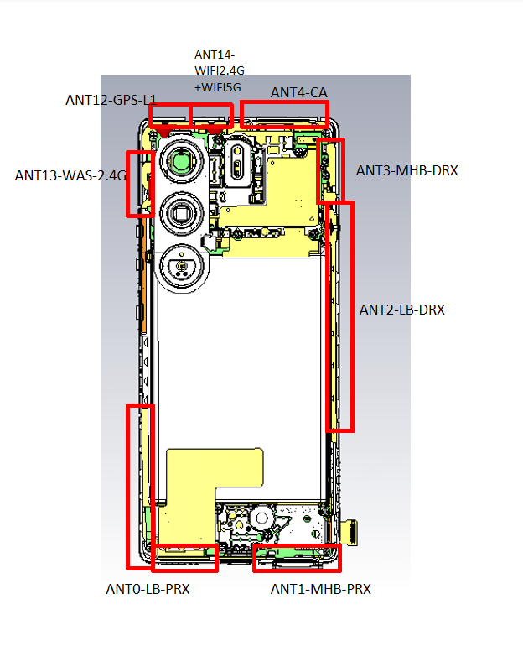 |  |  | E1配置 | F1配置 | G1配置 | H1配置 | I1/I2配置 | J1/J2配置 | K1/K2配置 | L1/L2配置
 | ANT0 | Carkit0 | 2G:B8 3G:B8 4G:B8/B20/B28A | 2G:B8 3G:B8 4G:B8/B20/B28A | 2G:B5/B8 3G:B5/B8 4G:B5/B8 | 2G:B5/B8 3G:B5/B8 4G:B5/B8 | 2G:B5/B8 3G:B5/B8 4G:B5/B8/B28(FULL) | 2G:B5/B8 3G:B5/B8 4G:B5/B8/B28(FULL) | 2G:B5/B8 3G:B5/B8 4G:B5/B8/B12/B17/B20/B28A/B28B | 2G:B5/B8 3G:B5/B8 4G:B5/B8/B12/B17/B20/B28A/B28B

 | ANT1 | Carkit1 | 2G:B3 3G:B1 4G:B1/B3/B7/B40/B38/B41(120M) | 2G:B3 3G:B1 4G:B1/B3/B7/B40/B38/B41(120M) | 2G:B2/B3 3G:B1 4G:B1/B3/B38/B40/B41 | 2G:B2/B3 3G:B1 4G:B1/B3/B38/B40/B41(120M) | 2G:B2/B3 3G:B1 4G:B1/B3/B38/B40/B41(FULL) | 2G:B2/B3 3G:B1 4G:B1/B3/B38/B40/B41（FULL) | 2G:B2/B3: 3G:B1/B2/B4 4G:B1/B2/B3/B4/B7/B38/B41(120M)/B40/B66 | 2G:B2/B3 3G:B1/B2/B4 4G:B1/B2/B3/B4/B7/B38/B41(120M)/b40/b66

 | ANT2 | Carkit2 | 2G:B8 3G:B8 4G:B8/B20/B28A | 2G:B8 3G:B8 4G:B8/B20/B28A | 2G:B5/B8 3G:B5/B8 4G:B5/B8 | 2G:B5/B8 3G:B5/B8 4G:B5/B8 | 2G:B5/B8 3G:B5/B8 4G:B5/B8/B28(FULL) | 2G:B5/B8 3G:B5/B8 4G:B5/B8/B28(FULL) | 2G:B5/B8 3G:B5/B8 4G:B5/B8/B12/B17/B20/B28A/B28B | 2G:B5/B8 3G:B5/B8 4G:B5/B8/B12/B17/B20/B28A/B28B

 | ANT3 | Carkit3 | 2G:B3 3G:B1 4G:B1/B3/B7/B40/B38/B41(120M) | 2G:B3 3G:B1 4G:B1/B3/B7/B40/B38/B41(120M) | 2G:B2/B3 3G:B1 4G:B1/B3/B38/B40/B41 | 2G:B2/B3 3G:B1 4G:B1/B3/B38/B40/B41(120M) | 2G:B2/B3 3G:B1 4G:B1/B3/B38/B40/B41(FULL) | 2G:B2/B3 3G:B1 4G:B1/B3/B38/B40/B41（FULL) | 2G:B2/B3 3G:B1/B2/B4 4G:B1/B2/B3/B4/B7/B38/B41(120M)/B40/B66 | 2G:B2/B3 3G:B1/B2/B4 4G:B1/B2/B3/B4/B7/B38/B41(120M)/b40/b66
 | ANT4 | Carkit4 | 4G:B1/B3/B7/B40 | 4G:B1/B3/B7/B40 | 4G:B1/B3/B40 | 4G:B1/B3/B40 | 4G:B1/B3/B40 | 4G:B1/B3/B40 | 4G:B1/B2/B3/B7/B40 | 4G:B1/B2/B3/B7/B40

 | ANT12 |  | GPS L1

 | ANT13 |  | WIFI 2.4 WAS

 | ANT14 |  | WIFI2.4G+5G

