curve
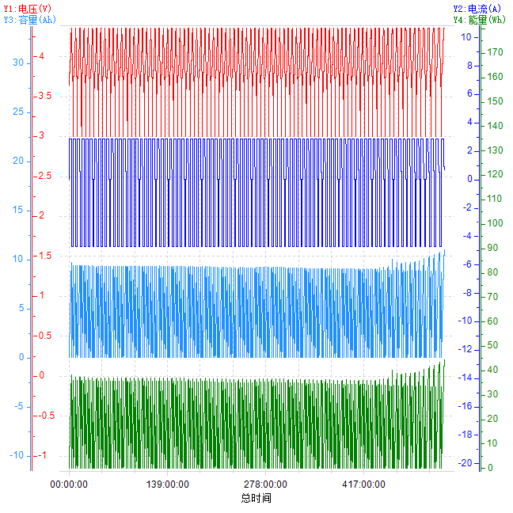
总时间-电压&&电流&&容量&&能量

