Bảng tổng hợp 1
Quarterly Sales Performance
 | close_date - Năm-quý
 | 2017-Q4 | 2017-Q3 | 2017-Q2 | 2017-Q1 | Tổng cộng
COUNTA của opportunity_id | 1,196 | 1,257 | 1,254 | 531 | 4,238

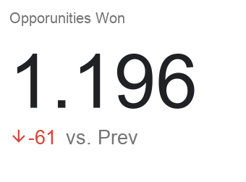
Won %
#REF!

Oportunities Won by Sale Agent

Opportunities Won by Product

Bảng tổng hợp 2
Revenue and Close Rate by Industry
account_sector | Total of Won | Total value | Close Rate | Avg Deal
employment | 179 | $436,174 | 57.6% | $2,437
entertainment | 260 | $689,007 | 57.6% | $2,650
finance | 375 | $950,908 | 55.3% | $2,536
marketing | 404 | $922,321 | 59.9% | $2,283
medical | 592 | $1,359,595 | 56.3% | $2,297
retail | 799 | $1,867,528 | 57.2% | $2,337
services | 223 | $533,006 | 57.2% | $2,390
software | 450 | $1,077,934 | 59.4% | $2,395
technology | 671 | $1,515,487 | 57.6% | $2,259
telecommunications | 285 | $653,574 | 56.9% | $2,293 | Ngành nghề: | Tất cả | Quy mô: | Tất cả
Tổng cộng | 4,238 | $10,005,534 | 57.5% | $2,361
retail | 799 | $1,867,528
Revenue by industry
Revenue and Close Rate by Size
size | Total of Won | Total value | Close Rate
SMB | 148 | $284,346 | 61.2%
Mid-Market | 575 | $1,309,735 | 55.0%
Enterprise | 3,515 | $8,411,453 | 57.7%
Tổng cộng | 4,238 | $10,005,534 | 57.5%

Revenue by Country
location | Total of Won | Total value
United States | 3,514 | $8,426,955
Korea | 111 | $194,957
Panama | 75 | $151,777
Belgium | 63 | $117,463
Philipines | 50 | $90,991
Italy | 54 | $114,352
Kenya | 53 | $107,408
Norway | 50 | $115,712
Jordan | 52 | $163,339
Japan | 46 | $123,506
Poland | 45 | $106,754
Close Rate by Company Size
Revenue by Country
Brazil | 32 | $63,103
China | 33 | $86,690
Germany | 37 | $82,622
Romania | 23 | $59,905
Tổng cộng | 4,238 | $10,005,534

