LR_Metrics
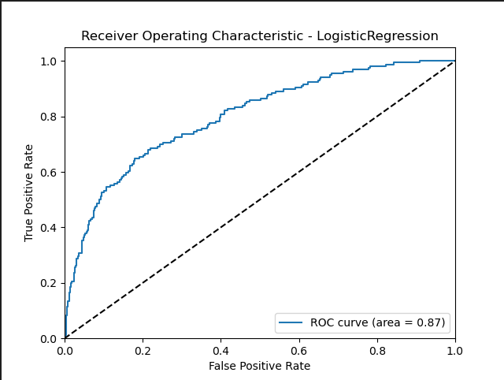
 | LR
Accuracy | 0.59375
Precision | 0.57805215581
Recall | 0.58205689068
F1 Score | 0.56640465538
AUC | 0.87413067929

DT_Metrics
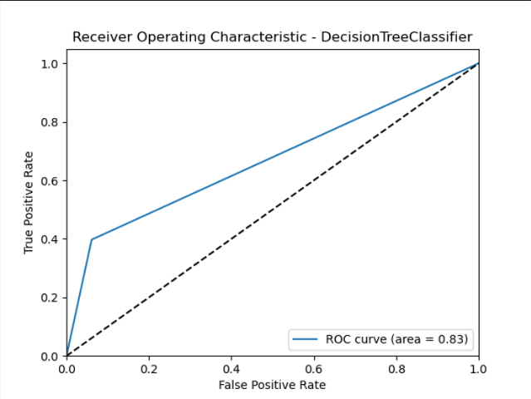
 | DT
Accuracy | 0.70265151515
Precision | 0.69062830921
Recall | 0.69982187908
F1 Score | 0.69059918248
AUC | 0.82528533054

SVM_Metrics
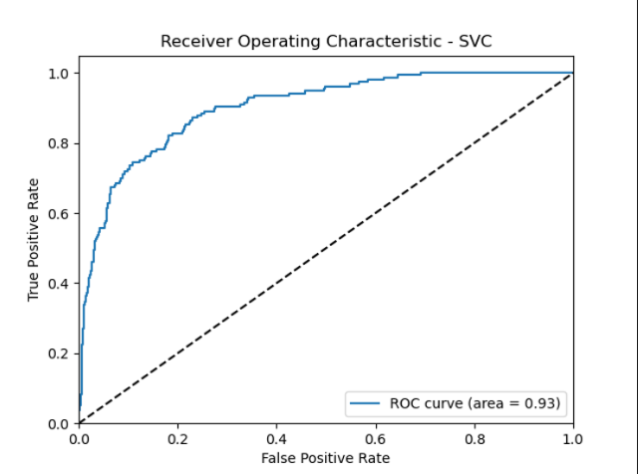
 | SVM
Accuracy | 0.70075757576
Precision | 0.69964955676
Recall | 0.69546507439
F1 Score | 0.68155781075
AUC | 0.93050029836

KNN_Metrics
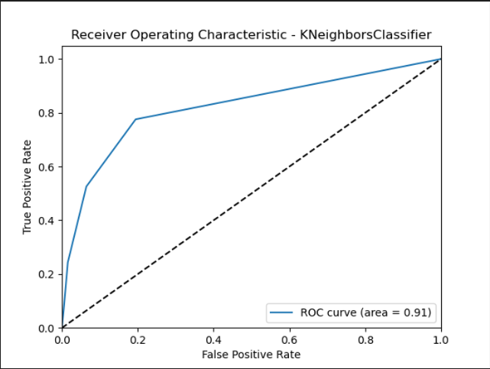
 | KNN
Accuracy | 0.71212121212
Precision | 0.69709796208
Recall | 0.70982129298
F1 Score | 0.69541127688
AUC | 0.90645534131

RF_Metrics
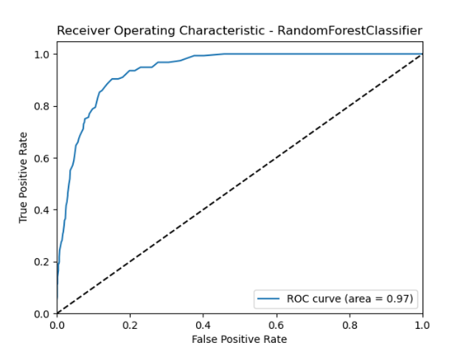
 | RF
Accuracy | 0.8115530303
Precision | 0.8010906984
Recall | 0.80684123619
F1 Score | 0.80238712714
AUC | 0.96601862154

Bagging_Metrics
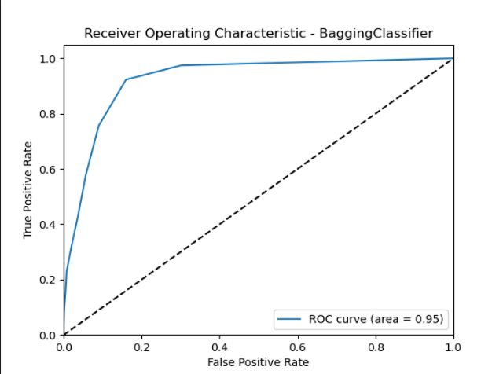
 | Bagging
Accuracy | 0.77178030303
Precision | 0.76408430965
Recall | 0.7648536589
F1 Score | 0.76259600923
AUC | 0.94649801935

