RF_Metrics
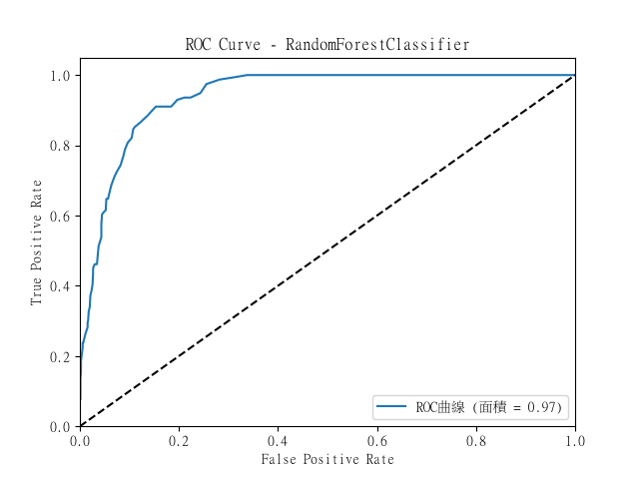
Accuracy | Precision | Recall | F1 Score | AUC
0.80965909091 | 0.7988591918 | 0.80570381972 | 0.80058978262 | 0.9687200842

RF_Confusion Matrix
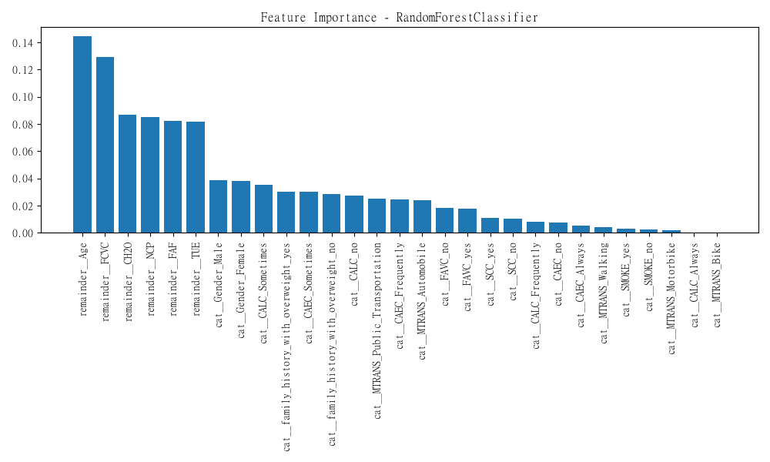
0 | 1 | 2 | 3 | 4 | 5 | 6
125 | 9 | 1 | 0 | 0 | 3 | 0
18 | 91 | 10 | 3 | 2 | 15 | 17
0 | 7 | 153 | 10 | 0 | 7 | 9
0 | 3 | 0 | 126 | 1 | 0 | 4
0 | 0 | 0 | 0 | 174 | 0 | 1
3 | 14 | 9 | 5 | 0 | 100 | 13
2 | 11 | 9 | 11 | 0 | 4 | 86

AdaBoost_Metrics
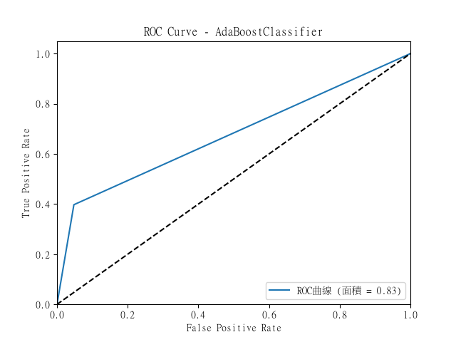
Accuracy | Precision | Recall | F1 Score | AUC
0.70454545455 | 0.69531869249 | 0.70291004608 | 0.69326150538 | 0.82698798429

AdaBoost_Confusion Matrix
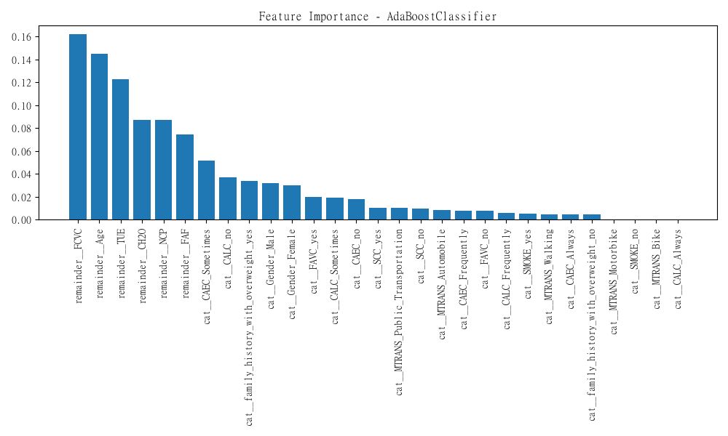
0 | 1 | 2 | 3 | 4 | 5 | 6
117 | 10 | 2 | 3 | 2 | 3 | 1
22 | 62 | 13 | 7 | 2 | 16 | 34
3 | 11 | 117 | 18 | 0 | 15 | 22
0 | 2 | 4 | 109 | 0 | 5 | 14
1 | 0 | 0 | 1 | 173 | 0 | 0
2 | 9 | 20 | 6 | 0 | 89 | 18
7 | 11 | 9 | 12 | 3 | 4 | 77

XGBoost_Metrics
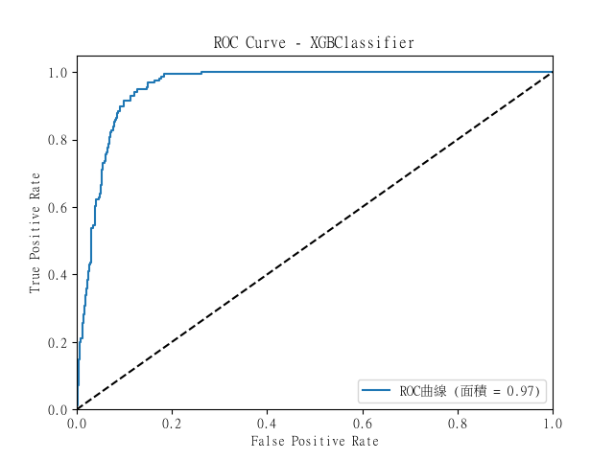
Accuracy | Precision | Recall | F1 Score | AUC
0.80871212121 | 0.80101627505 | 0.8029994127 | 0.79988631812 | 0.96686267932

XGBoost_Confusion Matrix
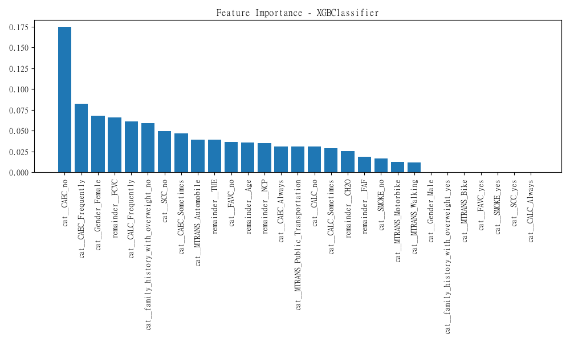
0 | 1 | 2 | 3 | 4 | 5 | 6
127 | 5 | 1 | 0 | 0 | 2 | 3
15 | 105 | 8 | 1 | 2 | 11 | 14
1 | 13 | 153 | 4 | 0 | 6 | 9
0 | 3 | 2 | 123 | 0 | 0 | 6
0 | 0 | 1 | 0 | 174 | 0 | 0
5 | 13 | 13 | 7 | 0 | 89 | 17
2 | 14 | 10 | 10 | 0 | 4 | 83

