Sheet1
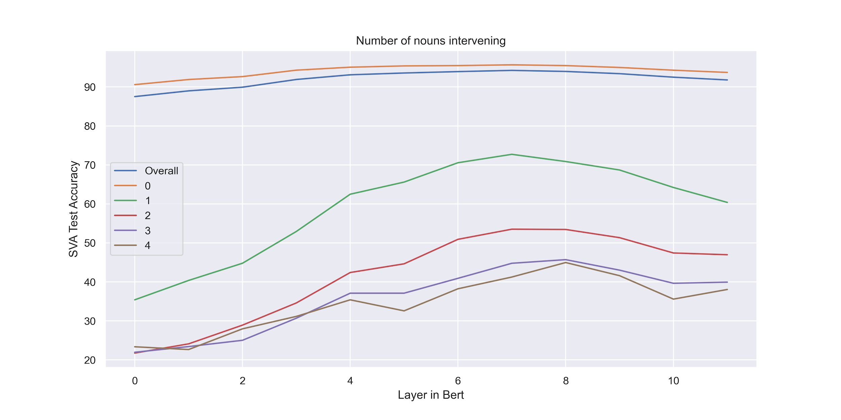
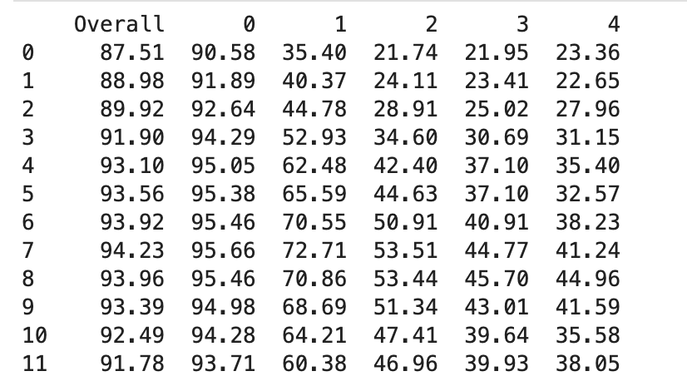
Namespace(input_folder='./output_fold', layer=0, nhid=50, dropout=0.0, seed=123) | dim=768; #instances=141948/15772 | overall/0/1/2/3/4 = 87.51/90.58/35.4/21.74/21.95/23.36/
Namespace(input_folder='./output_fold', layer=1, nhid=50, dropout=0.0, seed=123) | dim=768; #instances=141948/15772 | overall/0/1/2/3/4 = 88.98/91.89/40.37/24.11/23.41/22.65/
Namespace(input_folder='./output_fold', layer=2, nhid=50, dropout=0.0, seed=123) | dim=768; #instances=141948/15772 | overall/0/1/2/3/4 = 89.92/92.64/44.78/28.91/25.02/27.96/
Namespace(input_folder='./output_fold', layer=3, nhid=50, dropout=0.0, seed=123) | dim=768; #instances=141948/15772 | overall/0/1/2/3/4 = 91.9/94.29/52.93/34.6/30.69/31.15/
Namespace(input_folder='./output_fold', layer=4, nhid=50, dropout=0.0, seed=123) | dim=768; #instances=141948/15772 | overall/0/1/2/3/4 = 93.1/95.05/62.48/42.4/37.1/35.4/
Namespace(input_folder='./output_fold', layer=5, nhid=50, dropout=0.0, seed=123) | dim=768; #instances=141948/15772 | overall/0/1/2/3/4 = 93.56/95.38/65.59/44.63/37.1/32.57/
Namespace(input_folder='./output_fold', layer=6, nhid=50, dropout=0.0, seed=123) | dim=768; #instances=141948/15772 | overall/0/1/2/3/4 = 93.92/95.46/70.55/50.91/40.91/38.23/
Namespace(input_folder='./output_fold', layer=7, nhid=50, dropout=0.0, seed=123) | dim=768; #instances=141948/15772 | overall/0/1/2/3/4 = 94.23/95.66/72.71/53.51/44.77/41.24/
Namespace(input_folder='./output_fold', layer=8, nhid=50, dropout=0.0, seed=123) | dim=768; #instances=141948/15772 | overall/0/1/2/3/4 = 93.96/95.46/70.86/53.44/45.7/44.96/
Namespace(input_folder='./output_fold', layer=9, nhid=50, dropout=0.0, seed=123) | dim=768; #instances=141948/15772 | overall/0/1/2/3/4 = 93.39/94.98/68.69/51.34/43.01/41.59/
Namespace(input_folder='./output_fold', layer=10, nhid=50, dropout=0.0, seed=123) | dim=768; #instances=141948/15772 | overall/0/1/2/3/4 = 92.49/94.28/64.21/47.41/39.64/35.58/
Namespace(input_folder='./output_fold', layer=11, nhid=50, dropout=0.0, seed=123) | dim=768; #instances=141948/15772 | overall/0/1/2/3/4 = 91.78/93.71/60.38/46.96/39.93/38.05/

