Attachment
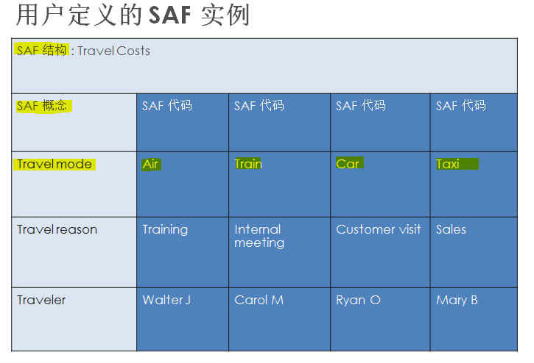
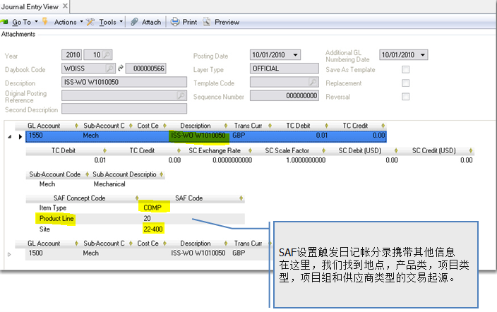
0 | 图片不见了
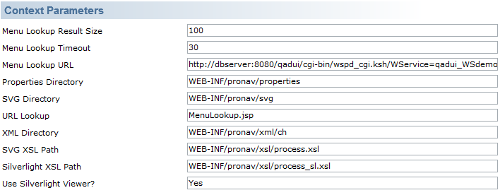

4 | XML Daemon Configure/Start
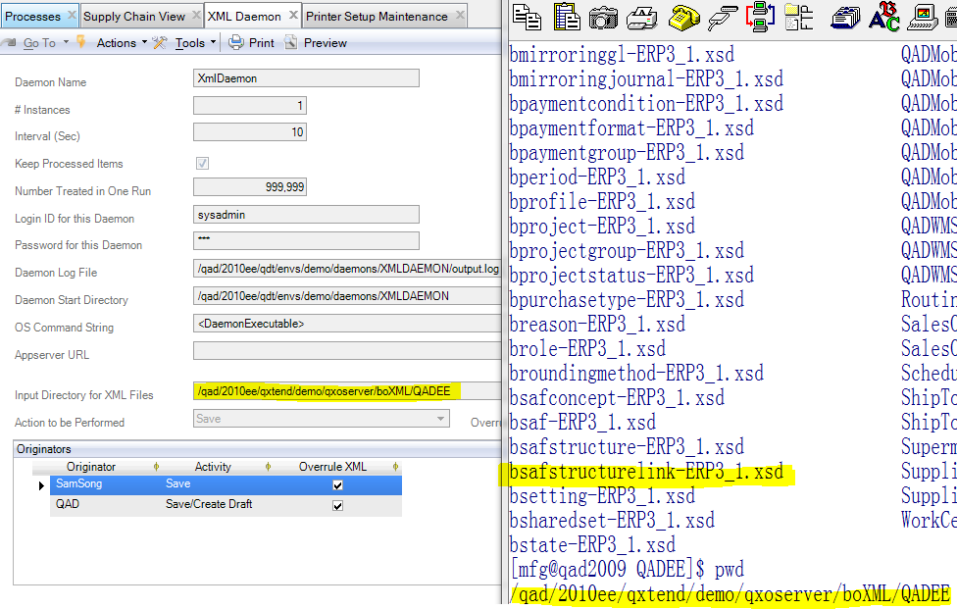

5 | Printer




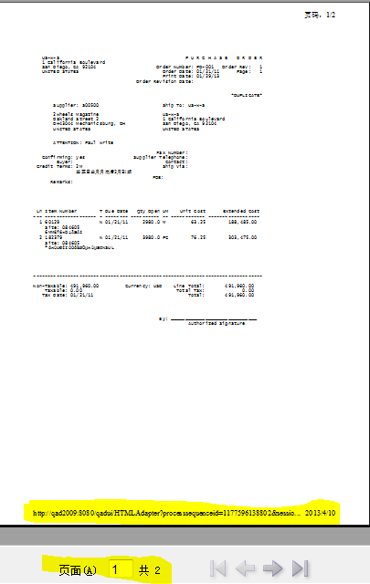
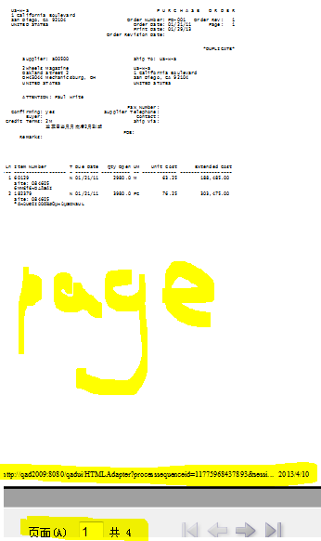

6 | Exchange Rate 类型

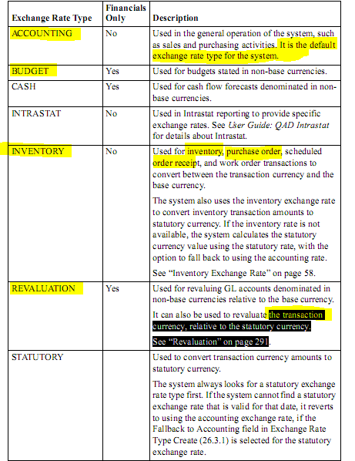

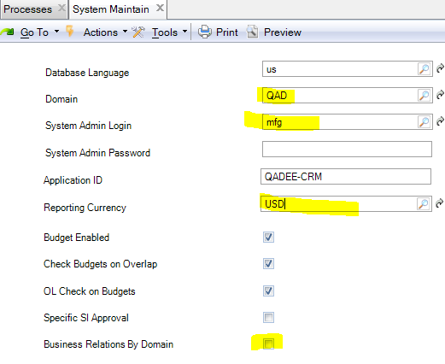

12 | Tax Base Maintenance

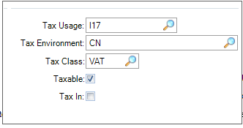
 |  | 用途多个

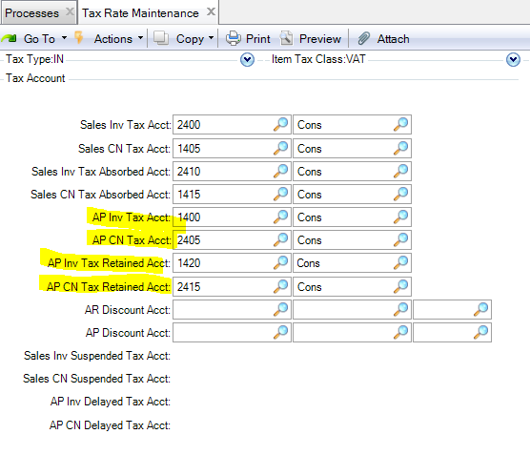

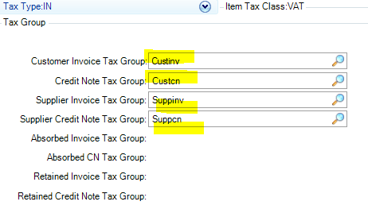

13 | Invoice Status Code 供应商发票

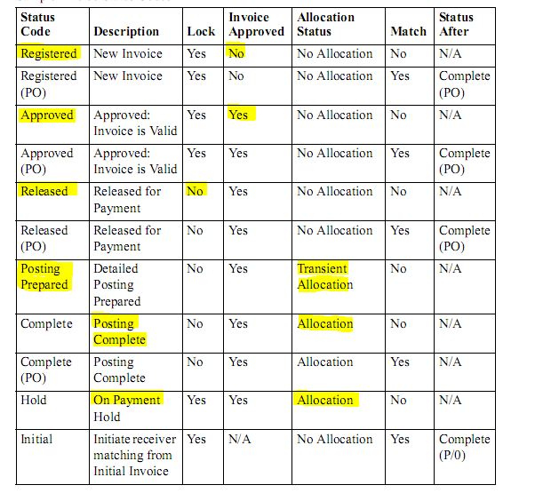

25.3.7.1.2 | SAF Concept Modify

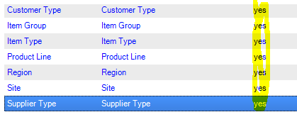

14 | Credit Term

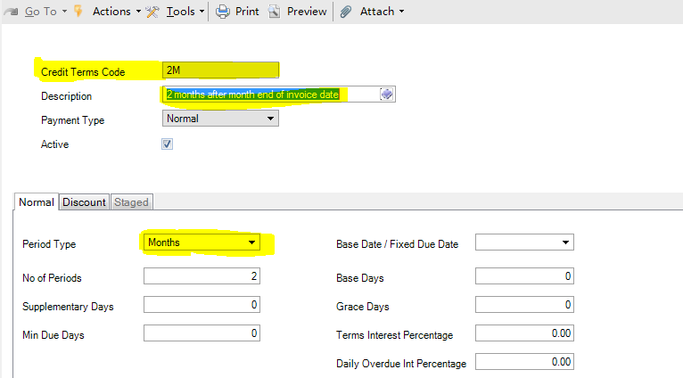

40 | Global Tax control

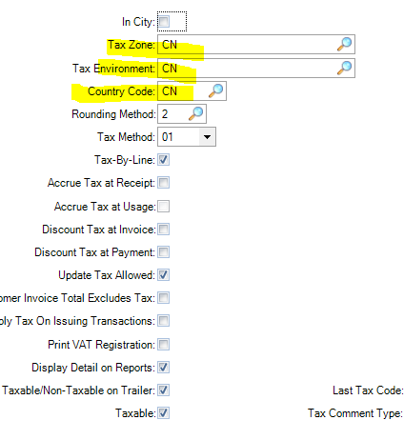

42 | Intercompany

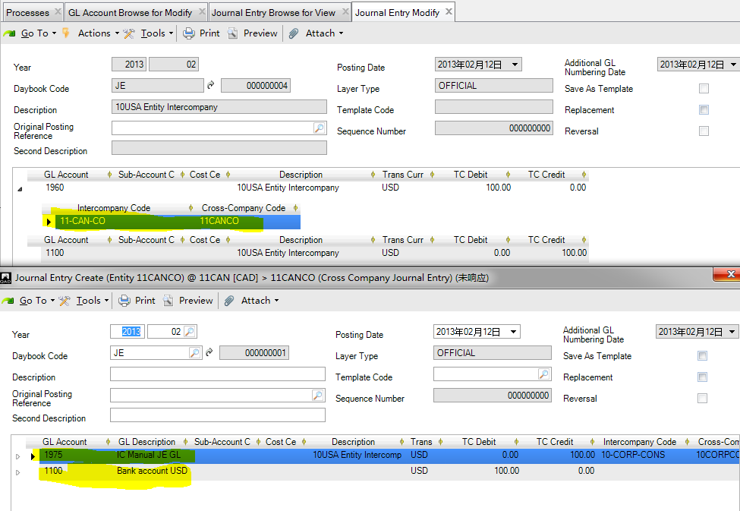

Item 46

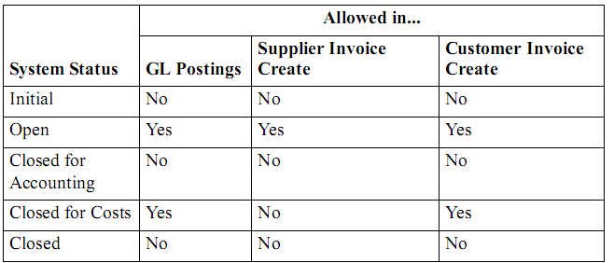

Item 48
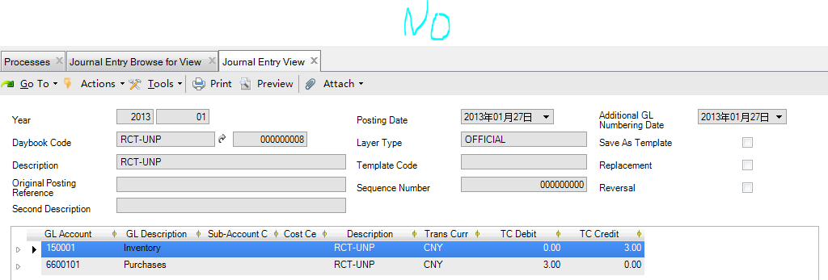

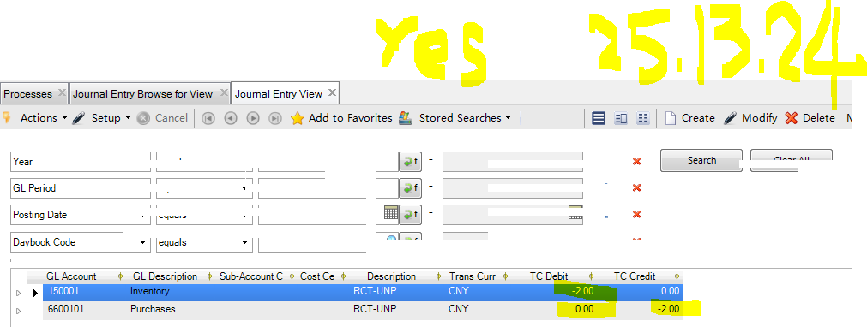

Item 50

54 Default Daybook

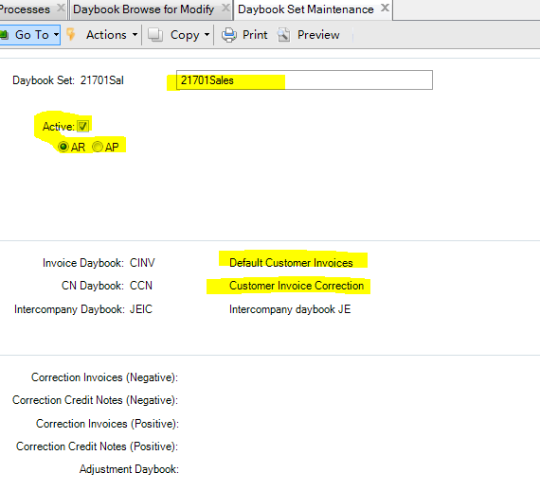

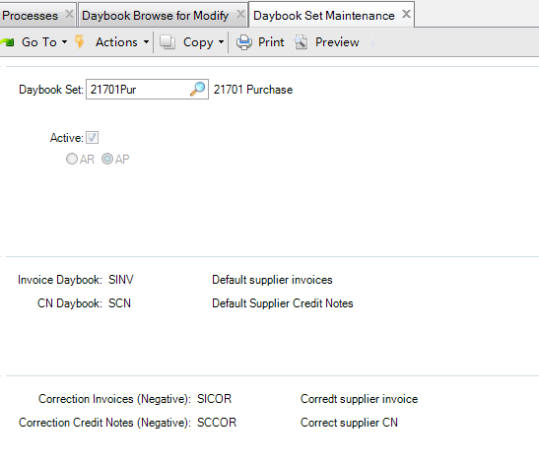

56 | Profile

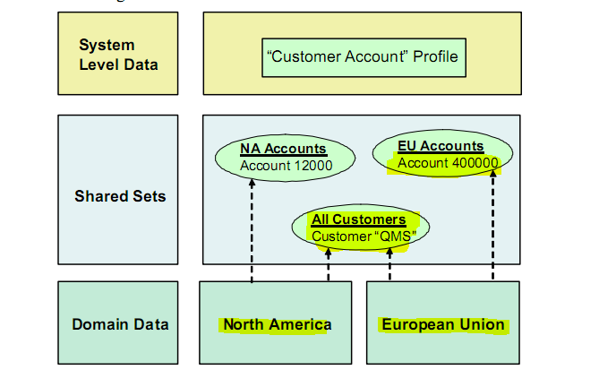

58 | Customer Payment Create

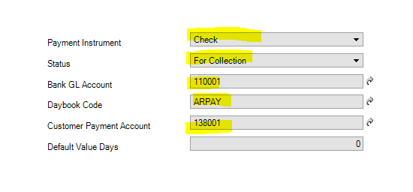

Item 65

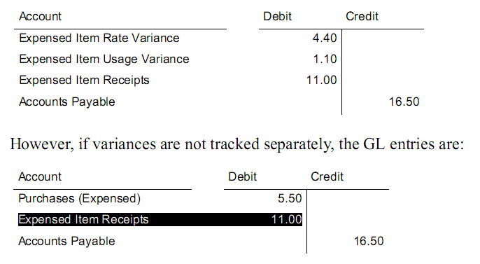

66 | BOM

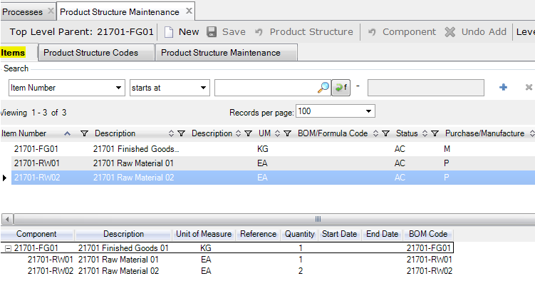

67.3 | 采购收货

44 | Sub-Account Mask

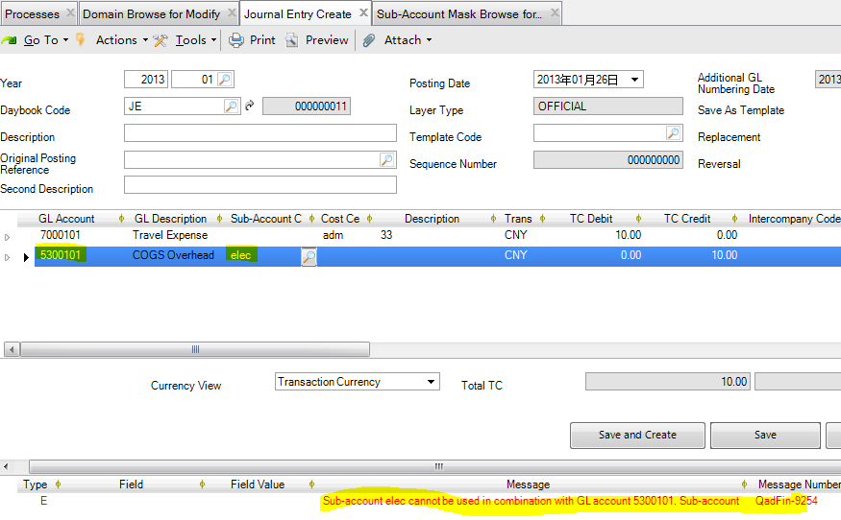

77
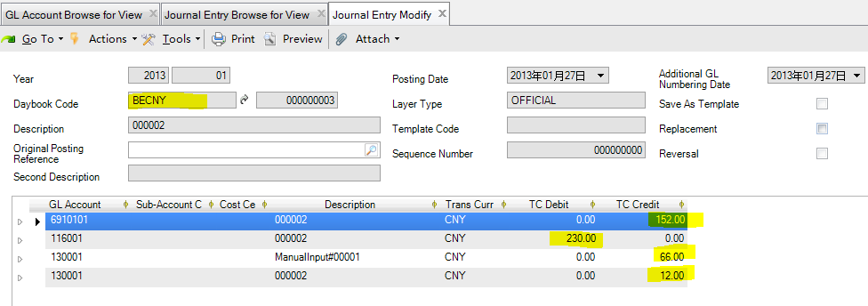

Item 18

OustandingList
序号 | 事件 | 类别 | 菜单 | 备注
1 | Report Cystal 如何安装 | 技术 | 28.9.9.7 28.17.9 | 加入文件至CRRuntime
2 | Product/Demo DB 时如何使用 XML目录 | 技术
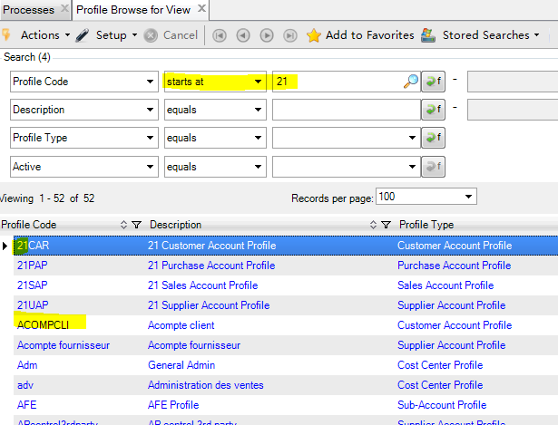
3 | 只有AR/AP 使用额外科目进行重估记录. 银行科目重估放入XX科目 | 财务
4 | I/E 的期间发生额查询 | 财务
5 | GL 导入模板 | 财务
6 | Fixed Asset | 财务
7 | B/S & P/L 格式定义 | 财务
8 | Mask 的使用 Domain设定 | 财务
9 | ReRevalue 重估功能 - 包括N种 | 财务
10 | DayBook Type : Operational/FINANCIAL区别 | 财务 |  | AR=>Operational
11 | JE Save as Draft? Approve? | 财务
12 | 25.13.24 定义不可进行负数，是否有效? | 财务
13 | Credit Terms 多个到期日,如何显示？如何反映? | 财务
14 | SAF的默认机制 | 财务
15 | 成本计算方法 Period Cost ? FIFO / AVG | 财务
16 | Open Item Account/Cash Account 在那里使用 | 财务 |  | AP/AR 暂估调整科目
17 | 转仓 DR/CR 库存Account 如何使用？ | 财务
18 | COA Cash Type 使用 | 财务 | 31.2.1 | Petty Cash Create
19 | Conditon Staring As | 财务
20 | Invoice Upper Limit 使用在金税软件中,规定发票的最高发票金额! | 财务
21 | 转仓金额没有红冲 | 财务
22 | Account "Quantity" 为何在BC Balance view没有更新? | 财务

