Explanations
Explanations and additional information
This Excel file is an updated appendix to Olenina, I., Hajdu, S., Andersson, A.,Edler, L., Wasmund, N., Busch, S., Göbel, J., Gromisz, S., Huseby, S., Huttunen, M., Jaanus, A., Kokkonen, P., Ledaine, I., Niemkiewicz, E., 2006. Biovolumes and size-classes of phytoplankton in the Baltic Sea. Baltic Sea Environment Proceedings No.106, 144pp. (Publication available at: http://www.helcom.fi.)
This Excel file is updated yearly by the HELCOM EG PHYTO (former PEG), and the latest version is available at: https://www.ices.dk/data/Documents/ENV/PEG_BVOL.zip.
Biovolume formulas used are described in Olenina et al (2006) above, with the exceptions found below under "Comments".
More information about the file and the updating process is given in the file "PEG_Bvol_Update_Procedure.docx"
Column AA (Calculated_volume_µm3/counting unit): Use this column for biovolume calculations. If the biovolume is ≥ 1 µm3, no decimals shall be used. If the biovolume is < 1 µm3, two decimals shall be used.
Column AE (Calculated_carbon_pg/counting unit): Use this column for carbon calculations. If the carbon is ≥ 1 pg, no decimals shall be used. If the biovolume is < 1 pg, two decimals shall be used.
Column Z ((Calculated_volume_µm3/counting unit) (with formula)) and column AD ((Calculated_carbon_pg/counting unit) (with formula)): columns showing biovolume and carbon calculations and shall not be used in biovolume and carbon calculations (see instead column AA respectively AE).
Abbreviations:
AU - Autotrophic
HT - Heterotrophic
MX - Mixotrophic
coen. - coenobium
fil. - filament
HD factor - relation between hidden and visible dimensions
SP - One species is included under this name
SPP - Several species are included under this name
CF - Resemblance to the taxon named but not certain
CPX - Complex - more than one genus or species
GRP - Group - any species within the described genus resembling by form and size the described species (PEG)
CY - Cyst
NK - Naked
GM - gamet
Comments:
* - species not included in Checklist of Baltic Sea Phytoplankton Species (Hällfors 2004).
1 - species counted as 100µm filament, comprising spherical cells
2 - most common species, earlier called Aphanizomenon flos-aque
3 - HD factor=0.25 needs confirmation
4 - length of cell is measured as total length minus two processes of 5 µm length each
5 - fixed volumes
6 - size class based on cell diameter
7 - size classes based on cell lenght
8 - size classes based on cell apical axis
9 - volume calculated as rotational ellipsoid without narrow empty ends of cell
10 - unidentified cells with flagella, which may belong to different taxonomical groups
11 - unidentified cells without flagella, which may belong to different taxonomical groups
12 - The biovolume of Pediastrum-like green algae is determined as a cylinder, the height of which is the shortest side of one cell in the middle of the coenobium (i.e. dimension marked in blue, indicated by “h” and the arrow in the figure below). Image modified from Edler (1979).
Edler, L. (ed.) 1979: Recommendations on methods for marine biological studies in the Baltic Sea. Phytoplankton and chlorophyll. – The Baltic Marine Biologists Publication No. 5:1.38.

13 - From 2020 onwards, the genus Ceratium comprises only freshwater species; the marine species are in the genus Tripos.
14 - Spindle shape. Reference: SS-EN 16695:2015, Water quality - Guidance on estimation of phytoplankton biovolume
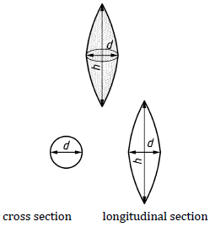

Formula: V=2/15 × ∏ × d2 × h
15 - Pyramide shape. Reference: SS-EN 16695:2015, Water quality - Guidance on estimation of phytoplankton biovolume
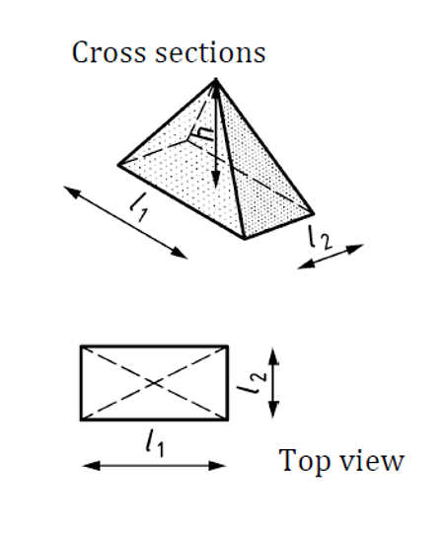

Formula: V=1/3 × l1 × l2 × h

Carbon formula used, according to conclusions in Menden-Deuer & Lessard (2000). Limnol Oceanogr 45(3) 569-579:
Diatoms: pgC cell-1=0.288 × volume0,811.
All other groups (Protists): pgC cell-1=0.216 × volume0,939

Carbon density is not constant but decreases significantly with increasing cell volume (Menden-Deuer & Lessard, 2000).
Due to this carbon content of filaments (or colonies) in this biovolume file is calculated based on biovolume of the single cells in the filaments (or colonies).

Abbreviations in Not_accepted_name and Nonvalid_SIZCL:
N=species/size class not accepted in PEG biovolume file any more or for reporting to ICES.

16 - The filament is ca 1-2 um wide, but due to tight coiling, the resulting filament width is greater, 3-5 um. This has been taken into account in the biovolume calculation.
17 - The species is here treated as it were a cell, although it in reality is a colony consisting of 2, 4, 8, or 16 zooids.

