orders
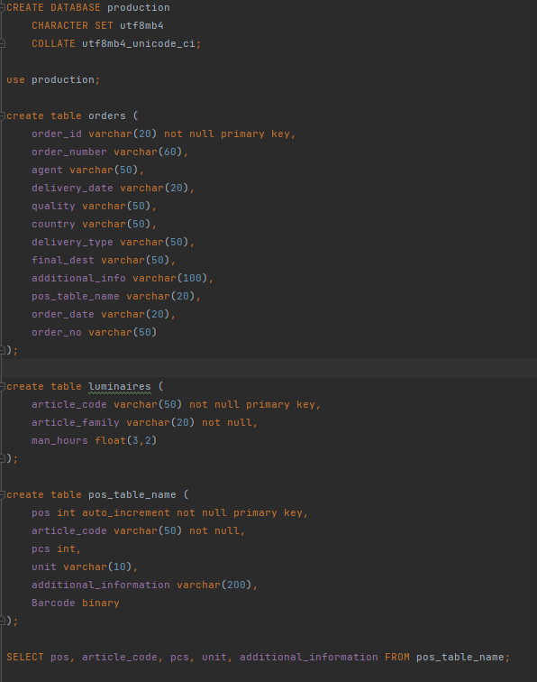
order_id | order_number | agent | delivery_date | quality | country | delivery_type | final_dest | additional_info | pos_table_name | order_date | order_no

