Protocol
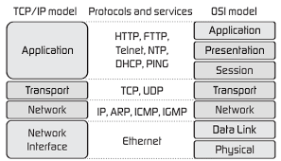
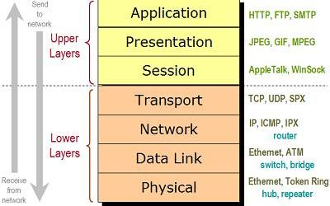
LDAP (Lightweight Directory Access Protocol)
TCP/IP | internet protocol
TCP & UDP : TCP/IP | Transport layer of TCP/IP
TCP | Three step hand shake when open connection; 4 step shake hand when finish connection. No lost data. Resend data if not get the ACK packet
 | ssh, web, smtp
 | create connection, ensure guaranteed and ordered delivery
UDP | faster than TCP, unreliable, not resend data, broadcast, multicast all client which is listened on certain port.
 | pop3, game, video stream. DHCP, DNS

