Pinos Usados
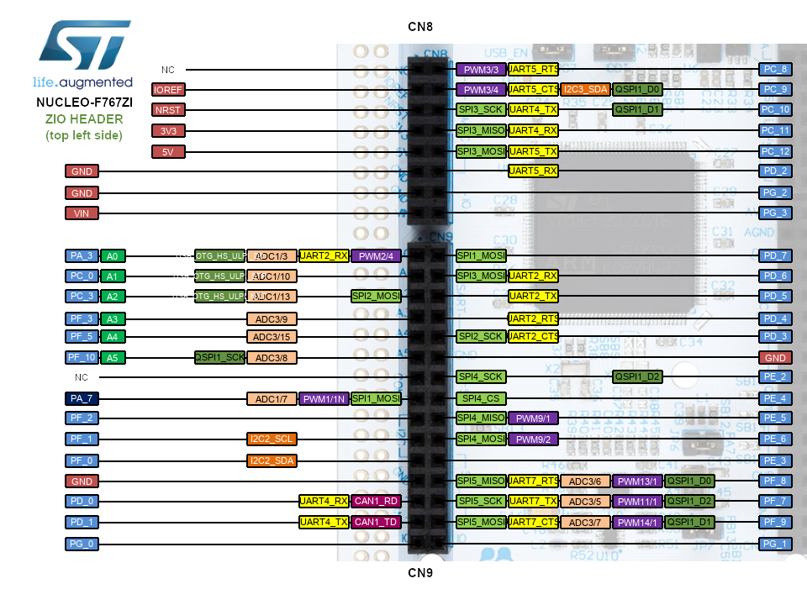
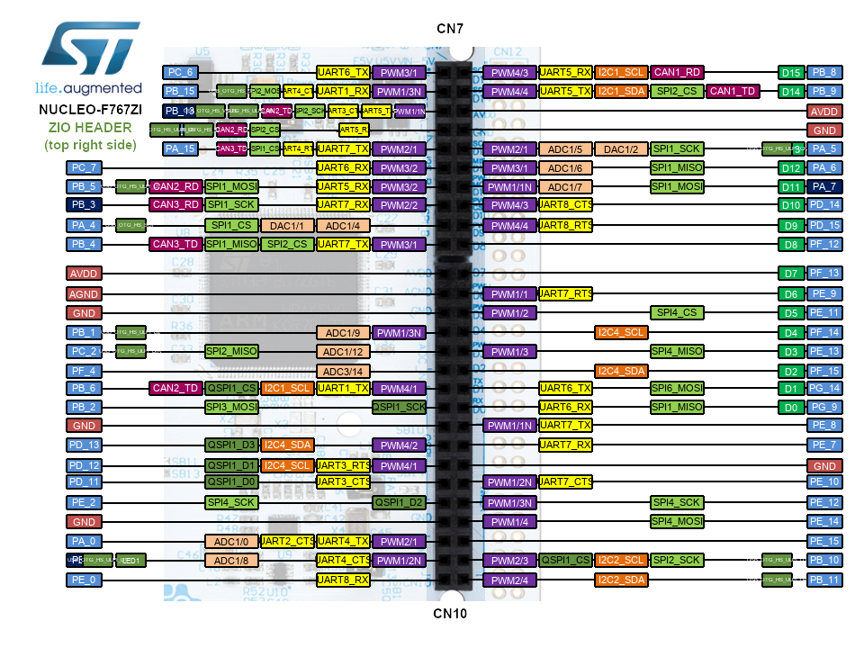

Porto | Pin | Uso | Porto | Pin | Uso | Porto | Pin | Uso
A | 0 | ADC 1 Channel 0 - Sensor 1 | D | 0 |  | G | 0
 | 1 |  |  | 1 |  |  | 1
 | 2 |  |  | 2 |  |  | 2
 | 3 | ADC 1 Channel 3 - Sensor 2 |  | 3 |  |  | 3
 | 4 | ADC 1 Channel 4 - Sensor 3 |  | 4 |  |  | 4
 | 5 |  |  | 5 |  |  | 5
 | 6 |  |  | 6 |  |  | 6
 | 7 |  |  | 7 |  |  | 7
 | 8 |  |  | 8 | USART 3 - RX |  | 8
 | 9 |  |  | 9 | USART 3 - TX |  | 9
 | 10 |  |  | 10 |  |  | 10
 | 11 |  |  | 11 |  |  | 11
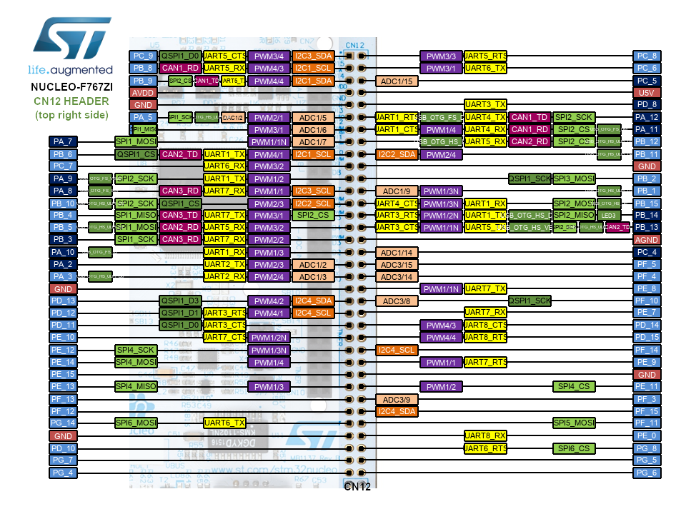
 | 12 |  |  | 12 |  |  | 12
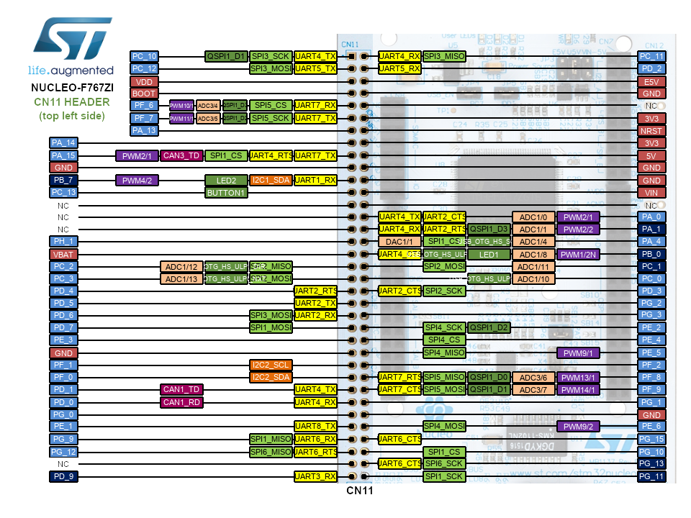
 | 13 |  |  | 13 |  |  | 13
 | 14 |  |  | 14 |  |  | 14
 | 15 |  |  | 15 |  |  | 15
B | 0 | ADC 1 Channel 8 - Sensor 4 | E | 0 |  | H | 0
 | 1 | ADC 1 Channel 9 - Sencor 5 |  | 1 |  |  | 1
 | 2 |  |  | 2
 | 3 |  |  | 3
 | 4 |  |  | 4
 | 5 |  |  | 5 |  | Notas
 | 6 | USART 1 - TX |  | 6 |  | Resolver Conflito entre USART1 e saída de controlo do Motor no pino B15
 | 7 |  |  | 7
 | 8 |  |  | 8
 | 9 |  |  | 9
 | 10 |  |  | 10
 | 11 |  |  | 11
 | 12 |  |  | 12
 | 13 | IN 2 - Motor Direita |  | 13
 | 14 |  |  | 14
 | 15 | USART 1 - RX/ IN motor (Conflito) |  | 15
C | 0 | ADC 1 Channel 10 - Senosr 6 | F | 0
 | 1 |  |  | 1 |  |  |  |  |  |  |  |  |  |  |  |  |  |  |  |  |  |  |  |  |  |  |  | NC | PC_8 | PWM3/3 | UART5_RTS
 | 2 | ADC 1 Channel 12 - Sensor 7 |  | 2 |  |  |  |  |  |  |  |  |  |  |  |  |  |  |  |  |  |  |  |  |  |  |  | IOREF | PC_9 | PWM3/4 | UART5_CTS | I2C3_SDA | QSPI1_D0
 | 3 | ADC 1 Channel 13 - Sensor 8 |  | 3 |  |  |  |  |  |  |  |  |  | UART6_TX | PWM3/1 | PC_6 | PB_8 | PWM4/3 | UART5_RX | I2C1_SCL | CAN1_RX |  |  |  |  |  |  | NRST | PC_10 | SPI3_SCK | UART4_TX |  | QSPI1_D1
 | 4 |  |  | 4 |  |  |  |  |  |  | USB_OTG_HS_DP | SPI2_MOSI | UART4_CTS | UART1_RX | PWM1/3N | PB_15 | PB_9 | PWM4/4 | UART5_TX | I2C1_SDA | SPI2_CS | CAN1_TX |  |  |  |  |  | 3V3 | PC_11 | SPI3_MISO | UART4_RX
 | 5 |  |  | 5 |  |  |  |  | USB_OTG_HS_VBUS | USB_OTG_HS_ULPI_D6 | CAN2_TX | SPI2_SCK | UART3_CTS | UART5_TX | PWM1/1N | PB_13 | AVDD |  |  |  |  |  |  |  |  |  |  | 5V | PC_12 | SPI3_MOSI | UART5_TX
 | 6 |  |  | 6 |  |  |  |  | USB_OTG_HS_ID | USB_OTG_HS_ULPI_D5 | CAN2_RX | SPI2_CS |  | UART5_RX |  | PB_12 | GND |  |  |  |  |  |  |  |  |  |  | GND | PD_2 |  | UART5_RX
 | 7 |  |  | 7 |  |  |  |  |  |  | CAN3_TX | SPI1_CS | UART4_RTS | UART7_TX | PWM2/1 | PA_15 | PA_5 | PWM2/1 | ADC1/5 | DAC1/2 | SPI1_SCK |  | USB_OTG_HS_ULPI_CK |  |  |  |  | GND | PG_2
 | 8 |  |  | 8 |  |  |  |  |  |  |  |  |  | UART6_RX | PWM3/2 | PC_7 | PA_6 | PWM3/1 | ACD1/6 |  | SP1_MISO |  |  |  |  |  |  | VIN | PG_3
 | 9 |  |  | 9 |  |  |  |  |  | USB_OTG_HS_ULPI_D7 | CAN2_RX | SPI1_MOSI |  | UART5_RX | PWM3/2 | PB_5 | PA_7 | PWM1/1N | ADC1/7 |  | SPI1_MOSI
 | 10 | SPI SCK |  | 10 |  |  |  |  |  |  | CAN3_RX | SPI1_SCK |  | UART7_RX | PWM2/2 | PB_3 | PD_14 | PWM4/3 | UART8_CTS |  |  |  |  | USB_OTG_HS_ULPI_D0 | ADC1/3 | UART2_RX | PWM2/4 | PA_3 | PD_7 | SP1_MOSI
 | 11 | SPI MISO |  | 11 |  |  |  |  |  | USB_OTG_HS_SOF |  | SPI1_CS | DAC1/1 | ADC1/4 |  | PA_4 | PD_15 | PWM4/4 | UART8_RTS |  |  |  |  | USB_OTG_HS_ULPI_STP | ADC1/10 |  |  | PC_0 | PD_6 | SPI3_MOSI | UART2_RX
 | 12 | SPI MOSI |  | 12 |  |  |  |  |  |  | CAN3_TX | SPI1_MISO | SPI2_CS | UART7_TX | PWM3/1 | PB_4 | PF_12 |  |  |  |  |  |  | USB_OTG_HS_ULPI_NXT | ADC1/13 |  | SPI2_MOSI | PC_3 | PD_5 |  | UART2_TX
 | 13 |  |  | 13 |  |  |  |  |  |  |  |  |  |  |  |  |  |  |  |  |  |  |  |  | ADC3/9 |  |  | PF_3 | PD_4 |  | UART2_RTS
 | 14 |  |  | 14 |  |  |  |  |  |  |  |  |  |  |  | AVDD | PF_13 |  |  |  |  |  |  |  | ADC3/15 |  |  | PF_5 | PD_3 | SPI2_SCK | UART2_CTS
 | 15 |  |  | 15 |  |  |  |  |  |  |  |  |  |  |  | AGND | PF_9 | PWM1/1 | UART7_RTS |  |  |  |  | QSPI_SCK | ADC3/8 |  |  | PF_10 | GND
 |  |  |  |  |  |  |  |  |  |  |  |  |  |  |  | GND | PE_11 | PWM1/2 |  |  | SPI4_CS |  |  |  |  |  |  | NC | PE_2 | SPI4_SCK |  |  | QSPI1_D2
 |  |  |  |  |  |  |  |  |  | USB_OTG_HS_ULPI_D2 |  |  |  | ADC1/9 | PWM1/3N | PB_1 | PF_14 |  |  | I2C4_SCL |  |  |  |  | ADC1/7 | PWM1/1N | SPI1_MOSI | PA_7 | PE_4 | SPI4_CS
 |  |  |  |  |  |  |  |  |  | USB_OTG_HS_ULPI_DIR |  | SPI2_MISO |  | ADC1/12 |  | PC_2 | PE_13 | PWM1/3 |  |  | SPI4_MISO |  |  |  |  |  |  | PF_2 | PE_5 | SPI4_MISO | PWM9/1
 |  |  |  |  |  |  |  |  |  |  |  |  |  | ADC3/14 |  | PF_4 | PF_15 |  |  | I2C4_SDA |  |  |  |  | I2C2_SCL |  |  | PF_1 | PE_6 | SPI4_MOSI | PWM9/2
 |  |  |  |  |  |  |  |  |  |  | CAN2_RX | QSPI_CS | I2C_SCL | UART1_TX | PWM4/1 | PB_6 | PG_14 |  | UART6_TX |  | SPI6_MOSI |  |  |  | I2C2_SDA |  |  | PF_0 | PE_3
 |  |  |  |  |  |  |  |  |  |  |  | SPI3_MOSI |  |  | QSPI_SCK | PB_2 | PG_9 |  | UART6_RX |  | SPI1_MISO |  |  |  |  |  |  | GND | PF_8 | SPI5_MISO | UART7_RTS | ADC3/6 | PWM13/1 | QSPI1_D0
 |  |  |  |  |  |  |  |  |  |  |  |  |  |  |  | GND | PE_8 | PWM1/1N | UART7_TX |  |  |  |  |  |  | UART4_RX | CAN1_RX | PD_0 | PF_7 | SPI5_SCK | UART7_TX | ADC3/5 | PWM11/1 | QSPI1_D2
 |  |  |  |  |  |  |  |  |  |  |  | QSPI1_D3 | I2C4_SDA |  | PWM4/2 | PD_13 | PE_7 |  | UART7_RX |  |  |  |  |  |  | UART4_TX | CAN1_TX | PD_1 | PF_9 | SPI5_MOSI | UART7_CTS | ADC3/7 | PWM14/1 | QSPI1_D1
 |  |  |  |  |  |  |  |  |  |  |  | QSPI1_D1 | I2C4_SCL |  | PWM4/1 | PD_12 | GND |  |  |  |  |  |  |  |  |  |  | PG_0 | PG_1
 |  |  |  |  |  |  |  |  |  |  |  | QSPI1_D0 |  | UART3_RTS |  | PD_11 | PE_10 | PWM1/2N | UART7_CTS
 |  |  |  |  |  |  |  |  |  |  |  | SPI4_SCK |  |  | QSPI1_D2 | PE_2 | PE_12 | PWM1/3N |  |  | SPI4_SCK
 |  |  |  |  |  |  |  |  |  |  |  |  |  |  |  | GND | PE_14 | PWM1/4 |  |  | SPI4_MOSI
 |  |  |  |  |  |  |  |  |  |  |  | ADC1/10 | UART2_CTS | UART4_TX | PWM2/1 | PA_0 | PE_15
 |  |  |  |  |  |  |  |  |  | USB_OTG_HS_ULPI_D1 |  | ADC1/8 |  | UART4_CTS | PWM1/2N | PB_0 | PB_10 | PWM2/3 | QSPI1_CS | IS2_SCL | SPI1_SCK |  | USB_OTG_HS_ULPI_D3
 |  |  |  |  |  |  |  |  |  |  |  |  |  | UART8_RX |  | PE_0 | PB_11 | PWM2/4 |  | I2C_SDA |  |  | USB_OTG_HS_ULPI_D4

