Sheet1
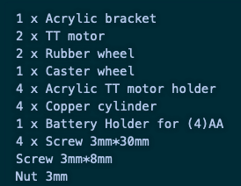
Description | Value (€) | Supplier | Category
Electronic box & Connectors | 15.98 | Leroy Merlin | Casing & Connectors
Electronic box connectors & Power supply connectors | 4.4 | Botnroll | Casing & Connectors
Power supply case | 3.69 | Botnroll | Casing & Connectors
Mechanical Components | 14 | ELAX | Mechanical
Mechanical 3D printed components | 20 | NEEEICUM | Mechanics
Control PCB components | 4.92 | Botnroll | PCB
Actuator PCB | 6 | Oficinas DEI | PCB
Actuator PCB components | 10.55 | Botnroll | PCB
Control PCB | 11 | Oficinas DEI | PCB
HMI PCB | 6 | Oficinas DEI | PCB
Total | 96.54

Description | Unit cost (€) | Supplier | Category | Quantity | In Stock | Total cost (€)
Remote Vision susbsystem | 5 | Pi Hub | Computational Platform | 1 | yes | 5
Camera | 20 | Pi Hub | Computational Platform | 1 | yes | 20
Car platform | 20 | https://www.botnroll.com/pt/bases/2151--kit-iniciacao-para-robo-mecanica-.html | Car HW | 1 | no | 20
Car Rechargeable Battery | 5 |  | Car HW | 1 | no | 5
Odometric Sensors | 7.95 |  | Car HW | 9 |  | 71.55
Navigation Subsystem | 27 |  | Computational Platform | 1 | yes | 27
Smartphone |  |  | Smartphone | 1 | yes | 0
 |  |  |  |  |  | 148.55

 |  |  | 10000 |  |  | 1485500
 |  |  | 250 | 7 | 10 | 17500
 |  |  |  |  |  | 1503000
 |  |  |  |  |  | 150.3

