Bing UTM
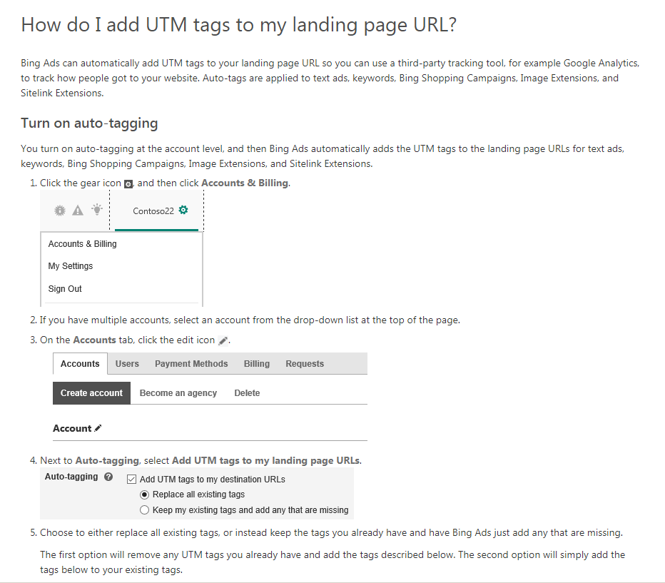
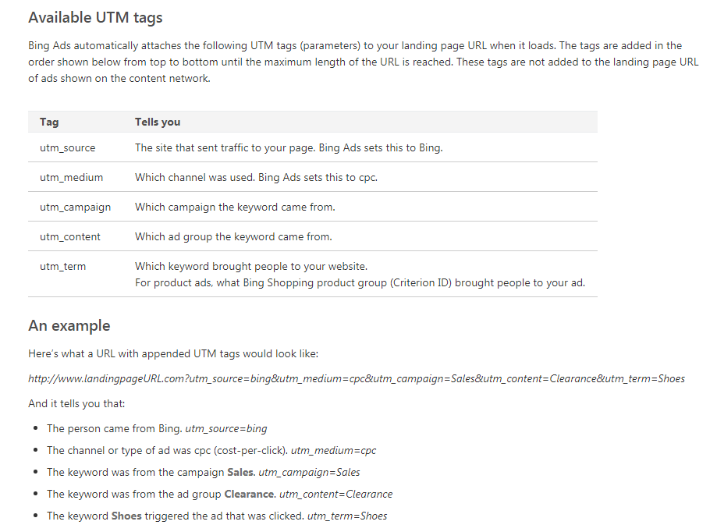
https://help.bingads.microsoft.com/apex/index/3/en/56762

Facebook UTM
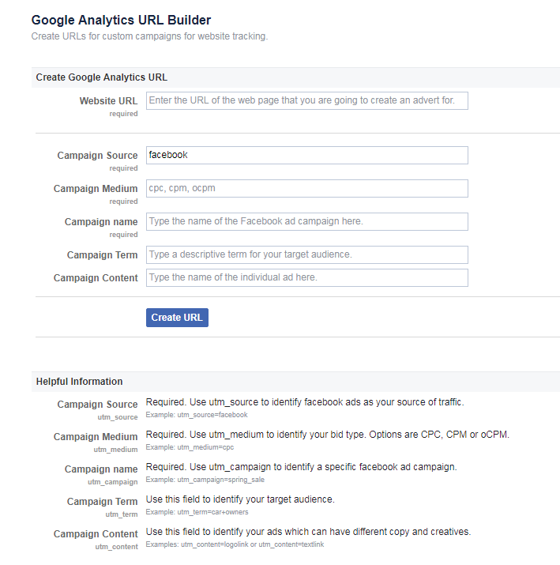
https://www.facebook.com/business/google-analytics/build-your-url

MGID UTM
1 目前MGID转化跟踪用的是PIXEL, 必顺结合UTM才MGID才可以跟转到转化。

2 MGID 广告系列设置 Tracking tag 设置为On 后，其默认设置为utm sources=mgid.com, utm medium=cpc, utm campaign= mgid campaign name
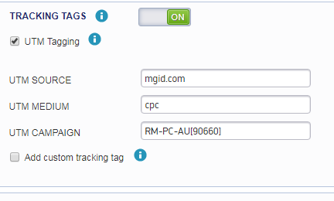

3 同时广告层级也会加入相应的utm_terms & uterm content,分别对应 投放广告的widget ID和 广告创意 ID

