Error Log
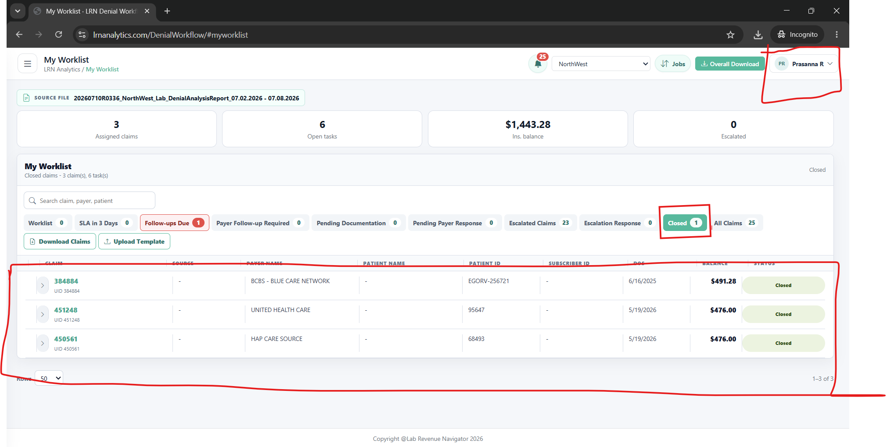
AR Manager Escalation Response Error

Row | ClaimId | TaskId | Result | Action | OldStatus | NewStatus | Note | FailureReason
2 | 450561_1654034_20260519 | TSK-425424 | Failed |  | Escalated to AR Manager | Escalated to AR Manager |  | Escalation response was not applied.
3 | 450561_1654034_20260519 | TSK-425425 | Failed |  | Escalated to AR Manager | Escalated to AR Manager |  | Escalation response was not applied.
4 | 450571_1653619_20260519 | TSK-425428 | Failed |  | Escalated to AR Manager | Escalated to AR Manager |  | Escalation response was not applied.
5 | 450571_1653619_20260519 | TSK-425429 | Failed |  | Escalated to AR Manager | Escalated to AR Manager |  | Escalation response was not applied.
6 | 450617_1653259_20260519 | TSK-425470 | Failed |  | Escalated to AR Manager | Escalated to AR Manager |  | Escalation response was not applied.
7 | 450617_1653259_20260519 | TSK-425471 | Failed |  | Escalated to AR Manager | Escalated to AR Manager |  | Escalation response was not applied.

AR Reviwer Login with Notes in the Application |  |  |  |  |  |  |  |  | AR Reviewer Download File do not contain the Notes entered
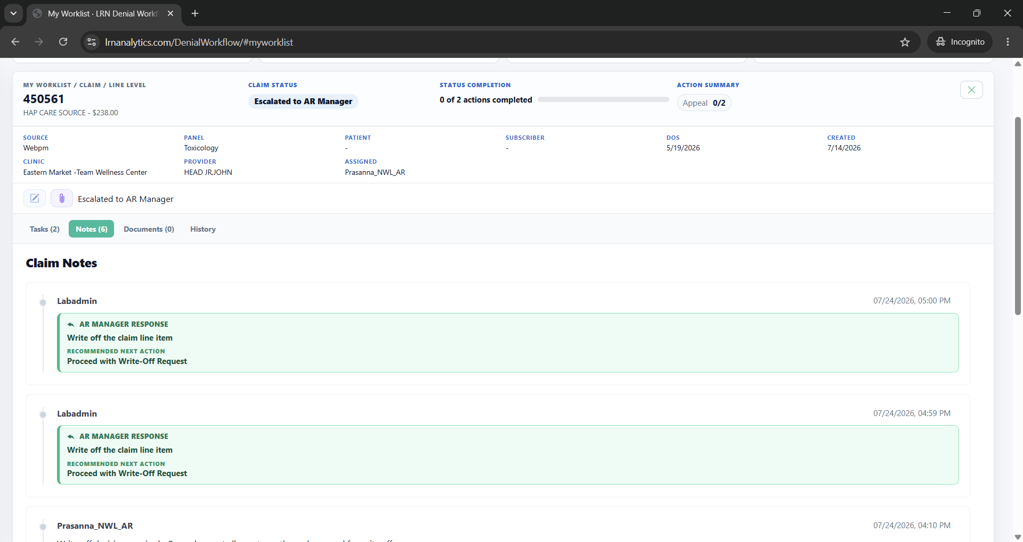
 |  |  |  |  |  |  |  |  | ClaimID | TaskID | UniqueTrackId | PatientName | PatientID | PayerName | PanelName | ClinicName | SalesRepname | ReferringProvider | DateOfService | CPTCode | Units | Modifier | DenialCode | DenialDescription | DenialClassification | ActionCategory | ActionCode | RecommendedAction | Task | Priority | InsuranceBalance | SLADays | CurrentStatus | AssignedTo | DateOpened | DueDate | SLAStatus | FirstBilledDate | ChargeEnteredDate | ICDCodes | ICDComplianceStatus | CoverageStatus | DenialValidity | CCWICD10Code | BilledICDCodesNotAvailableInPayerPolicy | CoveredICD10CodesAsPerPayerPolicy | CoveredICD10CodesBilled | CoveredICDPresence | LISICD10Codes | NonCoveredICD10CodesAsPerPayerPolicy | NonCoveredICD10CodesBilled | ClaimUID | AccessionNo | PatientDOB | SubscriberId | Source | PayStatus | BilledAmount | FinalClaimStatus | FinalCoverageStatus | ActionComment | DenialDate | DaystoDOS | DaystoBill | DenialType | TaskGuidance | TaskStatus | ShortCategory | UpdateStatus | ExpectedResponseDate | ActionCompleted | ActualOutcome | DocumentationType | FollowUpReason | ClosureReason | ValidationStatus | Comments | EscalationReason | OtherEscalationReason | EscalationComment | EscalationExpectedResponseDate | EscalationResponse | EscalationResponseComment | Notes
 |  |  |  |  |  |  |  |  | 450561_1654034_20260519 | TSK-425424 | 450561_1654034_20260519|80307|CO197 |  | 68493 | HAP CARE SOURCE | Toxicology | Eastern Market -Team Wellness Center |  | HEAD JR,JOHN | 05/19/2026 | 80307 | 1 |  | CO197 | Precertification/authorization/notification/pre-treatment absent. | Authorization Denial | Appeal | APP | Obtain retroactive authorization if possible; otherwise appeal with clinical notes | Obtain Retro Auth / Appeal | High | 78.00 | 30 | Closed | Prasanna_NWL_AR | 07/07/2026 | 08/06/2026 | Met | 05/29/2026 | 05/25/2026 |  | Payer Not Found |  | N/A |  | F12.10, F25.0, Z79.899 |  |  | Not Present | F12.10,F25.0,Z79.899 |  |  | 450561_1654034_20260519 | 1654034 | 01/23/1999 |  | Webpm | Denied | 78.0000 | Fully Denied |  | Payer code blank or payer not found in payer policy lookup | 05/28/2026 | 52 | 42 | CO197: Authorization Denial | CO197: Obtain Retro Auth / Appeal | Open | CO197: Auth
 |  |  |  |  |  |  |  |  | 450561_1654034_20260519 | TSK-425425 | 450561_1654034_20260519|G0480|CO197 |  | 68493 | HAP CARE SOURCE | Toxicology | Eastern Market -Team Wellness Center |  | HEAD JR,JOHN | 05/19/2026 | G0480 | 1 |  | CO197 | Precertification/authorization/notification/pre-treatment absent. | Authorization Denial | Appeal | APP | Obtain retroactive authorization if possible; otherwise appeal with clinical notes | Obtain Retro Auth / Appeal | High | 160.00 | 30 | Closed | Prasanna_NWL_AR | 07/07/2026 | 08/06/2026 | Met | 05/29/2026 | 05/25/2026 |  | Payer Not Found |  | N/A |  | F12.10, F25.0, Z79.899 |  |  | Not Present | F12.10,F25.0,Z79.899 |  |  | 450561_1654034_20260519 | 1654034 | 01/23/1999 |  | Webpm | Denied | 160.0000 | Fully Denied |  | Payer code blank or payer not found in payer policy lookup | 05/28/2026 | 52 | 42 | CO197: Authorization Denial | CO197: Obtain Retro Auth / Appeal | Open | CO197: Auth

AR Manager Login with Notes in the Application |  |  |  |  |  |  |  |  | AR Manager Download File do not contain the Notes entered

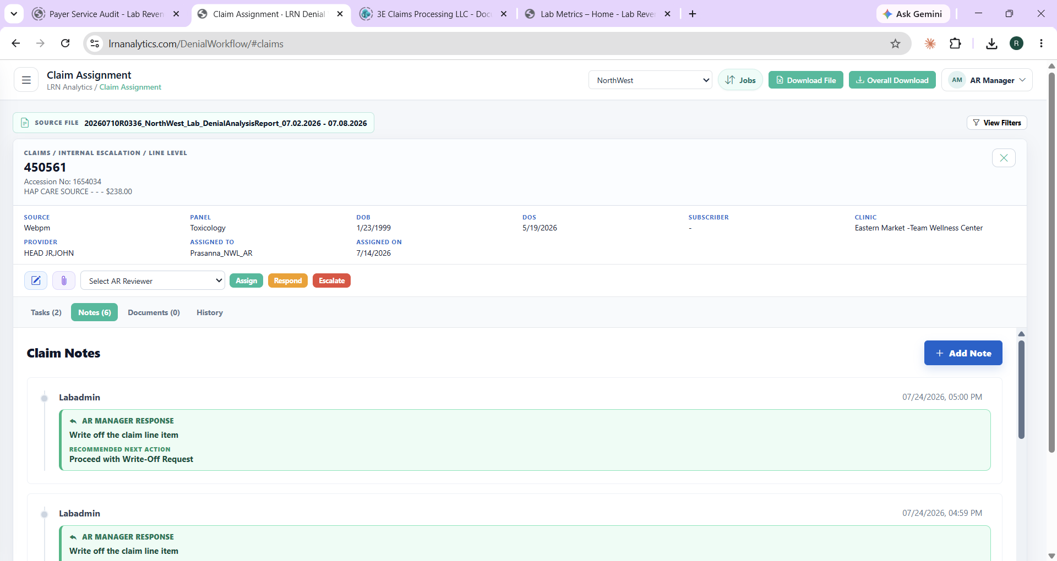
 |  |  |  |  |  |  |  |  | ClaimID | TaskID | UniqueTrackId | PatientName | PatientID | PayerName | PanelName | ClinicName | SalesRepname | ReferringProvider | DateOfService | CPTCode | Units | Modifier | DenialCode | DenialDescription | DenialClassification | ActionCategory | ActionCode | RecommendedAction | Task | Priority | InsuranceBalance | SLADays | CurrentStatus | AssignedTo | DateOpened | DueDate | SLAStatus | FirstBilledDate | ChargeEnteredDate | ICDCodes | ICDComplianceStatus | CoverageStatus | DenialValidity | CCWICD10Code | BilledICDCodesNotAvailableInPayerPolicy | CoveredICD10CodesAsPerPayerPolicy | CoveredICD10CodesBilled | CoveredICDPresence | LISICD10Codes | NonCoveredICD10CodesAsPerPayerPolicy | NonCoveredICD10CodesBilled | ClaimUID | AccessionNo | PatientDOB | SubscriberId | Source | PayStatus | BilledAmount | FinalClaimStatus | FinalCoverageStatus | ActionComment | DenialDate | DaystoDOS | DaystoBill | DenialType | TaskGuidance | TaskStatus | ShortCategory | UpdateStatus | ExpectedResponseDate | ActionCompleted | ActualOutcome | DocumentationType | FollowUpReason | ClosureReason | ValidationStatus | Comments | EscalationReason | OtherEscalationReason | EscalationComment | EscalationExpectedResponseDate | EscalationResponse | EscalationResponseComment | Notes
 |  |  |  |  |  |  |  |  | 450561_1654034_20260519 | TSK-425424 | 450561_1654034_20260519|80307|CO197 |  | 68493 | HAP CARE SOURCE | Toxicology | Eastern Market -Team Wellness Center |  | HEAD JR,JOHN | 05/19/2026 | 80307 | 1 |  | CO197 | Precertification/authorization/notification/pre-treatment absent. | Authorization Denial | Appeal | APP | Obtain retroactive authorization if possible; otherwise appeal with clinical notes | Obtain Retro Auth / Appeal | High | 78.00 | 30 | Escalated to AR Manager | Prasanna_NWL_AR | 07/07/2026 | 08/06/2026 | Met | 05/29/2026 | 05/25/2026 |  | Payer Not Found |  | N/A |  | F12.10, F25.0, Z79.899 |  |  | Not Present | F12.10,F25.0,Z79.899 |  |  | 450561_1654034_20260519 | 1654034 | 01/23/1999 |  | Webpm | Denied | 78.0000 | Fully Denied |  | Payer code blank or payer not found in payer policy lookup | 05/28/2026 | 52 | 42 | CO197: Authorization Denial | CO197: Obtain Retro Auth / Appeal | Escalated to AR Manager | CO197: Auth
 |  |  |  |  |  |  |  |  | 450561_1654034_20260519 | TSK-425425 | 450561_1654034_20260519|G0480|CO197 |  | 68493 | HAP CARE SOURCE | Toxicology | Eastern Market -Team Wellness Center |  | HEAD JR,JOHN | 05/19/2026 | G0480 | 1 |  | CO197 | Precertification/authorization/notification/pre-treatment absent. | Authorization Denial | Appeal | APP | Obtain retroactive authorization if possible; otherwise appeal with clinical notes | Obtain Retro Auth / Appeal | High | 160.00 | 30 | Escalated to AR Manager | Prasanna_NWL_AR | 07/07/2026 | 08/06/2026 | Met | 05/29/2026 | 05/25/2026 |  | Payer Not Found |  | N/A |  | F12.10, F25.0, Z79.899 |  |  | Not Present | F12.10,F25.0,Z79.899 |  |  | 450561_1654034_20260519 | 1654034 | 01/23/1999 |  | Webpm | Denied | 160.0000 | Fully Denied |  | Payer code blank or payer not found in payer policy lookup | 05/28/2026 | 52 | 42 | CO197: Authorization Denial | CO197: Obtain Retro Auth / Appeal | Escalated to AR Manager | CO197: Auth

AR Reviewer Login - Claim did not move out of Escalated Claim queue even though the Escalation Response is captured |  |  |  |  |  |  |  |  |  | AR Manager Login - Claim did not move out of Internal Escalation queue even though the Escalation Response is captured

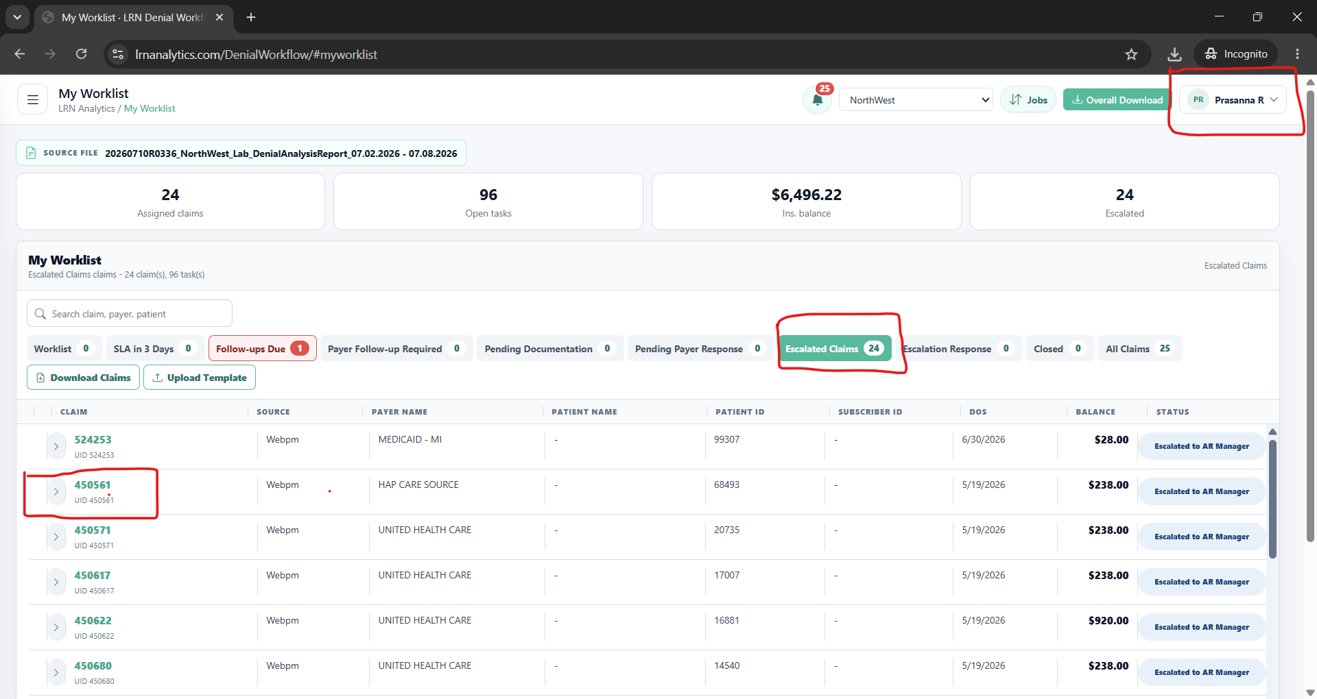
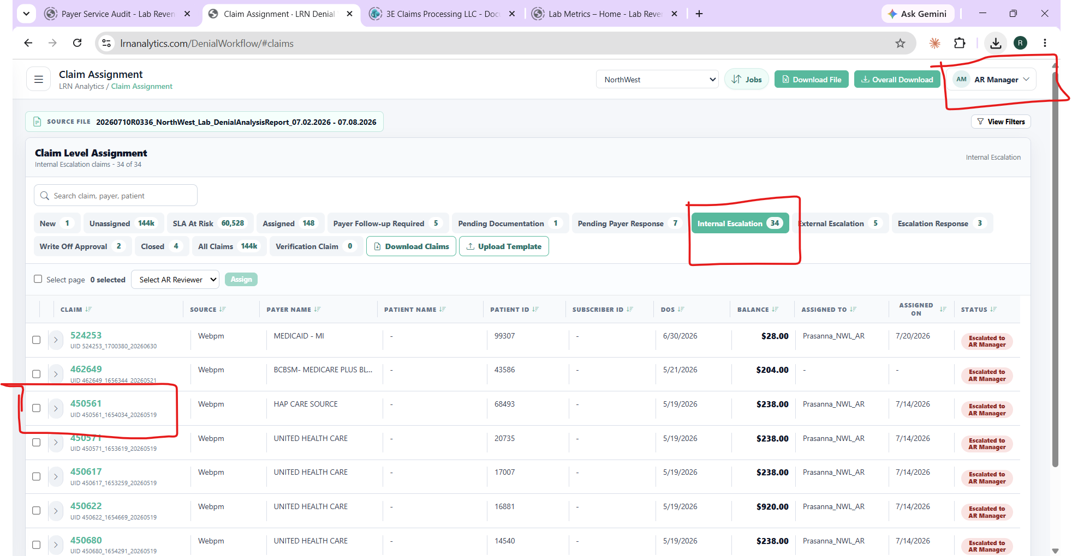

AR Reviewer Login - Claim Count under the Closed Queue is incorrect

