TSMC vs GlobalFound Daily Price
TSMC Hitorical Data |  |  |  |  |  |  | GlobalFounderies Historical Data
BID | ASK | OPEN_PRC | HIGH_1 | LOW_1 | TRDPRC_1 | BLKVOLUM | BID | ASK | OPEN_PRC | HIGH_1 | LOW_1 | TRDPRC_1 | BLKVOLUM
1040 | 1045 | 1045 | 1055 | 1035 | 1045 | 1473000 | 40.4 | 40.44 | 41.06 | 41.1699 | 40.2 | 40.4 | 272943
1070 | 1075 | 1050 | 1075 | 1050 | 1070 | 5755062 | 40.43 | 40.46 | 40.61 | 40.98 | 40.29 | 40.43 | 201444
1045 | 1050 | 1040 | 1070 | 1035 | 1045 | 6005000 | 40.01 | 40.04 | 40.31 | 40.5788 | 39.53 | 40.01 | 203035
1035 | 1040 | 1050 | 1055 | 1030 | 1035 | 1082000 | 39.3 | 39.32 | 39.98 | 39.98 | 38.81 | 39.3 | 226325
1080 | 1085 | 1095 | 1100 | 1075 | 1085 | 1643000 | 38.36 | 38.37 | 39.17 | 39.34 | 37.94 | 38.37 | 313163
1085 | 1090 | 1090 | 1095 | 1080 | 1085 | 4478000 | 39.07 | 39.1 | 38.44 | 39.1499 | 38.42 | 39.07 | 193449
1070 | 1075 | 1065 | 1075 | 1060 | 1075 | 1298704 | 40.4 | 40.41 | 39.39 | 41.58 | 39.39 | 40.4 | 438037
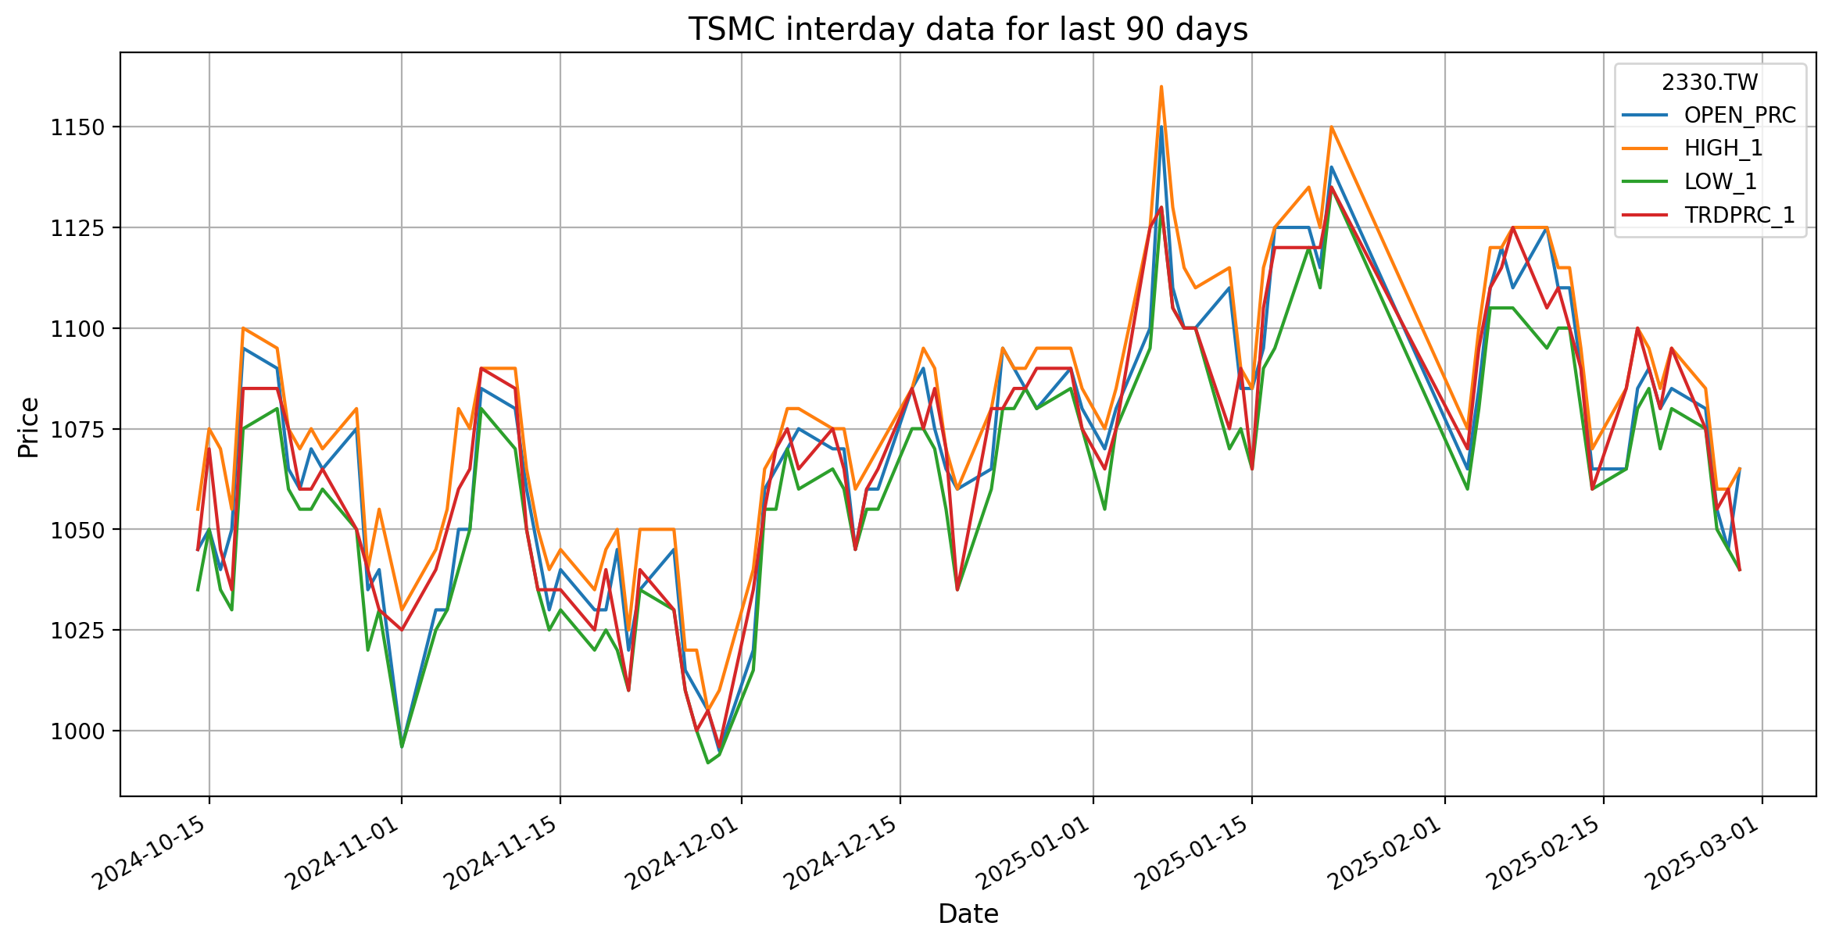
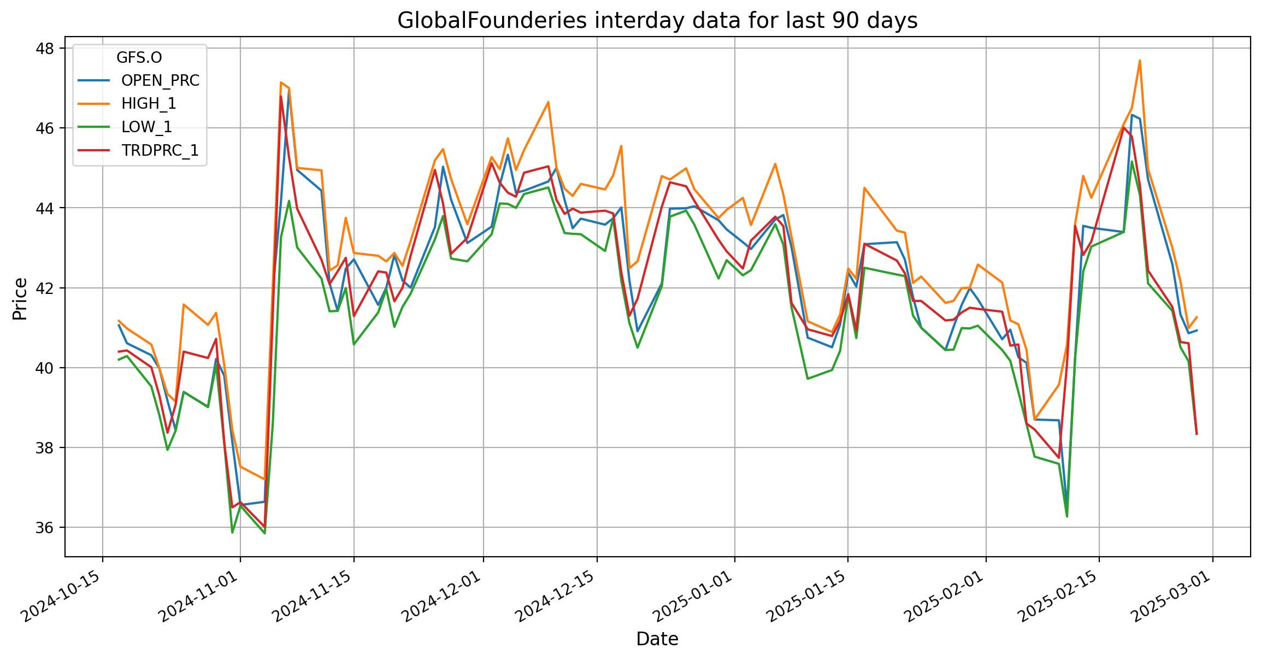
 | 1065 | 1060 | 1070 | 1055 | 1060 | 622000 |  | 40.26 | 39.02 | 41.07 | 39.01 | 40.24 | 239838
1055 | 1060 | 1070 | 1075 | 1055 | 1060 | 1592000 | 40.68 | 40.71 | 40.22 | 41.37 | 40.07 | 40.72 | 507415
1060 | 1065 | 1065 | 1070 | 1060 | 1065 | 771000 | 38.12 | 38.15 | 39.8 | 40.07 | 38.12 | 38.12 | 307110
1050 | 1055 | 1075 | 1080 | 1050 | 1050 | 240000 | 36.5 | 36.51 | 38.14 | 38.4401 | 35.87 | 36.5 | 819113
1035 | 1040 | 1035 | 1040 | 1020 | 1040 | 192000 | 36.63 | 36.65 | 36.56 | 37.52 | 36.54 | 36.63 | 404870
1030 | 1035 | 1040 | 1055 | 1030 | 1030 | 1565700 | 35.99 | 36.01 | 36.64 | 37.2 | 35.85 | 36.01 | 508751
1020 | 1025 | 996 | 1030 | 996 | 1025 | 5255000 | 41.35 | 41.36 | 41.952 | 42.068 | 38.6094 | 41.37 | 1040159
1040 | 1045 | 1030 | 1045 | 1025 | 1040 | 684000 | 46.73 | 46.79 | 44.15 | 47.14 | 43.26 | 46.79 | 1309894

TSMC vs GlobalFoundries Volume
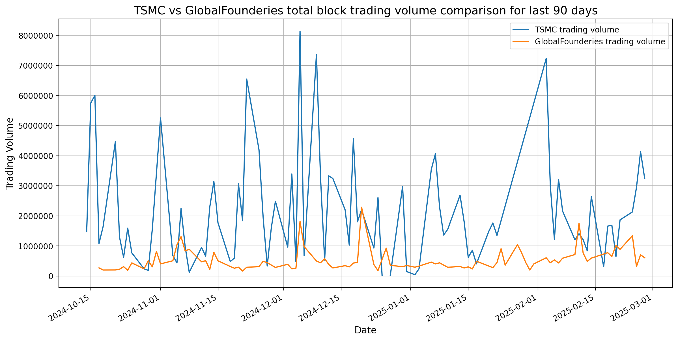
TSMC vs GlobalFoundries Total Block Trading Volume comparision

