Intel vs AMD Daily Price
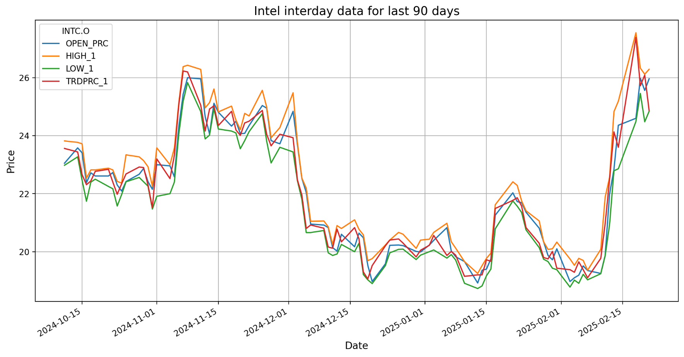
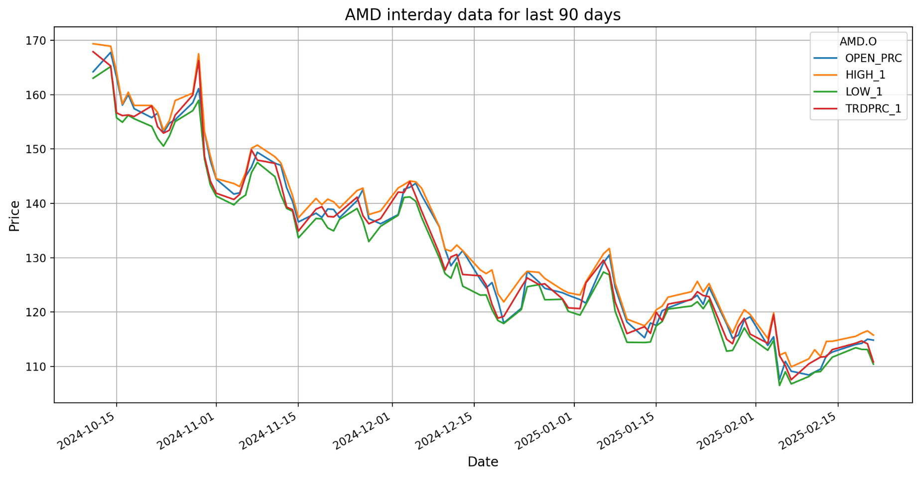
Intel Hitorical Data |  |  |  |  |  |  | AMD Historical Data
BID | ASK | OPEN_PRC | HIGH_1 | LOW_1 | TRDPRC_1 | BLKVOLUM | BID | ASK | OPEN_PRC | HIGH_1 | LOW_1 | TRDPRC_1 | BLKVOLUM
23.56 | 23.57 | 23.05 | 23.82 | 22.98 | 23.56 | 8414059 | 167.86 | 167.89 | 164.185 | 169.35 | 163.0101 | 167.89 | 3349230
23.43 | 23.44 | 23.58 | 23.77 | 23.2701 | 23.44 | 6816688 | 165.26 | 165.27 | 167.77 | 168.9 | 165.15 | 165.27 | 2655449
22.68 | 22.69 | 23.41 | 23.72 | 22.47 | 22.66 | 19346165 | 156.67 | 156.68 | 163.21 | 164.13 | 155.74 | 156.64 | 5209303
22.31 | 22.32 | 22.38 | 22.54 | 21.74 | 22.31 | 11654041 | 156.1 | 156.15 | 158.075 | 158.28 | 154.9159 | 156.13 | 1905271
22.44 | 22.45 | 22.72 | 22.82 | 22.4 | 22.44 | 8946662 | 156.26 | 156.28 | 160 | 160.44 | 156.2 | 156.25 | 2572846
22.77 | 22.78 | 22.61 | 22.82 | 22.5 | 22.77 | 16060739 | 155.93 | 155.98 | 157.41 | 158.01 | 155.56 | 155.97 | 4659489
22.86 | 22.87 | 22.61 | 22.88 | 22.25 | 22.84 | 12699552 | 157.95 | 157.98 | 155.76 | 158 | 154.15 | 157.9 | 3229187
 | 22.4 | 22.73 | 22.82 | 22.17 | 22.4 | 18769321 |  | 154.07 | 156.6 | 156.74 | 151.91 | 154.09 | 3532117
21.98 | 21.99 | 22.3 | 22.425 | 21.575 | 21.98 | 9881082 | 152.91 | 152.93 | 153 | 153.445 | 150.52 | 152.91 | 2217639
22.33 | 22.34 | 22.09 | 22.365 | 21.97 | 22.34 | 11829447 | 153.42 | 153.44 | 154.74 | 155.19 | 152.35 | 153.44 | 3188927
22.67 | 22.68 | 22.42 | 23.3399 | 22.41 | 22.68 | 23885891 | 156.22 | 156.28 | 155.4 | 158.91 | 155.05 | 156.23 | 4248523
22.93 | 22.94 | 22.67 | 23.27 | 22.56 | 22.92 | 12568521 | 159.87 | 159.92 | 158.5 | 160.28 | 157.045 | 159.92 | 8526385
22.92 | 22.93 | 22.87 | 23.14 | 22.41 | 22.9 | 41750514 | 166.27 | 166.35 | 161.1 | 167.5099 | 158.94 | 166.25 | 8602240
22.28 | 22.29 | 22.415 | 22.93 | 22.26 | 22.3 | 13279258 | 148.59 | 148.7 | 153.01 | 153.12 | 148.1 | 148.6 | 11220758
21.53 | 21.54 | 22.15 | 22.25 | 21.47 | 21.52 | 26895753 | 144.03 | 144.07 | 147.8 | 148.68 | 143.33 | 144.07 | 5358151

Intel vs AMD Volume
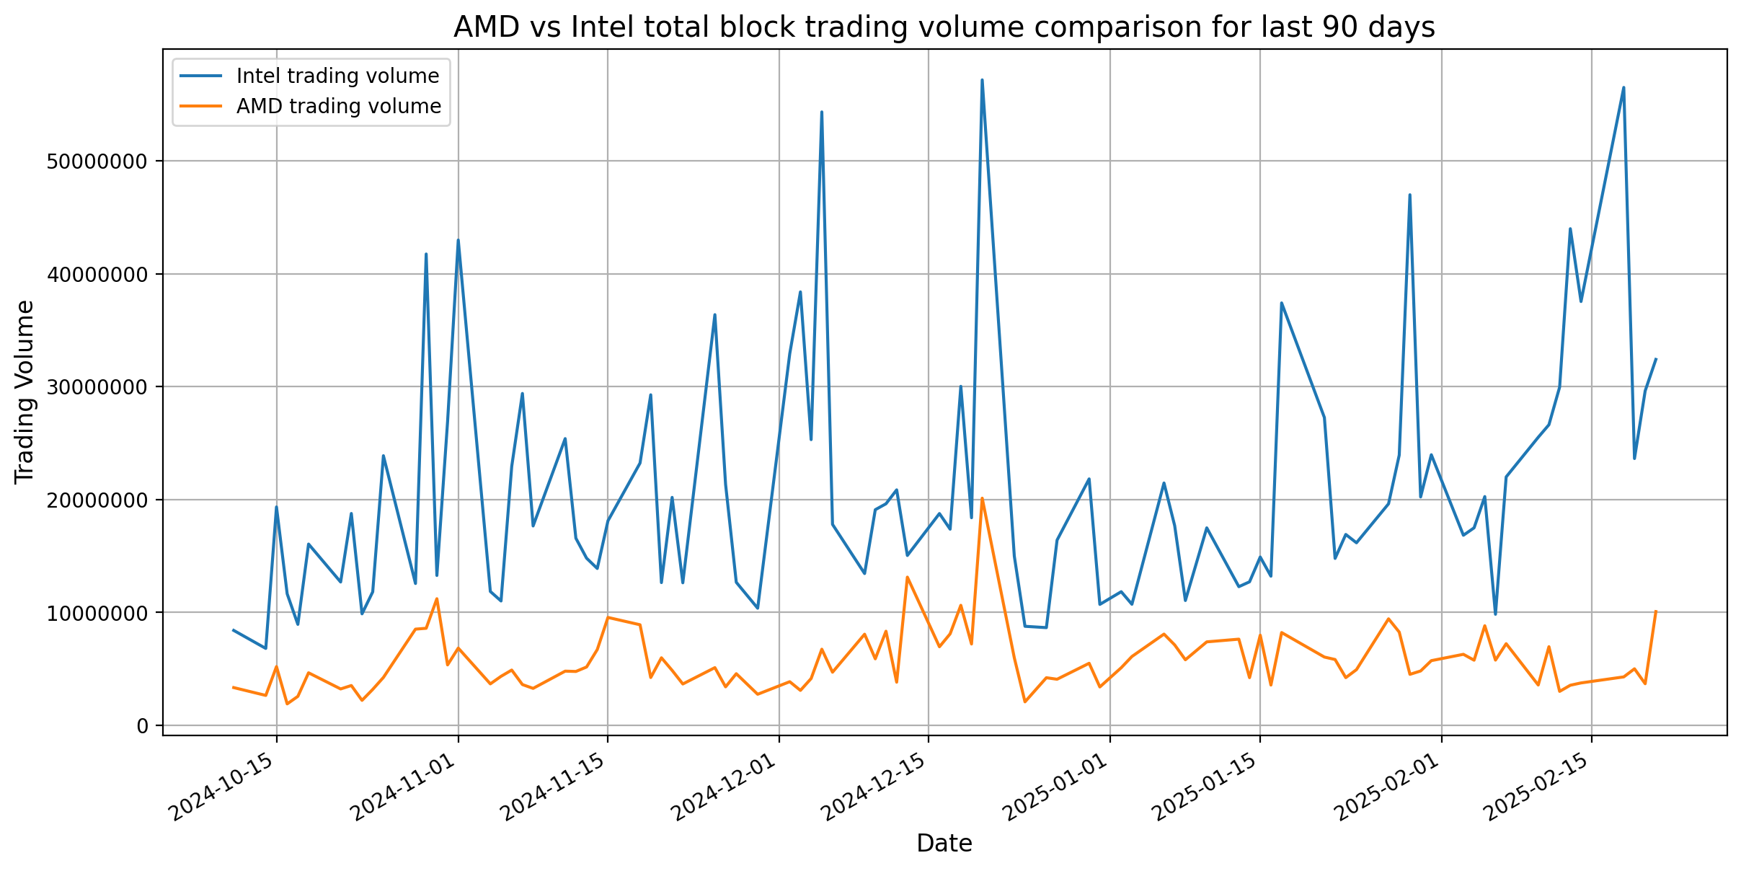
Intel vs AMD Total Block Trading Volume comparision

