Intel vs AMD Daily Price
Intel Hitorical Data |  |  |  |  |  |  | AMD Historical Data
BID | ASK | OPEN_PRC | HIGH_1 | LOW_1 | TRDPRC_1 | BLKVOLUM | BID | ASK | OPEN_PRC | HIGH_1 | LOW_1 | TRDPRC_1 | BLKVOLUM
33.83 | 33.85 | 34.15 | 34.3 | 33.62 | 33.87 | 10714959 | 115.89 | 115.91 | 115.76 | 116.16 | 113.575 | 115.92 | 4450863
33.14 | 33.15 | 33.78 | 33.87 | 33 | 33.15 | 8218383 | 115.97 | 115.98 | 116.17 | 122.12 | 115.25 | 115.94 | 4922093
34.36 | 34.37 | 33.16 | 34.6 | 33.07 | 34.37 | 7502714 | 118.29 | 118.3 | 115.95 | 118.8399 | 112.73 | 118.32 | 4254126
34.49 | 34.5 | 34.28 | 34.7 | 33.83 | 34.5 | 6321460 | 117.9 | 117.91 | 117.55 | 118.43 | 115.192 | 117.93 | 3687461
34.44 | 34.45 | 34.4 | 34.835 | 34.33 | 34.46 | 8995771 | 116.4 | 116.41 | 121.3 | 121.6699 | 115.55 | 116.43 | 4227176
33.37 | 33.38 | 33.704 | 34.205 | 33.23 | 33.37 | 11895676 | 110.26 | 110.27 | 114.96 | 115.05 | 109.24 | 110.25 | 8126417
34 | 34.01 | 33.725 | 34.25 | 33.42 | 34.02 | 51114716 | 110.9 | 110.92 | 110.97 | 112.3 | 109.54 | 110.95 | 23109961
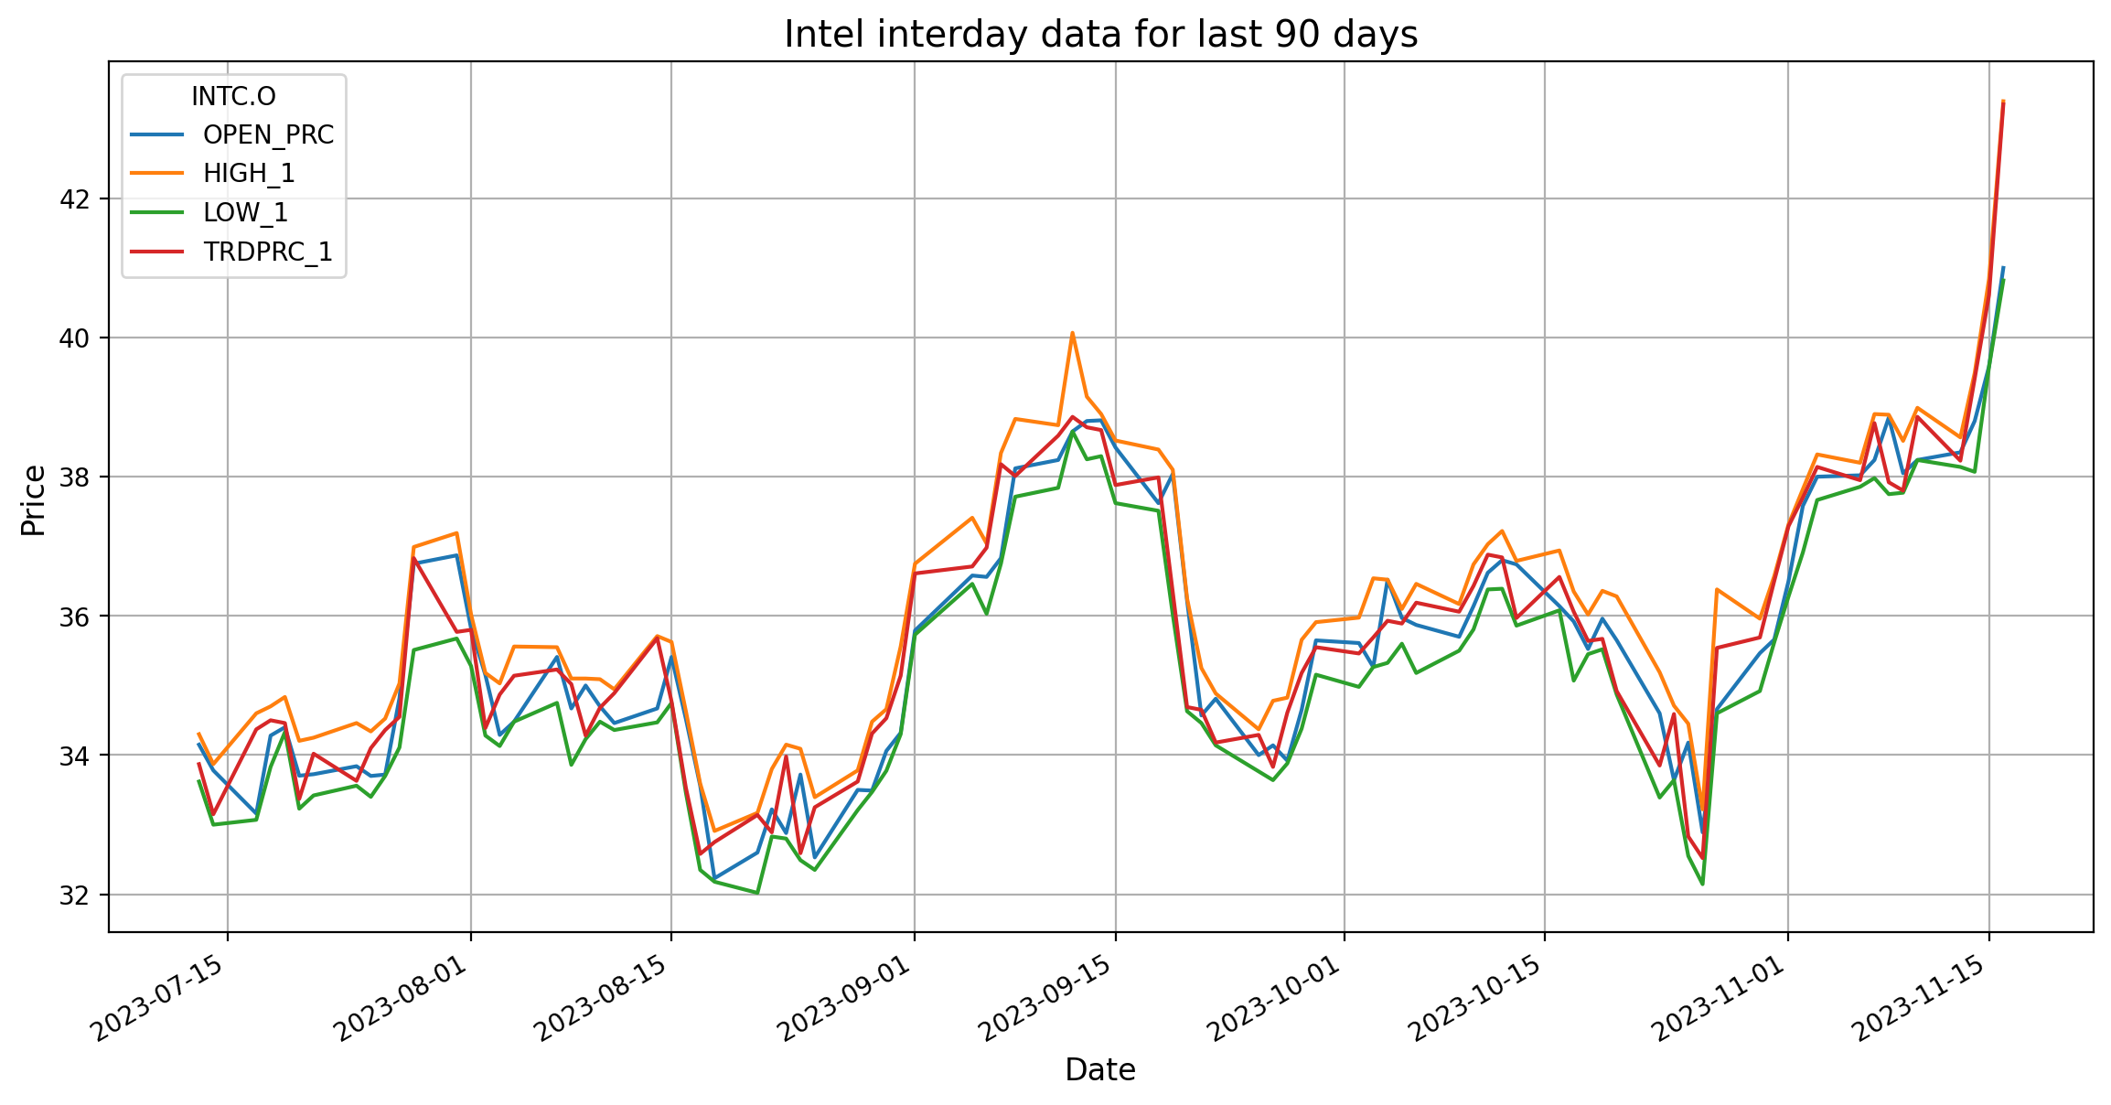
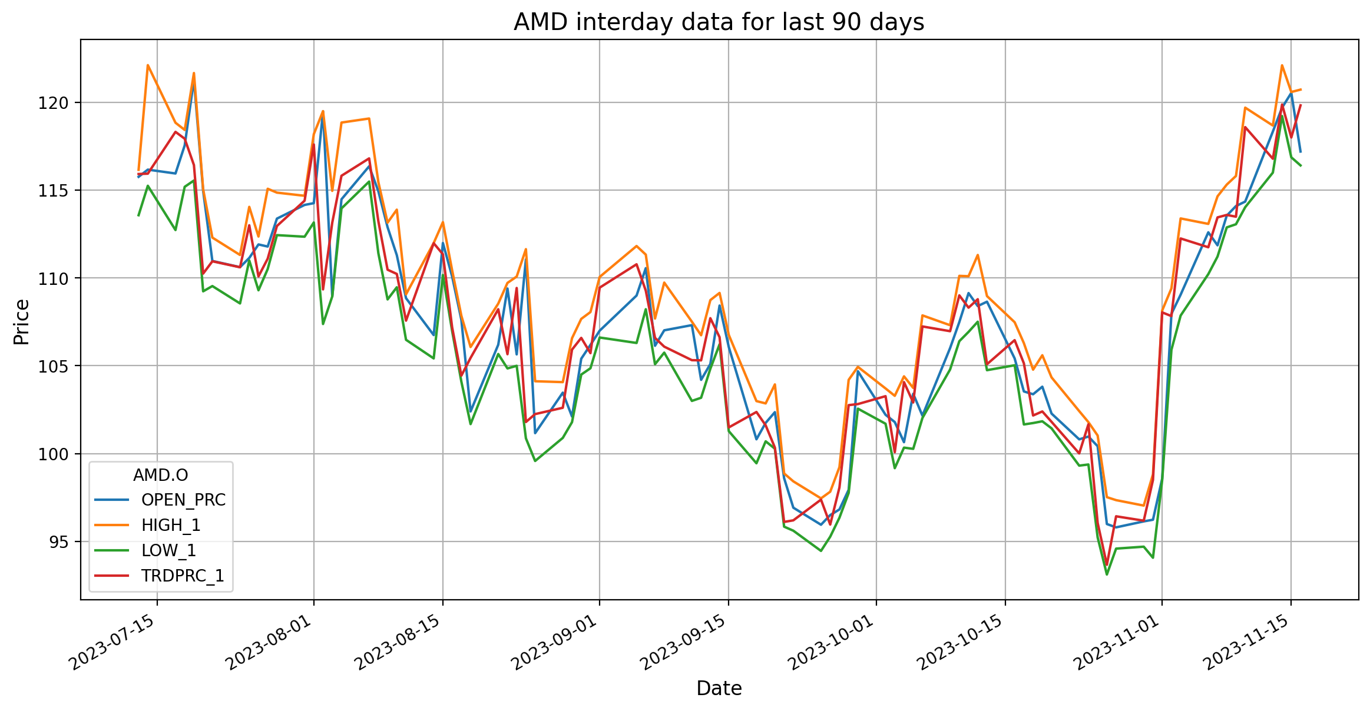
 | 33.65 | 33.84 | 34.46 | 33.56 | 33.63 | 4584591 |  | 110.61 | 110.617 | 111.31 | 108.55 | 110.61 | 2999348
34.08 | 34.09 | 33.7 | 34.34 | 33.4 | 34.1 | 6419374 | 113 | 113.01 | 111.14 | 114.05 | 111 | 113 | 4239211
34.37 | 34.38 | 33.72 | 34.525 | 33.7 | 34.36 | 12010393 | 110.09 | 110.11 | 111.91 | 112.36 | 109.3 | 110.09 | 3661789
34.56 | 34.57 | 34.82 | 35.03 | 34.11 | 34.55 | 10710747 | 111.11 | 111.12 | 111.79 | 115.08 | 110.51 | 111.1 | 3526602
36.81 | 36.82 | 36.75 | 36.99 | 35.51 | 36.83 | 14565648 | 112.95 | 112.96 | 113.38 | 114.86 | 112.44 | 112.96 | 4630583
35.79 | 35.8 | 36.87 | 37.19 | 35.675 | 35.77 | 22021695 | 114.42 | 114.43 | 114.16 | 114.68 | 112.35 | 114.4 | 4318272
35.79 | 35.8 | 35.82 | 36.02 | 35.28 | 35.8 | 3982464 | 117.64 | 117.66 | 114.26 | 118.19 | 113.16 | 117.6 | 4772232
34.37 | 34.38 | 35.15 | 35.18 | 34.281 | 34.39 | 9684902 | 109.36 | 109.37 | 119.49 | 119.5 | 107.38 | 109.35 | 7986689

Intel vs AMD Volume
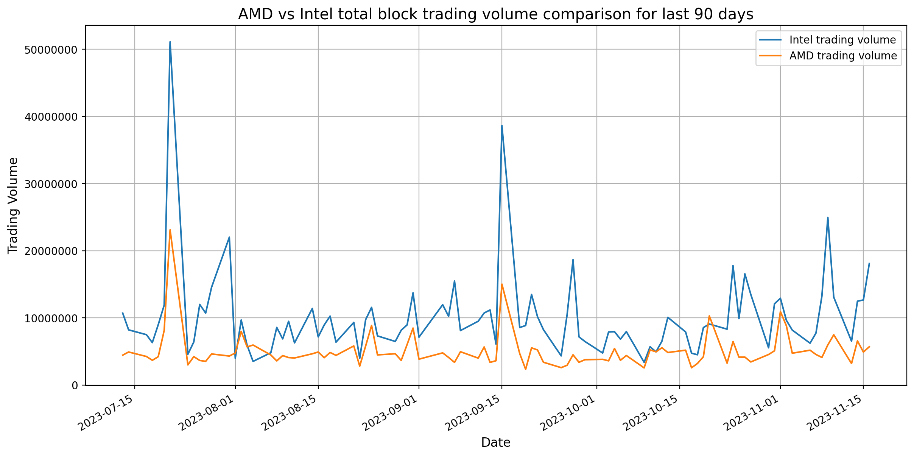
Intel vs AMD Total Block Trading Volume comparision

