Sheet1
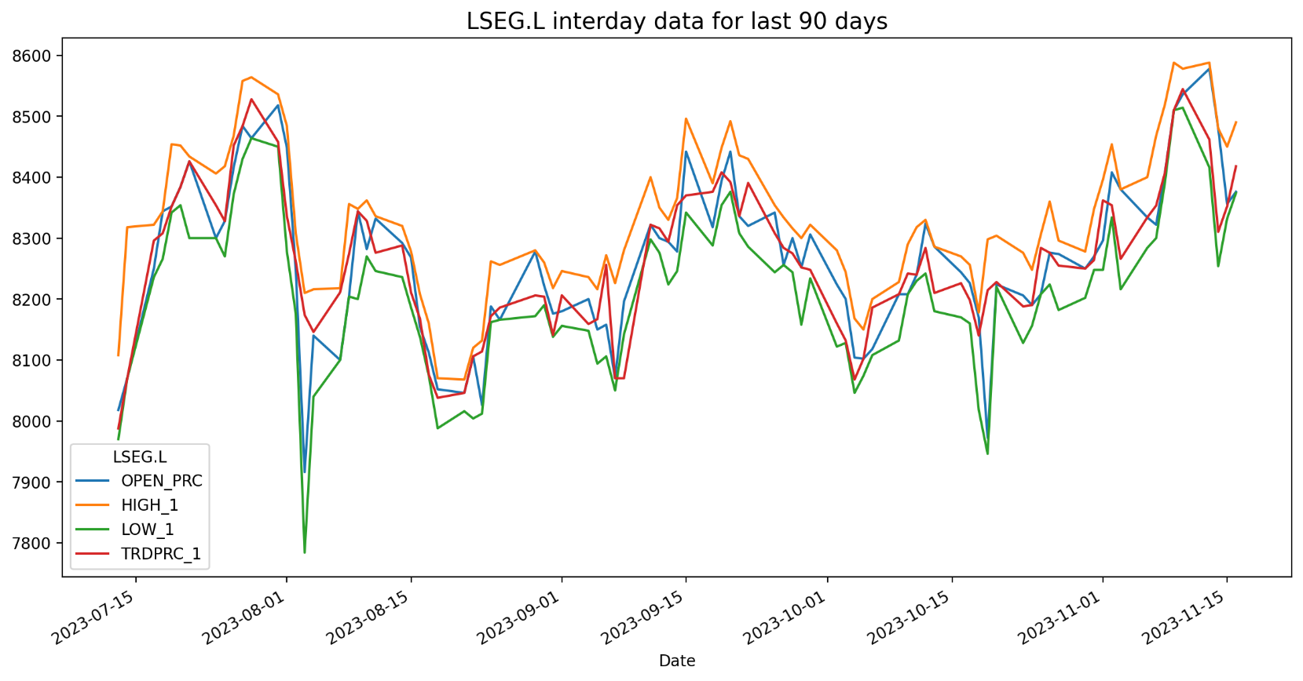
LSEG.L Historical Data
BID | ASK | OPEN_PRC | HIGH_1 | LOW_1 | TRDPRC_1 | NUM_MOVES
8092 | 8094 | 8018 | 8108 | 7970 | 7987.66663 | 3731
 | 8290 | 8070 | 8318 | 8070 | 8070 | 3862
8300 | 8302 | 8250 | 8322 | 8236 | 8296 | 2033
8306 | 8308 | 8344 | 8344 | 8266 | 8308 | 3379
8400 | 8402 | 8352 | 8454 | 8342 | 8352 | 4732
8420 | 8422 | 8384 | 8452 | 8354 | 8384 | 2450
8312 | 8314 | 8426 | 8434 | 8300 | 8426 | 4607
8344 | 8346 | 8300 | 8406 | 8300 | 8354 | 2447
8398 | 8402 | 8328 | 8418 | 8270 | 8328 | 2980
8466 | 8468 | 8416 | 8468 | 8372 | 8452 | 1987

