LSEG.L Historical Data
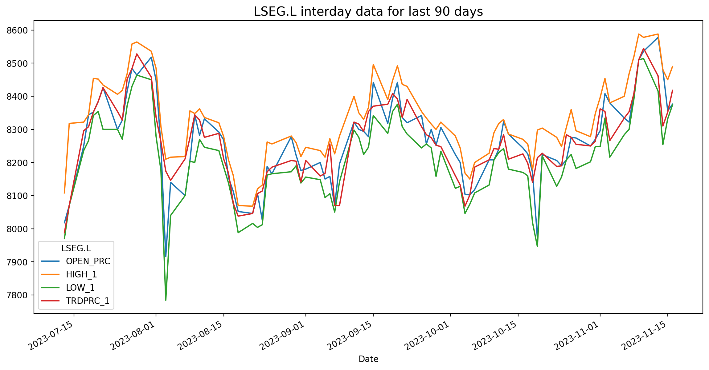
LSEG.L Historical Data
Date | BID | ASK | OPEN_PRC | HIGH_1 | LOW_1 | TRDPRC_1 | NUM_MOVES
2023-07-13 | 8092 | 8094 | 8018 | 8108 | 7970 | 7987.66663 | 3731
2023-07-14 | 8288 | 8290 | 8070 | 8318 | 8070 | 8070 | 3862
2023-07-17 | 8300 | 8302 | 8250 | 8322 | 8236 | 8296 | 2033
2023-07-18 | 8306 | 8308 | 8344 | 8344 | 8266 | 8308 | 3379
2023-07-19 | 8400 | 8402 | 8352 | 8454 | 8342 | 8352 | 4732
2023-07-20 | 8420 | 8422 | 8384 | 8452 | 8354 | 8384 | 2450
2023-07-21 | 8312 | 8314 | 8426 | 8434 | 8300 | 8426 | 4607
2023-07-24 | 8344 | 8346 | 8300 | 8406 | 8300 | 8354 | 2447
2023-07-25 | 8398 | 8402 | 8328 | 8418 | 8270 | 8328 | 2980
2023-07-26 | 8466 | 8468 | 8416 | 8468 | 8372 | 8452 | 1987
2023-07-27 | 8474 | 8476 | 8484 | 8558 | 8430 | 8484 | 3453
2023-07-28 | 8526 | 8528 | 8464 | 8564 | 8464 | 8528 | 1873
2023-07-31 | 8462 | 8464 | 8518 | 8536 | 8450 | 8458 | 1596
2023-08-01 | 8344 | 8346 | 8448 | 8484 | 8278 | 8336 | 2719
2023-08-02 | 8284 | 8286 | 8248 | 8308 | 8176 | 8262 | 4025
2023-08-03 | 8186 | 8188 | 7916 | 8210 | 7784 | 8174 | 10781
2023-08-04 | 8138 | 8140 | 8140 | 8216 | 8040 | 8146 | 4672
2023-08-07 | 8206 | 8208 | 8100 | 8218 | 8100 | 8211 | 2419
2023-08-08 | 8270 | 8274 | 8204 | 8356 | 8204 | 8274 | 3980
2023-08-09 | 8254 | 8256 | 8344 | 8348 | 8200 | 8344 | 2583
2023-08-10 | 8352 | 8354 | 8282 | 8362 | 8270 | 8328.48649 | 2387
2023-08-11 | 8268 | 8270 | 8332 | 8336 | 8246 | 8276 | 3583
2023-08-14 | 8290 | 8292 | 8292 | 8320 | 8236 | 8288 | 2361
2023-08-15 | 8198 | 8200 | 8268 | 8278 | 8186 | 8210.66667 | 4732
2023-08-16 | 8158 | 8160 | 8154 | 8208 | 8138 | 8168 | 4400
2023-08-17 | 8074 | 8076 | 8112 | 8160 | 8074 | 8076 | 4555
2023-08-18 | 8038 | 8040 | 8052 | 8070 | 7988 | 8038 | 3955
2023-08-21 | 8066 | 8068 | 8046 | 8068 | 8016 | 8046 | 4832
2023-08-22 | 8040 | 8042 | 8106 | 8120 | 8004 | 8106 | 3840
2023-08-23 | 8126 | 8128 | 8026 | 8132 | 8012 | 8114 | 2022

