LSEG.L Historical Data
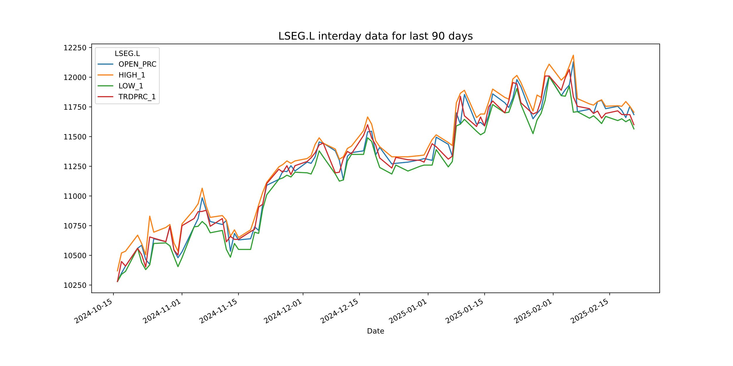
LSEG.L Historical Data
Date | BID | ASK | OPEN_PRC | HIGH_1 | LOW_1 | TRDPRC_1 | NUM_MOVES
2024-10-16 | 10320 | 10325 | 10280 | 10370 | 10280 | 10280 | 3039
2024-10-17 | 10490 | 10495 | 10350 | 10520 | 10340 | 10448.38 | 3732
2024-10-18 | 10530 | 10535 | 10410 | 10535 | 10365 | 10410 | 2931
2024-10-21 | 10615 | 10620 | 10560 | 10670 | 10560 | 10560 | 4459
2024-10-22 | 10515 | 10520 | 10585 | 10600 | 10440 | 10505 | 2054
2024-10-23 | 10385 | 10395 | 10465 | 10505 | 10380 | 10402.14 | 3034
2024-10-24 | 10655 | 10660 | 10425 | 10830 | 10420 | 10655 | 6434
2024-10-25 | 10605 | 10610 | 10640 | 10695 | 10600 | 10644.57 | 4277
2024-10-28 | 10710 | 10715 | 10615 | 10735 | 10605 | 10615.34913 | 3019
2024-10-29 | 10595 | 10600 | 10745 | 10760 | 10580 | 10745 | 3241
2024-10-30 | 10545 | 10550 | 10545 | 10605 | 10490 | 10545.61157 | 2380
2024-10-31 | 10510 | 10515 | 10480 | 10535 | 10405 | 10503.1 | 4362
2024-11-01 | 10745 | 10750 | 10530 | 10765 | 10480 | 10750 | 4552
2024-11-04 | 10810 | 10815 | 10740 | 10885 | 10740 | 10810 | 3509
2024-11-05 | 10880 | 10885 | 10810 | 10935 | 10745 | 10867.9004 | 3235
2024-11-06 | 10870 | 10880 | 10985 | 11065 | 10785 | 10870 | 6648
2024-11-07 | 10765 | 10775 | 10880 | 10915 | 10755 | 10880 | 3926
2024-11-08 | 10745 | 10750 | 10785 | 10820 | 10690 | 10745 | 3885
2024-11-11 | 10810 | 10815 | 10760 | 10835 | 10710 | 10810 | 2779
2024-11-12 | 10595 | 10600 | 10795 | 10795 | 10550 | 10613.96066 | 3466
2024-11-13 | 10660 | 10665 | 10535 | 10660 | 10485 | 10660 | 2936
2024-11-14 | 10640 | 10645 | 10685 | 10715 | 10600 | 10634.68 | 3283
2024-11-15 | 10635 | 10640 | 10630 | 10650 | 10550 | 10634.5753 | 2616
2024-11-18 | 10710 | 10715 | 10640 | 10715 | 10550 | 10700 | 2910
2024-11-19 | 10725 | 10730 | 10740 | 10815 | 10695 | 10720 | 2648
2024-11-20 | 10900 | 10905 | 10710 | 10925 | 10685 | 10907.5 | 3750
2024-11-21 | 11005 | 11010 | 10930 | 11030 | 10890 | 10930 | 1992
2024-11-22 | 11100 | 11105 | 11090 | 11115 | 11010 | 11105 | 3218
2024-11-25 | 11215 | 11245 | 11140 | 11245 | 11140 | 11225 | 3825
2024-11-26 | 11195 | 11200 | 11210 | 11265 | 11152.5 | 11200 | 2668

