Sheet1
LSEG.L Historical Data
BID | ASK | OPEN_PRC | HIGH_1 | LOW_1 | TRDPRC_1 | NUM_MOVES
10320 | 10325 | 10280 | 10370 | 10280 | 10280 | 3039
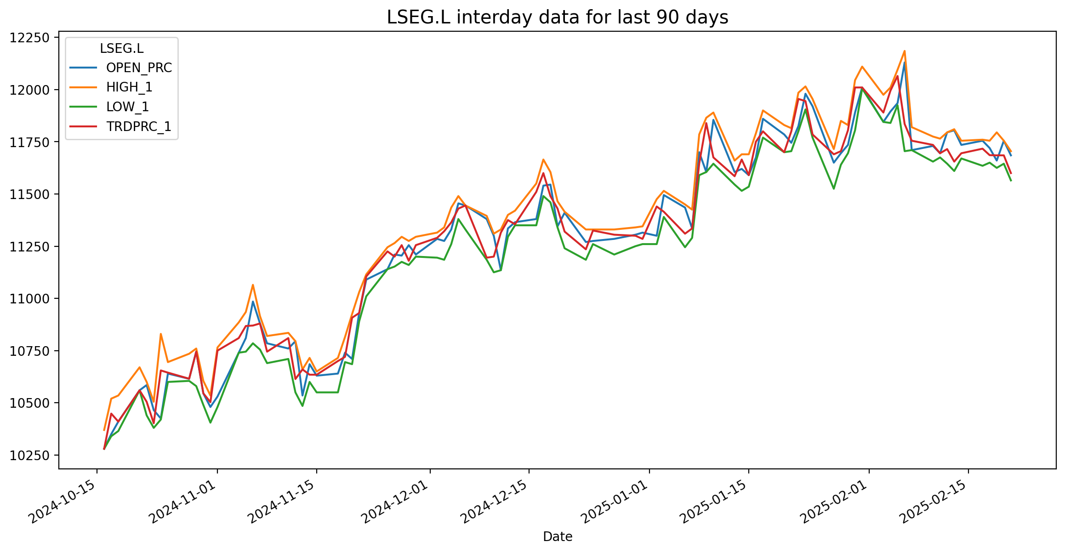
 | 10495 | 10350 | 10520 | 10340 | 10448.38 | 3732
10530 | 10535 | 10410 | 10535 | 10365 | 10410 | 2931
10615 | 10620 | 10560 | 10670 | 10560 | 10560 | 4459
10515 | 10520 | 10585 | 10600 | 10440 | 10505 | 2054
10385 | 10395 | 10465 | 10505 | 10380 | 10402.14 | 3034
10655 | 10660 | 10425 | 10830 | 10420 | 10655 | 6434
10605 | 10610 | 10640 | 10695 | 10600 | 10644.57 | 4277
10710 | 10715 | 10615 | 10735 | 10605 | 10615.34913 | 3019
10595 | 10600 | 10745 | 10760 | 10580 | 10745 | 3241

