Sheet1
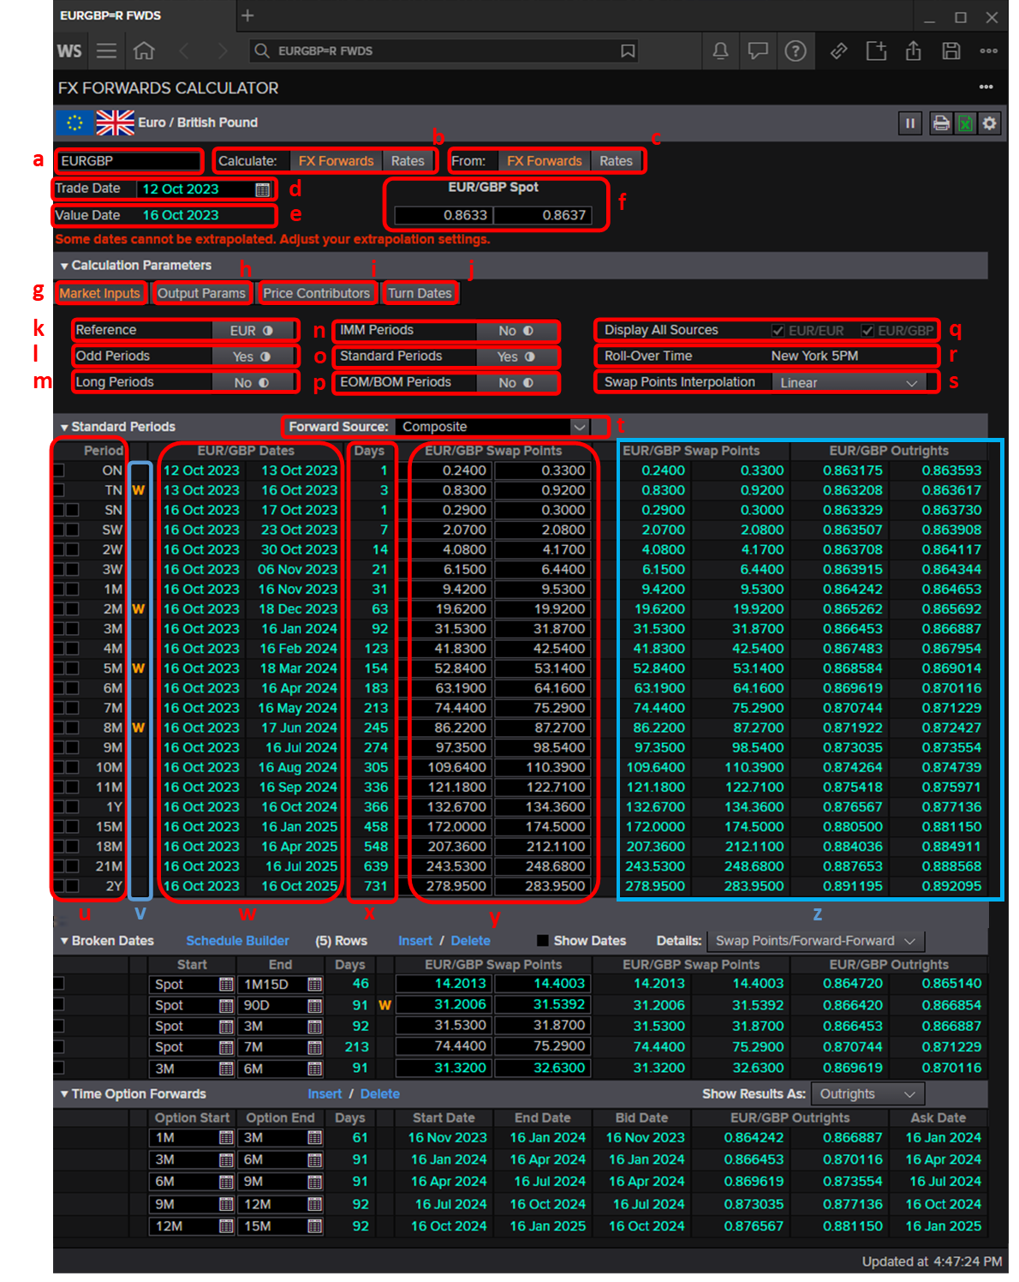
 |  | EUR/GBP Spot
 |  | 0.8633 | 0.8637

Period | Special Days | EUR/GBP Dates |  | Days | EUR/GBP Swap Points |  | EUR/GBP Swap Summand Outright |  | EUR/GBP Outright
ON |  | 12-Oct-23 | 13-Oct-23 | 1 | 0.2400 | 0.3300 | 0.00002400 | 0.00003300 | =L6-(H5/10000) | 0.863175 | =N6-(G5/10000) | 0.863593
TN | W | 13-Oct-23 | 16-Oct-23 | 3 | 0.8300 | 0.9200 | 0.00008300 | 0.00009200 | =D2-(H6/10000) | 0.863208 | =E2-(G6/10000) | 0.863617
SN |  | 16-Oct-23 | 17-Oct-23 | 1 | 0.2900 | 0.3000 | 0.00002900 | 0.00003000 | =$D$2+(G7/10000) | 0.863329 | =$E$2+(H7/10000) | 0.863730
SW |  | 16-Oct-23 | 23-Oct-23 | 7 | 2.0700 | 2.0800 | 0.00020700 | 0.00020800 | =$D$2+(G8/10000) | 0.863507 | =$E$2+(H8/10000) | 0.863908
2W |  | 16-Oct-23 | 30-Oct-23 | 14 | 4.0800 | 4.1700 | 0.00040800 | 0.00041700 | =$D$2+(G9/10000) | 0.863708 | =$E$2+(H9/10000) | 0.864117
3W |  | 16-Oct-23 | 6-Nov-23 | 21 | 4.1500 | 6.4400 | 0.00041500 | 0.00064400 | =$D$2+(G10/10000) | 0.863715 | =$E$2+(H10/10000) | 0.864344
1M |  | 16-Oct-23 | 16-Nov-23 | 31 | 9.4200 | 9.5300 | 0.00094200 | 0.00095300 | =$D$2+(G11/10000) | 0.864242 | =$E$2+(H11/10000) | 0.864653
2M | W | 16-Oct-23 | 18-Dec-23 | 63 | 19.6200 | 19.9200 | 0.00196200 | 0.00199200 | =$D$2+(G12/10000) | 0.865262 | =$E$2+(H12/10000) | 0.865692
3M |  | 16-Oct-23 | 16-Jan-24 | 92 | 31.5300 | 31.8700 | 0.00315300 | 0.00318700 | =$D$2+(G13/10000) | 0.866453 | =$E$2+(H13/10000) | 0.866887
4M |  | 16-Oct-23 | 16-Feb-24 | 123 | 41.8300 | 42.5400 | 0.00418300 | 0.00425400 | =$D$2+(G14/10000) | 0.867483 | =$E$2+(H14/10000) | 0.867954
5M | W | 16-Oct-23 | 18-Mar-24 | 154 | 52.8400 | 53.1400 | 0.00528400 | 0.00531400 | =$D$2+(G15/10000) | 0.868584 | =$E$2+(H15/10000) | 0.869014
6M |  | 16-Oct-23 | 16-Apr-24 | 183 | 63.1900 | 64.1600 | 0.00631900 | 0.00641600 | =$D$2+(G16/10000) | 0.869619 | =$E$2+(H16/10000) | 0.870116
7M |  | 16-Oct-23 | 16-May-24 | 213 | 74.4400 | 75.2900 | 0.00744400 | 0.00752900 | =$D$2+(G17/10000) | 0.870744 | =$E$2+(H17/10000) | 0.871229
8M | W | 16-Oct-23 | 17-Jun-24 | 245 | 86.2200 | 87.2700 | 0.00862200 | 0.00872700 | =$D$2+(G18/10000) | 0.871922 | =$E$2+(H18/10000) | 0.872427
9M |  | 16-Oct-23 | 16-Jul-24 | 274 | 97.3500 | 98.5400 | 0.00973500 | 0.00985400 | =$D$2+(G19/10000) | 0.873035 | =$E$2+(H19/10000) | 0.873554
10M |  | 16-Oct-23 | 16-Aug-24 | 305 | 109.6400 | 110.3900 | 0.01096400 | 0.01103900 | =$D$2+(G20/10000) | 0.874264 | =$E$2+(H20/10000) | 0.874739
11M |  | 16-Oct-23 | 16-Sep-24 | 336 | 121.1800 | 122.7100 | 0.01211800 | 0.01227100 | =$D$2+(G21/10000) | 0.875418 | =$E$2+(H21/10000) | 0.875971
1Y |  | 16-Oct-23 | 16-Oct-24 | 366 | 132.6700 | 134.3600 | 0.01326700 | 0.01343600 | =$D$2+(G22/10000) | 0.876567 | =$E$2+(H22/10000) | 0.877136
15M |  | 16-Oct-23 | 16-Jan-25 | 458 | 172.0000 | 174.5000 | 0.01720000 | 0.01745000 | =$D$2+(G23/10000) | 0.880500 | =$E$2+(H23/10000) | 0.881150
18M |  | 16-Oct-23 | 16-Apr-25 | 548 | 207.0000 | 212.1100 | 0.02070000 | 0.02121100 | =$D$2+(G24/10000) | 0.884000 | =$E$2+(H24/10000) | 0.884911
21M |  | 16-Oct-23 | 16-Jul-25 | 639 | 343.5300 | 248.6800 | 0.03435300 | 0.02486800 | =$D$2+(G25/10000) | 0.897653 | =$E$2+(H25/10000) | 0.888568
2Y |  | 16-Oct-23 | 16-Oct-25 | 731 | 278.9500 | 283.9500 | 0.02789500 | 0.02839500 | =$D$2+(G26/10000) | 0.891195 | =$E$2+(H26/10000) | 0.892095

