Sheet1
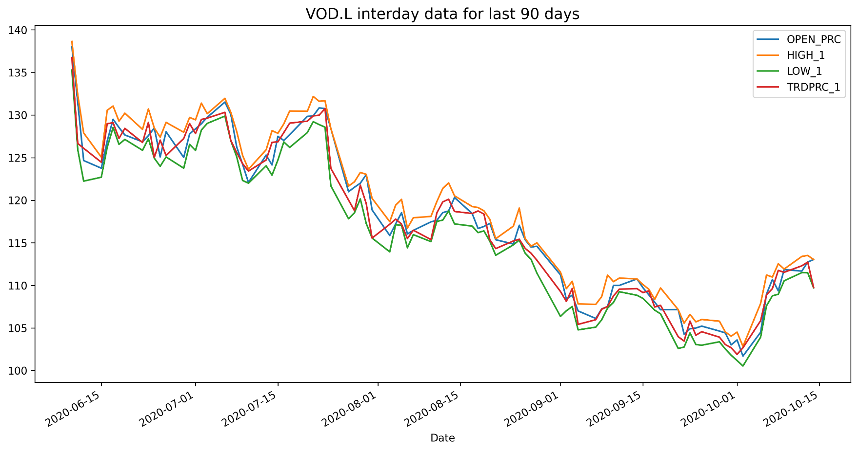
VOD.L Historical Data
Date | BID | ASK | OPEN_PRC | HIGH_1 | LOW_1 | TRDPRC_1 | NUM_MOVES
2020-06-10 | 136.26 | 136.28 | 138.02 | 138.64 | 135.28 | 136.7481 | 18794
2020-06-11 | 125.84 | 125.94 | 131.48 | 132.38 | 125.94 | 126.6638 | 19040
2020-06-12 | 126.08 | 126.1 | 124.66 | 127.9 | 122.24 | 126.1 | 16595
2020-06-15 | 124.44 | 124.46 | 123.76 | 125.06 | 122.7 | 124.46 | 13748
2020-06-16 | 129.1 | 129.12 | 126.94 | 130.56 | 126.2 | 128.98286 | 14998
2020-06-17 | 129.08 | 129.1 | 129.5 | 131.06 | 128.54 | 129.1 | 13539
2020-06-18 | 127 | 127.02 | 128.54 | 129.28 | 126.56 | 127.26 | 8733
2020-06-19 | 127.76 | 127.78 | 127.66 | 130.22 | 127.14 | 128.43521 | 9493
2020-06-22 | 126.78 | 126.84 | 126.86 | 128.32 | 125.86 | 126.78 | 7383
2020-06-23 | 129.14 | 129.16 | 127.58 | 130.72 | 127.22 | 129.14 | 11552

