Intel vs AMD Daily Price
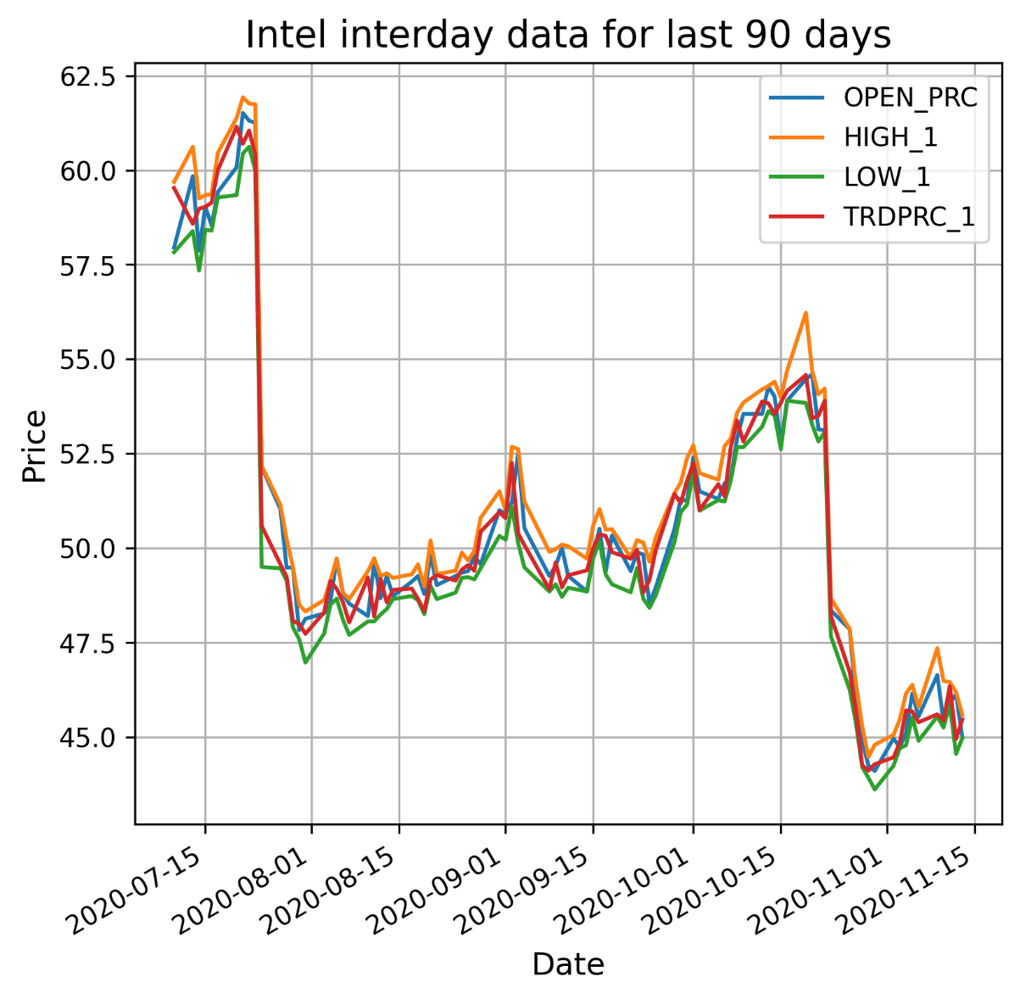
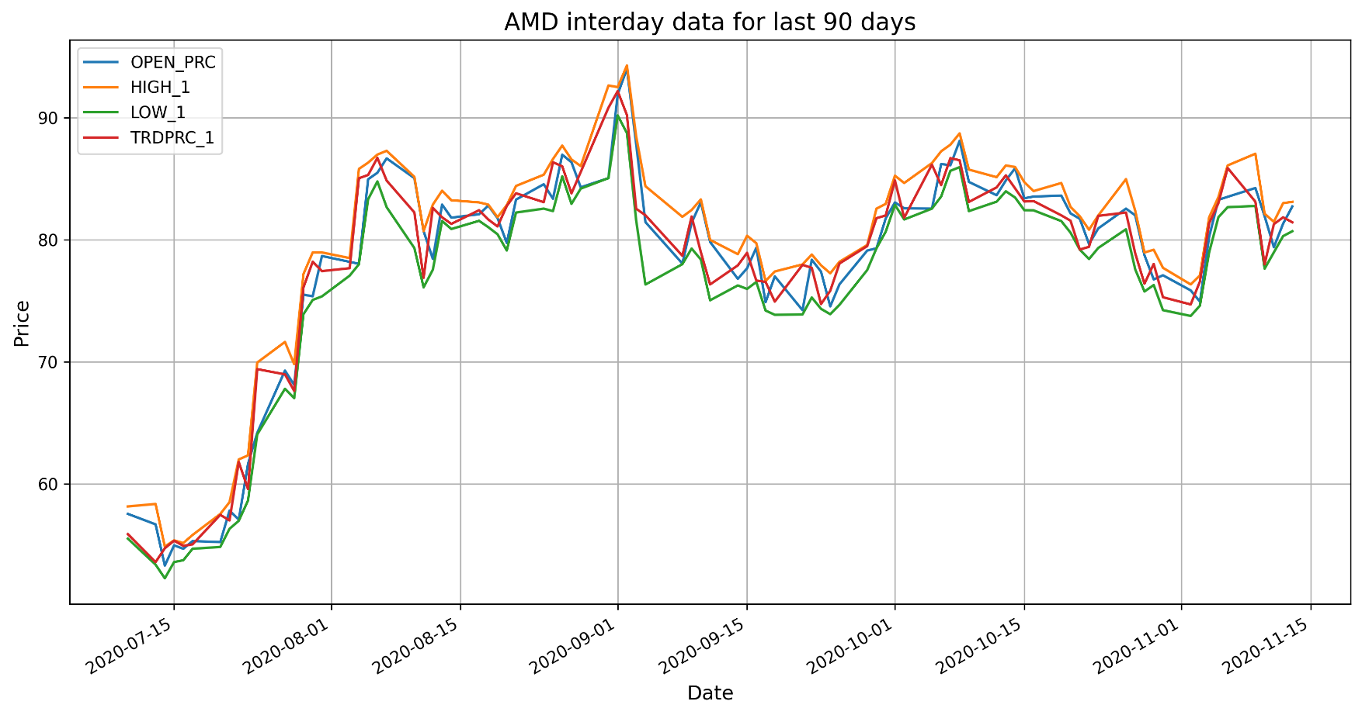
Intel Hitorical Data |  |  |  |  |  |  |  | AMD Historical Data
Date | BID | ASK | OPEN_PRC | HIGH_1 | LOW_1 | TRDPRC_1 | BLKVOLUM | Date | BID | ASK | OPEN_PRC | HIGH_1 | LOW_1 | TRDPRC_1 | BLKVOLUM
2020-07-10 | 59.54 | 59.55 | 57.95 | 59.69 | 57.83 | 59.53 | 3095904 | 2020-07-10 | 55.88 | 55.9 | 57.54 | 58.15 | 55.51 | 55.88 | 3211604
2020-07-13 | 58.57 | 58.59 | 59.84 | 60.62 | 58.39 | 58.58 | 2783448 | 2020-07-13 | 53.59 | 53.61 | 56.68 | 58.35 | 53.38 | 53.59 | 3512482
2020-07-14 | 58.95 | 58.96 | 57.8735 | 59.25 | 57.345 | 58.98 | 6630416 | 2020-07-14 | 54.7 | 54.72 | 53.3 | 54.86 | 52.26 | 54.72 | 2781222
2020-07-15 | 59.02 | 59.03 | 59.03 | 59.34 | 58.42 | 59.03 | 5529813 | 2020-07-15 | 55.33 | 55.34 | 54.96 | 55.37 | 53.59 | 55.34 | 3931487
2020-07-16 | 59.14 | 59.15 | 58.54 | 59.36 | 58.4 | 59.14 | 1813790 | 2020-07-16 | 54.91 | 54.92 | 54.68 | 55.15 | 53.74 | 54.92 | 2785912
2020-07-17 | 59.99 | 60 | 59.42 | 60.46 | 59.28 | 60 | 3465688 | 2020-07-17 | 55.04 | 55.05 | 55.31 | 55.81 | 54.68 | 55.04 | 3111670
2020-07-20 | 61.14 | 61.15 | 60.08 | 61.38 | 59.34 | 61.15 | 3085279 | 2020-07-20 | 57.45 | 57.46 | 55.23 | 57.53 | 54.83 | 57.46 | 3018017
2020-07-21 | 60.7 | 60.72 | 61.515 | 61.9275 | 60.44 | 60.7 | 4746290 | 2020-07-21 | 56.99 | 57 | 57.805 | 58.5 | 56.3173 | 57 | 2291926
2020-07-22 | 61.03 | 61.04 | 61.31 | 61.765 | 60.62 | 61.05 | 3947594 | 2020-07-22 | 61.78 | 61.79 | 57.07 | 62 | 56.97 | 61.79 | 6837200
2020-07-23 | 60.48 | 60.51 | 61.255 | 61.74 | 59.98 | 60.4 | 6101642 | 2020-07-23 | 59.59 | 59.6 | 61.63 | 62.33 | 58.6342 | 59.57 | 6591082
2020-07-24 | 50.58 | 50.59 | 52.15 | 52.18 | 49.5 | 50.59 | 16019857 | 2020-07-24 | 69.42 | 69.43 | 64.18 | 69.94 | 64.05 | 69.4 | 11847972
2020-07-27 | 49.56 | 49.57 | 51.03 | 51.14 | 49.465 | 49.57 | 39240052 | 2020-07-27 | 68.96 | 68.98 | 69.28 | 71.63 | 67.79 | 68.97 | 7895400
2020-07-28 | 49.24 | 49.25 | 49.48 | 50.23 | 49.14 | 49.24 | 13759417 | 2020-07-28 | 67.71 | 67.76 | 68.1 | 69.8 | 67.02 | 67.61 | 4318006
2020-07-29 | 48.07 | 48.08 | 49.49 | 49.5 | 47.9 | 48.07 | 6788006 | 2020-07-29 | 76.09 | 76.1 | 75.5 | 77.19 | 73.9 | 76.09 | 7342794
2020-07-30 | 48 | 48.01 | 47.83 | 48.5 | 47.59 | 47.99 | 3884370 | 2020-07-30 | 78.19 | 78.2 | 75.37 | 78.96 | 75.07 | 78.2 | 3576867

Intel vs AMD Volume
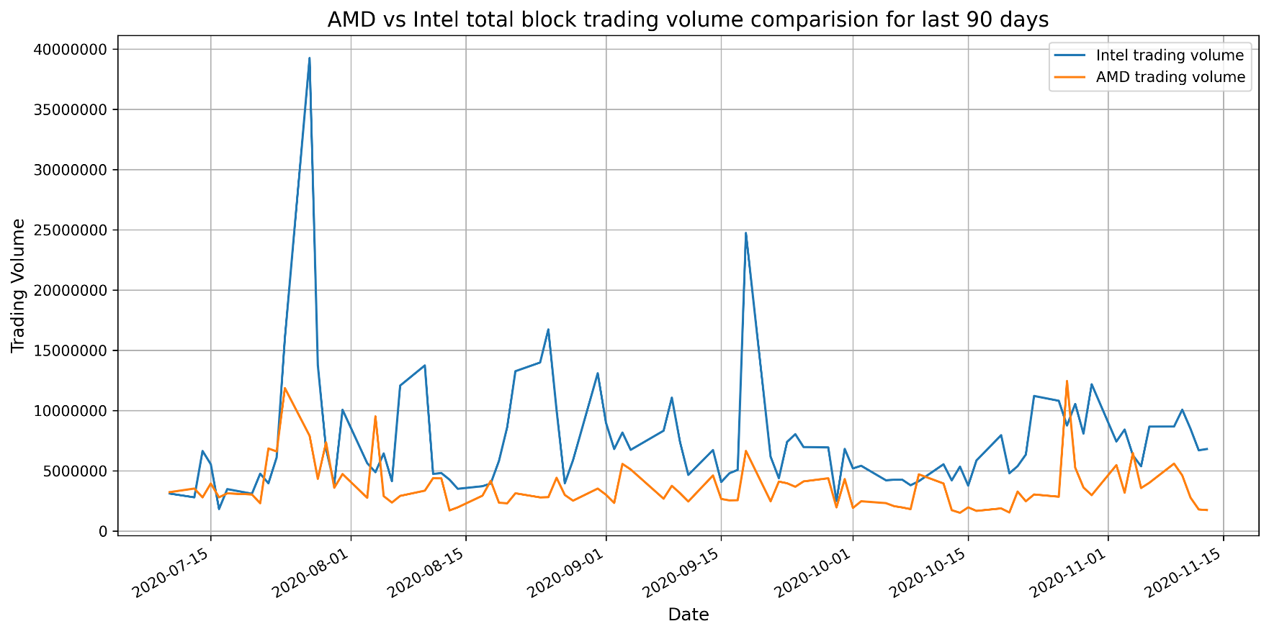
Intel vs AMD Total Block Trading Volume comparision

