VOD.L Historical Data
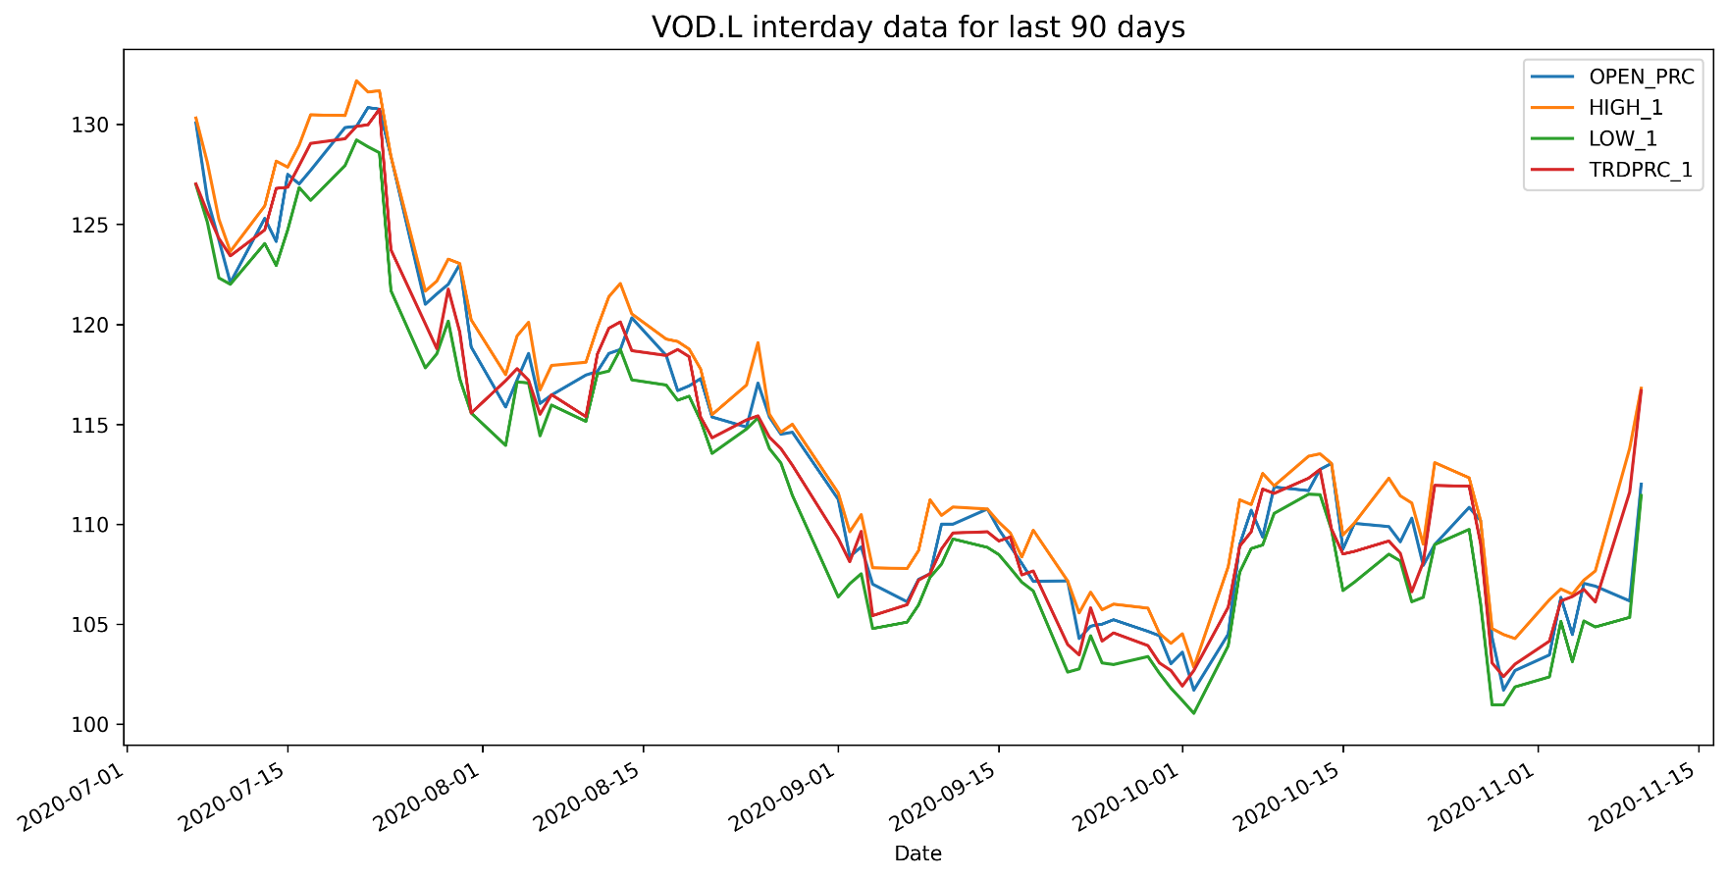
VOD.L Historical Data
Date | BID | ASK | OPEN_PRC | HIGH_1 | LOW_1 | TRDPRC_1 | NUM_MOVES
2020-07-07 | 127.02 | 127.04 | 130.08 | 130.32 | 126.98 | 127.02 | 8403
2020-07-08 | 125.28 | 125.3 | 126.26 | 128.08 | 125.1 | 125.6 | 8337
2020-07-09 | 122.64 | 122.66 | 124.22 | 125.26 | 122.32 | 124.2964 | 7729
2020-07-10 | 123.4 | 123.42 | 122.08 | 123.64 | 122 | 123.42 | 7637
2020-07-13 | 124.68 | 124.72 | 125.3 | 125.92 | 124.04 | 124.72 | 7585
2020-07-14 | 126.9 | 126.92 | 124.14 | 128.16 | 122.94 | 126.79657 | 12439
2020-07-15 | 127.5 | 127.54 | 127.5 | 127.86 | 124.72 | 126.855 | 12158
2020-07-16 | 127.46 | 127.54 | 127.02 | 128.96 | 126.84 | 127.94 | 9279
2020-07-17 | 129.78 | 129.8 | 127.7 | 130.48 | 126.2 | 129.048 | 12281
2020-07-20 | 129.28 | 129.3 | 129.84 | 130.44 | 127.94 | 129.28 | 9003
2020-07-21 | 130.32 | 130.34 | 129.9 | 132.18 | 129.22 | 129.9 | 11034
2020-07-22 | 129.96 | 129.98 | 130.84 | 131.62 | 128.88 | 129.98 | 10271
2020-07-23 | 128.8 | 128.82 | 130.76 | 131.68 | 128.58 | 130.76 | 8212
2020-07-24 | 122.16 | 122.26 | 128.4 | 128.4 | 121.68 | 123.7255 | 23419
2020-07-27 | 120.98 | 121 | 121 | 121.66 | 117.82 | 120.0214 | 13592
2020-07-28 | 120.64 | 120.66 | 121.52 | 122.16 | 118.52 | 118.78 | 12890
2020-07-29 | 123.08 | 123.1 | 122 | 123.26 | 120.16 | 121.7596 | 12138
2020-07-30 | 118.58 | 118.6 | 123 | 123.04 | 117.28 | 119.62 | 15618
2020-07-31 | 115.56 | 115.6 | 118.86 | 120.22 | 115.56 | 115.56 | 17874
2020-08-03 | 117.02 | 117.04 | 115.86 | 117.48 | 113.94 | 117.1795 | 11668
2020-08-04 | 117.74 | 117.78 | 117.22 | 119.42 | 117.12 | 117.78 | 11759
2020-08-05 | 117.2 | 117.26 | 118.54 | 120.1 | 117.06 | 117.2 | 10321
2020-08-06 | 115.98 | 116 | 116.04 | 116.72 | 114.42 | 115.5 | 7947
2020-08-07 | 116.74 | 116.78 | 116.46 | 117.94 | 115.96 | 116.48 | 14299
2020-08-10 | 116.62 | 116.76 | 117.46 | 118.1 | 115.14 | 115.38 | 13489
2020-08-11 | 118.78 | 118.8 | 117.64 | 119.84 | 117.52 | 118.5108 | 15868
2020-08-12 | 119.8 | 119.84 | 118.54 | 121.38 | 117.66 | 119.8 | 13706
2020-08-13 | 120.24 | 120.26 | 118.74 | 122.04 | 118.74 | 120.11777 | 11159
2020-08-14 | 118.68 | 118.8 | 120.32 | 120.52 | 117.22 | 118.68 | 7892
2020-08-17 | 117.7 | 117.72 | 118.44 | 119.26 | 116.96 | 118.44 | 8817

