Sheet1
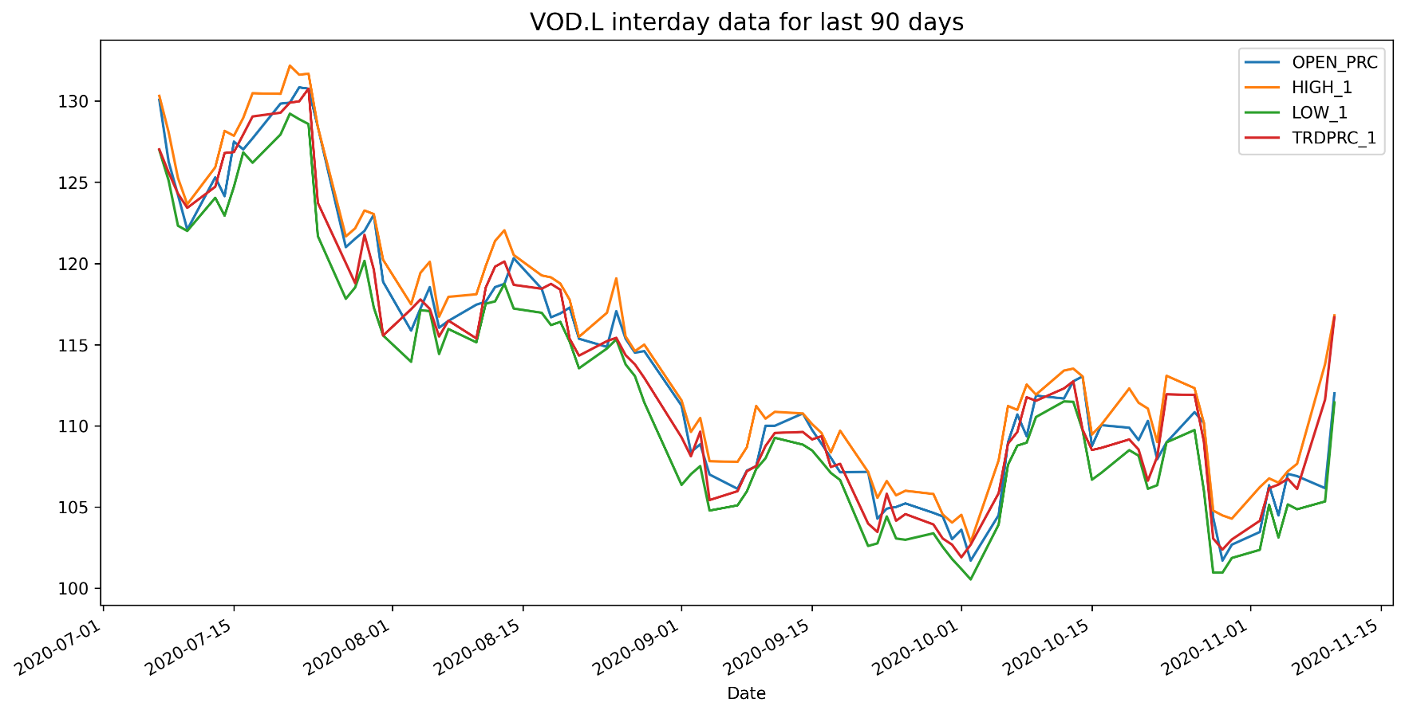
VOD.L Historical Data
Date | BID | ASK | OPEN_PRC | HIGH_1 | LOW_1 | TRDPRC_1 | NUM_MOVES
2020-07-07 | 127.02 | 127.04 | 130.08 | 130.32 | 126.98 | 127.02 | 8403
2020-07-08 | 125.28 | 125.3 | 126.26 | 128.08 | 125.1 | 125.6 | 8337
2020-07-09 | 122.64 | 122.66 | 124.22 | 125.26 | 122.32 | 124.2964 | 7729
2020-07-10 | 123.4 | 123.42 | 122.08 | 123.64 | 122 | 123.42 | 7637
2020-07-13 | 124.68 | 124.72 | 125.3 | 125.92 | 124.04 | 124.72 | 7585
2020-07-14 | 126.9 | 126.92 | 124.14 | 128.16 | 122.94 | 126.79657 | 12439
2020-07-15 | 127.5 | 127.54 | 127.5 | 127.86 | 124.72 | 126.855 | 12158
2020-07-16 | 127.46 | 127.54 | 127.02 | 128.96 | 126.84 | 127.94 | 9279
2020-07-17 | 129.78 | 129.8 | 127.7 | 130.48 | 126.2 | 129.048 | 12281
2020-07-20 | 129.28 | 129.3 | 129.84 | 130.44 | 127.94 | 129.28 | 9003

