Intel vs AMD Daily Price
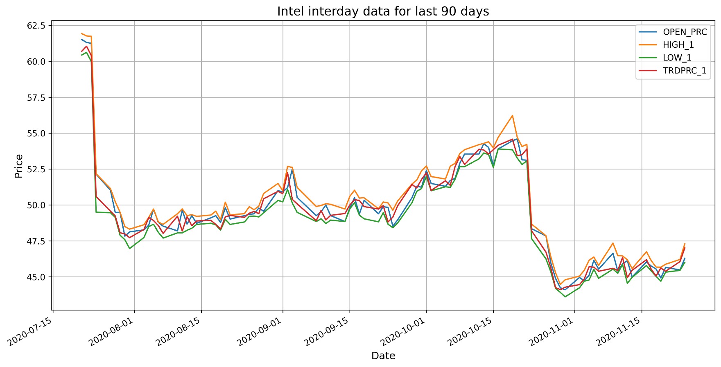
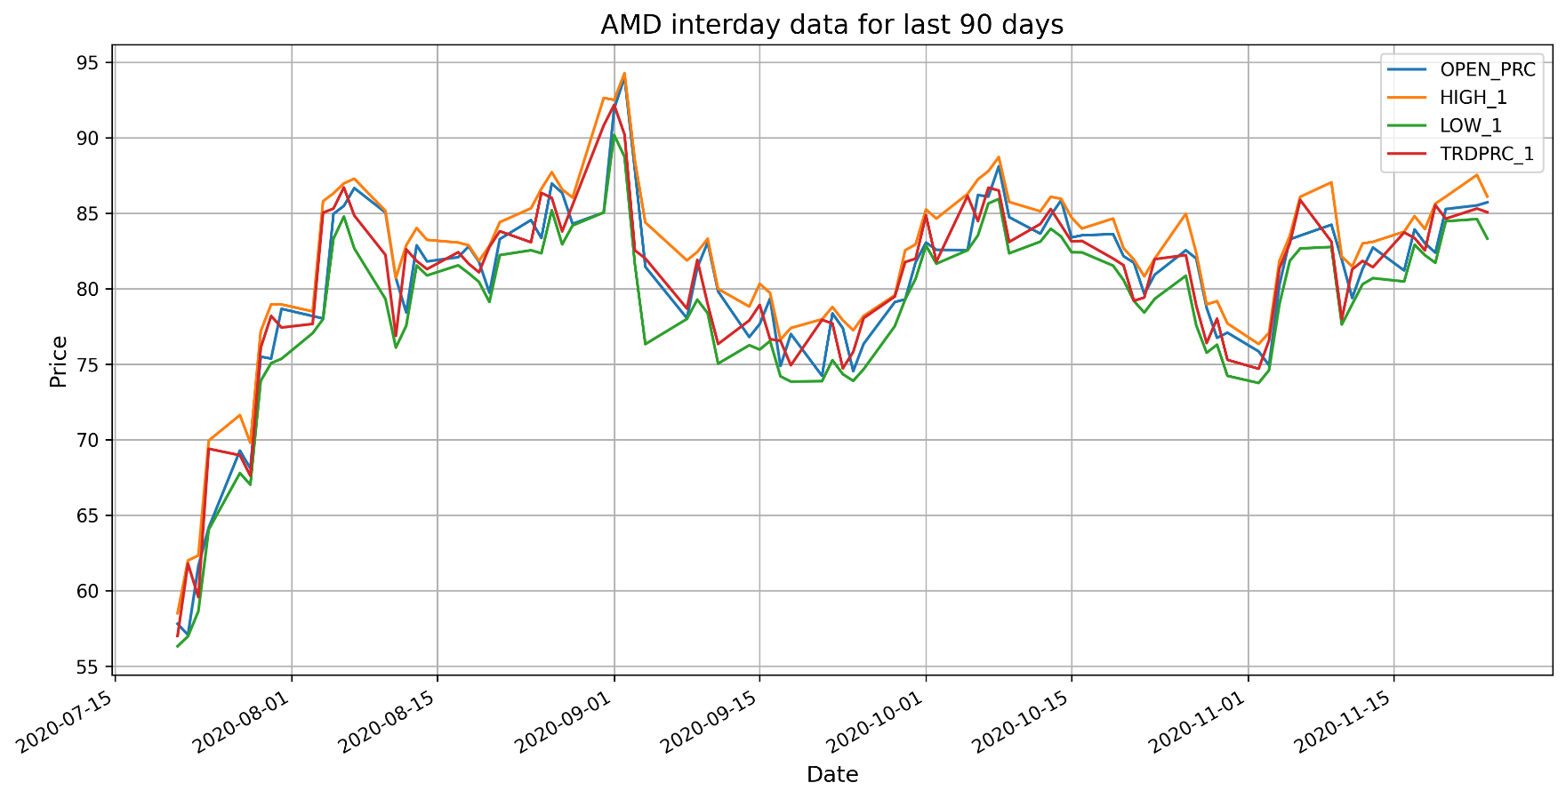
Intel Hitorical Data |  |  |  |  |  |  |  | AMD Historical Data
Date | BID | ASK | OPEN_PRC | HIGH_1 | LOW_1 | TRDPRC_1 | BLKVOLUM | Date | BID | ASK | OPEN_PRC | HIGH_1 | LOW_1 | TRDPRC_1 | BLKVOLUM
2020-07-21 | 60.7 | 60.72 | 61.515 | 61.9275 | 60.44 | 60.7 | 4746290 | 2020-07-21 | 56.99 | 57 | 57.805 | 58.5 | 56.3173 | 57 | 2291926
2020-07-22 | 61.03 | 61.04 | 61.31 | 61.765 | 60.62 | 61.05 | 3947594 | 2020-07-22 | 61.78 | 61.79 | 57.07 | 62 | 56.97 | 61.79 | 6837200
2020-07-23 | 60.48 | 60.51 | 61.255 | 61.74 | 59.98 | 60.4 | 6101642 | 2020-07-23 | 59.59 | 59.6 | 61.63 | 62.33 | 58.6342 | 59.57 | 6591082
2020-07-24 | 50.58 | 50.59 | 52.15 | 52.18 | 49.5 | 50.59 | 16019857 | 2020-07-24 | 69.42 | 69.43 | 64.18 | 69.94 | 64.05 | 69.4 | 11847972
2020-07-27 | 49.56 | 49.57 | 51.03 | 51.14 | 49.465 | 49.57 | 39240052 | 2020-07-27 | 68.96 | 68.98 | 69.28 | 71.63 | 67.79 | 68.97 | 7895400
2020-07-28 | 49.24 | 49.25 | 49.48 | 50.23 | 49.14 | 49.24 | 13759417 | 2020-07-28 | 67.71 | 67.76 | 68.1 | 69.8 | 67.02 | 67.61 | 4318006
2020-07-29 | 48.07 | 48.08 | 49.49 | 49.5 | 47.9 | 48.07 | 6788006 | 2020-07-29 | 76.09 | 76.1 | 75.5 | 77.19 | 73.9 | 76.09 | 7342794
2020-07-30 | 48 | 48.01 | 47.83 | 48.5 | 47.59 | 47.99 | 3884370 | 2020-07-30 | 78.19 | 78.2 | 75.37 | 78.96 | 75.07 | 78.2 | 3576867
2020-07-31 | 47.73 | 47.74 | 48.13 | 48.3216 | 46.97 | 47.73 | 10051456 | 2020-07-31 | 77.42 | 77.43 | 78.67 | 78.96 | 75.36 | 77.43 | 4718367
2020-08-03 | 48.28 | 48.29 | 48.27 | 48.6267 | 47.74 | 48.3 | 5617516 | 2020-08-03 | 77.65 | 77.66 | 78.19 | 78.5 | 77.06 | 77.67 | 2743098
2020-08-04 | 49.13 | 49.14 | 48.6 | 49.14 | 48.5 | 49.13 | 4870512 | 2020-08-04 | 85.04 | 85.05 | 78.03 | 85.805 | 77.99 | 85.04 | 9498960
2020-08-05 | 48.92 | 48.93 | 49.72 | 49.72 | 48.66 | 48.92 | 6427933 | 2020-08-05 | 85.31 | 85.33 | 84.96 | 86.32 | 83.32 | 85.31 | 2882107
2020-08-06 | 48.57 | 48.58 | 48.79 | 48.82 | 48.1 | 48.57 | 4123124 | 2020-08-06 | 86.7 | 86.72 | 85.49 | 86.98 | 84.7801 | 86.71 | 2350458
2020-08-07 | 48.03 | 48.04 | 48.53 | 48.65 | 47.7 | 48.03 | 12055972 | 2020-08-07 | 84.82 | 84.85 | 86.67 | 87.29 | 82.6702 | 84.85 | 2902196
2020-08-10 | 49.22 | 49.23 | 48.2 | 49.39 | 48.06 | 49.22 | 13730994 | 2020-08-10 | 82.23 | 82.24 | 85.05 | 85.16 | 79.3221 | 82.24 | 3337267

Intel vs AMD Volume
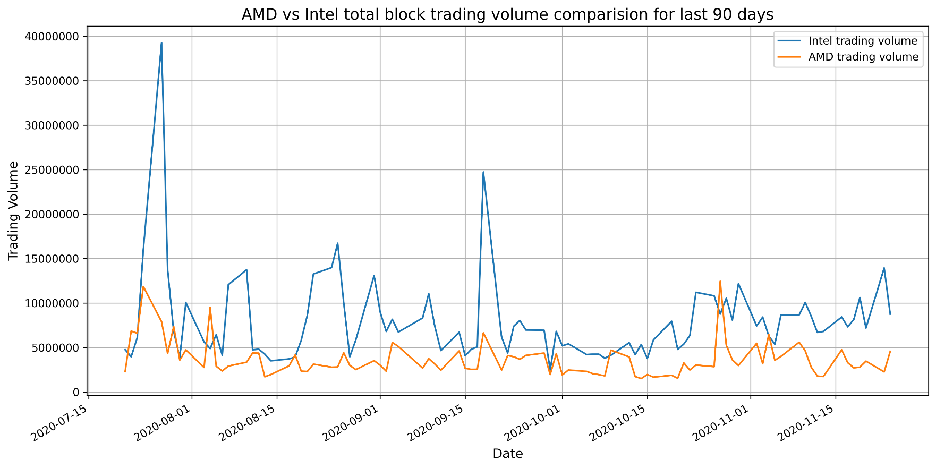
Intel vs AMD Total Block Trading Volume comparision

