VOD.L Historical Data
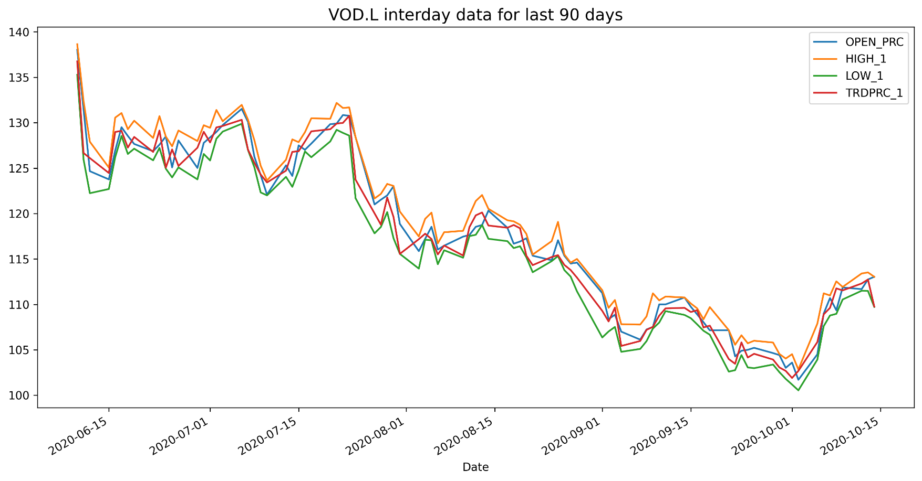
VOD.L Historical Data
Date | BID | ASK | OPEN_PRC | HIGH_1 | LOW_1 | TRDPRC_1 | NUM_MOVES
2020-06-10 | 136.26 | 136.28 | 138.02 | 138.64 | 135.28 | 136.7481 | 18794
2020-06-11 | 125.84 | 125.94 | 131.48 | 132.38 | 125.94 | 126.6638 | 19040
2020-06-12 | 126.08 | 126.1 | 124.66 | 127.9 | 122.24 | 126.1 | 16595
2020-06-15 | 124.44 | 124.46 | 123.76 | 125.06 | 122.7 | 124.46 | 13748
2020-06-16 | 129.1 | 129.12 | 126.94 | 130.56 | 126.2 | 128.98286 | 14998
2020-06-17 | 129.08 | 129.1 | 129.5 | 131.06 | 128.54 | 129.1 | 13539
2020-06-18 | 127 | 127.02 | 128.54 | 129.28 | 126.56 | 127.26 | 8733
2020-06-19 | 127.76 | 127.78 | 127.66 | 130.22 | 127.14 | 128.43521 | 9493
2020-06-22 | 126.78 | 126.84 | 126.86 | 128.32 | 125.86 | 126.78 | 7383
2020-06-23 | 129.14 | 129.16 | 127.58 | 130.72 | 127.22 | 129.14 | 11552
2020-06-24 | 125.02 | 125.04 | 128.48 | 128.48 | 124.94 | 125.04 | 10019
2020-06-25 | 127.02 | 127.06 | 125.08 | 127.4 | 123.98 | 127.06 | 10782
2020-06-26 | 125.24 | 125.28 | 128.04 | 129.14 | 125.08 | 125.24 | 14526
2020-06-29 | 127.76 | 127.8 | 125.02 | 127.98 | 123.76 | 127.24358 | 8682
2020-06-30 | 128.86 | 128.88 | 127.78 | 129.72 | 126.56 | 129 | 13573
2020-07-01 | 127.8 | 127.84 | 128.38 | 129.44 | 125.84 | 127.8277 | 9737
2020-07-02 | 129.48 | 129.5 | 128.98 | 131.4 | 128.24 | 129.48 | 8546
2020-07-03 | 129.58 | 129.64 | 129.74 | 130.16 | 129.02 | 129.64 | 5971
2020-07-06 | 130.24 | 130.36 | 131.52 | 131.96 | 129.88 | 130.32 | 9212
2020-07-07 | 127.02 | 127.04 | 130.08 | 130.32 | 126.98 | 127.02 | 8403
2020-07-08 | 125.28 | 125.3 | 126.26 | 128.08 | 125.1 | 125.6 | 8337
2020-07-09 | 122.64 | 122.66 | 124.22 | 125.26 | 122.32 | 124.2964 | 7729
2020-07-10 | 123.4 | 123.42 | 122.08 | 123.64 | 122 | 123.42 | 7637
2020-07-13 | 124.68 | 124.72 | 125.3 | 125.92 | 124.04 | 124.72 | 7585
2020-07-14 | 126.9 | 126.92 | 124.14 | 128.16 | 122.94 | 126.79657 | 12439
2020-07-15 | 127.5 | 127.54 | 127.5 | 127.86 | 124.72 | 126.855 | 12158
2020-07-16 | 127.46 | 127.54 | 127.02 | 128.96 | 126.84 | 127.94 | 9279
2020-07-17 | 129.78 | 129.8 | 127.7 | 130.48 | 126.2 | 129.048 | 12281
2020-07-20 | 129.28 | 129.3 | 129.84 | 130.44 | 127.94 | 129.28 | 9003
2020-07-21 | 130.32 | 130.34 | 129.9 | 132.18 | 129.22 | 129.9 | 11034

