Raise Issues
No. | Title name ​ | Type ​ | Severity ​ | Priority ​ | Description ​ | Test Details​ | User account ​ | Environment ​ | Product version ​ | Step to reproduce ​ | Actual result ​ | Log/ transaction ​ | Capture screen ​ | Expected result ​ | Reference ACs/ ticket related ​ | Note/ more information ​
1 | 1Y toggle of TURN UP Ratio chart's does not working | Bugs | Major | Medium | 1Y toggle of TURN UP Ratio chart's does not working | - | - | Beta | v1.3.4 | 1. Open dashboard 2. Click at toggle button | Data has not been update | - | 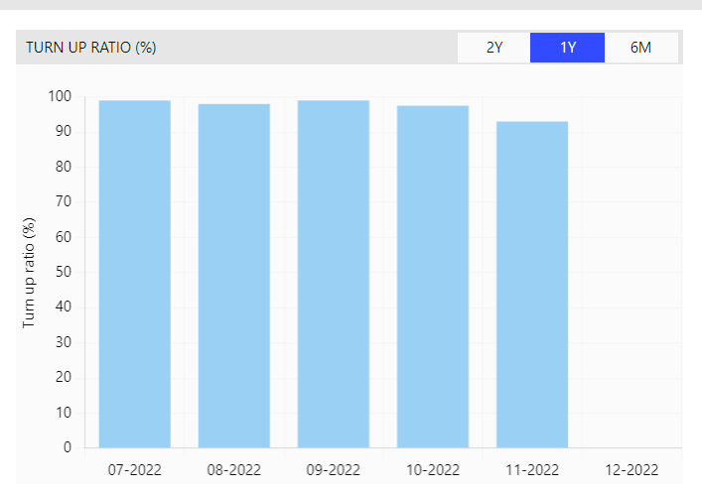 | Data for 1Y should display correctly | - | -

