Sheet1
0

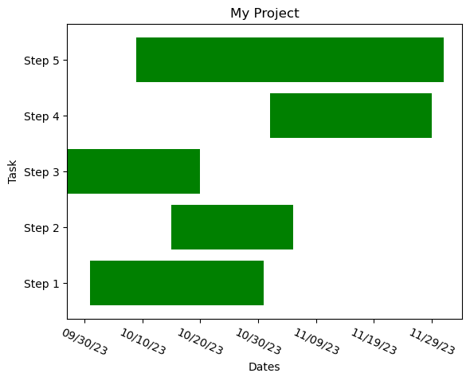
 | My Project
 | Task | Start | End
 | Step 1 | 2023-10-01 | 2023-10-31
 | Step 2 | 2023-10-15 | 2023-11-05
 | Step 3 | 2023-09-27 | 2023-10-20
 | Step 4 | 2023-11-01 | 2023-11-29
 | Step 5 | 2023-10-09 | 2023-12-01

