Plotting
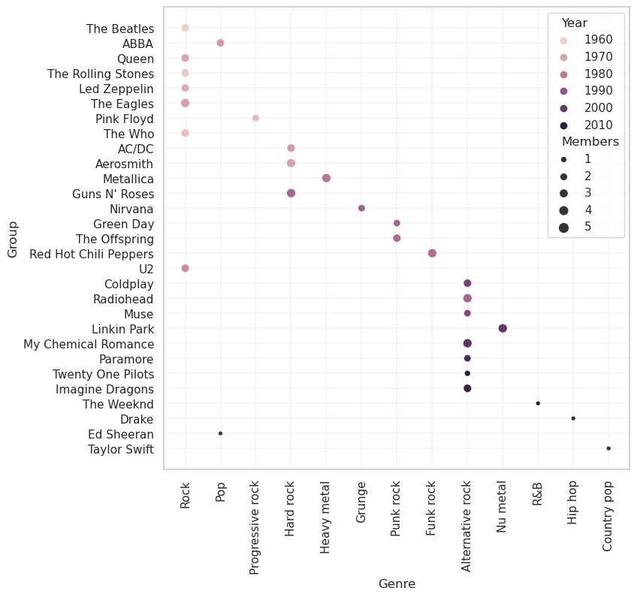
Create a scatter plot using the Seaborn library and the bands data in the BandsData tab

