Culture Exploration
 | Individualist | Cooperative | No_Fragging | Warlike | Pacifist
Total Reward | 379 | 540 | 484 | 11 | 576
Laser Fired | 1323 | 292 | 858 | 226 | 0
US Hit | 56 | 38 | 54 | 3 | 0
Them Hit | 175 | 77 | 141 | 513 | 0
Frag Rate | 24.2% | 33.0% | 27.7% | 0.6% | 0.0%

Cultural Parameter Optimization (2000 episodes of 300 game steps)

Cooperative |  |  |  |  |  |  | Warlike (300 Game Steps)
coop_factor | 0.1 | 0.5 | 1 | 5 | 10 | 50 | reward | 0.001 | 0.005 | 0.01 | 0.05 | 0.1 | 0.5 | 1
Total Reward | 110.384 | 107.07 | 109.437 | 96.13 | 99.298 | 112.986 | Total Reward | 33.754 | 16.12 | 97.582 | 72.042 | 1.338 | 0.222 | 0.054

Culture = Cooperative
Culture = Warlike

No_Fragging
penalty | -0.01 | -0.1 | -1 | -10 | -100 |  | Warlike (1000 Game Steps)
Total Reward | 129.518 | 145.194 | 150.716 | 149.477 | 163.937 |  | reward | 0.001 | 0.005 | 0.01 | 0.05 | 0.1 | 0.5 | 1
 |  |  |  |  |  |  | Total Reward | 385.52 | 438.464 | 435.487 | 439.957 | 374.727 | 4.737 | 0.525

Culture = No Fragging
Culture = Warlike

Pacifist
penalty | -0.01 | -0.1 | -1 | -10 | -100
Total Reward | 159.717 | 162.03 | 156.087 | 158.747 | 168.842

Culture = Pacifist

Individualist
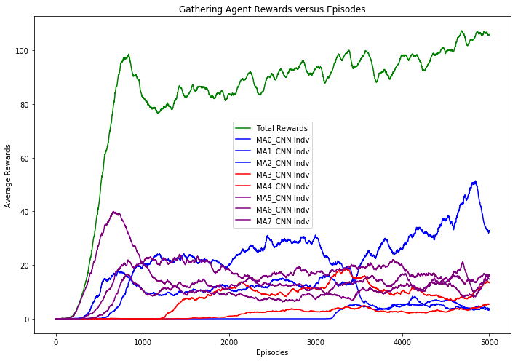
'MA_models/individualist/' ep=1000 |  | 'MA_models/individualist/' ep=2000 |  | 'MA_models/individualist/' ep=3000 |  | 'MA_models/individualist/' ep=4000 |  | 'MA_models/individualist/' ep=5000
Average Statistics in Aggregate |  | Average Statistics in Aggregate |  | Average Statistics in Aggregate |  | Average Statistics in Aggregate |  | Average Statistics in Aggregate

Total rewards gathered | 271.5 | Total rewards gathered | 280.6 | Total rewards gathered | 344.2 | Total rewards gathered | 355.1 | Total rewards gathered | 375.4
Num laser fired | 372.8 | Num laser fired | 408.1 | Num laser fired | 368.1 | Num laser fired | 480.5 | Num laser fired | 567
Total US Hit (friendly fire) | 41.5 | Total US Hit (friendly fire) | 40.2 | Total US Hit (friendly fire) | 42.3 | Total US Hit (friendly fire) | 50.8 | Total US Hit (friendly fire) | 57.5
Total THEM Hit | 122.3 | Total THEM Hit | 159.1 | Total THEM Hit | 156.4 | Total THEM Hit | 169.8 | Total THEM Hit | 155.2
friendly fire (%) | 0.253 | friendly fire (%) | 0.202 | friendly fire (%) | 0.213 | friendly fire (%) | 0.23 | friendly fire (%) | 0.27
Average Statistics by Tribe |  | Average Statistics by Tribe |  | Average Statistics by Tribe |  | Average Statistics by Tribe |  | Average Statistics by Tribe

Tribe Vikings has total reward of 100.3 |  | Tribe Vikings has total reward of 105.0 |  | Tribe Vikings has total reward of 147.0 |  | Tribe Vikings has total reward of 144.9 |  | Tribe Vikings has total reward of 115.2
Tribe Saxons has total reward of 0.0 |  | Tribe Saxons has total reward of 46.4 |  | Tribe Saxons has total reward of 53.6 |  | Tribe Saxons has total reward of 54.0 |  | Tribe Saxons has total reward of 62.0
Tribe Franks has total reward of 171.2 |  | Tribe Franks has total reward of 129.2 |  | Tribe Franks has total reward of 143.6 |  | Tribe Franks has total reward of 156.3 |  | Tribe Franks has total reward of 198.2
Average Statistics by Agent |  | Average Statistics by Agent |  | Average Statistics by Agent |  | Average Statistics by Agent |  | Average Statistics by Agent
#VALUE! |  | #VALUE! |  | #VALUE! |  | #VALUE! |  | #VALUE!
Agent0 of Vikings aggressiveness is 0.03 |  | Agent0 of Vikings aggressiveness is 0.02 |  | Agent0 of Vikings aggressiveness is 0.01 |  | Agent0 of Vikings aggressiveness is 0.01 |  | Agent0 of Vikings aggressiveness is 0.05
Agent0 reward is 0.0 |  | Agent0 reward is 0.0 |  | Agent0 reward is 0.0 |  | Agent0 reward is 13.0 |  | Agent0 reward is 9.3
US agents hit = 2.8 |  | US agents hit = 1.9 |  | US agents hit = 1.2 |  | US agents hit = 1.8 |  | US agents hit = 7.6
THEM agents hit = 11.9 |  | THEM agents hit = 6.3 |  | THEM agents hit = 4.4 |  | THEM agents hit = 0.1 |  | THEM agents hit = 0.2
Agent1 of Vikings aggressiveness is 0.12 |  | Agent1 of Vikings aggressiveness is 0.19 |  | Agent1 of Vikings aggressiveness is 0.09 |  | Agent1 of Vikings aggressiveness is 0.12 |  | Agent1 of Vikings aggressiveness is 0.09
Agent1 reward is 69.7 |  | Agent1 reward is 75.8 |  | Agent1 reward is 83.6 |  | Agent1 reward is 107.5 |  | Agent1 reward is 87.9
US agents hit = 12.0 |  | US agents hit = 13.3 |  | US agents hit = 8.7 |  | US agents hit = 15.0 |  | US agents hit = 9.8
THEM agents hit = 48.2 |  | THEM agents hit = 54.9 |  | THEM agents hit = 43.8 |  | THEM agents hit = 51.3 |  | THEM agents hit = 27.5
Agent2 of Vikings aggressiveness is 0.01 |  | Agent2 of Vikings aggressiveness is 0.01 |  | Agent2 of Vikings aggressiveness is 0.09 |  | Agent2 of Vikings aggressiveness is 0.01 |  | Agent2 of Vikings aggressiveness is 0.04
Agent2 reward is 30.6 |  | Agent2 reward is 29.2 |  | Agent2 reward is 63.4 |  | Agent2 reward is 24.4 |  | Agent2 reward is 18.1
US agents hit = 1.1 |  | US agents hit = 1.7 |  | US agents hit = 4.7 |  | US agents hit = 2.0 |  | US agents hit = 2.0
THEM agents hit = 4.3 |  | THEM agents hit = 4.4 |  | THEM agents hit = 16.5 |  | THEM agents hit = 4.5 |  | THEM agents hit = 5.3
Agent3 of Saxons aggressiveness is 0.03 |  | Agent3 of Saxons aggressiveness is 0.10 |  | Agent3 of Saxons aggressiveness is 0.01 |  | Agent3 of Saxons aggressiveness is 0.06 |  | Agent3 of Saxons aggressiveness is 0.02
Agent3 reward is 0.0 |  | Agent3 reward is 40.4 |  | Agent3 reward is 40.5 |  | Agent3 reward is 44.1 |  | Agent3 reward is 44.5
US agents hit = 4.1 |  | US agents hit = 8.4 |  | US agents hit = 5.0 |  | US agents hit = 7.7 |  | US agents hit = 5.2
THEM agents hit = 14.0 |  | THEM agents hit = 39.6 |  | THEM agents hit = 14.9 |  | THEM agents hit = 33.5 |  | THEM agents hit = 19.7
Agent4 of Saxons aggressiveness is 0.01 |  | Agent4 of Saxons aggressiveness is 0.00 |  | Agent4 of Saxons aggressiveness is 0.00 |  | Agent4 of Saxons aggressiveness is 0.00 |  | Agent4 of Saxons aggressiveness is 0.00
Agent4 reward is 0.0 |  | Agent4 reward is 6.0 |  | Agent4 reward is 13.1 |  | Agent4 reward is 9.9 |  | Agent4 reward is 17.5
US agents hit = 1.1 |  | US agents hit = 0.0 |  | US agents hit = 0.0 |  | US agents hit = 0.0 |  | US agents hit = 0.0
THEM agents hit = 4.3 |  | THEM agents hit = 0.1 |  | THEM agents hit = 0.0 |  | THEM agents hit = 0.0 |  | THEM agents hit = 0.0
Agent5 of Franks aggressiveness is 0.01 |  | Agent5 of Franks aggressiveness is 0.05 |  | Agent5 of Franks aggressiveness is 0.06 |  | Agent5 of Franks aggressiveness is 0.11 |  | Agent5 of Franks aggressiveness is 0.24
Agent5 reward is 30.1 |  | Agent5 reward is 41.0 |  | Agent5 reward is 43.4 |  | Agent5 reward is 60.7 |  | Agent5 reward is 65.7
US agents hit = 2.3 |  | US agents hit = 5.2 |  | US agents hit = 7.6 |  | US agents hit = 10.2 |  | US agents hit = 19.6
THEM agents hit = 10.1 |  | THEM agents hit = 35.4 |  | THEM agents hit = 46.5 |  | THEM agents hit = 47.3 |  | THEM agents hit = 73.1
Agent6 of Franks aggressiveness is 0.15 |  | Agent6 of Franks aggressiveness is 0.03 |  | Agent6 of Franks aggressiveness is 0.06 |  | Agent6 of Franks aggressiveness is 0.03 |  | Agent6 of Franks aggressiveness is 0.04
Agent6 reward is 84.5 |  | Agent6 reward is 55.2 |  | Agent6 reward is 70.3 |  | Agent6 reward is 57.0 |  | Agent6 reward is 60.0
US agents hit = 15.2 |  | US agents hit = 7.5 |  | US agents hit = 11.9 |  | US agents hit = 6.8 |  | US agents hit = 5.4
THEM agents hit = 24.6 |  | THEM agents hit = 14.3 |  | THEM agents hit = 22.7 |  | THEM agents hit = 18.4 |  | THEM agents hit = 13.7
Agent7 of Franks aggressiveness is 0.02 |  | Agent7 of Franks aggressiveness is 0.01 |  | Agent7 of Franks aggressiveness is 0.04 |  | Agent7 of Franks aggressiveness is 0.13 |  | Agent7 of Franks aggressiveness is 0.09
Agent7 reward is 56.7 |  | Agent7 reward is 33.0 |  | Agent7 reward is 29.9 |  | Agent7 reward is 38.5 |  | Agent7 reward is 72.5
US agents hit = 2.8 |  | US agents hit = 2.1 |  | US agents hit = 3.2 |  | US agents hit = 7.3 |  | US agents hit = 8.0
THEM agents hit = 4.8 |  | THEM agents hit = 4.1 |  | THEM agents hit = 7.7 |  | THEM agents hit = 14.7 |  | THEM agents hit = 15.6
Training time per epochs: 2.69 sec |  | Training time per epochs: 2.67 sec |  | Training time per epochs: 2.64 sec |  | Training time per epochs: 2.77 sec |  | Training time per epochs: 2.63 sec

warlike-01 p=-1.0 r=0.005
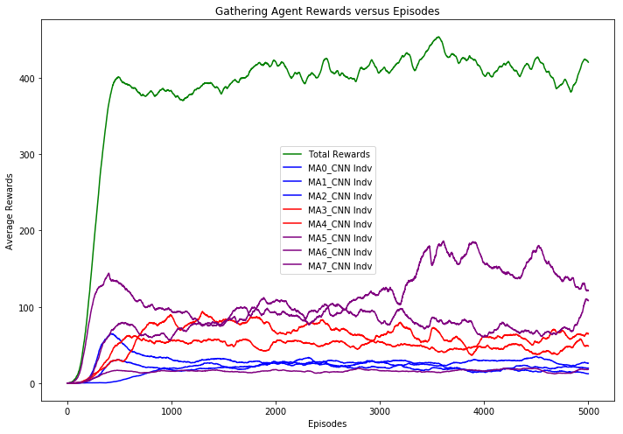
'MA_models/warlike-01/p-1.0_r0.005/' ep=1000 |  | 'MA_models/warlike-01/p-1.0_r0.005/' ep=2000 |  | 'MA_models/warlike-01/p-1.0_r0.005/' ep=3000 |  | 'MA_models/warlike-01/p-1.0_r0.005/' ep=4000 |  | 'MA_models/warlike-01/p-1.0_r0.005/' ep=5000
Average Statistics in Aggregate |  | Average Statistics in Aggregate |  | Average Statistics in Aggregate |  | Average Statistics in Aggregate |  | Average Statistics in Aggregate
#VALUE! |  | #VALUE! |  | #VALUE! |  | #VALUE! |  | #VALUE!
Total rewards gathered | 369.6 | Total rewards gathered | 393.7 | Total rewards gathered | 420.3 | Total rewards gathered | 384.6 | Total rewards gathered | 389.2
Num laser fired | 363.1 | Num laser fired | 438.9 | Num laser fired | 498.2 | Num laser fired | 533 | Num laser fired | 512.4
Total US Hit (friendly fire) | 27.2 | Total US Hit (friendly fire) | 28.6 | Total US Hit (friendly fire) | 31.5 | Total US Hit (friendly fire) | 32.7 | Total US Hit (friendly fire) | 34
Total THEM Hit | 119.2 | Total THEM Hit | 128.4 | Total THEM Hit | 149.9 | Total THEM Hit | 152.2 | Total THEM Hit | 155.2
friendly fire (%) | 0.186 | friendly fire (%) | 0.182 | friendly fire (%) | 0.174 | friendly fire (%) | 0.177 | friendly fire (%) | 0.18
Average Statistics by Tribe |  | Average Statistics by Tribe |  | Average Statistics by Tribe |  | Average Statistics by Tribe |  | Average Statistics by Tribe
#VALUE! |  | #VALUE! |  | #VALUE! |  | #VALUE! |  | #VALUE!
Tribe Vikings has total reward of 64.4 |  | Tribe Vikings has total reward of 73.3 |  | Tribe Vikings has total reward of 82.2 |  | Tribe Vikings has total reward of 56.1 |  | Tribe Vikings has total reward of 47.6
Tribe Saxons has total reward of 125.2 |  | Tribe Saxons has total reward of 111.9 |  | Tribe Saxons has total reward of 109.7 |  | Tribe Saxons has total reward of 114.2 |  | Tribe Saxons has total reward of 104.2
Tribe Franks has total reward of 179.9 |  | Tribe Franks has total reward of 208.5 |  | Tribe Franks has total reward of 228.4 |  | Tribe Franks has total reward of 214.2 |  | Tribe Franks has total reward of 237.4
Average Statistics by Agent |  | Average Statistics by Agent |  | Average Statistics by Agent |  | Average Statistics by Agent |  | Average Statistics by Agent
#VALUE! |  | #VALUE! |  | #VALUE! |  | #VALUE! |  | #VALUE!
Agent0 of Vikings aggressiveness is 0.00 |  | Agent0 of Vikings aggressiveness is 0.00 |  | Agent0 of Vikings aggressiveness is 0.00 |  | Agent0 of Vikings aggressiveness is 0.00 |  | Agent0 of Vikings aggressiveness is 0.00
Agent0 reward is 16.0 |  | Agent0 reward is 22.1 |  | Agent0 reward is 31.7 |  | Agent0 reward is 11.0 |  | Agent0 reward is 14.9
US agents hit = 0.0 |  | US agents hit = 0.0 |  | US agents hit = 0.0 |  | US agents hit = 0.0 |  | US agents hit = 0.0
THEM agents hit = 0.0 |  | THEM agents hit = 0.0 |  | THEM agents hit = 0.0 |  | THEM agents hit = 0.0 |  | THEM agents hit = 0.0
Agent1 of Vikings aggressiveness is 0.00 |  | Agent1 of Vikings aggressiveness is 0.00 |  | Agent1 of Vikings aggressiveness is 0.00 |  | Agent1 of Vikings aggressiveness is 0.00 |  | Agent1 of Vikings aggressiveness is 0.00
Agent1 reward is 23.0 |  | Agent1 reward is 23.0 |  | Agent1 reward is 28.8 |  | Agent1 reward is 27.5 |  | Agent1 reward is 23.5
US agents hit = 0.0 |  | US agents hit = 0.0 |  | US agents hit = 0.0 |  | US agents hit = 0.0 |  | US agents hit = 0.0
THEM agents hit = 0.0 |  | THEM agents hit = 0.0 |  | THEM agents hit = 0.0 |  | THEM agents hit = 0.0 |  | THEM agents hit = 0.0
Agent2 of Vikings aggressiveness is 0.00 |  | Agent2 of Vikings aggressiveness is 0.00 |  | Agent2 of Vikings aggressiveness is 0.00 |  | Agent2 of Vikings aggressiveness is 0.00 |  | Agent2 of Vikings aggressiveness is 0.00
Agent2 reward is 25.5 |  | Agent2 reward is 28.3 |  | Agent2 reward is 21.7 |  | Agent2 reward is 17.7 |  | Agent2 reward is 9.1
US agents hit = 0.0 |  | US agents hit = 0.0 |  | US agents hit = 0.0 |  | US agents hit = 0.0 |  | US agents hit = 0.0
THEM agents hit = 0.0 |  | THEM agents hit = 0.0 |  | THEM agents hit = 0.0 |  | THEM agents hit = 0.0 |  | THEM agents hit = 0.0
Agent3 of Saxons aggressiveness is 0.13 |  | Agent3 of Saxons aggressiveness is 0.13 |  | Agent3 of Saxons aggressiveness is 0.12 |  | Agent3 of Saxons aggressiveness is 0.12 |  | Agent3 of Saxons aggressiveness is 0.19
Agent3 reward is 77.5 |  | Agent3 reward is 52.9 |  | Agent3 reward is 61.9 |  | Agent3 reward is 56.7 |  | Agent3 reward is 42.8
US agents hit = 7.0 |  | US agents hit = 6.9 |  | US agents hit = 7.6 |  | US agents hit = 6.2 |  | US agents hit = 8.1
THEM agents hit = 46.6 |  | THEM agents hit = 36.2 |  | THEM agents hit = 39.3 |  | THEM agents hit = 44.4 |  | THEM agents hit = 52.4
Agent4 of Saxons aggressiveness is 0.04 |  | Agent4 of Saxons aggressiveness is 0.10 |  | Agent4 of Saxons aggressiveness is 0.14 |  | Agent4 of Saxons aggressiveness is 0.08 |  | Agent4 of Saxons aggressiveness is 0.11
Agent4 reward is 47.7 |  | Agent4 reward is 59.0 |  | Agent4 reward is 47.8 |  | Agent4 reward is 57.5 |  | Agent4 reward is 61.4
US agents hit = 2.4 |  | US agents hit = 3.6 |  | US agents hit = 4.3 |  | US agents hit = 3.3 |  | US agents hit = 1.8
THEM agents hit = 18.4 |  | THEM agents hit = 31.8 |  | THEM agents hit = 40.5 |  | THEM agents hit = 29.6 |  | THEM agents hit = 24.7
Agent5 of Franks aggressiveness is 0.00 |  | Agent5 of Franks aggressiveness is 0.00 |  | Agent5 of Franks aggressiveness is 0.00 |  | Agent5 of Franks aggressiveness is 0.00 |  | Agent5 of Franks aggressiveness is 0.00
Agent5 reward is 17.2 |  | Agent5 reward is 13.9 |  | Agent5 reward is 14.9 |  | Agent5 reward is 16.3 |  | Agent5 reward is 24.5
US agents hit = 0.0 |  | US agents hit = 0.0 |  | US agents hit = 0.0 |  | US agents hit = 0.0 |  | US agents hit = 0.0
THEM agents hit = 0.0 |  | THEM agents hit = 0.0 |  | THEM agents hit = 0.0 |  | THEM agents hit = 0.0 |  | THEM agents hit = 0.0
Agent6 of Franks aggressiveness is 0.12 |  | Agent6 of Franks aggressiveness is 0.13 |  | Agent6 of Franks aggressiveness is 0.11 |  | Agent6 of Franks aggressiveness is 0.16 |  | Agent6 of Franks aggressiveness is 0.13
Agent6 reward is 77.0 |  | Agent6 reward is 115.7 |  | Agent6 reward is 132.5 |  | Agent6 reward is 133.7 |  | Agent6 reward is 132.8
US agents hit = 10.1 |  | US agents hit = 10.8 |  | US agents hit = 11.4 |  | US agents hit = 15.6 |  | US agents hit = 17.9
THEM agents hit = 25.9 |  | THEM agents hit = 27.8 |  | THEM agents hit = 31.3 |  | THEM agents hit = 34.5 |  | THEM agents hit = 36.5
Agent7 of Franks aggressiveness is 0.07 |  | Agent7 of Franks aggressiveness is 0.08 |  | Agent7 of Franks aggressiveness is 0.13 |  | Agent7 of Franks aggressiveness is 0.17 |  | Agent7 of Franks aggressiveness is 0.09
Agent7 reward is 85.8 |  | Agent7 reward is 78.9 |  | Agent7 reward is 81.0 |  | Agent7 reward is 64.3 |  | Agent7 reward is 80.1
US agents hit = 7.7 |  | US agents hit = 7.4 |  | US agents hit = 8.2 |  | US agents hit = 7.6 |  | US agents hit = 6.3
THEM agents hit = 28.3 |  | THEM agents hit = 32.5 |  | THEM agents hit = 38.9 |  | THEM agents hit = 43.8 |  | THEM agents hit = 41.6
Training time per epochs: 3.54 sec |  | Training time per epochs: 3.35 sec |  | Training time per epochs: 3.52 sec |  | Training time per epochs: 3.39 sec |  | Training time per epochs: 3.31 sec
 |  |  |  |  |  | In [26]:​

warlike-01 p=-1.0 r=0.01
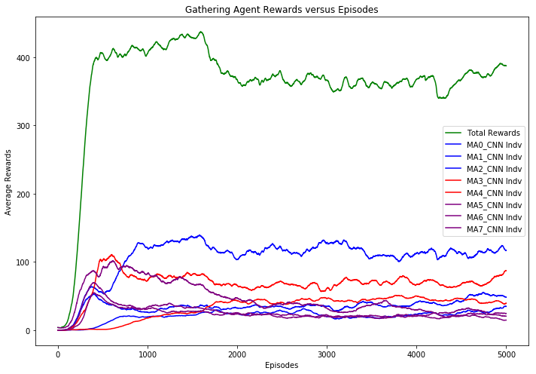
'MA_models/warlike-01/p-1.0_r0.01/' ep=1000 |  | 'MA_models/warlike-01/p-1.0_r0.01/' ep=2000 |  | 'MA_models/warlike-01/p-1.0_r0.01/' ep=3000 |  | 'MA_models/warlike-01/p-1.0_r0.01/' ep=4000 |  | 'MA_models/warlike-01/p-1.0_r0.01/' ep=5000
Average Statistics in Aggregate |  | Average Statistics in Aggregate |  | Average Statistics in Aggregate |  | Average Statistics in Aggregate |  | Average Statistics in Aggregate
#VALUE! |  | #VALUE! |  | #VALUE! |  | #VALUE! |  | #VALUE!
Total rewards gathered | 432.7 | Total rewards gathered | 338.9 | Total rewards gathered | 363.1 | Total rewards gathered | 380.7 | Total rewards gathered | 376.3
Num laser fired | 240.1 | Num laser fired | 357 | Num laser fired | 292.1 | Num laser fired | 305.6 | Num laser fired | 317.1
Total US Hit (friendly fire) | 29.3 | Total US Hit (friendly fire) | 28.4 | Total US Hit (friendly fire) | 30.4 | Total US Hit (friendly fire) | 23.7 | Total US Hit (friendly fire) | 20.3
Total THEM Hit | 134.6 | Total THEM Hit | 169 | Total THEM Hit | 170.4 | Total THEM Hit | 170.6 | Total THEM Hit | 180.6
friendly fire (%) | 0.179 | friendly fire (%) | 0.144 | friendly fire (%) | 0.151 | friendly fire (%) | 0.122 | friendly fire (%) | 0.101
Average Statistics by Tribe |  | Average Statistics by Tribe |  | Average Statistics by Tribe |  | Average Statistics by Tribe |  | Average Statistics by Tribe
#VALUE! |  | #VALUE! |  | #VALUE! |  | #VALUE! |  | #VALUE!
Tribe Vikings has total reward of 162.1 |  | Tribe Vikings has total reward of 162.9 |  | Tribe Vikings has total reward of 173.9 |  | Tribe Vikings has total reward of 189.3 |  | Tribe Vikings has total reward of 179.1
Tribe Saxons has total reward of 108.9 |  | Tribe Saxons has total reward of 93.2 |  | Tribe Saxons has total reward of 113.6 |  | Tribe Saxons has total reward of 115.7 |  | Tribe Saxons has total reward of 138.4
Tribe Franks has total reward of 161.7 |  | Tribe Franks has total reward of 82.7 |  | Tribe Franks has total reward of 75.6 |  | Tribe Franks has total reward of 75.7 |  | Tribe Franks has total reward of 58.8
Average Statistics by Agent |  | Average Statistics by Agent |  | Average Statistics by Agent |  | Average Statistics by Agent |  | Average Statistics by Agent
#VALUE! |  | #VALUE! |  | #VALUE! |  | #VALUE! |  | #VALUE!
Agent0 of Vikings aggressiveness is 0.00 |  | Agent0 of Vikings aggressiveness is 0.00 |  | Agent0 of Vikings aggressiveness is 0.00 |  | Agent0 of Vikings aggressiveness is 0.00 |  | Agent0 of Vikings aggressiveness is 0.00
Agent0 reward is 27.6 |  | Agent0 reward is 31.5 |  | Agent0 reward is 26.8 |  | Agent0 reward is 44.8 |  | Agent0 reward is 44.4
US agents hit = 0.3 |  | US agents hit = 0.0 |  | US agents hit = 0.0 |  | US agents hit = 0.0 |  | US agents hit = 0.0
THEM agents hit = 0.3 |  | THEM agents hit = 0.0 |  | THEM agents hit = 0.0 |  | THEM agents hit = 0.0 |  | THEM agents hit = 0.0
Agent1 of Vikings aggressiveness is 0.00 |  | Agent1 of Vikings aggressiveness is 0.00 |  | Agent1 of Vikings aggressiveness is 0.00 |  | Agent1 of Vikings aggressiveness is 0.00 |  | Agent1 of Vikings aggressiveness is 0.00
Agent1 reward is 20.3 |  | Agent1 reward is 24.0 |  | Agent1 reward is 18.4 |  | Agent1 reward is 27.8 |  | Agent1 reward is 36.4
US agents hit = 0.0 |  | US agents hit = 0.0 |  | US agents hit = 0.0 |  | US agents hit = 0.0 |  | US agents hit = 0.0
THEM agents hit = 0.0 |  | THEM agents hit = 0.0 |  | THEM agents hit = 0.0 |  | THEM agents hit = 0.0 |  | THEM agents hit = 0.0
Agent2 of Vikings aggressiveness is 0.09 |  | Agent2 of Vikings aggressiveness is 0.13 |  | Agent2 of Vikings aggressiveness is 0.12 |  | Agent2 of Vikings aggressiveness is 0.12 |  | Agent2 of Vikings aggressiveness is 0.07
Agent2 reward is 114.2 |  | Agent2 reward is 107.5 |  | Agent2 reward is 128.7 |  | Agent2 reward is 116.6 |  | Agent2 reward is 98.3
US agents hit = 14.9 |  | US agents hit = 17.2 |  | US agents hit = 21.0 |  | US agents hit = 15.8 |  | US agents hit = 9.3
THEM agents hit = 52.8 |  | THEM agents hit = 73.6 |  | THEM agents hit = 76.0 |  | THEM agents hit = 68.7 |  | THEM agents hit = 66.2
Agent3 of Saxons aggressiveness is 0.04 |  | Agent3 of Saxons aggressiveness is 0.11 |  | Agent3 of Saxons aggressiveness is 0.09 |  | Agent3 of Saxons aggressiveness is 0.09 |  | Agent3 of Saxons aggressiveness is 0.10
Agent3 reward is 22.6 |  | Agent3 reward is 42.2 |  | Agent3 reward is 44.7 |  | Agent3 reward is 50.7 |  | Agent3 reward is 42.2
US agents hit = 0.1 |  | US agents hit = 4.0 |  | US agents hit = 4.6 |  | US agents hit = 3.1 |  | US agents hit = 5.0
THEM agents hit = 11.8 |  | THEM agents hit = 36.2 |  | THEM agents hit = 34.5 |  | THEM agents hit = 36.0 |  | THEM agents hit = 36.0
Agent4 of Saxons aggressiveness is 0.05 |  | Agent4 of Saxons aggressiveness is 0.09 |  | Agent4 of Saxons aggressiveness is 0.08 |  | Agent4 of Saxons aggressiveness is 0.08 |  | Agent4 of Saxons aggressiveness is 0.15
Agent4 reward is 86.3 |  | Agent4 reward is 51.0 |  | Agent4 reward is 68.9 |  | Agent4 reward is 64.9 |  | Agent4 reward is 96.2
US agents hit = 3.5 |  | US agents hit = 3.7 |  | US agents hit = 3.4 |  | US agents hit = 2.4 |  | US agents hit = 5.3
THEM agents hit = 42.3 |  | THEM agents hit = 48.7 |  | THEM agents hit = 56.0 |  | THEM agents hit = 59.4 |  | THEM agents hit = 76.7
Agent5 of Franks aggressiveness is 0.00 |  | Agent5 of Franks aggressiveness is 0.00 |  | Agent5 of Franks aggressiveness is 0.00 |  | Agent5 of Franks aggressiveness is 0.00 |  | Agent5 of Franks aggressiveness is 0.00
Agent5 reward is 30.2 |  | Agent5 reward is 21.3 |  | Agent5 reward is 23.1 |  | Agent5 reward is 22.9 |  | Agent5 reward is 22.9
US agents hit = 0.0 |  | US agents hit = 0.0 |  | US agents hit = 0.0 |  | US agents hit = 0.0 |  | US agents hit = 0.0
THEM agents hit = 0.0 |  | THEM agents hit = 0.1 |  | THEM agents hit = 0.0 |  | THEM agents hit = 0.0 |  | THEM agents hit = 0.0
Agent6 of Franks aggressiveness is 0.00 |  | Agent6 of Franks aggressiveness is 0.00 |  | Agent6 of Franks aggressiveness is 0.00 |  | Agent6 of Franks aggressiveness is 0.00 |  | Agent6 of Franks aggressiveness is 0.00
Agent6 reward is 41.1 |  | Agent6 reward is 22.1 |  | Agent6 reward is 24.9 |  | Agent6 reward is 20.8 |  | Agent6 reward is 15.1
US agents hit = 0.0 |  | US agents hit = 0.0 |  | US agents hit = 0.0 |  | US agents hit = 0.0 |  | US agents hit = 0.0
THEM agents hit = 0.1 |  | THEM agents hit = 0.0 |  | THEM agents hit = 0.0 |  | THEM agents hit = 0.0 |  | THEM agents hit = 0.0
Agent7 of Franks aggressiveness is 0.06 |  | Agent7 of Franks aggressiveness is 0.03 |  | Agent7 of Franks aggressiveness is 0.01 |  | Agent7 of Franks aggressiveness is 0.01 |  | Agent7 of Franks aggressiveness is 0.01
Agent7 reward is 90.4 |  | Agent7 reward is 39.3 |  | Agent7 reward is 27.6 |  | Agent7 reward is 32.0 |  | Agent7 reward is 20.7
US agents hit = 10.6 |  | US agents hit = 3.5 |  | US agents hit = 1.5 |  | US agents hit = 2.4 |  | US agents hit = 0.7
THEM agents hit = 27.2 |  | THEM agents hit = 10.4 |  | THEM agents hit = 3.9 |  | THEM agents hit = 6.5 |  | THEM agents hit = 1.7
Training time per epochs: 3.40 sec |  | Training time per epochs: 3.36 sec |  | Training time per epochs: 3.38 sec |  | Training time per epochs: 3.35 sec |  | Training time per epochs: 3.33 sec
 |  |  |  |  |  | In [26]:​ |  | In [26]:

warlike-01 p=-1.0 r=0.05
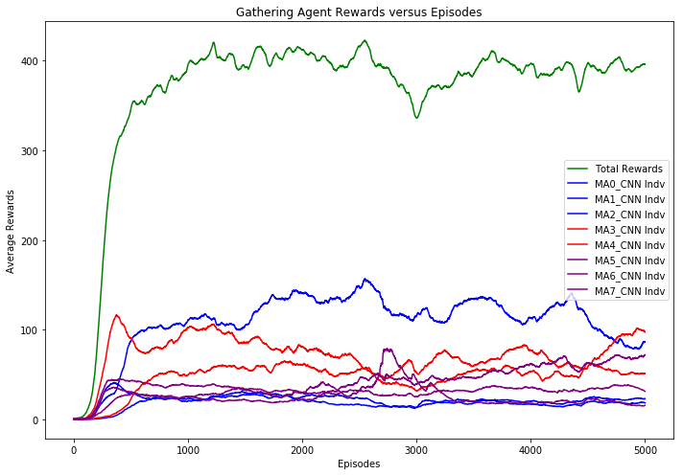
'MA_models/warlike-01/p-1.0_r0.05/' ep=1000 |  | 'MA_models/warlike-01/p-1.0_r0.05/' ep=2000 |  | 'MA_models/warlike-01/p-1.0_r0.05/' ep=3000 |  | 'MA_models/warlike-01/p-1.0_r0.05/' ep=4000 |  | 'MA_models/warlike-01/p-1.0_r0.05/' ep=5000
Average Statistics in Aggregate |  | Average Statistics in Aggregate |  | Average Statistics in Aggregate |  | Average Statistics in Aggregate |  | Average Statistics in Aggregate
#VALUE! |  | #VALUE! |  | #VALUE! |  | #VALUE! |  | #VALUE!
Total rewards gathered | 446.7 | Total rewards gathered | 408.2 | Total rewards gathered | 335.1 | Total rewards gathered | 403.5 | Total rewards gathered | 382.7
Num laser fired | 276.2 | Num laser fired | 375.9 | Num laser fired | 422.6 | Num laser fired | 339.4 | Num laser fired | 416.1
Total US Hit (friendly fire) | 28.3 | Total US Hit (friendly fire) | 27.8 | Total US Hit (friendly fire) | 29.2 | Total US Hit (friendly fire) | 26.1 | Total US Hit (friendly fire) | 30
Total THEM Hit | 146.1 | Total THEM Hit | 179.7 | Total THEM Hit | 185.2 | Total THEM Hit | 170 | Total THEM Hit | 169.9
friendly fire (%) | 0.162 | friendly fire (%) | 0.134 | friendly fire (%) | 0.136 | friendly fire (%) | 0.133 | friendly fire (%) | 0.15
Average Statistics by Tribe |  | Average Statistics by Tribe |  | Average Statistics by Tribe |  | Average Statistics by Tribe |  | Average Statistics by Tribe
#VALUE! |  | #VALUE! |  | #VALUE! |  | #VALUE! |  | #VALUE!
Tribe Vikings has total reward of 182.0 |  | Tribe Vikings has total reward of 171.1 |  | Tribe Vikings has total reward of 163.7 |  | Tribe Vikings has total reward of 145.6 |  | Tribe Vikings has total reward of 122.5
Tribe Saxons has total reward of 176.9 |  | Tribe Saxons has total reward of 146.4 |  | Tribe Saxons has total reward of 77.4 |  | Tribe Saxons has total reward of 147.6 |  | Tribe Saxons has total reward of 131.9
Tribe Franks has total reward of 87.8 |  | Tribe Franks has total reward of 90.7 |  | Tribe Franks has total reward of 93.9 |  | Tribe Franks has total reward of 110.3 |  | Tribe Franks has total reward of 128.3
Average Statistics by Agent |  | Average Statistics by Agent |  | Average Statistics by Agent |  | Average Statistics by Agent |  | Average Statistics by Agent
#VALUE! |  | #VALUE! |  | #VALUE! |  | #VALUE! |  | #VALUE!
Agent0 of Vikings aggressiveness is 0.00 |  | Agent0 of Vikings aggressiveness is 0.00 |  | Agent0 of Vikings aggressiveness is 0.00 |  | Agent0 of Vikings aggressiveness is 0.00 |  | Agent0 of Vikings aggressiveness is 0.00
Agent0 reward is 30.3 |  | Agent0 reward is 20.8 |  | Agent0 reward is 22.4 |  | Agent0 reward is 18.5 |  | Agent0 reward is 15.6
US agents hit = 0.0 |  | US agents hit = 0.0 |  | US agents hit = 0.0 |  | US agents hit = 0.0 |  | US agents hit = 0.0
THEM agents hit = 0.1 |  | THEM agents hit = 0.0 |  | THEM agents hit = 0.0 |  | THEM agents hit = 0.0 |  | THEM agents hit = 0.0
Agent1 of Vikings aggressiveness is 0.11 |  | Agent1 of Vikings aggressiveness is 0.10 |  | Agent1 of Vikings aggressiveness is 0.13 |  | Agent1 of Vikings aggressiveness is 0.11 |  | Agent1 of Vikings aggressiveness is 0.15
Agent1 reward is 125.8 |  | Agent1 reward is 132.7 |  | Agent1 reward is 126.3 |  | Agent1 reward is 103.5 |  | Agent1 reward is 85.1
US agents hit = 16.4 |  | US agents hit = 15.5 |  | US agents hit = 12.4 |  | US agents hit = 8.1 |  | US agents hit = 10.0
THEM agents hit = 51.7 |  | THEM agents hit = 64.4 |  | THEM agents hit = 62.2 |  | THEM agents hit = 51.2 |  | THEM agents hit = 44.2
Agent2 of Vikings aggressiveness is 0.00 |  | Agent2 of Vikings aggressiveness is 0.00 |  | Agent2 of Vikings aggressiveness is 0.00 |  | Agent2 of Vikings aggressiveness is 0.00 |  | Agent2 of Vikings aggressiveness is 0.00
Agent2 reward is 25.9 |  | Agent2 reward is 17.5 |  | Agent2 reward is 15.0 |  | Agent2 reward is 23.6 |  | Agent2 reward is 21.9
US agents hit = 0.0 |  | US agents hit = 0.0 |  | US agents hit = 0.0 |  | US agents hit = 0.0 |  | US agents hit = 0.0
THEM agents hit = 0.2 |  | THEM agents hit = 0.0 |  | THEM agents hit = 0.0 |  | THEM agents hit = 0.0 |  | THEM agents hit = 0.0
Agent3 of Saxons aggressiveness is 0.05 |  | Agent3 of Saxons aggressiveness is 0.08 |  | Agent3 of Saxons aggressiveness is 0.05 |  | Agent3 of Saxons aggressiveness is 0.03 |  | Agent3 of Saxons aggressiveness is 0.08
Agent3 reward is 60.3 |  | Agent3 reward is 53.7 |  | Agent3 reward is 29.3 |  | Agent3 reward is 66.1 |  | Agent3 reward is 48.9
US agents hit = 5.0 |  | US agents hit = 7.1 |  | US agents hit = 2.5 |  | US agents hit = 4.8 |  | US agents hit = 5.3
THEM agents hit = 24.9 |  | THEM agents hit = 24.1 |  | THEM agents hit = 13.3 |  | THEM agents hit = 18.9 |  | THEM agents hit = 32.3
Agent4 of Saxons aggressiveness is 0.12 |  | Agent4 of Saxons aggressiveness is 0.15 |  | Agent4 of Saxons aggressiveness is 0.12 |  | Agent4 of Saxons aggressiveness is 0.10 |  | Agent4 of Saxons aggressiveness is 0.08
Agent4 reward is 116.5 |  | Agent4 reward is 92.7 |  | Agent4 reward is 48.1 |  | Agent4 reward is 81.5 |  | Agent4 reward is 83.0
US agents hit = 6.9 |  | US agents hit = 5.0 |  | US agents hit = 5.8 |  | US agents hit = 4.9 |  | US agents hit = 4.4
THEM agents hit = 69.1 |  | THEM agents hit = 62.5 |  | THEM agents hit = 66.8 |  | THEM agents hit = 63.4 |  | THEM agents hit = 53.6
Agent5 of Franks aggressiveness is 0.00 |  | Agent5 of Franks aggressiveness is 0.05 |  | Agent5 of Franks aggressiveness is 0.12 |  | Agent5 of Franks aggressiveness is 0.09 |  | Agent5 of Franks aggressiveness is 0.10
Agent5 reward is 25.3 |  | Agent5 reward is 24.9 |  | Agent5 reward is 44.7 |  | Agent5 reward is 59.9 |  | Agent5 reward is 82.0
US agents hit = 0.0 |  | US agents hit = 0.2 |  | US agents hit = 8.5 |  | US agents hit = 8.3 |  | US agents hit = 10.3
THEM agents hit = 0.0 |  | THEM agents hit = 28.7 |  | THEM agents hit = 43.0 |  | THEM agents hit = 36.5 |  | THEM agents hit = 39.7
Agent6 of Franks aggressiveness is 0.00 |  | Agent6 of Franks aggressiveness is 0.00 |  | Agent6 of Franks aggressiveness is 0.00 |  | Agent6 of Franks aggressiveness is 0.00 |  | Agent6 of Franks aggressiveness is 0.00
Agent6 reward is 37.3 |  | Agent6 reward is 40.9 |  | Agent6 reward is 23.8 |  | Agent6 reward is 15.4 |  | Agent6 reward is 21.0
US agents hit = 0.0 |  | US agents hit = 0.0 |  | US agents hit = 0.0 |  | US agents hit = 0.0 |  | US agents hit = 0.0
THEM agents hit = 0.0 |  | THEM agents hit = 0.0 |  | THEM agents hit = 0.0 |  | THEM agents hit = 0.0 |  | THEM agents hit = 0.0
Agent7 of Franks aggressiveness is 0.00 |  | Agent7 of Franks aggressiveness is 0.00 |  | Agent7 of Franks aggressiveness is 0.00 |  | Agent7 of Franks aggressiveness is 0.00 |  | Agent7 of Franks aggressiveness is 0.00
Agent7 reward is 25.1 |  | Agent7 reward is 24.9 |  | Agent7 reward is 25.4 |  | Agent7 reward is 35.0 |  | Agent7 reward is 25.3
US agents hit = 0.0 |  | US agents hit = 0.0 |  | US agents hit = 0.0 |  | US agents hit = 0.0 |  | US agents hit = 0.0
THEM agents hit = 0.0 |  | THEM agents hit = 0.0 |  | THEM agents hit = 0.0 |  | THEM agents hit = 0.0 |  | THEM agents hit = 0.0
Training time per epochs: 2.67 sec |  | Training time per epochs: 2.65 sec |  | Training time per epochs: 2.63 sec |  | Training time per epochs: 2.71 sec |  | Training time per epochs: 2.82 sec
 |  |  |  |  |  | In [26]:​ |  | In [26]:

Cooperative-01 cf=50
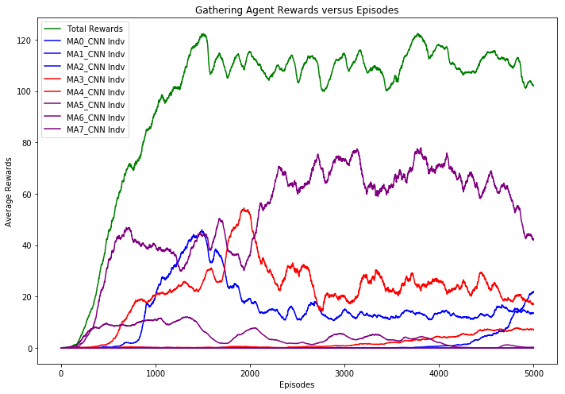
'MA_models/cooperative-01/cf50/' ep=1000 |  | 'MA_models/cooperative-01/cf50/' ep=2000 |  | 'MA_models/cooperative-01/cf50/' ep=3000 |  | 'MA_models/cooperative-01/cf50/' ep=4000 |  | 'MA_models/cooperative-01/cf50/' ep=5000
Average Statistics in Aggregate |  | Average Statistics in Aggregate |  | Average Statistics in Aggregate |  | Average Statistics in Aggregate |  | Average Statistics in Aggregate

Total rewards gathered | 361.4 | Total rewards gathered | 387.8 | Total rewards gathered | 380.8 | Total rewards gathered | 391.1 | Total rewards gathered | 353.3
Num laser fired | 398.9 | Num laser fired | 727 | Num laser fired | 1286.6 | Num laser fired | 988.6 | Num laser fired | 1229.2
Total US Hit (friendly fire) | 13.5 | Total US Hit (friendly fire) | 13.3 | Total US Hit (friendly fire) | 17.2 | Total US Hit (friendly fire) | 19.4 | Total US Hit (friendly fire) | 16.5
Total THEM Hit | 83.2 | Total THEM Hit | 92 | Total THEM Hit | 90.5 | Total THEM Hit | 78.4 | Total THEM Hit | 103.7
friendly fire (%) | 14.00% | friendly fire (%) | 12.60% | friendly fire (%) | 16.00% | friendly fire (%) | 19.80% | friendly fire (%) | 13.70%
Average Statistics by Tribe |  | Average Statistics by Tribe |  | Average Statistics by Tribe |  | Average Statistics by Tribe |  | Average Statistics by Tribe

Tribe Vikings has total reward of 123.0 |  | Tribe Vikings has total reward of 50.2 |  | Tribe Vikings has total reward of 44.8 |  | Tribe Vikings has total reward of 59.5 |  | Tribe Vikings has total reward of 134.3
Tribe Saxons has total reward of 63.5 |  | Tribe Saxons has total reward of 134.6 |  | Tribe Saxons has total reward of 95.4 |  | Tribe Saxons has total reward of 116.7 |  | Tribe Saxons has total reward of 81.6
Tribe Franks has total reward of 174.9 |  | Tribe Franks has total reward of 202.9 |  | Tribe Franks has total reward of 240.6 |  | Tribe Franks has total reward of 214.8 |  | Tribe Franks has total reward of 137.4
Average Statistics by Agent |  | Average Statistics by Agent |  | Average Statistics by Agent |  | Average Statistics by Agent |  | Average Statistics by Agent

Agent0 of Vikings aggressiveness is 0.28 |  | Agent0 of Vikings aggressiveness is 0.56 |  | Agent0 of Vikings aggressiveness is 0.67 |  | Agent0 of Vikings aggressiveness is 0.69 |  | Agent0 of Vikings aggressiveness is 0.78
Agent0 reward is 0.7 |  | Agent0 reward is 0.1 |  | Agent0 reward is 0.0 |  | Agent0 reward is 0.0 |  | Agent0 reward is 0.0
US agents hit = 3.5 |  | US agents hit = 2.5 |  | US agents hit = 0.5 |  | US agents hit = 1.6 |  | US agents hit = 0.0
THEM agents hit = 6.7 |  | THEM agents hit = 4.6 |  | THEM agents hit = 3.1 |  | THEM agents hit = 1.6 |  | THEM agents hit = 0.0
Agent1 of Vikings aggressiveness is 0.08 |  | Agent1 of Vikings aggressiveness is 0.06 |  | Agent1 of Vikings aggressiveness is 0.31 |  | Agent1 of Vikings aggressiveness is 0.07 |  | Agent1 of Vikings aggressiveness is 0.18
Agent1 reward is 0.0 |  | Agent1 reward is 0.0 |  | Agent1 reward is 0.3 |  | Agent1 reward is 4.0 |  | Agent1 reward is 88.3
US agents hit = 7.7 |  | US agents hit = 3.4 |  | US agents hit = 3.5 |  | US agents hit = 4.5 |  | US agents hit = 8.6
THEM agents hit = 52.7 |  | THEM agents hit = 43.1 |  | THEM agents hit = 34.1 |  | THEM agents hit = 23.9 |  | THEM agents hit = 57.4
Agent2 of Vikings aggressiveness is 0.00 |  | Agent2 of Vikings aggressiveness is 0.00 |  | Agent2 of Vikings aggressiveness is 0.00 |  | Agent2 of Vikings aggressiveness is 0.00 |  | Agent2 of Vikings aggressiveness is 0.00
Agent2 reward is 122.3 |  | Agent2 reward is 50.1 |  | Agent2 reward is 44.5 |  | Agent2 reward is 55.6 |  | Agent2 reward is 45.9
US agents hit = 0.0 |  | US agents hit = 0.0 |  | US agents hit = 0.0 |  | US agents hit = 0.0 |  | US agents hit = 0.0
THEM agents hit = 0.6 |  | THEM agents hit = 0.0 |  | THEM agents hit = 0.0 |  | THEM agents hit = 0.0 |  | THEM agents hit = 0.0
Agent3 of Saxons aggressiveness is 0.02 |  | Agent3 of Saxons aggressiveness is 0.01 |  | Agent3 of Saxons aggressiveness is 0.00 |  | Agent3 of Saxons aggressiveness is 0.00 |  | Agent3 of Saxons aggressiveness is 0.00
Agent3 reward is 0.2 |  | Agent3 reward is 1.8 |  | Agent3 reward is 3.2 |  | Agent3 reward is 13.4 |  | Agent3 reward is 20.7
US agents hit = 0.9 |  | US agents hit = 0.3 |  | US agents hit = 0.1 |  | US agents hit = 0.0 |  | US agents hit = 0.0
THEM agents hit = 15.6 |  | THEM agents hit = 5.2 |  | THEM agents hit = 0.9 |  | THEM agents hit = 0.2 |  | THEM agents hit = 0.0
Agent4 of Saxons aggressiveness is 0.00 |  | Agent4 of Saxons aggressiveness is 0.06 |  | Agent4 of Saxons aggressiveness is 0.03 |  | Agent4 of Saxons aggressiveness is 0.06 |  | Agent4 of Saxons aggressiveness is 0.01
Agent4 reward is 63.4 |  | Agent4 reward is 132.8 |  | Agent4 reward is 92.2 |  | Agent4 reward is 103.4 |  | Agent4 reward is 60.9
US agents hit = 0.0 |  | US agents hit = 1.1 |  | US agents hit = 1.1 |  | US agents hit = 1.3 |  | US agents hit = 0.9
THEM agents hit = 1.1 |  | THEM agents hit = 22.2 |  | THEM agents hit = 12.7 |  | THEM agents hit = 12.8 |  | THEM agents hit = 3.8
Agent5 of Franks aggressiveness is 0.00 |  | Agent5 of Franks aggressiveness is 0.00 |  | Agent5 of Franks aggressiveness is 0.00 |  | Agent5 of Franks aggressiveness is 0.00 |  | Agent5 of Franks aggressiveness is 0.00
Agent5 reward is 0.0 |  | Agent5 reward is 0.0 |  | Agent5 reward is 0.0 |  | Agent5 reward is 0.0 |  | Agent5 reward is 0.0
US agents hit = 0.2 |  | US agents hit = 0.0 |  | US agents hit = 0.0 |  | US agents hit = 0.0 |  | US agents hit = 0.0
THEM agents hit = 3.1 |  | THEM agents hit = 0.1 |  | THEM agents hit = 0.1 |  | THEM agents hit = 0.0 |  | THEM agents hit = 0.0
Agent6 of Franks aggressiveness is 0.00 |  | Agent6 of Franks aggressiveness is 0.00 |  | Agent6 of Franks aggressiveness is 0.00 |  | Agent6 of Franks aggressiveness is 0.00 |  | Agent6 of Franks aggressiveness is 0.00
Agent6 reward is 34.7 |  | Agent6 reward is 25.9 |  | Agent6 reward is 10.7 |  | Agent6 reward is 5.3 |  | Agent6 reward is 0.4
US agents hit = 0.6 |  | US agents hit = 0.1 |  | US agents hit = 0.1 |  | US agents hit = 0.0 |  | US agents hit = 0.0
THEM agents hit = 1.6 |  | THEM agents hit = 0.2 |  | THEM agents hit = 0.4 |  | THEM agents hit = 0.0 |  | THEM agents hit = 0.0
Agent7 of Franks aggressiveness is 0.00 |  | Agent7 of Franks aggressiveness is 0.04 |  | Agent7 of Franks aggressiveness is 0.27 |  | Agent7 of Franks aggressiveness is 0.17 |  | Agent7 of Franks aggressiveness is 0.26
Agent7 reward is 140.2 |  | Agent7 reward is 177.1 |  | Agent7 reward is 229.8 |  | Agent7 reward is 209.6 |  | Agent7 reward is 137.1
US agents hit = 0.6 |  | US agents hit = 5.8 |  | US agents hit = 12.0 |  | US agents hit = 12.0 |  | US agents hit = 6.9
THEM agents hit = 1.9 |  | THEM agents hit = 16.6 |  | THEM agents hit = 39.2 |  | THEM agents hit = 39.9 |  | THEM agents hit = 42.5
Training time per epochs: 2.68 sec |  | Training time per epochs: 2.69 sec |  | Training time per epochs: 2.69 sec |  | Training time per epochs: 2.70 sec |  | Training time per epochs: 2.81 sec

Cooperative-01 cf=25.0
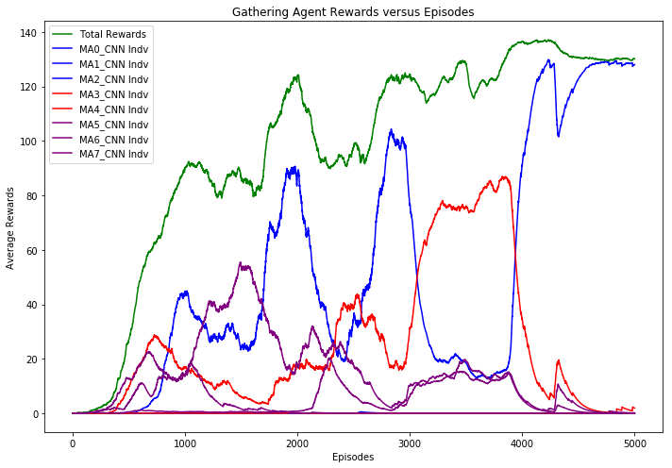
'MA_models/cooperative-01/cf25.0/' ep=1000 |  | 'MA_models/cooperative-01/cf25.0/' ep=2000 |  | 'MA_models/cooperative-01/cf25.0/' ep=3000 |  | 'MA_models/cooperative-01/cf25.0/' ep=4000 |  | 'MA_models/cooperative-01/cf25.0/' ep=5000
Average Statistics in Aggregate |  | Average Statistics in Aggregate |  | Average Statistics in Aggregate |  | Average Statistics in Aggregate |  | Average Statistics in Aggregate
#VALUE! |  | #VALUE! |  | #VALUE! |  | #VALUE! |  | #VALUE!
Total rewards gathered | 327.4 | Total rewards gathered | 427.7 | Total rewards gathered | 424.6 | Total rewards gathered | 488.5 | Total rewards gathered | 477.1
Num laser fired | 745.4 | Num laser fired | 220.3 | Num laser fired | 943.8 | Num laser fired | 1030.4 | Num laser fired | 1017.4
Total US Hit (friendly fire) | 13.2 | Total US Hit (friendly fire) | 9.3 | Total US Hit (friendly fire) | 1.7 | Total US Hit (friendly fire) | 0.1 | Total US Hit (friendly fire) | 0
Total THEM Hit | 170.7 | Total THEM Hit | 89.7 | Total THEM Hit | 163.8 | Total THEM Hit | 239.8 | Total THEM Hit | 245.8
friendly fire (%) | 7.20% | friendly fire (%) | 9.40% | friendly fire (%) | 1.00% | friendly fire (%) | 0.00% | friendly fire (%) | 0.00%
Average Statistics by Tribe |  | Average Statistics by Tribe |  | Average Statistics by Tribe |  | Average Statistics by Tribe |  | Average Statistics by Tribe
#VALUE! |  | #VALUE! |  | #VALUE! |  | #VALUE! |  | #VALUE!
Tribe Vikings has total reward of 172.5 |  | Tribe Vikings has total reward of 79.3 |  | Tribe Vikings has total reward of 91.3 |  | Tribe Vikings has total reward of 482.4 |  | Tribe Vikings has total reward of 477.1
Tribe Saxons has total reward of 59.0 |  | Tribe Saxons has total reward of 277.8 |  | Tribe Saxons has total reward of 227.6 |  | Tribe Saxons has total reward of 0.0 |  | Tribe Saxons has total reward of 0.0
Tribe Franks has total reward of 95.9 |  | Tribe Franks has total reward of 70.6 |  | Tribe Franks has total reward of 105.7 |  | Tribe Franks has total reward of 6.1 |  | Tribe Franks has total reward of 0.0
Average Statistics by Agent |  | Average Statistics by Agent |  | Average Statistics by Agent |  | Average Statistics by Agent |  | Average Statistics by Agent
#VALUE! |  | #VALUE! |  | #VALUE! |  | #VALUE! |  | #VALUE!
Agent0 of Vikings aggressiveness is 0.00 |  | Agent0 of Vikings aggressiveness is 0.02 |  | Agent0 of Vikings aggressiveness is 0.00 |  | Agent0 of Vikings aggressiveness is 0.00 |  | Agent0 of Vikings aggressiveness is 0.00
Agent0 reward is 0.0 |  | Agent0 reward is 2.8 |  | Agent0 reward is 0.0 |  | Agent0 reward is 0.0 |  | Agent0 reward is 0.0
US agents hit = 0.0 |  | US agents hit = 3.0 |  | US agents hit = 0.0 |  | US agents hit = 0.0 |  | US agents hit = 0.0
THEM agents hit = 0.0 |  | THEM agents hit = 7.0 |  | THEM agents hit = 0.0 |  | THEM agents hit = 0.0 |  | THEM agents hit = 0.0
Agent1 of Vikings aggressiveness is 0.02 |  | Agent1 of Vikings aggressiveness is 0.00 |  | Agent1 of Vikings aggressiveness is 0.00 |  | Agent1 of Vikings aggressiveness is 0.00 |  | Agent1 of Vikings aggressiveness is 0.00
Agent1 reward is 172.4 |  | Agent1 reward is 32.2 |  | Agent1 reward is 91.3 |  | Agent1 reward is 482.4 |  | Agent1 reward is 477.1
US agents hit = 0.3 |  | US agents hit = 0.3 |  | US agents hit = 0.0 |  | US agents hit = 0.0 |  | US agents hit = 0.0
THEM agents hit = 4.6 |  | THEM agents hit = 0.6 |  | THEM agents hit = 0.1 |  | THEM agents hit = 0.0 |  | THEM agents hit = 0.0
Agent2 of Vikings aggressiveness is 0.61 |  | Agent2 of Vikings aggressiveness is 0.00 |  | Agent2 of Vikings aggressiveness is 0.06 |  | Agent2 of Vikings aggressiveness is 0.99 |  | Agent2 of Vikings aggressiveness is 0.97
Agent2 reward is 0.0 |  | Agent2 reward is 44.3 |  | Agent2 reward is 0.0 |  | Agent2 reward is 0.0 |  | Agent2 reward is 0.0
US agents hit = 6.4 |  | US agents hit = 0.3 |  | US agents hit = 0.1 |  | US agents hit = 0.1 |  | US agents hit = 0.0
THEM agents hit = 123.7 |  | THEM agents hit = 0.5 |  | THEM agents hit = 68.2 |  | THEM agents hit = 234.7 |  | THEM agents hit = 240.0
Agent3 of Saxons aggressiveness is 0.00 |  | Agent3 of Saxons aggressiveness is 0.18 |  | Agent3 of Saxons aggressiveness is 0.45 |  | Agent3 of Saxons aggressiveness is 0.00 |  | Agent3 of Saxons aggressiveness is 0.00
Agent3 reward is 0.3 |  | Agent3 reward is 277.8 |  | Agent3 reward is 0.0 |  | Agent3 reward is 0.0 |  | Agent3 reward is 0.0
US agents hit = 0.0 |  | US agents hit = 4.4 |  | US agents hit = 0.1 |  | US agents hit = 0.0 |  | US agents hit = 0.0
THEM agents hit = 2.6 |  | THEM agents hit = 74.3 |  | THEM agents hit = 51.3 |  | THEM agents hit = 0.9 |  | THEM agents hit = 2.9
Agent4 of Saxons aggressiveness is 0.02 |  | Agent4 of Saxons aggressiveness is 0.01 |  | Agent4 of Saxons aggressiveness is 0.08 |  | Agent4 of Saxons aggressiveness is 0.00 |  | Agent4 of Saxons aggressiveness is 0.00
Agent4 reward is 58.7 |  | Agent4 reward is 0.0 |  | Agent4 reward is 227.6 |  | Agent4 reward is 0.0 |  | Agent4 reward is 0.0
US agents hit = 0.1 |  | US agents hit = 0.1 |  | US agents hit = 0.0 |  | US agents hit = 0.0 |  | US agents hit = 0.0
THEM agents hit = 9.9 |  | THEM agents hit = 3.8 |  | THEM agents hit = 42.5 |  | THEM agents hit = 4.2 |  | THEM agents hit = 2.9
Agent5 of Franks aggressiveness is 0.00 |  | Agent5 of Franks aggressiveness is 0.00 |  | Agent5 of Franks aggressiveness is 0.00 |  | Agent5 of Franks aggressiveness is 0.00 |  | Agent5 of Franks aggressiveness is 0.00
Agent5 reward is 2.7 |  | Agent5 reward is 0.9 |  | Agent5 reward is 47.2 |  | Agent5 reward is 0.2 |  | Agent5 reward is 0.0
US agents hit = 0.1 |  | US agents hit = 0.0 |  | US agents hit = 0.0 |  | US agents hit = 0.0 |  | US agents hit = 0.0
THEM agents hit = 0.1 |  | THEM agents hit = 0.0 |  | THEM agents hit = 0.0 |  | THEM agents hit = 0.0 |  | THEM agents hit = 0.0
Agent6 of Franks aggressiveness is 0.08 |  | Agent6 of Franks aggressiveness is 0.01 |  | Agent6 of Franks aggressiveness is 0.35 |  | Agent6 of Franks aggressiveness is 0.04 |  | Agent6 of Franks aggressiveness is 0.04
Agent6 reward is 44.0 |  | Agent6 reward is 13.0 |  | Agent6 reward is 0.0 |  | Agent6 reward is 0.0 |  | Agent6 reward is 0.0
US agents hit = 5.0 |  | US agents hit = 1.2 |  | US agents hit = 0.0 |  | US agents hit = 0.0 |  | US agents hit = 0.0
THEM agents hit = 26.6 |  | THEM agents hit = 3.5 |  | THEM agents hit = 0.0 |  | THEM agents hit = 0.0 |  | THEM agents hit = 0.0
Agent7 of Franks aggressiveness is 0.01 |  | Agent7 of Franks aggressiveness is 0.00 |  | Agent7 of Franks aggressiveness is 0.00 |  | Agent7 of Franks aggressiveness is 0.00 |  | Agent7 of Franks aggressiveness is 0.00
Agent7 reward is 49.2 |  | Agent7 reward is 56.7 |  | Agent7 reward is 58.5 |  | Agent7 reward is 5.9 |  | Agent7 reward is 0.0
US agents hit = 1.4 |  | US agents hit = 0.0 |  | US agents hit = 1.4 |  | US agents hit = 0.0 |  | US agents hit = 0.0
THEM agents hit = 3.2 |  | THEM agents hit = 0.0 |  | THEM agents hit = 1.7 |  | THEM agents hit = 0.0 |  | THEM agents hit = 0.0
Training time per epochs: 2.68 sec |  | Training time per epochs: 3.43 sec |  | Training time per epochs: 2.76 sec |  | Training time per epochs: 2.67 sec |  | Training time per epochs: 2.68 sec

Cooperative-01 cf=20.0
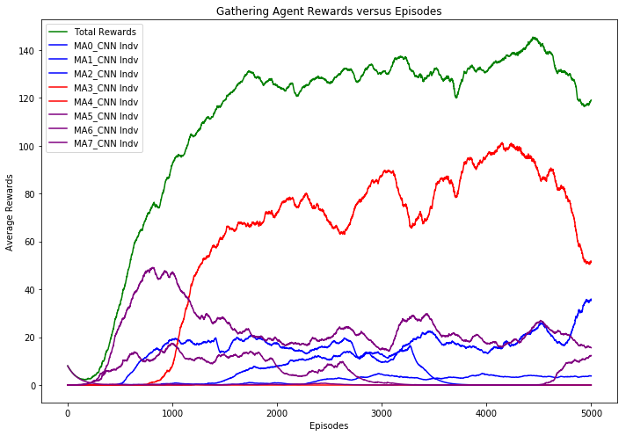
'MA_models/cooperative-01/cf20.0/' ep=1000 |  | 'MA_models/cooperative-01/cf20.0/' ep=2000 |  | 'MA_models/cooperative-01/cf20.0/' ep=3000 |  | 'MA_models/cooperative-01/cf20.0/' ep=4000 |  | 'MA_models/cooperative-01/cf20.0/' ep=5000
Average Statistics in Aggregate |  | Average Statistics in Aggregate |  | Average Statistics in Aggregate |  | Average Statistics in Aggregate |  | Average Statistics in Aggregate
#VALUE! |  | #VALUE! |  | #VALUE! |  | #VALUE! |  | #VALUE!
Total rewards gathered | 333.8 | Total rewards gathered | 427.7 | Total rewards gathered | 457.2 | Total rewards gathered | 449.8 | Total rewards gathered | 416.2
Num laser fired | 179.7 | Num laser fired | 220.3 | Num laser fired | 234.6 | Num laser fired | 310 | Num laser fired | 250.7
Total US Hit (friendly fire) | 12.7 | Total US Hit (friendly fire) | 9.3 | Total US Hit (friendly fire) | 9 | Total US Hit (friendly fire) | 5.4 | Total US Hit (friendly fire) | 9.6
Total THEM Hit | 84.7 | Total THEM Hit | 89.7 | Total THEM Hit | 112.2 | Total THEM Hit | 96.3 | Total THEM Hit | 74.4
friendly fire (%) | 13.10% | friendly fire (%) | 9.40% | friendly fire (%) | 7.40% | friendly fire (%) | 5.30% | friendly fire (%) | 11.50%
Average Statistics by Tribe |  | Average Statistics by Tribe |  | Average Statistics by Tribe |  | Average Statistics by Tribe |  | Average Statistics by Tribe
#VALUE! |  | #VALUE! |  | #VALUE! |  | #VALUE! |  | #VALUE!
Tribe Vikings has total reward of 70.4 |  | Tribe Vikings has total reward of 79.3 |  | Tribe Vikings has total reward of 82.0 |  | Tribe Vikings has total reward of 53.0 |  | Tribe Vikings has total reward of 130.4
Tribe Saxons has total reward of 71.8 |  | Tribe Saxons has total reward of 277.8 |  | Tribe Saxons has total reward of 316.3 |  | Tribe Saxons has total reward of 342.9 |  | Tribe Saxons has total reward of 183.3
Tribe Franks has total reward of 191.7 |  | Tribe Franks has total reward of 70.6 |  | Tribe Franks has total reward of 58.8 |  | Tribe Franks has total reward of 54.0 |  | Tribe Franks has total reward of 102.6
Average Statistics by Agent |  | Average Statistics by Agent |  | Average Statistics by Agent |  | Average Statistics by Agent |  | Average Statistics by Agent
#VALUE! |  | #VALUE! |  | #VALUE! |  | #VALUE! |  | #VALUE!
Agent0 of Vikings aggressiveness is 0.02 |  | Agent0 of Vikings aggressiveness is 0.02 |  | Agent0 of Vikings aggressiveness is 0.00 |  | Agent0 of Vikings aggressiveness is 0.00 |  | Agent0 of Vikings aggressiveness is 0.00
Agent0 reward is 2.6 |  | Agent0 reward is 2.8 |  | Agent0 reward is 9.6 |  | Agent0 reward is 10.6 |  | Agent0 reward is 7.8
US agents hit = 1.3 |  | US agents hit = 3.0 |  | US agents hit = 0.1 |  | US agents hit = 0.2 |  | US agents hit = 0.0
THEM agents hit = 4.3 |  | THEM agents hit = 7.0 |  | THEM agents hit = 0.7 |  | THEM agents hit = 0.5 |  | THEM agents hit = 0.0
Agent1 of Vikings aggressiveness is 0.02 |  | Agent1 of Vikings aggressiveness is 0.00 |  | Agent1 of Vikings aggressiveness is 0.00 |  | Agent1 of Vikings aggressiveness is 0.00 |  | Agent1 of Vikings aggressiveness is 0.00
Agent1 reward is 0.2 |  | Agent1 reward is 32.2 |  | Agent1 reward is 37.9 |  | Agent1 reward is 0.0 |  | Agent1 reward is 0.0
US agents hit = 3.7 |  | US agents hit = 0.3 |  | US agents hit = 0.0 |  | US agents hit = 0.0 |  | US agents hit = 0.0
THEM agents hit = 16.2 |  | THEM agents hit = 0.6 |  | THEM agents hit = 0.0 |  | THEM agents hit = 0.0 |  | THEM agents hit = 0.0
Agent2 of Vikings aggressiveness is 0.00 |  | Agent2 of Vikings aggressiveness is 0.00 |  | Agent2 of Vikings aggressiveness is 0.00 |  | Agent2 of Vikings aggressiveness is 0.00 |  | Agent2 of Vikings aggressiveness is 0.12
Agent2 reward is 67.5 |  | Agent2 reward is 44.3 |  | Agent2 reward is 34.5 |  | Agent2 reward is 42.4 |  | Agent2 reward is 122.6
US agents hit = 0.2 |  | US agents hit = 0.3 |  | US agents hit = 0.2 |  | US agents hit = 0.0 |  | US agents hit = 6.2
THEM agents hit = 0.7 |  | THEM agents hit = 0.5 |  | THEM agents hit = 0.5 |  | THEM agents hit = 0.0 |  | THEM agents hit = 26.4
Agent3 of Saxons aggressiveness is 0.03 |  | Agent3 of Saxons aggressiveness is 0.18 |  | Agent3 of Saxons aggressiveness is 0.17 |  | Agent3 of Saxons aggressiveness is 0.25 |  | Agent3 of Saxons aggressiveness is 0.07
Agent3 reward is 71.6 |  | Agent3 reward is 277.8 |  | Agent3 reward is 316.3 |  | Agent3 reward is 342.9 |  | Agent3 reward is 183.3
US agents hit = 1.5 |  | US agents hit = 4.4 |  | US agents hit = 3.7 |  | US agents hit = 4.1 |  | US agents hit = 2.5
THEM agents hit = 20.4 |  | THEM agents hit = 74.3 |  | THEM agents hit = 81.6 |  | THEM agents hit = 81.4 |  | THEM agents hit = 36.4
Agent4 of Saxons aggressiveness is 0.10 |  | Agent4 of Saxons aggressiveness is 0.01 |  | Agent4 of Saxons aggressiveness is 0.03 |  | Agent4 of Saxons aggressiveness is 0.05 |  | Agent4 of Saxons aggressiveness is 0.06
Agent4 reward is 0.2 |  | Agent4 reward is 0.0 |  | Agent4 reward is 0.0 |  | Agent4 reward is 0.0 |  | Agent4 reward is 0.0
US agents hit = 5.0 |  | US agents hit = 0.1 |  | US agents hit = 0.5 |  | US agents hit = 0.3 |  | US agents hit = 0.6
THEM agents hit = 39.0 |  | THEM agents hit = 3.8 |  | THEM agents hit = 18.7 |  | THEM agents hit = 12.2 |  | THEM agents hit = 10.3
Agent5 of Franks aggressiveness is 0.00 |  | Agent5 of Franks aggressiveness is 0.00 |  | Agent5 of Franks aggressiveness is 0.00 |  | Agent5 of Franks aggressiveness is 0.00 |  | Agent5 of Franks aggressiveness is 0.00
Agent5 reward is 0.9 |  | Agent5 reward is 0.9 |  | Agent5 reward is 0.2 |  | Agent5 reward is 0.0 |  | Agent5 reward is 0.0
US agents hit = 0.1 |  | US agents hit = 0.0 |  | US agents hit = 0.0 |  | US agents hit = 0.0 |  | US agents hit = 0.0
THEM agents hit = 1.1 |  | THEM agents hit = 0.0 |  | THEM agents hit = 0.1 |  | THEM agents hit = 0.0 |  | THEM agents hit = 0.0
Agent6 of Franks aggressiveness is 0.01 |  | Agent6 of Franks aggressiveness is 0.01 |  | Agent6 of Franks aggressiveness is 0.03 |  | Agent6 of Franks aggressiveness is 0.00 |  | Agent6 of Franks aggressiveness is 0.00
Agent6 reward is 59.7 |  | Agent6 reward is 13.0 |  | Agent6 reward is 5.9 |  | Agent6 reward is 0.0 |  | Agent6 reward is 52.9
US agents hit = 0.8 |  | US agents hit = 1.2 |  | US agents hit = 4.5 |  | US agents hit = 0.9 |  | US agents hit = 0.3
THEM agents hit = 2.8 |  | THEM agents hit = 3.5 |  | THEM agents hit = 10.5 |  | THEM agents hit = 2.1 |  | THEM agents hit = 1.3
Agent7 of Franks aggressiveness is 0.00 |  | Agent7 of Franks aggressiveness is 0.00 |  | Agent7 of Franks aggressiveness is 0.00 |  | Agent7 of Franks aggressiveness is 0.00 |  | Agent7 of Franks aggressiveness is 0.00
Agent7 reward is 131.1 |  | Agent7 reward is 56.7 |  | Agent7 reward is 52.7 |  | Agent7 reward is 53.9 |  | Agent7 reward is 49.7
US agents hit = 0.1 |  | US agents hit = 0.0 |  | US agents hit = 0.0 |  | US agents hit = 0.0 |  | US agents hit = 0.0
THEM agents hit = 0.3 |  | THEM agents hit = 0.0 |  | THEM agents hit = 0.1 |  | THEM agents hit = 0.0 |  | THEM agents hit = 0.0
Training time per epochs: 3.39 sec |  | Training time per epochs: 3.43 sec |  | Training time per epochs: 3.39 sec |  | Training time per epochs: 3.40 sec |  | Training time per epochs: 3.42 sec

Cooperative-01 cf=15.0
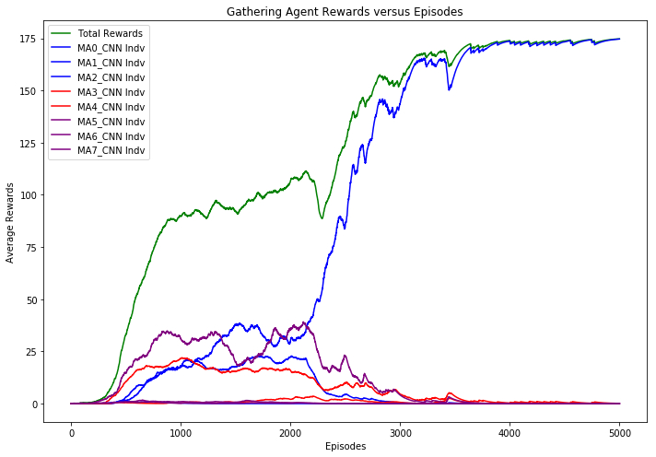
'MA_models/cooperative-01/cf15.0/' ep=1000 |  | 'MA_models/cooperative-01/cf15.0/' ep=2000 |  | 'MA_models/cooperative-01/cf15.0/' ep=3000 |  | 'MA_models/cooperative-01/cf15.0/' ep=4000 |  | 'MA_models/cooperative-01/cf15.0/' ep=5000
Average Statistics in Aggregate |  | Average Statistics in Aggregate |  | Average Statistics in Aggregate |  | Average Statistics in Aggregate |  | Average Statistics in Aggregate
#VALUE! |  | #VALUE! |  | #VALUE! |  | #VALUE! |  | #VALUE!
Total rewards gathered | 300.5 | Total rewards gathered | 377.1 | Total rewards gathered | 573.5 | Total rewards gathered | 613.2 | Total rewards gathered | 614
Num laser fired | 146.2 | Num laser fired | 196.8 | Num laser fired | 1007.8 | Num laser fired | 999.5 | Num laser fired | 999
Total US Hit (friendly fire) | 16.4 | Total US Hit (friendly fire) | 14.2 | Total US Hit (friendly fire) | 1.8 | Total US Hit (friendly fire) | 0 | Total US Hit (friendly fire) | 0
Total THEM Hit | 81.3 | Total THEM Hit | 87.5 | Total THEM Hit | 218.6 | Total THEM Hit | 238.9 | Total THEM Hit | 240
friendly fire (%) | 16.80% | friendly fire (%) | 14.00% | friendly fire (%) | 0.80% | friendly fire (%) | 0.00% | friendly fire (%) | 0.00%
Average Statistics by Tribe |  | Average Statistics by Tribe |  | Average Statistics by Tribe |  | Average Statistics by Tribe |  | Average Statistics by Tribe
#VALUE! |  | #VALUE! |  | #VALUE! |  | #VALUE! |  | #VALUE!
Tribe Vikings has total reward of 136.8 |  | Tribe Vikings has total reward of 139.7 |  | Tribe Vikings has total reward of 557.5 |  | Tribe Vikings has total reward of 613.2 |  | Tribe Vikings has total reward of 614.0
Tribe Saxons has total reward of 74.8 |  | Tribe Saxons has total reward of 54.0 |  | Tribe Saxons has total reward of 14.2 |  | Tribe Saxons has total reward of 0.0 |  | Tribe Saxons has total reward of 0.0
Tribe Franks has total reward of 88.9 |  | Tribe Franks has total reward of 183.4 |  | Tribe Franks has total reward of 1.8 |  | Tribe Franks has total reward of 0.0 |  | Tribe Franks has total reward of 0.0
Average Statistics by Agent |  | Average Statistics by Agent |  | Average Statistics by Agent |  | Average Statistics by Agent |  | Average Statistics by Agent
#VALUE! |  | #VALUE! |  | #VALUE! |  | #VALUE! |  | #VALUE!
Agent0 of Vikings aggressiveness is 0.00 |  | Agent0 of Vikings aggressiveness is 0.00 |  | Agent0 of Vikings aggressiveness is 0.00 |  | Agent0 of Vikings aggressiveness is 0.00 |  | Agent0 of Vikings aggressiveness is 0.00
Agent0 reward is 1.3 |  | Agent0 reward is 0.0 |  | Agent0 reward is 0.0 |  | Agent0 reward is 0.0 |  | Agent0 reward is 0.0
US agents hit = 0.5 |  | US agents hit = 0.0 |  | US agents hit = 0.0 |  | US agents hit = 0.0 |  | US agents hit = 0.0
THEM agents hit = 1.6 |  | THEM agents hit = 0.1 |  | THEM agents hit = 0.0 |  | THEM agents hit = 0.0 |  | THEM agents hit = 0.0
Agent1 of Vikings aggressiveness is 0.01 |  | Agent1 of Vikings aggressiveness is 0.03 |  | Agent1 of Vikings aggressiveness is 0.00 |  | Agent1 of Vikings aggressiveness is 0.00 |  | Agent1 of Vikings aggressiveness is 0.00
Agent1 reward is 60.0 |  | Agent1 reward is 72.3 |  | Agent1 reward is 557.5 |  | Agent1 reward is 613.2 |  | Agent1 reward is 614.0
US agents hit = 2.8 |  | US agents hit = 3.2 |  | US agents hit = 1.4 |  | US agents hit = 0.0 |  | US agents hit = 0.0
THEM agents hit = 8.9 |  | THEM agents hit = 12.6 |  | THEM agents hit = 0.0 |  | THEM agents hit = 0.0 |  | THEM agents hit = 0.0
Agent2 of Vikings aggressiveness is 0.03 |  | Agent2 of Vikings aggressiveness is 0.02 |  | Agent2 of Vikings aggressiveness is 1.00 |  | Agent2 of Vikings aggressiveness is 1.00 |  | Agent2 of Vikings aggressiveness is 1.00
Agent2 reward is 75.4 |  | Agent2 reward is 67.4 |  | Agent2 reward is 0.0 |  | Agent2 reward is 0.0 |  | Agent2 reward is 0.0
US agents hit = 5.1 |  | US agents hit = 1.5 |  | US agents hit = 0.1 |  | US agents hit = 0.0 |  | US agents hit = 0.0
THEM agents hit = 28.1 |  | THEM agents hit = 20.8 |  | THEM agents hit = 216.5 |  | THEM agents hit = 238.9 |  | THEM agents hit = 240.0
Agent3 of Saxons aggressiveness is 0.01 |  | Agent3 of Saxons aggressiveness is 0.01 |  | Agent3 of Saxons aggressiveness is 0.00 |  | Agent3 of Saxons aggressiveness is 0.00 |  | Agent3 of Saxons aggressiveness is 0.00
Agent3 reward is 1.2 |  | Agent3 reward is 6.2 |  | Agent3 reward is 1.6 |  | Agent3 reward is 0.0 |  | Agent3 reward is 0.0
US agents hit = 0.0 |  | US agents hit = 0.2 |  | US agents hit = 0.0 |  | US agents hit = 0.0 |  | US agents hit = 0.0
THEM agents hit = 2.9 |  | THEM agents hit = 3.4 |  | THEM agents hit = 0.1 |  | THEM agents hit = 0.0 |  | THEM agents hit = 0.0
Agent4 of Saxons aggressiveness is 0.03 |  | Agent4 of Saxons aggressiveness is 0.01 |  | Agent4 of Saxons aggressiveness is 0.00 |  | Agent4 of Saxons aggressiveness is 0.00 |  | Agent4 of Saxons aggressiveness is 0.00
Agent4 reward is 73.6 |  | Agent4 reward is 47.7 |  | Agent4 reward is 12.5 |  | Agent4 reward is 0.0 |  | Agent4 reward is 0.0
US agents hit = 0.1 |  | US agents hit = 0.6 |  | US agents hit = 0.2 |  | US agents hit = 0.0 |  | US agents hit = 0.0
THEM agents hit = 13.1 |  | THEM agents hit = 8.5 |  | THEM agents hit = 1.5 |  | THEM agents hit = 0.0 |  | THEM agents hit = 0.0
Agent5 of Franks aggressiveness is 0.03 |  | Agent5 of Franks aggressiveness is 0.11 |  | Agent5 of Franks aggressiveness is 0.00 |  | Agent5 of Franks aggressiveness is 0.00 |  | Agent5 of Franks aggressiveness is 0.00
Agent5 reward is 85.8 |  | Agent5 reward is 181.9 |  | Agent5 reward is 1.8 |  | Agent5 reward is 0.0 |  | Agent5 reward is 0.0
US agents hit = 3.3 |  | US agents hit = 7.9 |  | US agents hit = 0.1 |  | US agents hit = 0.0 |  | US agents hit = 0.0
THEM agents hit = 14.3 |  | THEM agents hit = 40.4 |  | THEM agents hit = 0.4 |  | THEM agents hit = 0.0 |  | THEM agents hit = 0.0
Agent6 of Franks aggressiveness is 0.01 |  | Agent6 of Franks aggressiveness is 0.00 |  | Agent6 of Franks aggressiveness is 0.00 |  | Agent6 of Franks aggressiveness is 0.00 |  | Agent6 of Franks aggressiveness is 0.00
Agent6 reward is 2.9 |  | Agent6 reward is 1.2 |  | Agent6 reward is 0.0 |  | Agent6 reward is 0.0 |  | Agent6 reward is 0.0
US agents hit = 0.9 |  | US agents hit = 0.6 |  | US agents hit = 0.0 |  | US agents hit = 0.0 |  | US agents hit = 0.0
THEM agents hit = 2.2 |  | THEM agents hit = 1.2 |  | THEM agents hit = 0.0 |  | THEM agents hit = 0.0 |  | THEM agents hit = 0.0
Agent7 of Franks aggressiveness is 0.02 |  | Agent7 of Franks aggressiveness is 0.00 |  | Agent7 of Franks aggressiveness is 0.00 |  | Agent7 of Franks aggressiveness is 0.00 |  | Agent7 of Franks aggressiveness is 0.00
Agent7 reward is 0.3 |  | Agent7 reward is 0.3 |  | Agent7 reward is 0.0 |  | Agent7 reward is 0.0 |  | Agent7 reward is 0.0
US agents hit = 3.6 |  | US agents hit = 0.1 |  | US agents hit = 0.0 |  | US agents hit = 0.0 |  | US agents hit = 0.0
THEM agents hit = 10.3 |  | THEM agents hit = 0.6 |  | THEM agents hit = 0.0 |  | THEM agents hit = 0.0 |  | THEM agents hit = 0.0
Training time per epochs: 2.84 sec |  | Training time per epochs: 2.87 sec |  | Training time per epochs: 2.78 sec |  | Training time per epochs: 2.68 sec |  | Training time per epochs: 2.72 sec

Cooperative-01 cf=10.0
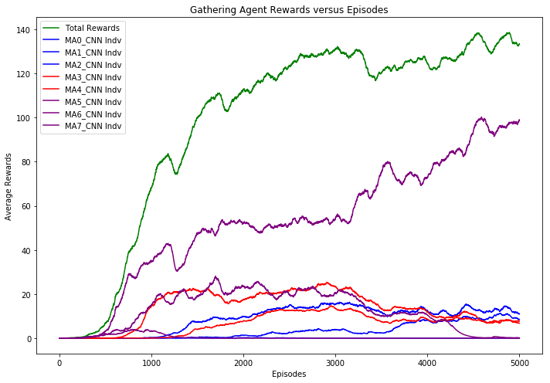
'MA_models/cooperative-01/cf10.0/' ep=1000 |  | 'MA_models/cooperative-01/cf10.0/' ep=2000 |  | 'MA_models/cooperative-01/cf10.0/' ep=3000 |  | 'MA_models/cooperative-01/cf10.0/' ep=4000 |  | 'MA_models/cooperative-01/cf10.0/' ep=5000
Average Statistics in Aggregate |  | Average Statistics in Aggregate |  | Average Statistics in Aggregate |  | Average Statistics in Aggregate |  | Average Statistics in Aggregate

Total rewards gathered | 272.7 | Total rewards gathered | 373.8 | Total rewards gathered | 443.7 | Total rewards gathered | 383.9 | Total rewards gathered | 457.4
Num laser fired | 384.9 | Num laser fired | 159.9 | Num laser fired | 200.1 | Num laser fired | 372.6 | Num laser fired | 233
Total US Hit (friendly fire) | 29 | Total US Hit (friendly fire) | 9 | Total US Hit (friendly fire) | 9.9 | Total US Hit (friendly fire) | 13 | Total US Hit (friendly fire) | 1.8
Total THEM Hit | 102.7 | Total THEM Hit | 34.5 | Total THEM Hit | 29 | Total THEM Hit | 73.3 | Total THEM Hit | 74.2
friendly fire (%) | 22.00% | friendly fire (%) | 20.70% | friendly fire (%) | 25.40% | friendly fire (%) | 15.10% | friendly fire (%) | 2.40%
Average Statistics by Tribe |  | Average Statistics by Tribe |  | Average Statistics by Tribe |  | Average Statistics by Tribe |  | Average Statistics by Tribe

Tribe Vikings has total reward of 2.9 |  | Tribe Vikings has total reward of 41.3 |  | Tribe Vikings has total reward of 54.4 |  | Tribe Vikings has total reward of 45.1 |  | Tribe Vikings has total reward of 56.1
Tribe Saxons has total reward of 60.9 |  | Tribe Saxons has total reward of 101.5 |  | Tribe Saxons has total reward of 109.4 |  | Tribe Saxons has total reward of 49.8 |  | Tribe Saxons has total reward of 46.7
Tribe Franks has total reward of 208.9 |  | Tribe Franks has total reward of 231.0 |  | Tribe Franks has total reward of 279.9 |  | Tribe Franks has total reward of 288.9 |  | Tribe Franks has total reward of 354.6
Average Statistics by Agent |  | Average Statistics by Agent |  | Average Statistics by Agent |  | Average Statistics by Agent |  | Average Statistics by Agent

Agent0 of Vikings aggressiveness is 0.01 |  | Agent0 of Vikings aggressiveness is 0.00 |  | Agent0 of Vikings aggressiveness is 0.00 |  | Agent0 of Vikings aggressiveness is 0.00 |  | Agent0 of Vikings aggressiveness is 0.00
Agent0 reward is 1.9 |  | Agent0 reward is 31.0 |  | Agent0 reward is 43.0 |  | Agent0 reward is 23.9 |  | Agent0 reward is 26.7
US agents hit = 3.0 |  | US agents hit = 0.1 |  | US agents hit = 0.0 |  | US agents hit = 0.0 |  | US agents hit = 0.0
THEM agents hit = 2.8 |  | THEM agents hit = 0.1 |  | THEM agents hit = 0.0 |  | THEM agents hit = 0.0 |  | THEM agents hit = 0.0
Agent1 of Vikings aggressiveness is 0.03 |  | Agent1 of Vikings aggressiveness is 0.00 |  | Agent1 of Vikings aggressiveness is 0.00 |  | Agent1 of Vikings aggressiveness is 0.00 |  | Agent1 of Vikings aggressiveness is 0.00
Agent1 reward is 0.7 |  | Agent1 reward is 8.6 |  | Agent1 reward is 10.7 |  | Agent1 reward is 21.2 |  | Agent1 reward is 29.5
US agents hit = 7.3 |  | US agents hit = 0.3 |  | US agents hit = 0.3 |  | US agents hit = 0.0 |  | US agents hit = 0.0
THEM agents hit = 17.4 |  | THEM agents hit = 1.7 |  | THEM agents hit = 0.6 |  | THEM agents hit = 0.2 |  | THEM agents hit = 0.0
Agent2 of Vikings aggressiveness is 0.06 |  | Agent2 of Vikings aggressiveness is 0.10 |  | Agent2 of Vikings aggressiveness is 0.16 |  | Agent2 of Vikings aggressiveness is 0.00 |  | Agent2 of Vikings aggressiveness is 0.00
Agent2 reward is 0.3 |  | Agent2 reward is 1.7 |  | Agent2 reward is 0.7 |  | Agent2 reward is 0.0 |  | Agent2 reward is 0.0
US agents hit = 4.9 |  | US agents hit = 4.5 |  | US agents hit = 4.1 |  | US agents hit = 0.0 |  | US agents hit = 0.0
THEM agents hit = 15.6 |  | THEM agents hit = 12.4 |  | THEM agents hit = 10.9 |  | THEM agents hit = 0.0 |  | THEM agents hit = 0.0
Agent3 of Saxons aggressiveness is 0.22 |  | Agent3 of Saxons aggressiveness is 0.03 |  | Agent3 of Saxons aggressiveness is 0.01 |  | Agent3 of Saxons aggressiveness is 0.02 |  | Agent3 of Saxons aggressiveness is 0.02
Agent3 reward is 0.9 |  | Agent3 reward is 35.3 |  | Agent3 reward is 39.5 |  | Agent3 reward is 18.9 |  | Agent3 reward is 25.2
US agents hit = 3.8 |  | US agents hit = 1.1 |  | US agents hit = 0.2 |  | US agents hit = 0.0 |  | US agents hit = 0.0
THEM agents hit = 40.0 |  | THEM agents hit = 7.6 |  | THEM agents hit = 1.1 |  | THEM agents hit = 0.1 |  | THEM agents hit = 0.1
Agent4 of Saxons aggressiveness is 0.00 |  | Agent4 of Saxons aggressiveness is 0.00 |  | Agent4 of Saxons aggressiveness is 0.00 |  | Agent4 of Saxons aggressiveness is 0.00 |  | Agent4 of Saxons aggressiveness is 0.00
Agent4 reward is 60.0 |  | Agent4 reward is 66.2 |  | Agent4 reward is 69.9 |  | Agent4 reward is 30.9 |  | Agent4 reward is 21.5
US agents hit = 0.0 |  | US agents hit = 0.0 |  | US agents hit = 0.0 |  | US agents hit = 0.0 |  | US agents hit = 0.0
THEM agents hit = 0.5 |  | THEM agents hit = 0.0 |  | THEM agents hit = 0.0 |  | THEM agents hit = 0.0 |  | THEM agents hit = 0.0
Agent5 of Franks aggressiveness is 0.03 |  | Agent5 of Franks aggressiveness is 0.03 |  | Agent5 of Franks aggressiveness is 0.01 |  | Agent5 of Franks aggressiveness is 0.00 |  | Agent5 of Franks aggressiveness is 0.00
Agent5 reward is 66.7 |  | Agent5 reward is 83.3 |  | Agent5 reward is 88.6 |  | Agent5 reward is 23.4 |  | Agent5 reward is 0.5
US agents hit = 5.4 |  | US agents hit = 2.7 |  | US agents hit = 2.0 |  | US agents hit = 0.5 |  | US agents hit = 0.1
THEM agents hit = 11.6 |  | THEM agents hit = 12.0 |  | THEM agents hit = 5.2 |  | THEM agents hit = 1.4 |  | THEM agents hit = 0.0
Agent6 of Franks aggressiveness is 0.02 |  | Agent6 of Franks aggressiveness is 0.00 |  | Agent6 of Franks aggressiveness is 0.00 |  | Agent6 of Franks aggressiveness is 0.00 |  | Agent6 of Franks aggressiveness is 0.00
Agent6 reward is 11.4 |  | Agent6 reward is 0.0 |  | Agent6 reward is 0.0 |  | Agent6 reward is 0.0 |  | Agent6 reward is 0.0
US agents hit = 3.8 |  | US agents hit = 0.0 |  | US agents hit = 0.0 |  | US agents hit = 0.0 |  | US agents hit = 0.0
THEM agents hit = 13.6 |  | THEM agents hit = 0.0 |  | THEM agents hit = 0.0 |  | THEM agents hit = 0.0 |  | THEM agents hit = 0.0
Agent7 of Franks aggressiveness is 0.00 |  | Agent7 of Franks aggressiveness is 0.00 |  | Agent7 of Franks aggressiveness is 0.02 |  | Agent7 of Franks aggressiveness is 0.35 |  | Agent7 of Franks aggressiveness is 0.21
Agent7 reward is 130.7 |  | Agent7 reward is 147.7 |  | Agent7 reward is 191.3 |  | Agent7 reward is 265.5 |  | Agent7 reward is 354.1
US agents hit = 0.7 |  | US agents hit = 0.3 |  | US agents hit = 3.4 |  | US agents hit = 12.5 |  | US agents hit = 1.7
THEM agents hit = 1.1 |  | THEM agents hit = 0.6 |  | THEM agents hit = 11.2 |  | THEM agents hit = 71.5 |  | THEM agents hit = 74.1
Training time per epochs: 2.93 sec |  | Training time per epochs: 2.92 sec |  | Training time per epochs: 2.89 sec |  | Training time per epochs: 2.99 sec |  | Training time per epochs: 3.12 sec

Cooperative-01 cf=5.0
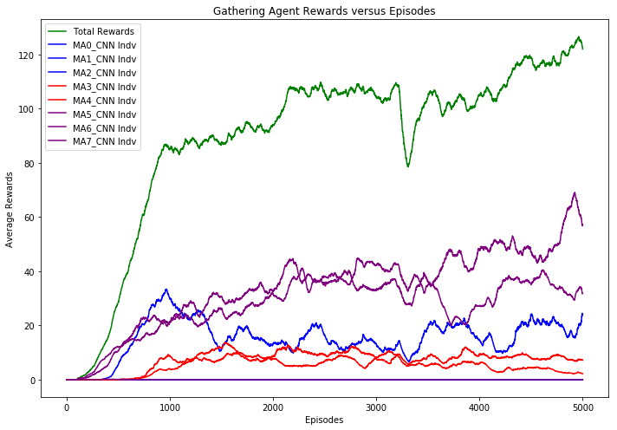
'MA_models/cooperative-01/cf5.0/' ep=1000 |  | 'MA_models/cooperative-01/cf5.0/' ep=2000 |  | 'MA_models/cooperative-01/cf5.0/' ep=3000 |  | 'MA_models/cooperative-01/cf5.0/' ep=4000 |  | 'MA_models/cooperative-01/cf5.0/' ep=5000
Average Statistics in Aggregate |  | Average Statistics in Aggregate |  | Average Statistics in Aggregate |  | Average Statistics in Aggregate |  | Average Statistics in Aggregate
#VALUE! |  | #VALUE! |  | #VALUE! |  | #VALUE! |  | #VALUE!
Total rewards gathered | 296.7 | Total rewards gathered | 301.3 | Total rewards gathered | 355.2 | Total rewards gathered | 357.3 | Total rewards gathered | 363.3
Num laser fired | 606.5 | Num laser fired | 875.6 | Num laser fired | 829.2 | Num laser fired | 858.1 | Num laser fired | 919.7
Total US Hit (friendly fire) | 12.7 | Total US Hit (friendly fire) | 4.2 | Total US Hit (friendly fire) | 3.2 | Total US Hit (friendly fire) | 6.3 | Total US Hit (friendly fire) | 1.4
Total THEM Hit | 157.5 | Total THEM Hit | 161.6 | Total THEM Hit | 164.3 | Total THEM Hit | 160.3 | Total THEM Hit | 170.8
friendly fire (%) | 7.50% | friendly fire (%) | 2.60% | friendly fire (%) | 1.90% | friendly fire (%) | 3.80% | friendly fire (%) | 0.80%
Average Statistics by Tribe |  | Average Statistics by Tribe |  | Average Statistics by Tribe |  | Average Statistics by Tribe |  | Average Statistics by Tribe
#VALUE! |  | #VALUE! |  | #VALUE! |  | #VALUE! |  | #VALUE!
Tribe Vikings has total reward of 103.8 |  | Tribe Vikings has total reward of 39.6 |  | Tribe Vikings has total reward of 39.8 |  | Tribe Vikings has total reward of 54.3 |  | Tribe Vikings has total reward of 109.4
Tribe Saxons has total reward of 44.7 |  | Tribe Saxons has total reward of 58.8 |  | Tribe Saxons has total reward of 67.1 |  | Tribe Saxons has total reward of 54.4 |  | Tribe Saxons has total reward of 30.6
Tribe Franks has total reward of 148.2 |  | Tribe Franks has total reward of 202.8 |  | Tribe Franks has total reward of 248.4 |  | Tribe Franks has total reward of 248.6 |  | Tribe Franks has total reward of 223.2
Average Statistics by Agent |  | Average Statistics by Agent |  | Average Statistics by Agent |  | Average Statistics by Agent |  | Average Statistics by Agent
#VALUE! |  | #VALUE! |  | #VALUE! |  | #VALUE! |  | #VALUE!
Agent0 of Vikings aggressiveness is 0.00 |  | Agent0 of Vikings aggressiveness is 0.00 |  | Agent0 of Vikings aggressiveness is 0.00 |  | Agent0 of Vikings aggressiveness is 0.00 |  | Agent0 of Vikings aggressiveness is 0.00
Agent0 reward is 0.1 |  | Agent0 reward is 0.0 |  | Agent0 reward is 0.0 |  | Agent0 reward is 0.0 |  | Agent0 reward is 0.0
US agents hit = 0.0 |  | US agents hit = 0.0 |  | US agents hit = 0.0 |  | US agents hit = 0.0 |  | US agents hit = 0.0
THEM agents hit = 0.0 |  | THEM agents hit = 0.0 |  | THEM agents hit = 0.0 |  | THEM agents hit = 0.0 |  | THEM agents hit = 0.0
Agent1 of Vikings aggressiveness is 0.04 |  | Agent1 of Vikings aggressiveness is 0.03 |  | Agent1 of Vikings aggressiveness is 0.00 |  | Agent1 of Vikings aggressiveness is 0.01 |  | Agent1 of Vikings aggressiveness is 0.08
Agent1 reward is 103.7 |  | Agent1 reward is 39.6 |  | Agent1 reward is 39.7 |  | Agent1 reward is 54.3 |  | Agent1 reward is 109.4
US agents hit = 0.5 |  | US agents hit = 0.1 |  | US agents hit = 0.0 |  | US agents hit = 0.0 |  | US agents hit = 0.0
THEM agents hit = 14.4 |  | THEM agents hit = 8.0 |  | THEM agents hit = 1.0 |  | THEM agents hit = 6.8 |  | THEM agents hit = 24.3
Agent2 of Vikings aggressiveness is 0.10 |  | Agent2 of Vikings aggressiveness is 0.01 |  | Agent2 of Vikings aggressiveness is 0.03 |  | Agent2 of Vikings aggressiveness is 0.03 |  | Agent2 of Vikings aggressiveness is 0.04
Agent2 reward is 0.0 |  | Agent2 reward is 0.0 |  | Agent2 reward is 0.0 |  | Agent2 reward is 0.0 |  | Agent2 reward is 0.0
US agents hit = 5.2 |  | US agents hit = 0.9 |  | US agents hit = 1.3 |  | US agents hit = 0.3 |  | US agents hit = 0.0
THEM agents hit = 37.4 |  | THEM agents hit = 3.3 |  | THEM agents hit = 8.1 |  | THEM agents hit = 1.1 |  | THEM agents hit = 0.0
Agent3 of Saxons aggressiveness is 0.16 |  | Agent3 of Saxons aggressiveness is 0.08 |  | Agent3 of Saxons aggressiveness is 0.05 |  | Agent3 of Saxons aggressiveness is 0.07 |  | Agent3 of Saxons aggressiveness is 0.03
Agent3 reward is 17.2 |  | Agent3 reward is 28.9 |  | Agent3 reward is 38.7 |  | Agent3 reward is 29.1 |  | Agent3 reward is 10.4
US agents hit = 2.9 |  | US agents hit = 1.5 |  | US agents hit = 1.2 |  | US agents hit = 1.3 |  | US agents hit = 0.0
THEM agents hit = 29.5 |  | THEM agents hit = 13.2 |  | THEM agents hit = 16.4 |  | THEM agents hit = 14.0 |  | THEM agents hit = 0.9
Agent4 of Saxons aggressiveness is 0.01 |  | Agent4 of Saxons aggressiveness is 0.01 |  | Agent4 of Saxons aggressiveness is 0.00 |  | Agent4 of Saxons aggressiveness is 0.00 |  | Agent4 of Saxons aggressiveness is 0.00
Agent4 reward is 27.5 |  | Agent4 reward is 30.0 |  | Agent4 reward is 28.4 |  | Agent4 reward is 25.3 |  | Agent4 reward is 20.2
US agents hit = 0.1 |  | US agents hit = 0.5 |  | US agents hit = 0.0 |  | US agents hit = 0.0 |  | US agents hit = 0.0
THEM agents hit = 0.9 |  | THEM agents hit = 3.1 |  | THEM agents hit = 0.6 |  | THEM agents hit = 0.0 |  | THEM agents hit = 0.0
Agent5 of Franks aggressiveness is 0.29 |  | Agent5 of Franks aggressiveness is 0.75 |  | Agent5 of Franks aggressiveness is 0.74 |  | Agent5 of Franks aggressiveness is 0.73 |  | Agent5 of Franks aggressiveness is 0.77
Agent5 reward is 0.1 |  | Agent5 reward is 0.0 |  | Agent5 reward is 0.0 |  | Agent5 reward is 0.0 |  | Agent5 reward is 0.0
US agents hit = 3.6 |  | US agents hit = 0.8 |  | US agents hit = 0.0 |  | US agents hit = 0.0 |  | US agents hit = 0.2
THEM agents hit = 74.7 |  | THEM agents hit = 133.8 |  | THEM agents hit = 137.5 |  | THEM agents hit = 133.2 |  | THEM agents hit = 144.5
Agent6 of Franks aggressiveness is 0.00 |  | Agent6 of Franks aggressiveness is 0.00 |  | Agent6 of Franks aggressiveness is 0.00 |  | Agent6 of Franks aggressiveness is 0.02 |  | Agent6 of Franks aggressiveness is 0.00
Agent6 reward is 81.8 |  | Agent6 reward is 102.0 |  | Agent6 reward is 125.0 |  | Agent6 reward is 167.7 |  | Agent6 reward is 156.3
US agents hit = 0.3 |  | US agents hit = 0.4 |  | US agents hit = 0.6 |  | US agents hit = 4.7 |  | US agents hit = 1.2
THEM agents hit = 0.3 |  | THEM agents hit = 0.1 |  | THEM agents hit = 0.8 |  | THEM agents hit = 5.2 |  | THEM agents hit = 1.2
Agent7 of Franks aggressiveness is 0.00 |  | Agent7 of Franks aggressiveness is 0.00 |  | Agent7 of Franks aggressiveness is 0.00 |  | Agent7 of Franks aggressiveness is 0.00 |  | Agent7 of Franks aggressiveness is 0.00
Agent7 reward is 66.3 |  | Agent7 reward is 100.8 |  | Agent7 reward is 123.4 |  | Agent7 reward is 80.9 |  | Agent7 reward is 66.9
US agents hit = 0.1 |  | US agents hit = 0.0 |  | US agents hit = 0.0 |  | US agents hit = 0.0 |  | US agents hit = 0.0
THEM agents hit = 0.2 |  | THEM agents hit = 0.0 |  | THEM agents hit = 0.0 |  | THEM agents hit = 0.0 |  | THEM agents hit = 0.0
Training time per epochs: 3.38 sec |  | Training time per epochs: 3.40 sec |  | Training time per epochs: 3.33 sec |  | Training time per epochs: 3.52 sec |  | Training time per epochs: 3.41 sec

Cooperative-01 cf=1.0
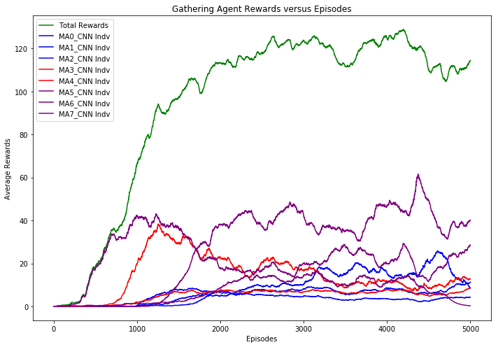
'MA_models/cooperative-01/cf1.0/' ep=1000 |  | 'MA_models/cooperative-01/cf1.0/' ep=2000 |  | 'MA_models/cooperative-01/cf1.0/' ep=3000 |  | 'MA_models/cooperative-01/cf1.0/' ep=4000 |  | 'MA_models/cooperative-01/cf1.0/' ep=5000
Average Statistics in Aggregate |  | Average Statistics in Aggregate |  | Average Statistics in Aggregate |  | Average Statistics in Aggregate |  | Average Statistics in Aggregate
#VALUE! |  | #VALUE! |  | #VALUE! |  | #VALUE! |  | #VALUE!
Total rewards gathered | 262.6 | Total rewards gathered | 386.2 | Total rewards gathered | 413.7 | Total rewards gathered | 408.9 | Total rewards gathered | 410.5
Num laser fired | 180.1 | Num laser fired | 229 | Num laser fired | 215.8 | Num laser fired | 461.7 | Num laser fired | 281.7
Total US Hit (friendly fire) | 24 | Total US Hit (friendly fire) | 32.4 | Total US Hit (friendly fire) | 33.5 | Total US Hit (friendly fire) | 40.7 | Total US Hit (friendly fire) | 31.9
Total THEM Hit | 87.6 | Total THEM Hit | 101.3 | Total THEM Hit | 105 | Total THEM Hit | 132 | Total THEM Hit | 99.3
friendly fire (%) | 21.50% | friendly fire (%) | 24.20% | friendly fire (%) | 24.20% | friendly fire (%) | 23.50% | friendly fire (%) | 24.30%
Average Statistics by Tribe |  | Average Statistics by Tribe |  | Average Statistics by Tribe |  | Average Statistics by Tribe |  | Average Statistics by Tribe
#VALUE! |  | #VALUE! |  | #VALUE! |  | #VALUE! |  | #VALUE!
Tribe Vikings has total reward of 16.6 |  | Tribe Vikings has total reward of 65.5 |  | Tribe Vikings has total reward of 98.9 |  | Tribe Vikings has total reward of 72.1 |  | Tribe Vikings has total reward of 90.4
Tribe Saxons has total reward of 100.7 |  | Tribe Saxons has total reward of 86.3 |  | Tribe Saxons has total reward of 99.2 |  | Tribe Saxons has total reward of 55.3 |  | Tribe Saxons has total reward of 72.1
Tribe Franks has total reward of 145.3 |  | Tribe Franks has total reward of 234.4 |  | Tribe Franks has total reward of 215.5 |  | Tribe Franks has total reward of 281.5 |  | Tribe Franks has total reward of 248.0
Average Statistics by Agent |  | Average Statistics by Agent |  | Average Statistics by Agent |  | Average Statistics by Agent |  | Average Statistics by Agent
#VALUE! |  | #VALUE! |  | #VALUE! |  | #VALUE! |  | #VALUE!
Agent0 of Vikings aggressiveness is 0.00 |  | Agent0 of Vikings aggressiveness is 0.00 |  | Agent0 of Vikings aggressiveness is 0.02 |  | Agent0 of Vikings aggressiveness is 0.03 |  | Agent0 of Vikings aggressiveness is 0.02
...
Agent7 reward is 0.8 |  | Agent7 reward is 135.7 |  | Agent7 reward is 84.2
US agents hit = 1.8 |  | US agents hit = 20.7 |  | US agents hit = 13.1
THEM agents hit = 7.2 |  | THEM agents hit = 56.1 |  | THEM agents hit = 28.1
Training time per epochs: 3.14 sec |  | Training time per epochs: 3.17 sec |  | Training time per epochs: 3.22 sec

Cooperative-01 cf=0.1
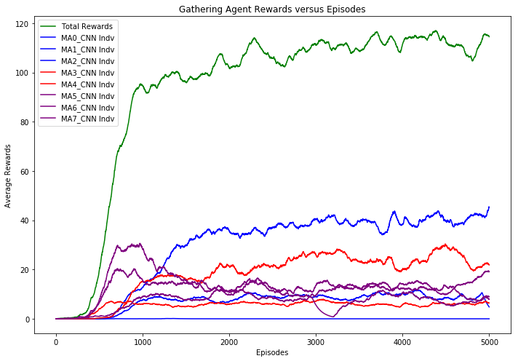
...
'MA_models/cooperative-01/cf0.1/' ep=1000 | 'MA_models/cooperative-01/cf0.1/' ep=2000 | 'MA_models/cooperative-01/cf0.1/' ep=3000
Agent7 of Franks aggressiveness is 0.08 | Agent7 of Franks aggressiveness is 0.04 | Agent7 of Franks aggressiveness is 0.05
Agent7 reward is 85.8 | Agent7 reward is 49.5 | Agent7 reward is 53.3
US agents hit = 8.1 | US agents hit = 3.9 | US agents hit = 2.2
THEM agents hit = 25.9 | THEM agents hit = 9.4 | THEM agents hit = 11.4
Training time per epochs: 3.22 sec | Training time per epochs: 3.13 sec | Training time per epochs: 3.12 sec

Cooperative-01 cf=0.01
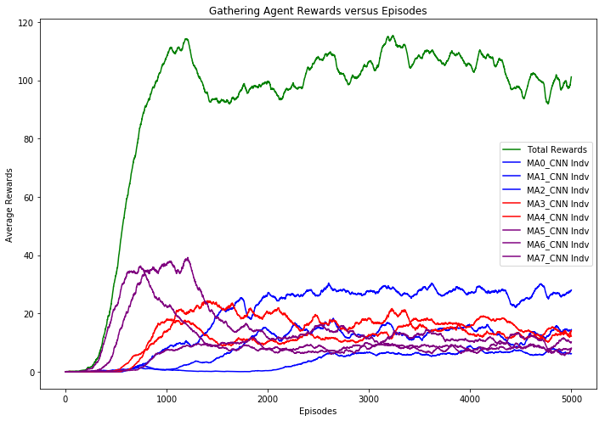
...
Agent0 of Vikings aggressiveness is 0.02 | Agent0 of Vikings aggressiveness is 0.00 | Agent0 of Vikings aggressiveness is 0.00 | Agent0 of Vikings aggressiveness is 0.01
Agent6 reward is 141.9 | Agent6 reward is 30.5 | Agent6 reward is 37.6 | Agent6 reward is 28.8
US agents hit = 15.5 | US agents hit = 4.0 | US agents hit = 5.4 | US agents hit = 2.2
THEM agents hit = 27.4 | THEM agents hit = 15.7 | THEM agents hit = 20.6 | THEM agents hit = 11.9
Agent7 of Franks aggressiveness is 0.01 | Agent7 of Franks aggressiveness is 0.00 | Agent7 of Franks aggressiveness is 0.01 | Agent7 of Franks aggressiveness is 0.03
Agent7 reward is 63.8 | Agent7 reward is 29.1 | Agent7 reward is 40.6 | Agent7 reward is 32.0
US agents hit = 1.6 | US agents hit = 0.3 | US agents hit = 2.6 | US agents hit = 3.3
THEM agents hit = 4.0 | THEM agents hit = 0.6 | THEM agents hit = 8.2 | THEM agents hit = 8.6
Training time per epochs: 2.74 sec | Training time per epochs: 2.68 sec | Training time per epochs: 2.61 sec | Training time per epochs: 2.64 sec

