LushRoom Pi
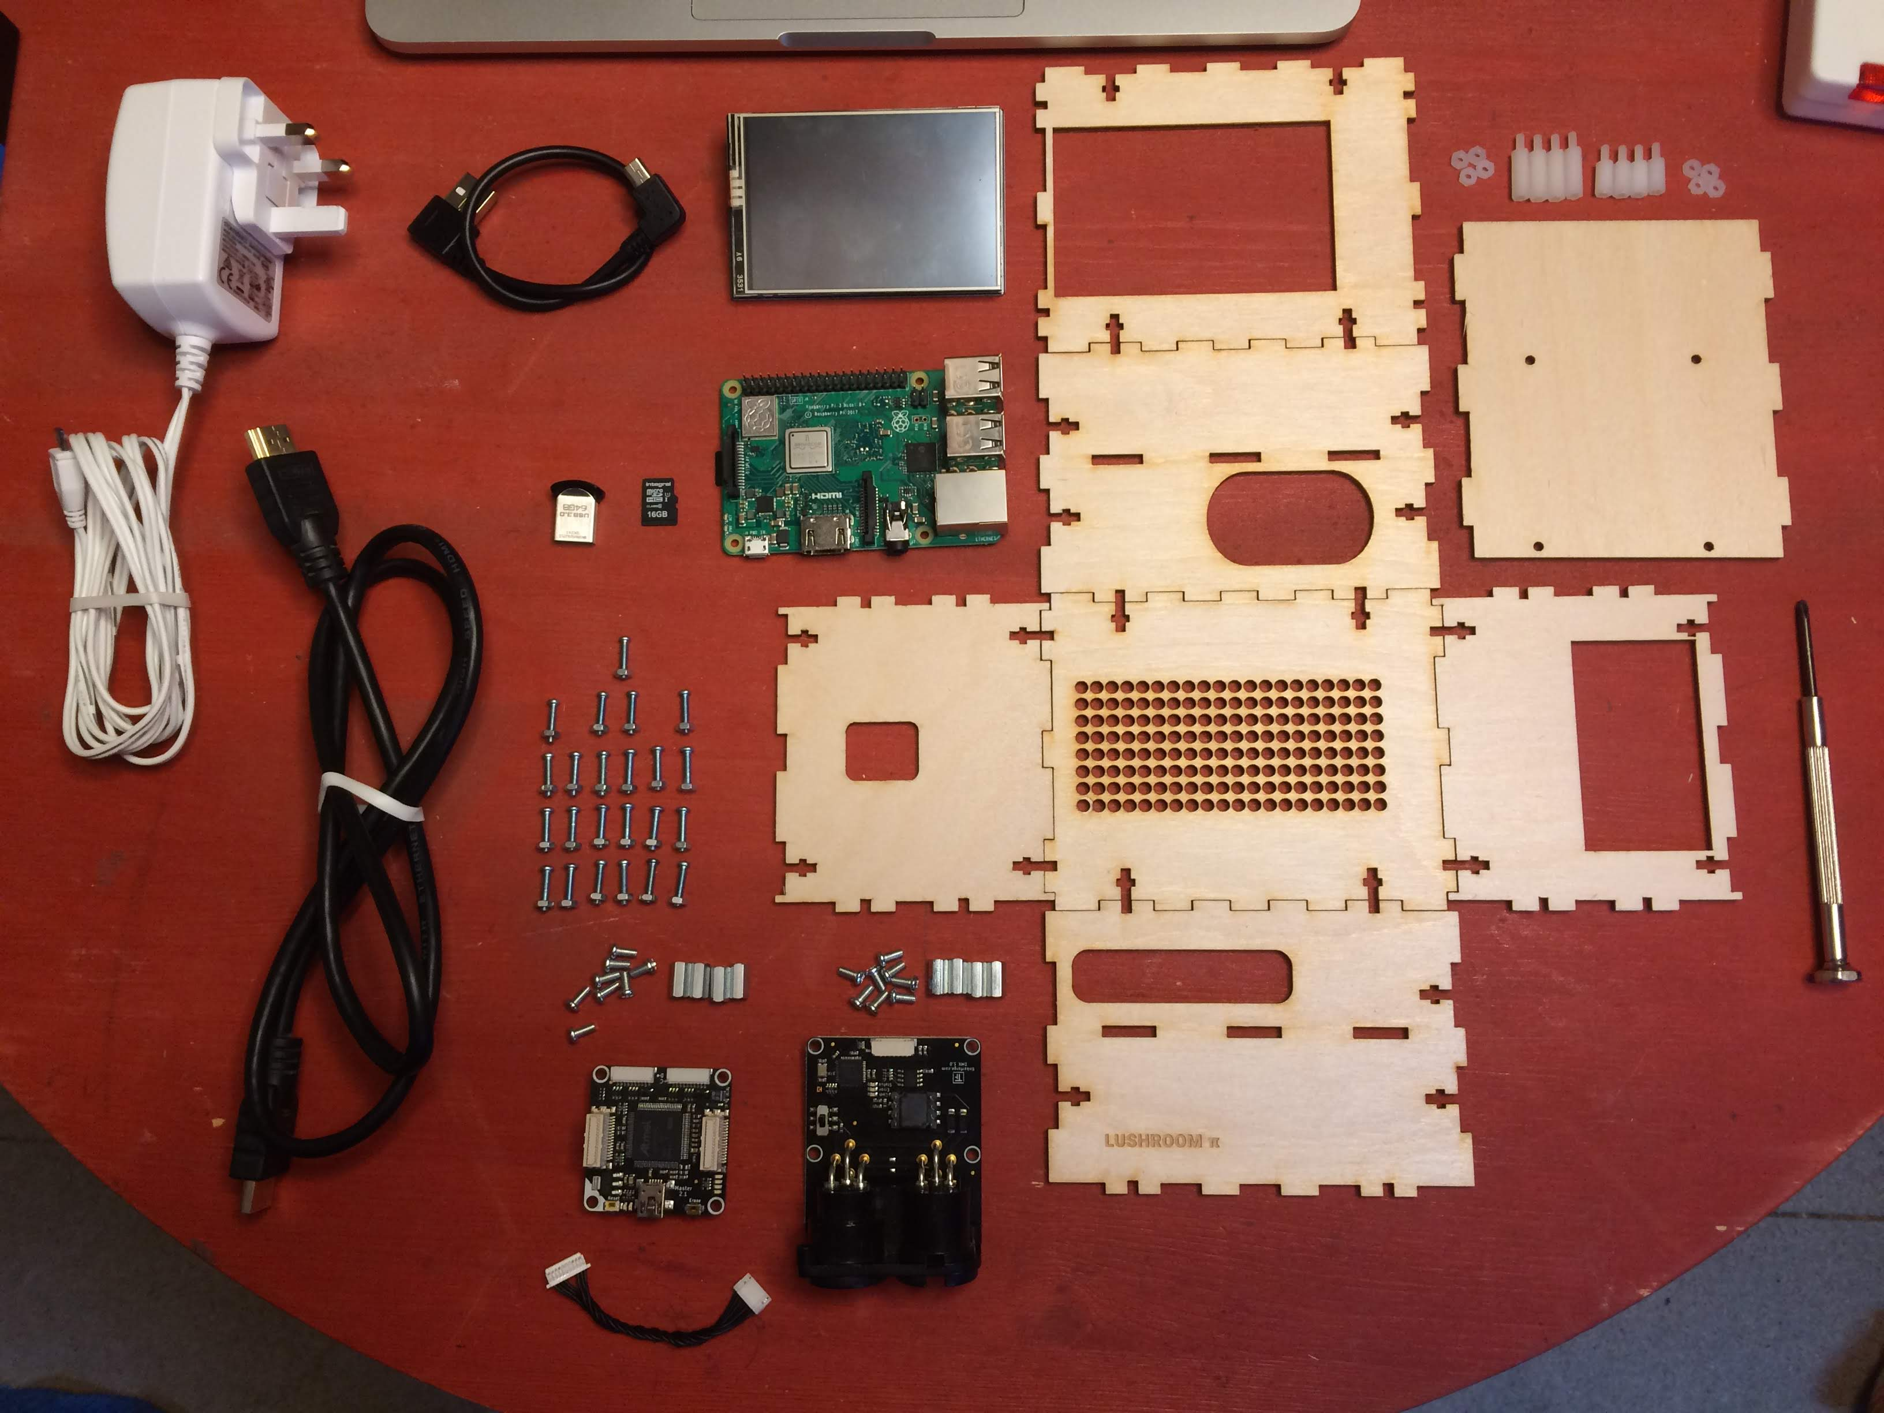

 | Assembly Name : | LushRoom Pi |  |  | [42]
 | Assembly Number : | 1
 | Assembly Revision : | 1.0
 | Approval Date :
 | Part Count :
 | Conversion EUR-GBP : | 0.9
 | Total Cost GBP | £334.05

Category | Part description | Product name | Qty | Note | Picture | Supplier | Link | Unit Cost GBP | Total Cost GBP | Unit Cost EUR | Notes
Physical | LushRoom Box | Desk material and laser cutting | 1 |  |  | Laser cutting facility |  | £20.00 |  |  | Estimate
Wiring | 7 pole to 10 pole connector | Tinkerforge 6cm bricklet cables 7p-10p | 1 |  |  | Tinkerforge | https://www.tinkerforge.com/en/shop/accessories/cable/bricklet-cable-black-6cm-7p-10p.html | £0.44 | £0.44 | € 0.49 | Shipping costs excluded
Connectivity | Master brick | Tinkerforge master brick 2.1 | 1 |  |  | Tinkerforge | https://www.tinkerforge.com/en/shop/master-brick.html | £26.99 | £26.99 | € 29.99 | Shipping costs excluded
Fixings | Tinkerforge fixing kits | Tinkerforge Mounting Kit 12mm | 2 |  |  | Tinkerforge | https://www.tinkerforge.com/en/shop/accessories/mounting/mounting-kit-12mm.html | £1.52 | £3.04 | € 1.69 | Shipping costs excluded
Controls | DMX controller | Tinkerforge DMX bricklet | 1 |  |  | Tinkerforge | https://www.tinkerforge.com/en/shop/dmx-bricklet.html | £26.99 | £26.99 | € 29.99 | Shipping costs excluded
Wiring | HDMI cable | 1m Slim HDMI Cable, The World's Slimmest HDMI Lead? (Gold Plated, 1080p, 4K, UHD, 3D, High Speed, ARC) | 1 |  |  | Amazon | https://www.amazon.co.uk/Cable-Worlds-Slimmest-Plated-1080p-Classic-SlimHDMI/dp/B00S0SNFAQ/ref=sr_1_1?s=electronics&ie=UTF8&qid=1547334560&sr=1-1&keywords=1m+Slim+HDMI+Cable%2C+The+World%27s+Slimmest+HDMI+Lead%3F+%28Gold+Plated%2C+1080p%2C+4K%2C+UHD%2C+3D%2C+High+Speed%2C+ARC%29 | £5.99 | £5.99 |  | Shipping costs excluded
Wiring | USB to Mini B Cable | USB 2.0 A-Male to Mini B Cable | 1 |  |  | Amazon | https://www.amazon.co.uk/Extension-Cable-Cerrxian-Cable-Combo-Charge/dp/B072NY6KZR/ref=sr_1_1?s=computers&ie=UTF8&qid=1546820524&sr=1-1&keywords=USB+2.0+A-Male+to+mini+B+Cable+-+angled | £7.99 | £7.99 |  | Shipping costs excluded
Computing | Raspberry Pi 3 Model B+ | Raspberry Pi 3 Model B+ | 1 |  |  | Amazon | https://www.amazon.co.uk/gp/product/B07BDR5PDW/ref=oh_aui_detailpage_o09_s00?ie=UTF8&psc=1 | £35.93 | £35.93 |  | Shipping costs excluded
Cooling | Heatsinks | Aukru Aluminum Raspberry Pi Heatsink | 1 |  |  | Amazon | https://www.amazon.co.uk/Aukru-Heat-Raspberry-Aluminium-Silver/dp/B00ILK6DMA/ref=sr_1_20?ie=UTF8&qid=1547332737&sr=8-20&keywords=raspberry+pi+3+b%2B+heatsinks | £5.99 | £5.99 |  | Shipping costs excluded
Data storage | SD Card for Operating System | 16 GB SD Card | 1 |  |  | Amazon | https://www.amazon.co.uk/gp/product/B079H6PDCK/ref=oh_aui_detailpage_o00_s00?ie=UTF8&psc=1 | £3.25 | £3.25 |  | Shipping costs excluded
Support | Bumper feet | 254 Pieces Clear Rubber Feet Bumper Pads Adhesive Transparent Buffer Pads Cabinet Door Bumpers Self Stick Noise Dampening Pads, 6 Sizes | 1 | the bag has 245 pieces |  | Amazon | https://www.amazon.co.uk/Adhesive-Transparent-Cabinet-Bumpers-Dampening/dp/B072K4DV32/ref=sr_1_30?s=diy&ie=UTF8&qid=1547333563&sr=1-30&keywords=rubber+feet | £7.99 | £7.99
Fixings | Nylon fixing kit | M2.5 Nylon Hex M-F Spacer | 1 | the kit has more spacers than needed |  | Amazon | https://www.amazon.co.uk/gp/product/B015PR4ALC/ref=oh_aui_detailpage_o00_s00?ie=UTF8&psc=1 | £12.99 | £12.99 |  | Shipping costs excluded
Fixings | Case fixing kit - screws | Machine Screws/Bolts Zinc Plated (BZP) Pozi Pan Head Mch Screw M2.5 2.5mm x 12mm (Pack of 100) | 1 | the bag has 100 pieces |  | Amazon | https://www.amazon.co.uk/Machine-Screws-Bolts-Plated-Screw/dp/B00DY28UK8/ref=sr_1_6?s=diy&ie=UTF8&qid=1547333392&sr=1-6&keywords=m2.5+screw+12mm | £4.54 | £4.54 |  | Shipping costs excluded
Fixings | Case fixing kit - nuts | Metric Coarse Stainless Steel Hexagon Full Nuts | 1 | the bag has 500 pieces |  | Amazon | https://www.amazon.co.uk/gp/product/B07JC9XQNR/ref=ox_sc_act_title_1?smid=ARRV6GA0U2WO7&psc=1 | £5.83 | £5.83 |  | Shipping costs excluded
Display | Raspberry Pi SPI display | ELEGOO 3.5 Inch TFT LCD 480x320 Screen For Raspberry Pi 3 2 3.5 Inch 480x320 TFT Touch Screen Monitor for Raspberry Pi Model B B+ A+ A Module SPI Interface with Touch Pen SC06 | 1 |  |  | Amazon | https://www.amazon.co.uk/gp/product/B01MRQTMTD/ref=oh_aui_detailpage_o01_s00?ie=UTF8&psc=1 | £16.99 | £16.99 |  | Shipping costs excluded
Power | Raspberry Pi power supply | Official 5V 2.5A Power Adapter for the Raspberry Pi 3 | 1 |  |  | Amazon | https://www.amazon.co.uk/Official-Power-Adapter-Raspberry-Pi/dp/B01CO1HZJ6/ref=sr_1_6?s=computers&ie=UTF8&qid=1546820039&sr=1-6&keywords=raspberry+pi+power+supply | £7.99 | £7.99 |  | Shipping costs excluded
Data storage | 64 GB USB stick | 64 GB USB stick | 1 |  |  | Amazon | https://www.amazon.co.uk/gp/product/B01BGTG3JA/ref=ppx_yo_dt_b_detailpage_o00_s01?ie=UTF8&psc=1 | £12.99 | £12.99 |  | Shipping costs excluded
Networking | 5 port network switch | D-Link GO-SW-5G 5 Port Gigabit Easy Desktop Switch UK Model | 1 |  |  | Amazon | https://www.amazon.co.uk/gp/product/B008PC1FYK/ref=oh_aui_detailpage_o09_s00?ie=UTF8&psc=1 | £13.12 | £13.12 |  | Shipping costs excluded
Lighting control | Lighting kit | Philips Hue kit | 1 |  |  | Amazon | https://www.amazon.co.uk/gp/product/B0748MY3RX/ref=oh_aui_detailpage_o09_s00?ie=UTF8&psc=1 | £134.99 | £134.99 |  | Shipping costs excluded

 |  |  |  |  |  |  |  | Subtotal | £334.05

 |  |  |  |  |  |  |  | Total | £334.05

