4.1
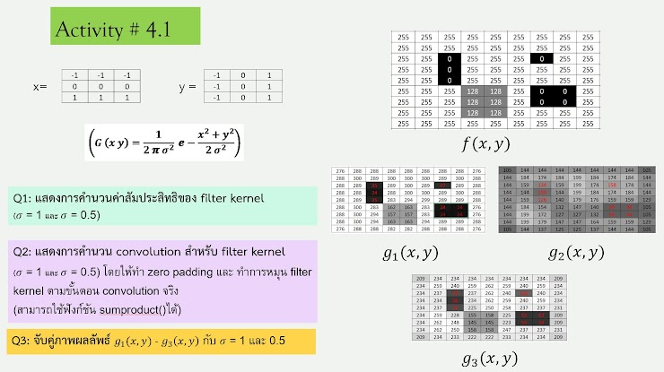

 |  |  |  |  |  |  |  |  |  |  | x = | -1 | -1 | -1
 |  |  |  |  |  |  |  |  |  |  |  | 0 | 0 | 0
 |  |  |  |  |  |  |  |  |  |  |  | 1 | 1 | 1

 |  |  |  |  |  |  |  |  |  |  | y = | -1 | 0 | 1
 |  |  |  |  |  |  |  |  |  |  |  | -1 | 0 | 1
 |  |  |  |  |  |  |  |  |  |  |  | -1 | 0 | 1

 |  |  |  |  |  |  |  |  |  |  |  | sigma | 1
 |  |  |  |  |  |  |  |  |  |  |  |  | 0.058549831524 | 0.09653235263 | 0.058549831524
 |  |  |  |  |  |  |  |  |  |  |  |  | 0.09653235263 | 0.15915494309 | 0.09653235263
 |  |  |  |  |  |  |  |  |  |  |  |  | 0.058549831524 | 0.09653235263 | 0.058549831524
0 | 0 | 0 | 0 | 0 | 0 | 0 | 0 | 0 | 0 | 0
0 | 255 | 255 | 255 | 255 | 255 | 255 | 255 | 255 | 255 | 0 |  |  | 105 | 144 | 144 | 144 | 144 | 144 | 144 | 144 | 105
0 | 255 | 255 | 255 | 255 | 255 | 255 | 255 | 255 | 255 | 0 |  |  | 144 | 184 | 174 | 184 | 199 | 184 | 174 | 184 | 144
0 | 255 | 255 | 0 | 255 | 255 | 255 | 0 | 255 | 255 | 0 |  |  | 144 | 159 | 134 | 159 | 199 | 174 | 158 | 174 | 144
0 | 255 | 255 | 0 | 255 | 255 | 255 | 255 | 255 | 255 | 0 |  |  | 144 | 144 | 109 | 144 | 199 | 184 | 174 | 184 | 144
0 | 255 | 255 | 0 | 255 | 255 | 255 | 255 | 255 | 255 | 0 |  |  | 144 | 159 | 126 | 140 | 179 | 176 | 159 | 159 | 129
0 | 255 | 255 | 255 | 128 | 128 | 255 | 0 | 0 | 255 | 0 |  |  | 144 | 184 | 154 | 132 | 147 | 140 | 94 | 94 | 105
0 | 255 | 255 | 255 | 128 | 128 | 255 | 0 | 0 | 255 | 0 |  |  | 144 | 199 | 179 | 147 | 147 | 140 | 94 | 94 | 105
0 | 255 | 255 | 255 | 255 | 255 | 255 | 255 | 255 | 255 | 0 |  |  | 144 | 199 | 191 | 179 | 179 | 176 | 159 | 159 | 129
0 | 255 | 255 | 255 | 255 | 255 | 255 | 255 | 255 | 255 | 0 |  |  | 105 | 144 | 144 | 144 | 144 | 144 | 144 | 144 | 105
0 | 0 | 0 | 0 | 0 | 0 | 0 | 0 | 0 | 0 | 0

 |  |  |  |  |  |  |  |  |  |  |  | sigma | 0.5
 |  |  |  |  |  |  |  |  |  |  |  |  | 0.01166009786 | 0.086157117207 | 0.01166009786
 |  |  |  |  |  |  |  |  |  |  |  |  | 0.086157117207 | 0.63661977237 | 0.086157117207
 |  |  |  |  |  |  |  |  |  |  |  |  | 0.01166009786 | 0.086157117207 | 0.01166009786

 |  |  |  |  |  |  |  |  |  |  |  |  | 209 | 234 | 234 | 234 | 234 | 234 | 234 | 234 | 209
 |  |  |  |  |  |  |  |  |  |  |  |  | 234 | 259 | 240 | 259 | 262 | 259 | 240 | 259 | 234
 |  |  |  |  |  |  |  |  |  |  |  |  | 234 | 237 | 78 | 237 | 262 | 240 | 100 | 240 | 234
 |  |  |  |  |  |  |  |  |  |  |  |  | 234 | 234 | 56 | 234 | 262 | 259 | 240 | 259 | 234
 |  |  |  |  |  |  |  |  |  |  |  |  | 234 | 237 | 76 | 225 | 250 | 258 | 237 | 237 | 231
 |  |  |  |  |  |  |  |  |  |  |  |  | 234 | 259 | 228 | 155 | 158 | 225 | 53 | 53 | 209
 |  |  |  |  |  |  |  |  |  |  |  |  | 234 | 262 | 250 | 158 | 158 | 225 | 53 | 53 | 209
 |  |  |  |  |  |  |  |  |  |  |  |  | 234 | 262 | 261 | 250 | 250 | 258 | 237 | 237 | 231
 |  |  |  |  |  |  |  |  |  |  |  |  | 209 | 234 | 234 | 234 | 234 | 234 | 234 | 234 | 209

